type3位相補償
 |  |  |  |  |  |  |  |  |  |  | ω | |jω/wesr+1| | |(jω)^2 / wdp^2 + jω/(Resr/L) + 1| | |jω/wp1+1| | |jω/wp2+1| | |jω/wz1+1| | |jω/wz2+1|
Vin |  | V | 12 |  | ωdp=√1/Lcout | 50000 | fdp | rad/s | 7957.7471546 | Hz |  | 1 | =
Vout |  | V |  |  | wesr=1/ResrCout | 5000000 | fesr | rad/s | 795774.71546 | Hz
Iout |  | A |  |  | wp1=1/Rc2Cc3 | 0.0001 | fp1 | rad/s | 1.5915494309E-05 | Hz
L | 20 | uH | 0.00002 | H | wp2=1/Rc1Cc2 | 0.000001 | fp2 | rad/s | 1.5915494309E-07 | Hz
Cout | 20 | uF | 0.00002 | F | wz1=1/Rc2Cc1 | 0.000001 | fz1 | rad/s | 1.5915494309E-07 | Hz
Resr | 0.01 | Ω |  |  | wz2=1/Rfb1Cc3 | 100000 | fz2 | rad/s | 15915.494309 | Hz
Rfb1 | 1 | kΩ | 1000 | Ω
Rfb2 | 1 | kΩ | 1000 | Ω
Rc1 | 1 | kΩ | 1000 | Ω
Rc2 | 1000 | Ω
Cc1 | 1000 | pF | 0.000001 | F
Cc2 | 1000 | pF | 0.000001 | F
Cc3 | 10 | pF | 0.00000001 | F
Vramp |  | V

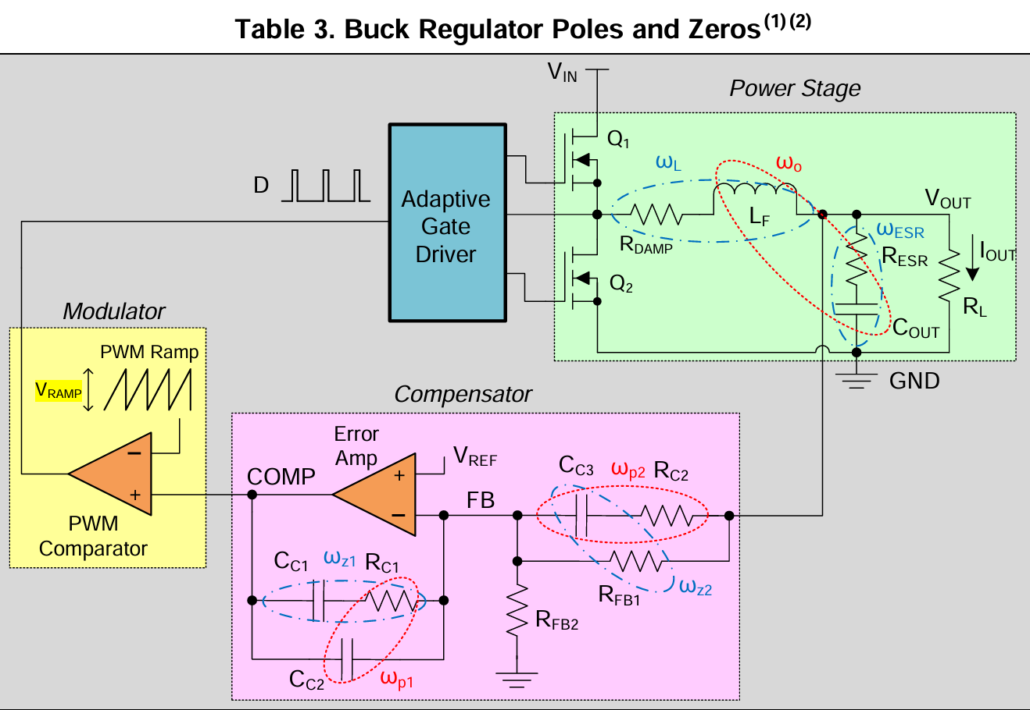

GAIN | (Vin/Vramp)*(1/Rfb1(Cc1+Cc2)*ω)+((ω/w1)^2+1)^0.5*(ω

