Design Regulator
 LM(2)5145/46-Q1 DC-DC Controller Design Tool

About |  | xx |  |  | = Input Box |  |  |  |  | TERMS OF USE

R_{UV1}
R_{UV2}
12.7kΩ
75kΩ
Step 1: Operating Specifications
 |  |  | Input Voltage ‒ Min, VIN(min) | 18 | V
 |  |  | Input Voltage ‒ Nom, VIN(nom) | 24 | V
 |  |  | Input Voltage ‒ Max, VIN(max) | 36 | V
 |  |  | Output Voltage, VOUT | 5.1 | V
C_{BOOT}
24V
 |  |  | Maximum Output Current, IOUT | 6 | A
R_{RT}
0.1μF
18V to 36V
 |  |  | Free-running Switching Frequency, FSW | 300 | kHz
R_{C2}
R_{FB1}
33.2kΩ
 |  |  | SYNC Frequency (if used), FSW-SYNC | 300 | kHz
1150Ω
18kΩ
 |  |  | Frequency Set Resistor, RRT | 33.2 | kΩ
C_{C3}
C_{C1}
R_{C1}
C_{SS}
Q₁
1500pF
9.1kΩ
5.6nF
100nF
L_{F}
Step 2: Filter Inductor
 |  |  | Recommended Filter Inductance | 6.7 | µH
 |  |  | Inductance, LF | 10 | µH
C_{C2}
10pF
LM25145
10µH
 |  |  | Inductor DCR | 5 | mΩ
5.1V
Q₂
5mΩ
 |  |  | Pk-to-Pk Ripple Current at VIN(nom), DIL | 1.4 | Apk-pk
R_{FB2}
6A
 |  |  | Inductor Ripple Current as a % of Max IOUT | 23 | %
3.32kΩ
C_{OUT}
C_{IN}
 |  |  | Estimate Core Loss at VIN(nom) | 0.2 | W
3 x 47µF
24 x 4.7µF
Step 3: RDS(on) or Shunt-Based Current Limit
 |  |  | Shunt, RS | 6 | mΩ |  |  |  |  |  | \
 |  |  | Required Current Limit Setpoint | 6.5 | A
 |  |  | Current Limit Set Resistor, RILIM | 174 | Ω
R_{FADJ}
13
C_{VCC}
 |  |  | Min Inductor Sat Current, IL(SAT) | 8.4 | A
2.2μF
 |  |  | Power Loss in RS at Full Load, Max VIN | 0.16 | W
R_{PGOOD}
20kΩ
R_{ILIM}
Cilim
174Ω
33pF
Step 4: Output Capacitance
 |  |  | Output Voltage Ripple Specification | 20 | mVpk-pk
 |  |  | Minimum Ideal Output Capacitance | 28 | µF
 |  |  | Total Output Capacitance (Derated), COUT | 120 | µF
 |  |  | Maximum Permitted ESR | 14 | mΩ
 |  |  | Output Capacitor ESR | 1 | mΩ
 |  |  | Resulting Output Voltage Ripple | 5 | mVpk-pk
 |  |  | Output Capacitor Ripple Current | 0.4 | A (rms)

Step 5: Input Capacitance
 |  |  | Input Voltage Ripple Specification | 50 | mVpk-pk
 |  |  | Minimum Ideal Input Capacitance | 68 | µF
 |  |  | Total Input Capacitance (Derated), CIN | 110 | µF
Bode Plot
 | Loop Gain |  | LC Double Pole |  | Fz1 |  | Fz2 |  | Fp1 |  | Fp2 |  | F_ESR |  | Loop Phase |  | Fc1 |  | Fc2
0.001 | 84.380959263 | 4.6061929044 | 30.318140096 | 3.1231346796 | 26.261135255 | 5.5406420635 | 25.829362802 | 92.263735231 | -12.650640959 | 1752.0785553 | -71.303680699 | 1326.2911939 | -65.502322791 | 0.001 | -44.910518666 | 29 | -122.51360531 | 29 | -122.51360531
0.002 | 80.407562709 |  |  |  |  |  |  |  |  |  |  |  |  | 0.002 | -63.335060378 | 29 | -90 | 1000 | -122.51360531
0.003 | 77.399269652 |  |  |  |  |  |  |  |  |  |  |  |  | 0.003 | -71.454792052
0.004 | 75.095611867 |  |  |  |  |  |  |  |  |  |  |  |  | 0.004 | -75.838478097
0.005 | 73.250784175 |  |  |  |  |  |  |  |  |  |  |  |  | 0.005 | -78.546905722
0.006 | 71.718740127 |  |  |  |  |  |  |  |  |  |  |  |  | 0.006 | -80.374938651
0.007 | 70.411210695 |  |  |  |  |  |  |  |  |  |  |  |  | 0.007 | -81.686527808
0.008 | 69.271884173 |  |  |  |  |  |  |  |  |  |  |  |  | 0.008 | -82.670291785
0.009 | 68.262959592 |  |  |  |  |  |  |  |  |  |  |  |  | 0.009 | -83.433319004
0.01 | 67.357948757 |  |  |  |  |  |  |  |  |  |  |  |  | 0.01 | -84.04078048
0.02 | 61.370158008 |  |  |  |  |  |  |  |  |  |  |  |  | 0.02 | -86.659902534
0.03 | 57.854866282 |  |  |  |  |  |  |  |  |  |  |  |  | 0.03 | -87.379803548
0.04 | 55.358889206 |  |  |  |  |  |  |  |  |  |  |  |  | 0.04 | -87.6224337
0.05 | 53.422542585 |  |  |  |  |  |  |  |  |  |  |  |  | 0.05 | -87.673925335
0.06 | 51.840517054 |  |  |  |  |  |  |  |  |  |  |  |  | 0.06 | -87.629813983
0.07 | 50.503162856 |  |  |  |  |  |  |  |  |  |  |  |  | 0.07 | -87.531075198
0.08 | 49.344986498 |  |  |  |  |  |  |  |  |  |  |  |  | 0.08 | -87.398207157
0.09 | 48.323726796 |  |  |  |  |  |  |  |  |  |  |  |  | 0.09 | -87.242602766
0.1 | 47.41052073 |  |  |  |  |  |  |  |  |  |  |  |  | 0.1 | -87.071101004
0.2 | 41.419305978 |  |  |  |  |  |  |  |  |  |  |  |  | 0.2 | -85.009218186
0.3 | 37.945900763 |  |  |  |  |  |  |  |  |  |  |  |  | 0.3 | -82.767157806
0.4 | 35.51470435 |  |  |  |  |  |  |  |  |  |  |  |  | 0.4 | -80.49399881
0.5 | 33.663127854 |  |  |  |  |  |  |  |  |  |  |  |  | 0.5 | -78.223869888
0.6 | 32.185004979 |  |  |  |  |  |  |  |  |  |  |  |  | 0.6 | -75.971621703
0.7 | 30.970249596 |  |  |  |  |  |  |  |  |  |  |  |  | 0.7 | -73.746476436
0.8 | 29.953045623 |  |  |  |  |  |  |  |  |  |  |  |  | 0.8 | -71.555429632
0.9 | 29.090844116 |  |  |  |  |  |  |  |  |  |  |  |  | 0.9 | -69.404380616
1 | 28.354506796 |  |  |  |  |  |  |  |  |  |  |  |  | 1 | -67.298587131
1.5 | 25.987612344 |  |  |  |  |  |  |  |  |  |  |  |  | 1.5 | -57.608283954
2 | 25.061362449 |  |  |  |  |  |  |  |  |  |  |  |  | 2 | -49.694703695
2.5 | 25.108100374 |  |  |  |  |  |  |  |  |  |  |  |  | 2.5 | -44.123863199
3 | 25.944242444 |  |  |  |  |  |  |  |  |  |  |  |  | 3 | -41.805946137
3.5 | 27.476972491 |  |  |  |  |  |  |  |  |  |  |  |  | 3.5 | -44.636853848
4 | 29.41631853 |  |  |  |  |  |  |  |  |  |  |  |  | 4 | -56.581270182
4.5 | 30.432946263 |  |  |  |  |  |  |  |  |  |  |  |  | 4.5 | -81.31217383
5 | 28.868806098 |  |  |  |  |  |  |  |  |  |  |  |  | 5 | -107.85709282
5.5 | 26.058072495 |  |  |  |  |  |  |  |  |  |  |  |  | 5.5 | -123.2561003
6 | 23.422460045 |  |  |  |  |  |  |  |  |  |  |  |  | 6 | -130.32109353
6.5 | 21.215495132 |  |  |  |  |  |  |  |  |  |  |  |  | 6.5 | -133.33535381
7 | 19.379304331 |  |  |  |  |  |  |  |  |  |  |  |  | 7 | -134.41272248
7.5 | 17.829688489 |  |  |  |  |  |  |  |  |  |  |  |  | 7.5 | -134.52155622
8 | 16.499906836 |  |  |  |  |  |  |  |  |  |  |  |  | 8 | -134.13170003
8.5 | 15.341223147 |  |  |  |  |  |  |  |  |  |  |  |  | 8.5 | -133.48640536
9 | 14.318189908 |  |  |  |  |  |  |  |  |  |  |  |  | 9 | -132.71824204
9.5 | 13.404639134 |  |  |  |  |  |  |  |  |  |  |  |  | 9.5 | -131.90206971
10 | 12.580882471 |  |  |  |  |  |  |  |  |  |  |  |  | 10 | -131.08101514
10.5 | 11.831825345 |  |  |  |  |  |  |  |  |  |  |  |  | 10.5 | -130.2800153
11 | 11.14569258 |  |  |  |  |  |  |  |  |  |  |  |  | 11 | -129.51324684
11.5 | 10.513153862 |  |  |  |  |  |  |  |  |  |  |  |  | 11.5 | -128.78837516
12 | 9.9267121976 |  |  |  |  |  |  |  |  |  |  |  |  | 12 | -128.10906831
...
 |  |  | Maximum Permitted ESR | 3 | mΩ
 |  |  | Input Capacitor ESR | 2 | mΩ
 |  |  | Resulting Input Voltage Ripple | 44 | mVpk-pk
 |  |  | Input Capacitor Ripple Current | 2.5 | A (rms)

Step 6: Soft-start, UVLO
 |  |  | Soft-Start Time, tSS | 8 | ms
 |  |  | Soft-Start Capacitance, CSS | 100 | nF
 |  |  | Input Voltage UVLO Turn-On | 8.33 | V
 |  |  | Input Voltage UVLO Turn-Off | 7.58 | V
 |  |  | UVLO Upper Resistor, RUV1 | 75 | kΩ
 |  |  | UVLO Lower Resistor, RUV2 | 12.7 | kΩ
If the SYNC feature is not required, connect SYNCIN to GND
or VCC for DCM or CCM operation, respectively

Step 7: Compensation Design
 |  |  | LC Complex Pole Frequency | 4.6 | kHz
 |  |  | ESR Zero Frequency | 1326 | kHz
 |  |  | Desired Crossover Frequency | 35 | kHz
 |  |  | Appropriate Midband Gain | 0.51 | V/V
Crossover Frequency = 29 kHz
 |  |  | Upper Feedback Resistor, RFB1 | 18 | kΩ
 |  |  | Lower Feedback Resistor, RFB2 | 3.32 | kΩ
 |  |  | Actual Output Voltage, VOUT | 5.137 | V
Phase Margin = 57°
Pole & Zero Placement |  |  | FZ1 | 3.0 | kHz
Baseline P/Z Frequencies: |  |  | FZ2 | 6.0 | kHz
 |  |  | FP1 | 100 | kHz
 |  |  | FP2 | 1700 | kHz

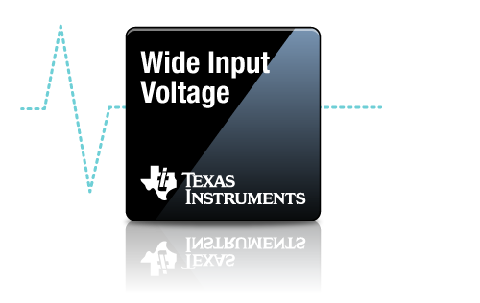
Compensation Components
 | Calculated / | Std Values | Selected |  | Actual P/Z Frequencies
RC1 | 9.1 | 9.09 | 9.1 | kΩ | 3.1 | kHz (FZ1)
CC1 | 5817 | 5600 | 5600 | pF | 5.5 | kHz (FZ2)
CC2 | 10 | 10 | 10 | pF | 92 | kHz (FP1)
RC2 | 1149 | 1150 | 1150 | Ω | 1752 | kHz (FP2)
CC3 | 1385 | 1500 | 1500 | pF |  |  | ** Specify Inductor Core Loss ** | 0.4 | W

Efficiency / Power Loss Analyzer
, VIN = VIN(nom)
 | Efficiency | Inductor Copper & Core Loss | High-Side MOSFET Loss | Low-Side MOSFET Loss
0 | 0 | 0.2007 | 0.0545 | 0.0055
0.03 | 21.052868743 | 0.2008 | 0.0607 | 0.0057
0.06 | 34.530100008 | 0.2008 | 0.0669 | 0.0060
0.09 | 43.896328972 | 0.2008 | 0.0731 | 0.0062
0.12 | 50.782973657 | 0.2008 | 0.0793 | 0.0065
0.15 | 56.059078985 | 0.2009 | 0.0855 | 0.0067
0.18 | 60.230060693 | 0.2009 | 0.0917 | 0.0070
0.21 | 63.609883411 | 0.2010 | 0.0980 | 0.0072
0.24 | 66.403870504 | 0.2010 | 0.1042 | 0.0075
0.27 | 68.751954075 | 0.2011 | 0.1104 | 0.0078
0.3 | 70.75278735 | 0.2012 | 0.1166 | 0.0081
0.33 | 72.477920424 | 0.2013 | 0.1228 | 0.0084
0.36 | 73.980509673 | 0.2014 | 0.1290 | 0.0087
0.39 | 75.300871517 | 0.2015 | 0.1353 | 0.0091
0.42 | 76.470138513 | 0.2016 | 0.1415 | 0.0094
0.45 | 77.512733494 | 0.2018 | 0.1477 | 0.0097
0.48 | 78.448084766 | 0.2019 | 0.1540 | 0.0101
0.51 | 79.291840745 | 0.2020 | 0.1602 | 0.0104
0.54 | 80.056746571 | 0.2022 | 0.1664 | 0.0108
0.57 | 80.753287571 | 0.2024 | 0.1727 | 0.0112
0.6 | 81.390168853 | 0.2025 | 0.1789 | 0.0116
0.63 | 81.974677737 | 0.2027 | 0.1852 | 0.0120
0.66 | 82.512961095 | 0.2029 | 0.1914 | 0.0124
0.69 | 83.058143619 | 0.2031 | 0.1951 | 0.0129
0.72 | 83.588336936 | 0.2033 | 0.1974 | 0.0135
0.75 | 84.081743856 | 0.2036 | 0.1997 | 0.0142
0.78 | 84.542020884 | 0.2038 | 0.2020 | 0.0148
0.81 | 84.972355454 | 0.2040 | 0.2043 | 0.0155
0.84 | 85.375538804 | 0.2043 | 0.2066 | 0.0161
0.87 | 85.754025685 | 0.2045 | 0.2089 | 0.0168
0.9 | 86.109983576 | 0.2048 | 0.2113 | 0.0175
0.93 | 86.445333517 | 0.2051 | 0.2136 | 0.0182
0.96 | 86.761784163 | 0.2054 | 0.2159 | 0.0189
0.99 | 87.060860345 | 0.2057 | 0.2182 | 0.0196
1.02 | 87.343927146 | 0.2060 | 0.2206 | 0.0203
1.05 | 87.61221028 | 0.2063 | 0.2229 | 0.0211
1.08 | 87.866813445 | 0.2066 | 0.2252 | 0.0218
1.11 | 88.108733126 | 0.2069 | 0.2276 | 0.0225
1.14 | 88.338871315 | 0.2073 | 0.2299 | 0.0233
1.17 | 88.558046443 | 0.2076 | 0.2322 | 0.0241
1.2 | 88.767002843 | 0.2080 | 0.2346 | 0.0248
1.23 | 88.966418948 | 0.2083 | 0.2369 | 0.0256
1.26 | 89.156914425 | 0.2087 | 0.2393 | 0.0264
1.29 | 89.339056405 | 0.2091 | 0.2416 | 0.0272
1.32 | 89.513364932 | 0.2095 | 0.2440 | 0.0280
1.35 | 89.680317754 | 0.2099 | 0.2463 | 0.0288
1.38 | 89.840354534 | 0.2103 | 0.2487 | 0.0296
1.41 | 89.993880571 | 0.2107 | 0.2511 | 0.0305
1.44 | 90.141270096 | 0.2111 | 0.2534 | 0.0313
1.47 | 90.282869188 | 0.2116 | 0.2558 | 0.0321
...
Step 8: Efficiency

93.7%
95%
 |  |  | High-Side MOSFET (Q1) Specifications | CSD18563Q5D
 |  |  | On-State Resistance, RDS(on) | 6 | mΩ
 |  |  | Total Gate Charge, QG | 27 | nC
 |  |  | Gate-Drain Charge, QGD | 9 | nC
 |  |  | Gate-Source Charge, QGS | 8 | nC
 |  |  | Output Capacitance, COSS | 338 | pF
 |  |  | Gate Resistance, RG | 2 | Ω
 |  |  | Transconductance, gFS | 100 | S
 |  |  | Gate-Source Plateau Voltage, VGS(MP) | 3.8 | V
 |  |  | Body Diode Forward Voltage, VBD1 | 0.8 | V
 |  |  | Thermal Resistance, θJA | 50 | °C/W

 |  |  | Low-Side MOSFET (Q2) Specifications | CSD18563Q5D
 |  |  | On-State Resistance, RDS(on) | 6 | mΩ
 |  |  | Total Gate Charge, QG | 27 | nC
 |  |  | Output Charge, QOSS | 20 | nC
 |  |  | Output Capacitance, COSS | 338 | pF
 |  |  | Body Diode Forward Voltage, VBD2 | 0.8 | V
 |  |  | Body Diode Recovery Charge, QRR | 19 | nC
 |  |  | Thermal Resistance, θJA | 50 | °C/W
 |  |  | Antiparallel Schottky Diode (if applicable)
 |  |  | Schottky Diode Forward Voltage, VSD | 0 | V
 |  |  | Schottky Diode Recovery Charge, QRR2 | 0 | nC

Step 9: IC Power Loss
 |  |  | IC Power Dissipation | 0.17 | W
 |  |  | IC Junction Temperature Rise (est) | 8.5 | °C

Schematic & BOM
R_{UV2}
R_{UV1}
12.7kΩ
75kΩ

24V
R_{RT}
C_{BOOT}
R_{C2}
R_{FB1}
33.2kΩ
0.1μF
18V to 36V
1150Ω
18kΩ
Q₁
C_{C3}
R_{C1}
C_{SS}
C_{C1}
1500pF
9.1kΩ
5.6nF
100nF
L_{F}

C_{C2}
10pF
LM25145
10µH
Q₂
5.1V
R_{FB2}
5mΩ
6A
3.32kΩ
C_{OUT}
C_{IN}
24 x 4.7µF
3 x 47µF

R_{FADJ}
13
C_{VCC}
2.2μF
R_{PGOOD}
R_{ILIM}
20kΩ
Cilim
174Ω
33pF

 | ** Tie SYNCIN to VCC and GND for CCM and DCM operation, respectively **
VIN = 24 V, VOUT = 5.1 V, IOUT = 6 A, Fsw = 300 kHz, Current Limit = 7 A
Wide VIN, High Efficiency Synchronous Buck Regulator BOM
Count | Ref Des | Value | Description | Size | Part Number | MFR | Footprint (mm) | Area (mm2)
1 | CBOOT | 0.1µF | Capacitor, Ceramic, 0.1µF, 25V, X7R, 20% |  | Std | Std | 1.6 x 0.8 | 1.3 |  |  |  | 2
1 | CC1 | 5600pF | Capacitor, Ceramic, 5600pF, 16V, X7R, 10% |  | Std | Std | 1.0 x 0.5 | 0.5 |  |  |  | 1
1 | CC2 | 10pF | Capacitor, Ceramic, 10pF, 50V, NP0, 5% |  | Std | Std | 1.0 x 0.5 | 0.5 |  |  |  | 1
1 | CC3 | 1500pF | Capacitor, Ceramic, 1500pF, 50V, NP0, 5% |  | Std | Std | 1.0 x 0.5 | 0.5 |  |  |  | 1
1 | CS | 33pF | Capacitor, Ceramic, 33pF, 100V, X7R, 20% |  | Std | Std | 1.6 x 0.8 | 1.3 |  |  |  | 2
11 | CIN | 4.7µF | Capacitor, Ceramic, 4.7µF, 50V, X7R, 10% |  | Std | Std | 3.2 x 2.5 | 88.0 |  |  |  | 5
3 | COUT | 47µF | Capacitor, Ceramic, 47µF, 10V, X7R, 10% |  | Std | Std | 3.2 x 2.5 | 24.0 |  |  |  | 5
1 | CSS | 100nF | Capacitor, Ceramic, 100nF, 16V, X7R, 10% |  | Std | Std | 1.6 x 0.8 | 1.3 |  |  |  | 2
1 | CVCC | 2.2µF | Capacitor, Ceramic, 2.2µF, 25V, X7R, 20% |  | Std | Std | 2.0 x 1.25 | 2.5 |  |  |  | 3
1 | CVIN | 0.1µF | Capacitor, Ceramic, 0.1µF, 50V, X7R, 20% |  | Std | Std | 1.6 x 0.8 | 1.3 |  |  |  | 2
1 | LF | 10µH | Inductor, 10µH, 5mΩ, >9A |  | Various | Various | 10.0 x 10.0 | 100.0 |  |  |  | 7
1 | Q1 | See description | MOSFET, N-CH, 80V/100V, 6mΩ |  | CSD18563Q5D | TI | 5.0 x 6.0 | 30.0 |  |  |  | 1 | 1
1 | Q2 | See description | MOSFET, N-CH, 80V/100V, 6mΩ |  | CSD18563Q5D | TI | 5.0 x 6.0 | 30.0 |  |  |  | 1 | 1

1 | RC1 | 9.1k | Resistor, Chip, 9.1kΩ, 1/16W, 1% |  | Std | Std | 1.0 x 0.5 | 0.5 |  |  |  | 1
1 | RC2 | 1150 | Resistor, Chip, 1150Ω, 1/16W, 1% |  | Std | Std | 1.0 x 0.5 | 0.5 |  |  |  | 1
1 | RILIM | 174 | Resistor, Chip, 174Ω, 1/16W, 1% |  | Std | Std | 1.0 x 0.5 | 2.5 |  |  |  | 3
1 | RRT | 33.2k | Resistor, Chip, 33.2kΩ, 1/16W, 1% |  | Std | Std | 1.0 x 0.5 | 0.5 |  |  |  | 1
1 | RFB1 | 18k | Resistor, Chip, 18kΩ, 1/16W, 1% |  | Std | Std | 1.0 x 0.5 | 0.5 |  |  |  | 1
1 | RFB2 | 3.32k | Resistor, Chip, 3.32kΩ, 1/16W, 1% |  | Std | Std | 1.0 x 0.5 | 0.5 |  |  |  | 1
1 | RPGOOD | 20k | Resistor, Chip, 20kΩ, 1/16W, 1% |  | Std | Std | 1.0 x 0.5 | 0.5 |  |  |  | 1
1 | RS | 6mΩ | Resistor, 6mΩ, 1/4W, 1% | 1206 | Std | Std | 3.2 x 1.6 | 0.0
1 | RUV1 | 75k | Resistor, Chip, 75kΩ, 1/16W, 1% |  | Std | Std | 1.6 x 0.8 | 1.3 |  |  |  | 2
1 | RUV2 | 12.7k | Resistor, Chip, 12.7kΩ, 1/16W, 1% |  | Std | Std | 1.0 x 0.5 | 0.5 |  |  |  | 1
1 | RVIN | 2.2 | Resistor, Chip, 2.2Ω, 1/16W, 1% |  | Std | Std | 1.0 x 0.5 | 0.5 |  |  |  | 1
1 | U1 | LM25145 | IC, LM25145, PWM Controller, 6V-42V Input | VQFN-20 | LM25145RGYR | TI | 3.5 x 4.5 x 1.0 | 15.75

 |  |  |  |  | Total Solution Size (buffered by 25%) |  |  | 380.9 | mm2 = | 0.5905 | in2
NOTES:
** Inductor saturation current should be higher than the current limit setpoint at all operating temperatures **
** Effective output capacitance should be appropriately derated for applied voltage and temperature, particularly with ceramics **

 |  |  |  |  |  |  |  |  |  |  |  | 2

EVMs
LM(2)5145/6/-Q1 Quickstart Calculator

 | LM5146-Q1-EVM12V

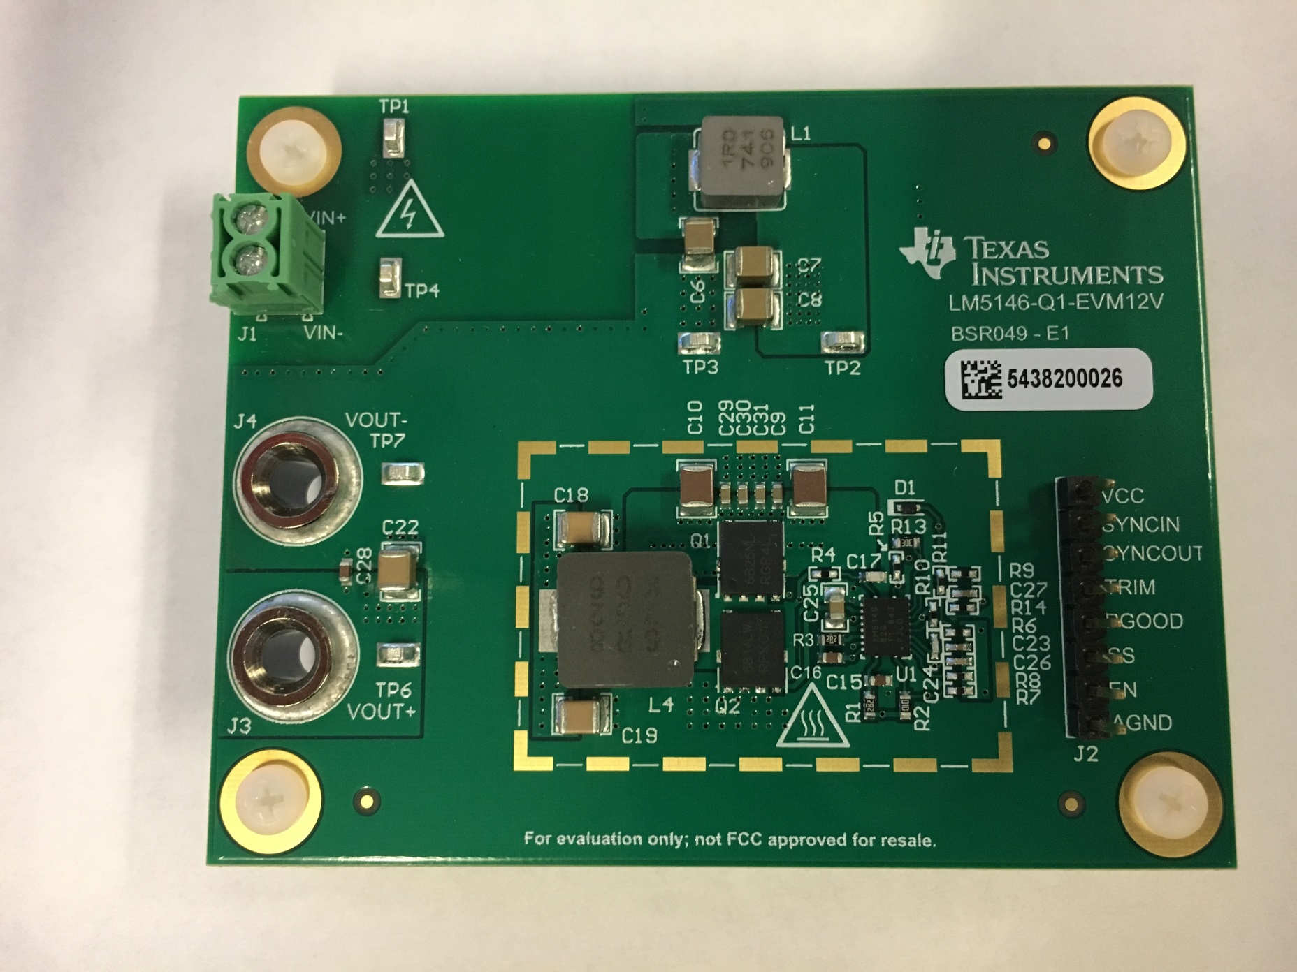

 | LM5145EVM-HD-20A PCB Layout

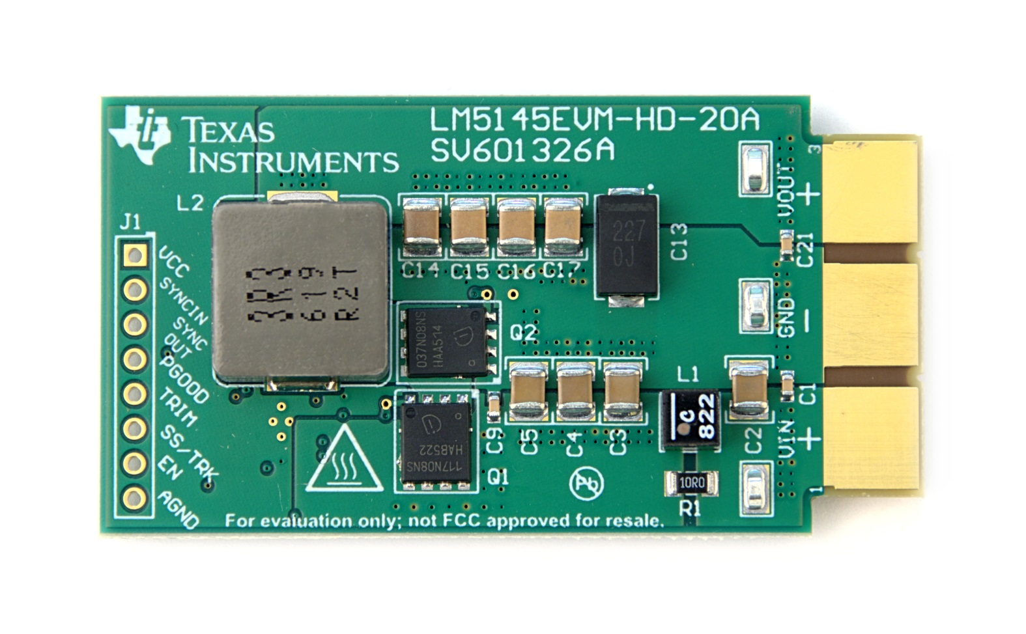
 |  | Top
 |  | Layer | x

 |  | Layer 2
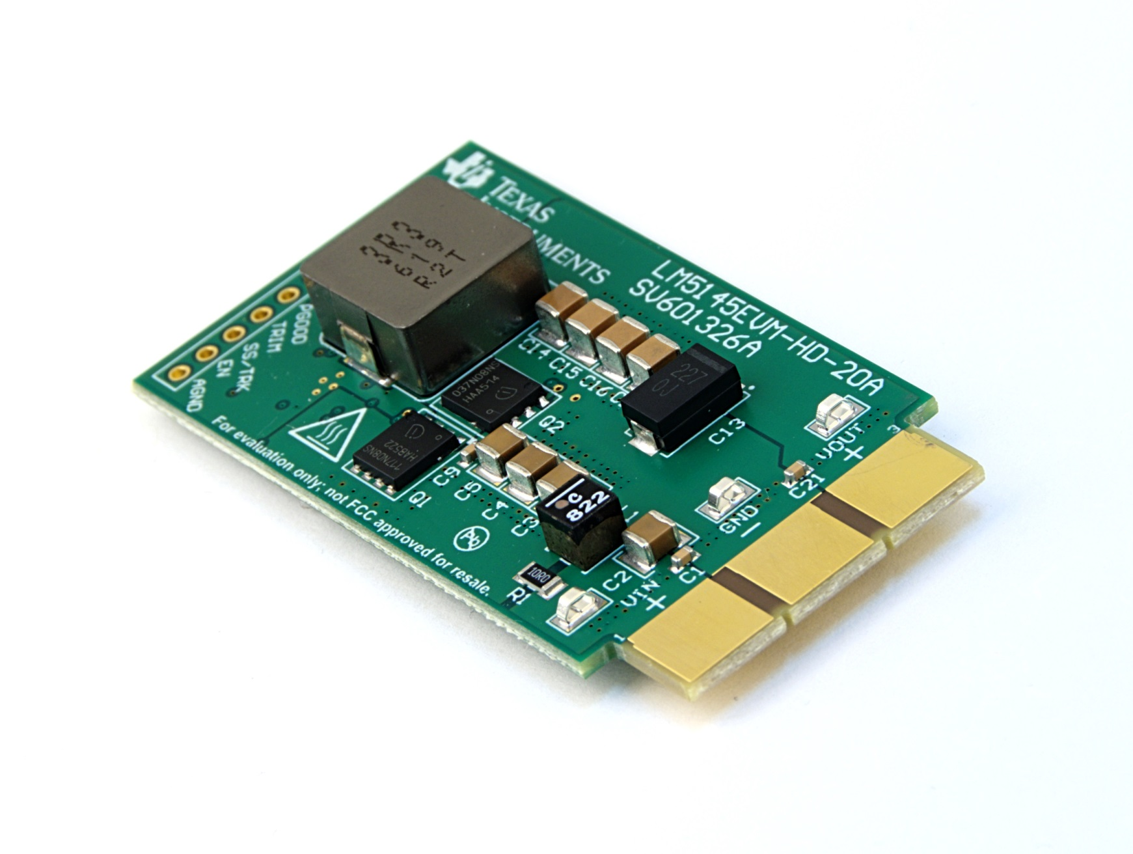

 |  | Layer 3

 |  | Bottom

