Sheet1
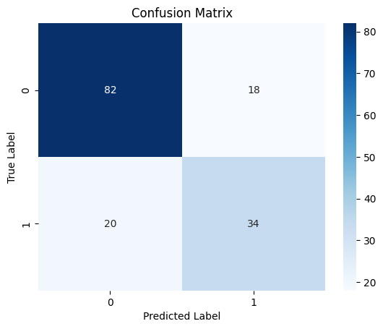
Model Name | Test Accuracy (in percent)

Logistic Regression w/o hyperparameter tuning | 71.43
Logistic Regression with hyperparameter tuning (GridSearchCV) | 71.43
SLP w/o hyperparameter tuning | 71.43
SLP with GridSearchCV | 72.08
MLP w/o hyperparameter tuning | 74.68
MLP with GridSearchCV | 75.32
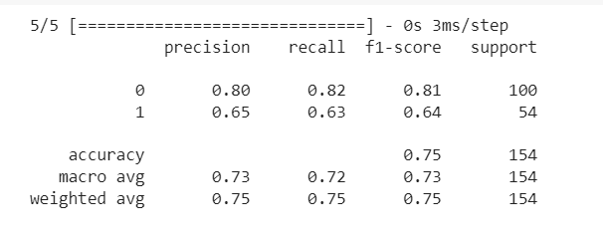

Classification report for the MLP with GridSearchCV model |  | Confusion Matrix for MLP with GridSearchCV

