Sheet3
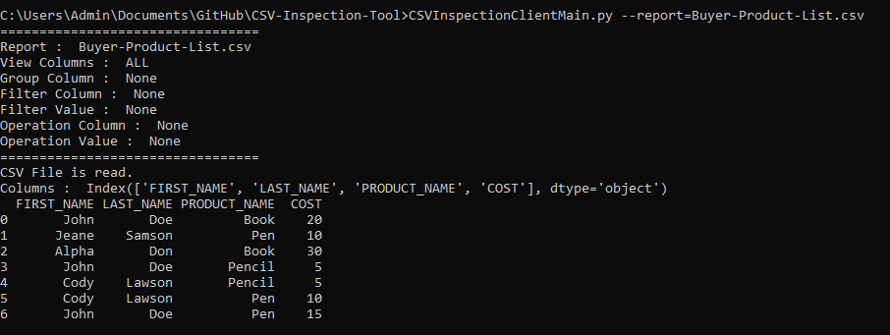
CSVInspectionClientMain.py --report=Buyer-Product-List.csv

Sheet5
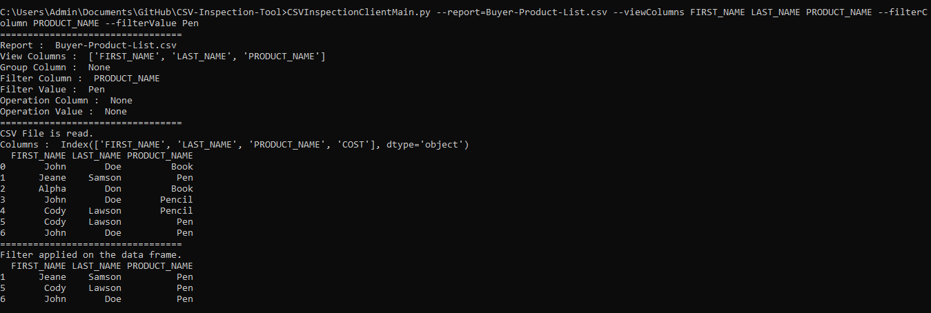
CSVInspectionClientMain.py --report=Buyer-Product-List.csv --viewColumns FIRST_NAME LAST_NAME PRODUCT_NAME --filterColumn PRODUCT_NAME --filterValue Pen

Sheet6
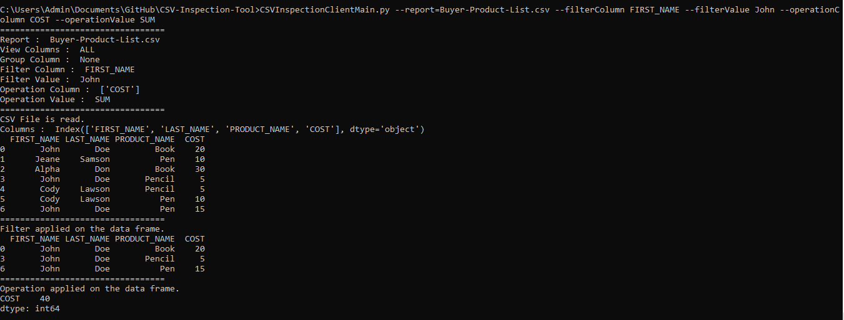
CSVInspectionClientMain.py --report=Buyer-Product-List.csv --filterColumn FIRST_NAME --filterValue John --operationColumn COST --operationValue SUM

Sheet7
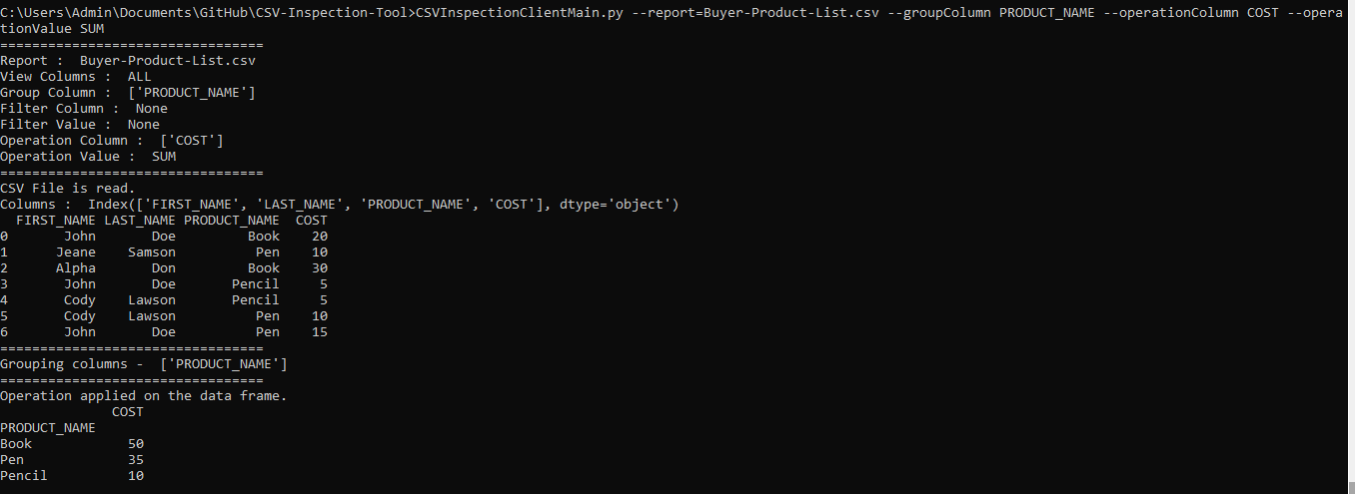
CSVInspectionClientMain.py --report=Buyer-Product-List.csv --groupColumn PRODUCT_NAME --operationColumn COST --operationValue SUM

