Untitled2
 |  | Nagarjuna College of Information Technology
 |  | Statistics Practical no: 03
Name: Rohan Karmacharya
Roll no: 15 |  |  | Date: 2079/11/08
Subject: Statistics

 |  | Qn. Analyze the given data by Descriptive Statistics

Height | Weight | GPA
182 | 58 | 3.74
180 | 62 | 3.83
179 | 63 | 3.75
178 | 67 | 3.62
177 | 64 | 3.65
177 | 62 | 3.72
176 | 63 | 3.67
175 | 65 | 3.43
174 | 61 | 3.55
174 | 59 | 3.52
173 | 55 | 3.45
173 | 62 | 3.85
172 | 53 | 3.92
172 | 62 | 3.95
171 | 61 | 4.00
171 | 63 | 4.00
170 | 57 | 3.70
170 | 58 | 3.57
170 | 56 | 3.80
168 | 52 | 3.90
166 | 53 | 3.65
164 | 52 | 3.70
162 | 46 | 3.85
161 | 48 | 3.75
160 | 50 | 3.60

SYNTAX

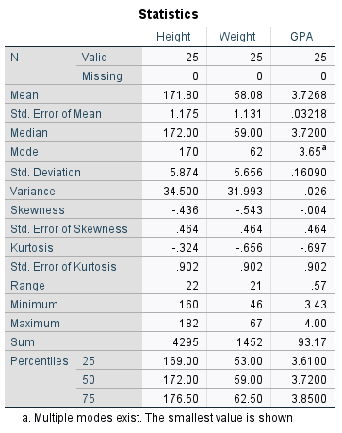 DATASET ACTIVATE DataSet1. FREQUENCIES VARIABLES=Height Weight GPA /FORMAT=NOTABLE /NTILES=4 /STATISTICS=STDDEV VARIANCE RANGE MINIMUM MAXIMUM SEMEAN MEAN MEDIAN MODE SUM SKEWNESS SESKEW KURTOSIS SEKURT /ORDER=ANALYSIS.

OUTPUT

