Sheet1
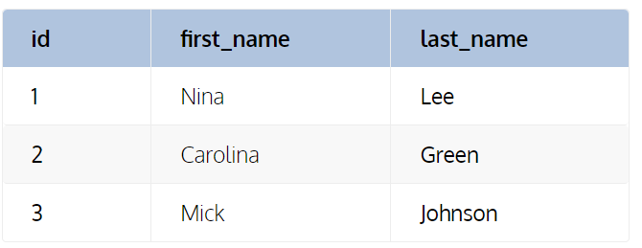
Write a Query to Return Salespersons and Their Monthly Sales Data Above Their Personal Sales Average.
 | mysql> create table salesperson (
 | -> salesman_id INT PRIMARY KEY,
 | -> first_name varchar(20) not null,
 | -> last_name varchar(20) not null);
 | Query OK, 0 rows affected (0.14 sec)

 | mysql> CREATE TABLE monthly_sales
 | -> (sales_id INT PRIMARY KEY ,
 | -> salesperson_id INT,
 | -> monthly_sales decimal (10,2),
 | -> period Date);
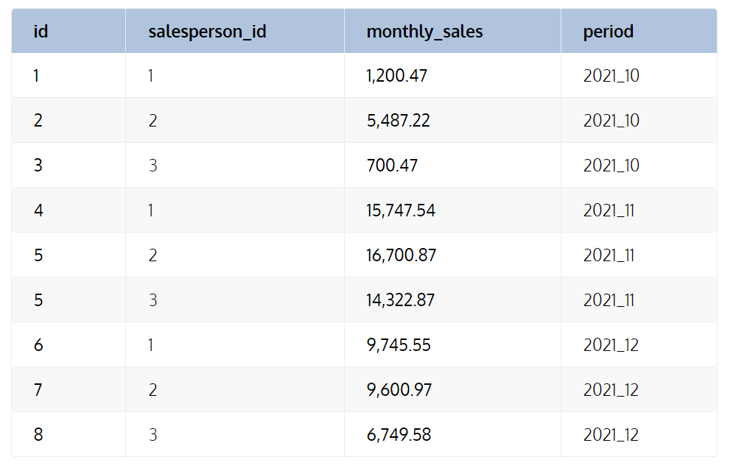
 | INSERT INTO salesperson(salesman_id , first_name , last_name) VALUES (1, 'Nina' , 'Lee');
 | INSERT INTO salesperson(salesman_id , first_name , last_name) VALUES (2, 'Carolina' , 'Green');
 | INSERT INTO salesperson(salesman_id , first_name , last_name) VALUES (3, 'Mick' , 'Johnson');

 | INSERT INTO monthly_sales(sales_id , salesperson_id , monthly_sales, period) VALUES (1,1,1200.47,'2021-10-01')
 | INSERT INTO monthly_sales(sales_id , salesperson_id , monthly_sales, period) VALUES (2,2,5487.22,'2021-10-01')
 | INSERT INTO monthly_sales(sales_id , salesperson_id , monthly_sales, period) VALUES (3,3,700.47,'2021-10-01')
 | INSERT INTO monthly_sales(sales_id , salesperson_id , monthly_sales, period) VALUES (4,1,15747.54,'2021-11-01')
 | INSERT INTO monthly_sales(sales_id , salesperson_id , monthly_sales, period) VALUES (5,2,16700.87,'2021-11-01');
 | INSERT INTO monthly_sales(sales_id , salesperson_id , monthly_sales, period) VALUES (6,1,9745.55,'2021-12-01');
 | INSERT INTO monthly_sales(sales_id , salesperson_id , monthly_sales, period) VALUES (7,2,9600.97,'2021-12-01');
 | INSERT INTO monthly_sales(sales_id , salesperson_id , monthly_sales, period) VALUES (8,3,6749.58,'2021-12-01');

 | SELECT emailId FROM
 | (
 | SELECT emailId, COUNT(emailId) AS count
 | FROM employees
 | GROUP BY emailId
 | )
 | WHERE count> 1;

Sheet2
From the following tables, write a SQL query to find the information on each salesperson of ABC Company. Return name, city, country and state of each salesperson.

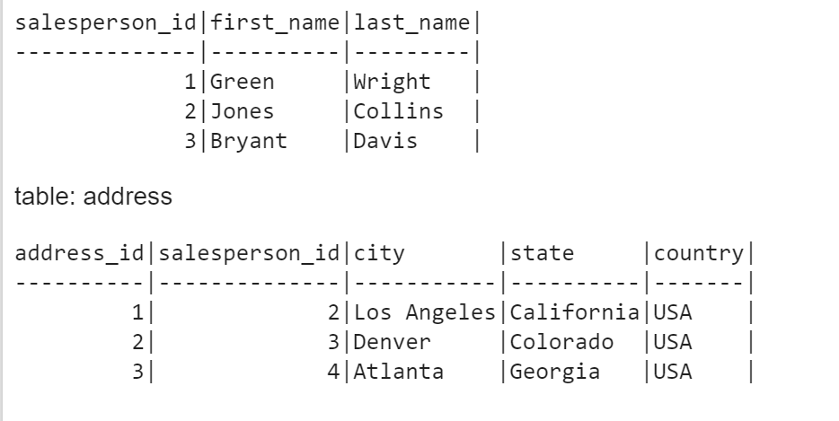
 | CREATE TABLE Data(
 | Salesperson_ID INT NOT NULL PRIMARY KEY,
 | first_name CHAR(25),
 | last_name CHAR(25));

 | INSERT INTO Data
 | (Salesperson_ID, first_name, last_name) VALUES
 | (001, 'Green','Wright'),
 | (002, 'Jones','Collins'),
 | (003, 'Bryant','Davis');

 | CREATE TABLE address(
 | address_id INT NOT NULL PRIMARY KEY,
 | Salesperson_ID INT,
 | city CHAR(25),
 | state CHAR(25),
 | country CHAR(25));

 | INSERT INTO address
 | (address_id,Salesperson_ID, city, state, country) VALUES
 | (001,002,'Los Angeles','California','USA'),
 | (002,003,'Denver','Colorado','USA'),
 | (003,004,'Atlanta','Georgia','USA');

 | Select first_name,last_name,city,state,country from Data d inner join address a on
 | d.Salesperson_ID = a.Salesperson_ID;

Sheet3
From the following table, write a SQL query to find all the duplicate emails (no upper case letters) of the employees. Return email id.

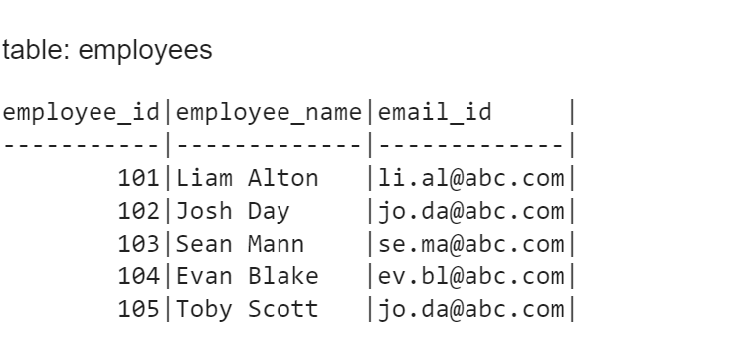
 | CREATE TABLE employees(
 | employee_ID INT NOT NULL PRIMARY KEY,
 | employee_name CHAR(25),
 | emailId CHAR(25));

 | INSERT INTO employees
 | (employee_ID, employee_name, emailId) VALUES
 | (101, 'Liam Alton','li.al@abc.com'),
 | (102, 'Josh Day','jo.da@abc.com'),
 | (103, 'Sean Mann','se.ma@abc.com'),
 | (104, 'Evan Blake','ev.bl@abc.com'),
 | (105, 'Toby Scott','jo.da@abc.com');

 | Select * from employees;

 | SELECT emailId FROM
 | (
 | SELECT emailId, COUNT(emailId) AS count
 | FROM employees
 | GROUP BY emailId
 | )
 | WHERE count> 1;

Sheet4
A salesperson is a person whose job is to sell products or services.
From the following tables, write a SQL query to find the top 10 salesperson that have made highest sale. Return their names and total sale amount.

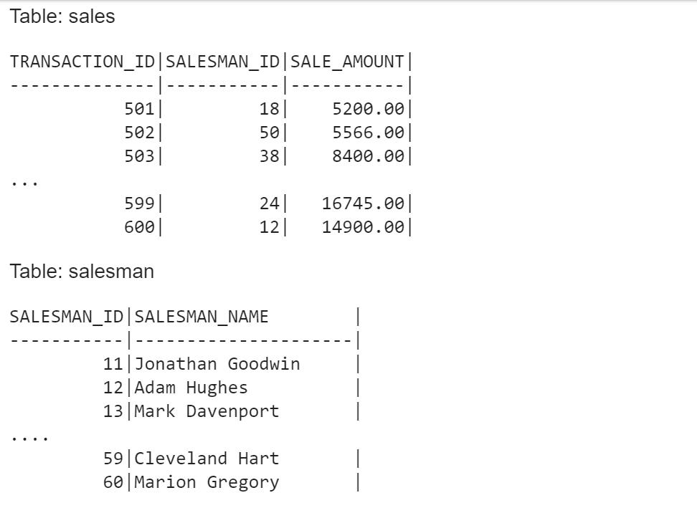
 |  |  | CREATE TABLE salesman(
 |  |  | salesman_id INT AUTO_INCREMENT PRIMARY KEY,
 |  |  | salesman_name VARCHAR(30) NOT NULL);

 |  |  | CREATE TABLE sales(
 |  |  | transaction_id INT PRIMARY KEY ,
 |  |  | salesman_id INT,
 |  |  | sales_amount decimal(10,2));

 |  |  | INSERT INTO salesman(salesman_id , salesman_name) VALUES (11,'Jonathan Goodwin');
 |  |  | INSERT INTO salesman(salesman_id , salesman_name) VALUES (12,'Adam Hughes');
 |  |  | INSERT INTO salesman(salesman_id , salesman_name) VALUES (13,'Mark Davenport');
 |  |  | INSERT INTO salesman(salesman_id , salesman_name) VALUES (14,'Jan Goodwin');
 |  |  | INSERT INTO salesman(salesman_id , salesman_name) VALUES (15,'cvdvfv');
 |  |  | INSERT INTO salesman(salesman_id , salesman_name) VALUES (16,'alex fv');
 |  |  | INSERT INTO salesman(salesman_id , salesman_name) VALUES (17,'Adam Rsy');
 |  |  | INSERT INTO salesman(salesman_id , salesman_name) VALUES (18,'wert Hhes');
 |  |  | INSERT INTO salesman(salesman_id , salesman_name) VALUES (19,'Mark Asvenport');
 |  |  | INSERT INTO salesman(salesman_id , salesman_name) VALUES (20,'Som Asd');
 |  |  | INSERT INTO salesman(salesman_id , salesman_name) VALUES (21,'Ram S');
 |  |  | INSERT INTO salesman(salesman_id , salesman_name) VALUES (22,'Shaym Y');
 |  |  | INSERT INTO salesman(salesman_id , salesman_name) VALUES (23,'John Sil');
 |  |  | INSERT INTO salesman(salesman_id , salesman_name) VALUES (24,'Qweer RT');
 |  |  | INSERT INTO salesman(salesman_id , salesman_name) VALUES (25,'Asje dsj');
 |  |  | INSERT INTO salesman(salesman_id , salesman_name) VALUES (26,'Axcfj Fhd');
 | Sol : | SELECT salesman_name, SUM(sales_amount) as total_sale | INSERT INTO salesman(salesman_id , salesman_name) VALUES (27,'xavier S');
 |  | FROM salesman a JOIN sales b ON a.salesman_id = b.salesman_id | INSERT INTO salesman(salesman_id , salesman_name) VALUES (28,'Anna Le');
 |  | GROUP BY salesman_name
 |  | ORDER BY total_sale DESC
 |  | LIMIT 10;
 |  |  | INSERT INTO sales(TRANSACTION_ID , SALESMAN_ID , SALES_AMOUNT) VALUES (502,12,9500);
 |  |  | INSERT INTO sales(TRANSACTION_ID , SALESMAN_ID , SALES_AMOUNT) VALUES (503,13,2500);
 |  |  | INSERT INTO sales(TRANSACTION_ID , SALESMAN_ID , SALES_AMOUNT) VALUES (504,14,1500);
 |  |  | INSERT INTO sales(TRANSACTION_ID , SALESMAN_ID , SALES_AMOUNT) VALUES (505,15,4600);
 |  |  | INSERT INTO sales(TRANSACTION_ID , SALESMAN_ID , SALES_AMOUNT) VALUES (506,16,5478);
 |  |  | INSERT INTO sales(TRANSACTION_ID , SALESMAN_ID , SALES_AMOUNT) VALUES (507,11,450);
 |  |  | INSERT INTO sales(TRANSACTION_ID , SALESMAN_ID , SALES_AMOUNT) VALUES (508,12,5700);
 |  |  | INSERT INTO sales(TRANSACTION_ID , SALESMAN_ID , SALES_AMOUNT) VALUES (509,13,2500);

 |  |  | INSERT INTO sales(TRANSACTION_ID , SALESMAN_ID , SALES_AMOUNT) VALUES (510,12,6500);
 |  |  | INSERT INTO sales(TRANSACTION_ID , SALESMAN_ID , SALES_AMOUNT) VALUES (511,13,7500);
 |  |  | INSERT INTO sales(TRANSACTION_ID , SALESMAN_ID , SALES_AMOUNT) VALUES (512,14,4700);
 |  |  | INSERT INTO sales(TRANSACTION_ID , SALESMAN_ID , SALES_AMOUNT) VALUES (513,15,4800);
 |  |  | INSERT INTO sales(TRANSACTION_ID , SALESMAN_ID , SALES_AMOUNT) VALUES (514,16,400);
 |  |  | INSERT INTO sales(TRANSACTION_ID , SALESMAN_ID , SALES_AMOUNT) VALUES (515,14,7500);
 |  |  | INSERT INTO sales(TRANSACTION_ID , SALESMAN_ID , SALES_AMOUNT) VALUES (516,15,3500);
 |  |  | INSERT INTO sales(TRANSACTION_ID , SALESMAN_ID , SALES_AMOUNT) VALUES (517,11,4700);

Sheet5
From the following tables write a SQL query to find those schemes which executed by minimum number of employees. Return scheme code.

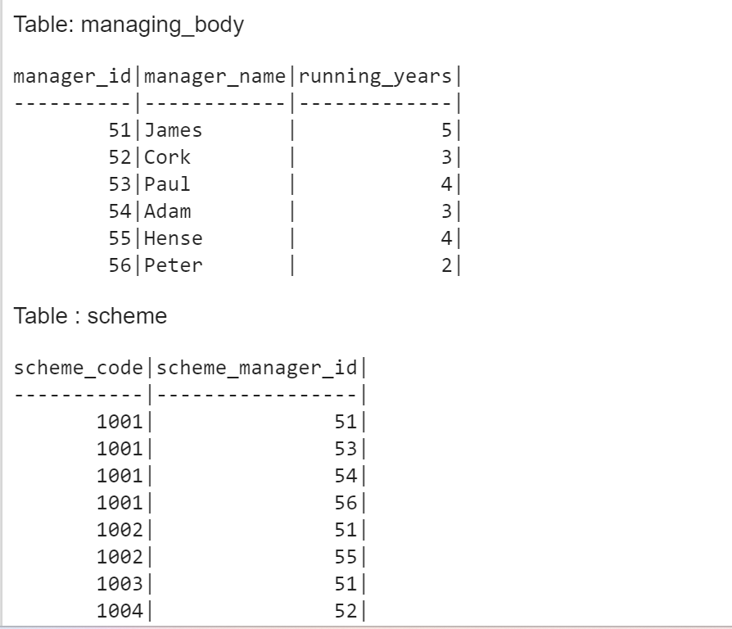

 |  | CREATE TABLE managing_body (manager_id int NOT NULL UNIQUE, manager_name varchar(255), running_years int);
 |  | CREATE TABLE scheme (scheme_code int NOT NULL , scheme_manager_id int NOT NULL, PRIMARY KEY(scheme_code,scheme_manager_id));

 |  | INSERT INTO managing_body VALUES(51,'James',5);
 |  | INSERT INTO managing_body VALUES(52,'Cork',3);
 |  | INSERT INTO managing_body VALUES(53,'Paul',4);
 |  | INSERT INTO managing_body VALUES(54,'Adam',3);
 |  | INSERT INTO managing_body VALUES(55,'Hense',4);
 |  | INSERT INTO managing_body VALUES(56,'Peter',2);

 |  | INSERT INTO scheme VALUES(1001, 51);
 |  | INSERT INTO scheme VALUES(1001, 53);
 |  | INSERT INTO scheme VALUES(1001, 54);
 |  | INSERT INTO scheme VALUES(1001, 56);
 |  | INSERT INTO scheme VALUES(1002, 51);
 |  | INSERT INTO scheme VALUES(1002, 55);
 |  | INSERT INTO scheme VALUES(1003, 51);
 |  | INSERT INTO scheme VALUES(1004, 52);

 | SELECT scheme_code
 | FROM scheme
 | GROUP BY scheme_code
 | HAVING COUNT(scheme_code) =
 | (SELECT MIN(No_Of_Emp) FROM (SELECT COUNT(*)
 | FROM scheme
 | GROUP BY scheme_code));

