Sheet1
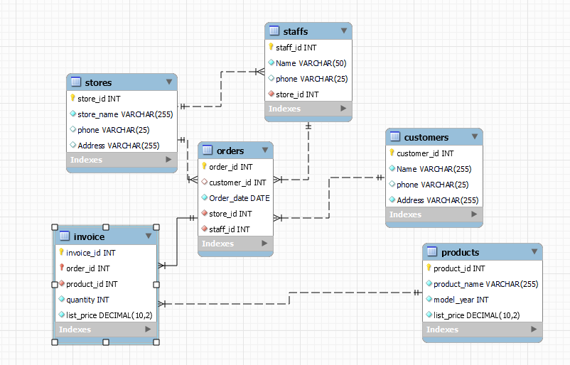
ER Model

 | Customer |  | Staffs
 | id | pk) | Staff_id | pk
 | Name |  | Name
 | Phone |  | Phone
 | Add |  | Add |  | Product |  | CREATE TABLE products (
 |  |  | Store_id | fk | Product_id | pk |  | product_id INT AUTO_INCREMENT PRIMARY KEY,
 |  |  |  |  | Name |  |  | product_name VARCHAR (255) NOT NULL,
 |  |  |  |  | Price |  |  | model_year INT NOT NULL,
 | Orders |  | Store |  |  |  |  | list_price DECIMAL (10, 2) NOT NULL
 | Order_id | (PK) | Store_id | pk |  |  | );
 | Customer_id | fk | Name
 | Order_date |  | Phone
 | Store_id | fk | Add
 | Emp_id | fk
 | Invoice_id

 |  |  | Invoice
 |  |  | Order_id | pk
 |  |  | Product_id | fk
 |  |  | Price

