Sheet1
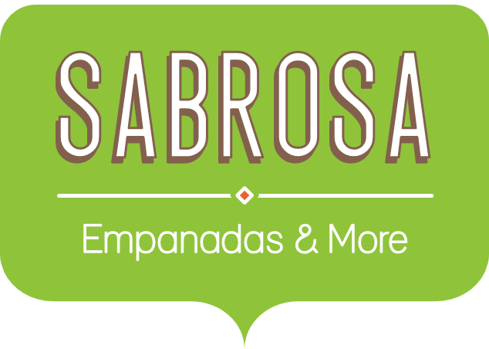 Summer Budget and Paper Inventory
June Budget | $2,000.00 | Paper Supply Inventory Orders
July Budget | $2,200.00 | Item | Quantity | Price Per Unit | Total Cost
Total Budget | $4,200 | Plastic Silverware (box of 100) | 15 | $8.75 | $131.25
 |  | Napkins (box of 250) | 18 | $2.59 | $46.62
 |  | Paper Plates (box of 50) | 9 | $14.25 | $128.25
Budget Total | $4,000.00 | Cups (box of 75) | 12 | $11.99 | $143.88
Inventory Cost | $450.00 | Total |  |  | $450.00
Total Remaining | $8.89

