cleaned_messy_data
ID | Full_Name | Email | Phone | Country | Date | Notes
1 | Mary White | example1@email.com | +1-724-7139 | Australia | 2021-03-07 | No Notes
2 | Frank Brown | example1@email.com | +1-605-2569 | Germany | 2020-02-19 | No Notes
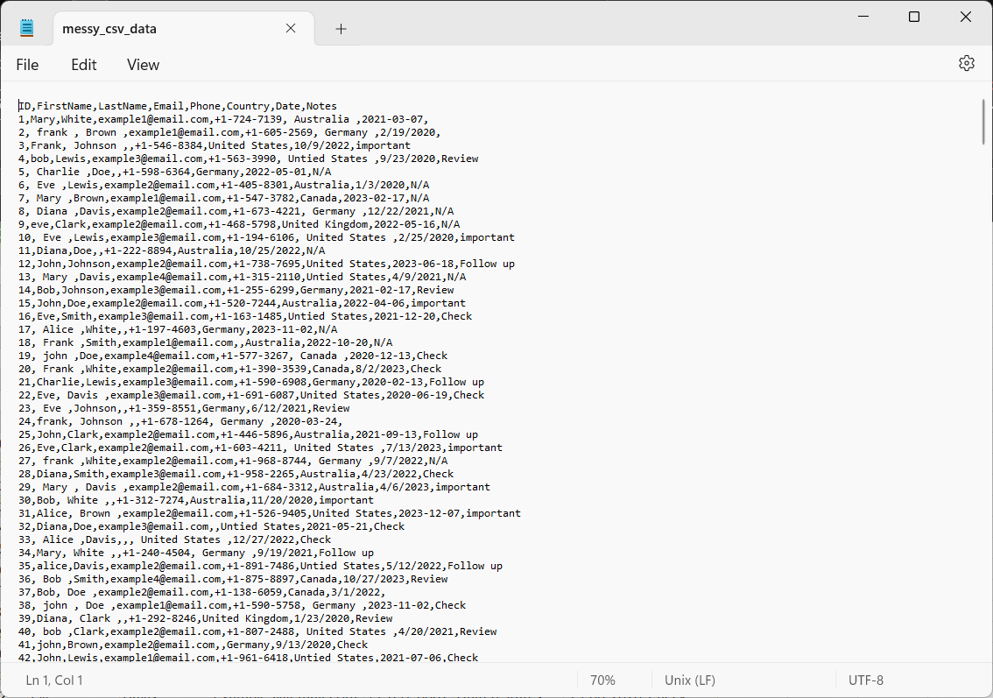
3 | Frank Johnson | Unknown | +1-546-8384 | United States | 2022-10-09 | Important
4 | Bob Lewis | example3@email.com | +1-563-3990 | United States | 2020-09-23 | Review
5 | Charlie Doe | Unknown | +1-598-6364 | Germany | 2022-05-01 | No Notes
6 | Eve Lewis | example2@email.com | +1-405-8301 | Australia | 2020-01-03 | No Notes
7 | Mary Brown | example1@email.com | +1-547-3782 | Canada | 2023-02-17 | No Notes
8 | Diana Davis | example2@email.com | +1-673-4221 | Germany | 2021-12-22 | No Notes
9 | Eve Clark | example2@email.com | +1-468-5798 | United Kingdom | 2022-05-16 | No Notes
10 | Eve Lewis | example3@email.com | +1-194-6106 | United States | 2020-02-25 | Important
11 | Diana Doe | Unknown | +1-222-8894 | Australia | 2022-10-25 | No Notes
12 | John Johnson | example2@email.com | +1-738-7695 | United States | 2023-06-18 | Follow Up
13 | Mary Davis | example4@email.com | +1-315-2110 | United States | 2021-04-09 | No Notes
14 | Bob Johnson | example3@email.com | +1-255-6299 | Germany | 2021-02-17 | Review
15 | John Doe | example2@email.com | +1-520-7244 | Australia | 2022-04-06 | Important
16 | Eve Smith | example3@email.com | +1-163-1485 | United States | 2021-12-20 | Check
17 | Alice White | Unknown | +1-197-4603 | Germany | 2023-11-02 | No Notes
18 | Frank Smith | example1@email.com | Unknown | Australia | 2022-10-20 | No Notes
19 | John Doe | example4@email.com | +1-577-3267 | Canada | 2020-12-13 | Check
20 | Frank White | example2@email.com | +1-390-3539 | Canada | 2023-08-02 | Check
21 | Charlie Lewis | example3@email.com | +1-590-6908 | Germany | 2020-02-13 | Follow Up
22 | Eve Davis | example3@email.com | +1-691-6087 | United States | 2020-06-19 | Check
23 | Eve Johnson | Unknown | +1-359-8551 | Germany | 2021-06-12 | Review
24 | Frank Johnson | Unknown | +1-678-1264 | Germany | 2020-03-24 | No Notes
25 | John Clark | example2@email.com | +1-446-5896 | Australia | 2021-09-13 | Follow Up
26 | Eve Clark | example2@email.com | +1-603-4211 | United States | 2023-07-13 | Important
27 | Frank White | example2@email.com | +1-968-8744 | Germany | 2022-09-07 | No Notes
28 | Diana Smith | example3@email.com | +1-958-2265 | Australia | 2022-04-23 | Check
29 | Mary Davis | example2@email.com | +1-684-3312 | Australia | 2023-04-06 | Important
30 | Bob White | Unknown | +1-312-7274 | Australia | 2020-11-20 | Important
31 | Alice Brown | example2@email.com | +1-526-9405 | United States | 2023-12-07 | Important
32 | Diana Doe | example3@email.com | Unknown | United States | 2021-05-21 | Check
33 | Alice Davis | Unknown | Unknown | United States | 2022-12-27 | Check
34 | Mary White | Unknown | +1-240-4504 | Germany | 2021-09-19 | Follow Up
35 | Alice Davis | example2@email.com | +1-891-7486 | United States | 2022-05-12 | Follow Up
36 | Bob Smith | example4@email.com | +1-875-8897 | Canada | 2023-10-27 | Review
37 | Bob Doe | example2@email.com | +1-138-6059 | Canada | 2022-03-01 | No Notes
38 | John Doe | example1@email.com | +1-590-5758 | Germany | 2023-11-02 | Check
39 | Diana Clark | Unknown | +1-292-8246 | United Kingdom | 2020-01-23 | Review
40 | Bob Clark | example2@email.com | +1-807-2488 | United States | 2021-04-20 | Review
41 | John Brown | example2@email.com | Unknown | Germany | 2020-09-13 | Check
42 | John Lewis | example1@email.com | +1-961-6418 | United States | 2021-07-06 | Check
43 | Diana Brown | example1@email.com | +1-949-4328 | United Kingdom | 2023-09-26 | Follow Up
44 | Charlie White | example3@email.com | +1-486-4195 | Germany | 2021-05-22 | No Notes
45 | Bob Smith | example2@email.com | +1-642-6340 | Canada | 2022-08-07 | Check
46 | Diana Brown | Unknown | +1-775-7245 | Australia | 2020-07-12 | Review
47 | Bob Johnson | example1@email.com | +1-815-3601 | Canada | 2023-01-05 | No Notes
48 | John Doe | example3@email.com | +1-251-8817 | Canada | 2023-01-18 | No Notes
49 | Bob Lewis | example2@email.com | +1-331-8928 | United Kingdom | 2023-09-08 | No Notes
50 | Charlie Brown | example4@email.com | +1-572-7875 | United Kingdom | 2023-09-25 | Follow Up
51 | Bob Johnson | example1@email.com | +1-117-3411 | Germany | 2020-09-28 | No Notes
52 | Charlie Davis | Unknown | +1-278-9887 | Canada | 2022-09-01 | Review
53 | Mary Clark | example4@email.com | +1-447-9372 | United States | 2020-05-25 | No Notes
54 | Diana Davis | example1@email.com | +1-472-1657 | Australia | 2022-05-12 | Check
55 | Alice Brown | example2@email.com | +1-374-3957 | Canada | 2021-05-18 | Check
56 | Frank Clark | example3@email.com | +1-371-2781 | Australia | 2020-07-19 | No Notes
57 | Charlie Clark | example3@email.com | +1-769-1199 | United States | 2021-09-25 | Review
58 | Bob Lewis | example2@email.com | +1-941-7504 | United States | 2023-09-16 | Important
59 | John Clark | example3@email.com | Unknown | United Kingdom | 2020-09-05 | No Notes
60 | Eve Brown | Unknown | +1-915-1581 | United Kingdom | 2021-01-16 | Check
61 | Eve Lewis | example2@email.com | +1-851-3310 | Australia | 2023-05-01 | No Notes
62 | Alice White | example2@email.com | +1-108-4831 | Canada | 2023-08-08 | No Notes
63 | John Brown | example1@email.com | +1-478-6226 | Australia | 2021-08-13 | Follow Up
64 | Bob Doe | example1@email.com | +1-969-6471 | Australia | 2021-09-23 | Check
65 | Bob Doe | example1@email.com | Unknown | United States | 2021-11-23 | No Notes
66 | Eve Clark | example2@email.com | +1-158-1461 | Canada | 2023-06-24 | No Notes
67 | Charlie White | example4@email.com | +1-611-4194 | Australia | 2022-07-14 | Follow Up
68 | Diana Davis | example1@email.com | +1-996-1409 | United States | 2022-04-25 | Check
69 | Eve Davis | example4@email.com | Unknown | Australia | 2020-05-06 | No Notes
70 | Mary Doe | example4@email.com | +1-354-7766 | United Kingdom | 2023-02-15 | Important
71 | Diana Johnson | example1@email.com | +1-554-8073 | Australia | 2021-04-24 | Review
72 | Charlie Doe | example3@email.com | +1-442-2595 | United Kingdom | 2021-04-26 | Check
73 | Charlie White | example2@email.com | +1-546-6244 | United States | 2021-06-21 | Check
74 | Alice Clark | Unknown | +1-636-3376 | United States | 2021-07-26 | Review
75 | Diana Clark | example3@email.com | +1-266-5849 | Germany | 2022-05-01 | Follow Up
76 | Charlie Lewis | example1@email.com | +1-528-6267 | United States | 2020-09-12 | No Notes
77 | Diana Doe | example1@email.com | +1-495-7070 | United States | 2020-02-02 | No Notes
78 | Alice Clark | example4@email.com | +1-271-8340 | Germany | 2021-03-27 | Follow Up
79 | Charlie Brown | example3@email.com | Unknown | Germany | 2022-03-05 | Check
80 | John Brown | example3@email.com | +1-891-1479 | United Kingdom | 2020-03-24 | No Notes
81 | Eve Davis | example3@email.com | +1-244-9777 | United States | 2022-09-08 | Important
82 | Charlie Johnson | example1@email.com | +1-633-9037 | United States | 2020-05-13 | No Notes
83 | Charlie Davis | example3@email.com | +1-354-2231 | Germany | 2020-11-04 | No Notes
84 | Diana Smith | Unknown | +1-592-2688 | Germany | 2021-07-15 | Review
85 | Bob Doe | example2@email.com | +1-867-7251 | United States | 2023-02-02 | No Notes
86 | Bob Smith | Unknown | +1-811-8847 | Australia | 2023-12-26 | No Notes
87 | Diana White | Unknown | +1-820-5627 | United States | 2022-09-19 | Important
88 | John Smith | example3@email.com | Unknown | United Kingdom | 2021-07-27 | Follow Up
89 | Frank White | Unknown | +1-484-2365 | Australia | 2023-11-04 | Important
90 | Diana Davis | example2@email.com | +1-681-7934 | Germany | 2020-04-10 | No Notes
91 | Diana White | example1@email.com | +1-753-8240 | United States | 2021-01-28 | Check
92 | Diana Doe | Unknown | +1-841-1198 | United States | 2023-12-28 | No Notes
93 | Eve Brown | Unknown | +1-696-3027 | Canada | 2020-01-19 | Check
94 | Charlie Brown | example2@email.com | +1-651-1383 | United States | 2022-04-12 | No Notes
95 | John White | example4@email.com | +1-987-8185 | Australia | 2021-04-09 | Important
96 | Bob Doe | example1@email.com | +1-100-6756 | Australia | 2022-03-20 | Check
97 | Bob Davis | example3@email.com | +1-915-2631 | Canada | 2022-07-11 | Review
98 | Bob Lewis | example4@email.com | +1-350-8366 | Australia | 2022-12-05 | Follow Up
99 | Charlie White | example1@email.com | +1-314-8781 | Australia | 2023-10-06 | Follow Up
100 | Bob Johnson | Unknown | +1-514-8525 | Australia | 2023-10-25 | Review
101 | John Doe | example4@email.com | +1-740-2277 | Germany | 2022-02-07 | No Notes
102 | Frank Brown | example1@email.com | +1-554-7557 | United States | 2020-10-10 | No Notes
103 | John Lewis | example2@email.com | +1-891-8271 | United States | 2022-10-27 | No Notes
104 | John White | example3@email.com | Unknown | Germany | 2020-05-07 | Important
105 | Diana Smith | Unknown | +1-717-6450 | Canada | 2020-05-08 | Follow Up
106 | Charlie Clark | Unknown | +1-425-9983 | Germany | 2022-08-17 | No Notes
107 | Bob White | example4@email.com | +1-339-9755 | Australia | 2021-01-10 | Important
108 | John Davis | example3@email.com | +1-544-1808 | United States | 2020-06-19 | Follow Up
109 | Charlie Smith | example2@email.com | +1-586-9292 | Canada | 2023-03-14 | Check
110 | Diana Doe | example1@email.com | +1-641-9269 | United States | 2021-07-01 | Important
111 | Alice White | example1@email.com | +1-122-3489 | Germany | 2020-09-19 | Check
112 | Frank Davis | example4@email.com | +1-845-4937 | Germany | 2020-07-09 | No Notes
113 | John Brown | example1@email.com | Unknown | Australia | 2020-05-24 | Follow Up
114 | Alice Smith | example4@email.com | +1-504-4772 | United States | 2023-11-07 | Check
115 | John Doe | example2@email.com | +1-767-9568 | Germany | 2020-11-02 | Check
116 | Frank Clark | example2@email.com | +1-125-4786 | Germany | 2021-05-24 | No Notes
117 | Charlie Davis | Unknown | +1-597-7874 | Australia | 2020-10-17 | Check
118 | Frank White | example2@email.com | Unknown | Australia | 2023-12-18 | No Notes
119 | Mary Clark | Unknown | +1-321-5139 | Australia | 2022-05-09 | Review
120 | John White | Unknown | +1-759-4221 | United Kingdom | 2022-07-17 | Check
121 | Frank Doe | example2@email.com | +1-753-5961 | Canada | 2021-03-18 | Follow Up
122 | Bob White | Unknown | +1-128-8277 | United Kingdom | 2022-09-24 | Important
123 | Charlie Johnson | example1@email.com | +1-568-2679 | Australia | 2023-11-03 | Review
124 | Frank Smith | example1@email.com | +1-147-2628 | Canada | 2020-11-12 | Review
125 | Bob Johnson | Unknown | Unknown | United Kingdom | 2021-03-08 | No Notes
126 | Alice Smith | example1@email.com | +1-584-1570 | Germany | 2022-07-04 | No Notes
127 | Bob Lewis | example4@email.com | +1-866-8206 | United Kingdom | 2021-09-15 | Check
128 | Frank Brown | Unknown | Unknown | United States | 2023-04-11 | No Notes
129 | Frank Clark | example4@email.com | +1-984-7272 | Germany | 2023-06-22 | Check
130 | Eve Doe | Unknown | +1-504-3627 | Australia | 2023-12-08 | No Notes
131 | Alice Davis | example3@email.com | +1-146-5403 | United States | 2023-08-01 | Important
132 | Mary Lewis | example4@email.com | +1-594-2328 | United Kingdom | 2022-03-22 | Check
133 | Alice Lewis | example4@email.com | +1-266-9068 | United Kingdom | 2021-12-04 | Important
134 | Frank Lewis | example1@email.com | +1-454-3037 | United States | 2021-06-13 | Important
135 | Mary Clark | example2@email.com | +1-389-8687 | United Kingdom | 2021-05-18 | No Notes
136 | Charlie White | Unknown | Unknown | Germany | 2020-09-05 | No Notes
137 | Alice Doe | example3@email.com | +1-852-3115 | United States | 2023-03-12 | No Notes
138 | Eve Clark | example3@email.com | +1-380-7612 | United States | 2022-12-06 | Follow Up
139 | Eve White | example1@email.com | +1-221-3018 | Germany | 2022-01-14 | Review
140 | Mary Smith | Unknown | +1-712-2379 | United States | 2020-06-23 | Important
141 | Diana Doe | example2@email.com | +1-232-6758 | Canada | 2021-03-13 | Check
142 | Eve White | example4@email.com | +1-962-6301 | Germany | 2023-10-27 | No Notes
143 | Bob White | example3@email.com | +1-665-9818 | Germany | 2020-02-16 | No Notes
144 | Frank Davis | example1@email.com | Unknown | Germany | 2022-04-19 | No Notes
145 | Eve Johnson | example4@email.com | +1-393-3829 | United States | 2020-09-16 | Check
146 | John Johnson | Unknown | +1-635-6203 | Australia | 2020-12-06 | Check
147 | Mary Davis | example4@email.com | +1-879-3299 | Australia | 2021-05-07 | Check
148 | Diana Lewis | example3@email.com | +1-382-2229 | Canada | 2020-05-24 | No Notes
149 | Mary White | example3@email.com | +1-433-2290 | United States | 2023-01-17 | Follow Up
150 | Diana Brown | example1@email.com | +1-591-5981 | United States | 2020-10-07 | Follow Up
151 | Frank Brown | example4@email.com | +1-568-6531 | Australia | 2020-02-08 | Check
152 | Eve Smith | Unknown | +1-277-2181 | United States | 2022-08-10 | No Notes
153 | Charlie Johnson | example3@email.com | +1-717-4554 | Australia | 2021-02-06 | Follow Up
154 | Alice Johnson | example4@email.com | +1-239-1572 | Germany | 2021-06-24 | No Notes
155 | Mary Doe | example1@email.com | +1-605-2417 | United Kingdom | 2021-09-08 | Follow Up
156 | Alice Johnson | example3@email.com | +1-872-3216 | United States | 2021-07-09 | Review
157 | Frank Brown | example2@email.com | +1-844-6943 | Australia | 2021-08-21 | Follow Up
158 | Frank Smith | example2@email.com | Unknown | Canada | 2021-10-09 | Check
159 | Alice Doe | example3@email.com | +1-138-9162 | Germany | 2021-07-24 | Important
160 | Eve White | Unknown | +1-419-3981 | Canada | 2020-12-05 | No Notes
161 | Charlie Smith | Unknown | +1-690-4251 | United States | 2020-05-08 | No Notes
162 | Bob Clark | example2@email.com | +1-892-8223 | Australia | 2022-10-03 | No Notes
163 | Bob Smith | example2@email.com | +1-278-8183 | Canada | 2020-04-02 | Check
164 | Eve Brown | example1@email.com | +1-422-4063 | United Kingdom | 2020-04-23 | Check
165 | Frank Smith | example1@email.com | +1-727-2341 | United States | 2021-10-04 | Review
166 | Diana Lewis | example2@email.com | +1-279-5867 | United Kingdom | 2020-09-17 | No Notes
167 | Mary Brown | Unknown | +1-471-9208 | United States | 2021-12-13 | Check
168 | Eve Lewis | example3@email.com | +1-302-9922 | Canada | 2022-07-16 | Check
169 | Frank Johnson | Unknown | Unknown | United States | 2021-06-13 | No Notes
170 | Eve White | example4@email.com | Unknown | Canada | 2022-02-21 | Review
171 | John Doe | example3@email.com | +1-425-1683 | United States | 2023-03-13 | No Notes
172 | Alice Smith | example2@email.com | +1-249-8598 | United States | 2023-07-08 | Important
173 | Charlie Clark | example2@email.com | +1-432-1580 | Canada | 2022-09-09 | Check
174 | Mary Brown | example1@email.com | +1-805-7109 | Australia | 2020-09-17 | No Notes
175 | Frank Brown | example3@email.com | +1-116-8516 | United Kingdom | 2023-09-04 | Follow Up
176 | Alice Smith | example1@email.com | Unknown | United States | 2021-05-24 | Follow Up
177 | Eve Lewis | example3@email.com | +1-956-6660 | United States | 2022-01-25 | Check
178 | Bob Johnson | example2@email.com | +1-434-1192 | United States | 2020-09-25 | Follow Up
179 | Bob Johnson | Unknown | +1-864-4419 | Germany | 2022-11-07 | Check
180 | Diana White | example2@email.com | +1-136-5506 | Australia | 2022-05-20 | No Notes
181 | Eve Clark | example1@email.com | +1-906-3753 | United States | 2020-08-27 | Important
182 | John Doe | example3@email.com | +1-427-9966 | Australia | 2020-10-24 | Follow Up
183 | Bob Smith | example1@email.com | +1-462-3611 | United States | 2021-02-02 | Important
184 | Eve Davis | example4@email.com | +1-562-6964 | Canada | 2020-10-08 | Important
185 | Frank Davis | Unknown | +1-981-6658 | United States | 2020-08-26 | No Notes
186 | Mary Davis | Unknown | +1-452-6759 | United States | 2021-09-13 | Review
187 | Mary Brown | example1@email.com | +1-991-7478 | Australia | 2022-10-26 | No Notes
188 | Eve Clark | example1@email.com | +1-961-4877 | United States | 2022-02-02 | Review
189 | Mary Lewis | example2@email.com | Unknown | United Kingdom | 2021-02-17 | Review
190 | Bob Brown | Unknown | +1-214-6963 | United States | 2020-05-17 | Follow Up
191 | Mary Davis | Unknown | +1-363-7021 | Canada | 2021-09-14 | Follow Up
...

