Sheet1
Test_ID | Test Scenario | Test Cases | Test Data | Expected O/P | Actual O/P | Result
1 | Staging | Row Count | In Linux: sed -i 1d Cust_Prfl.csv | wc -l Cust_Prfl.csv In Studio: SELECT COUNT(*) FROM STG_CUST_PRFL | 599 | 599 | PASS
2 | Staging | Sample Record | In Linux: cat Cust_Prfl.csv | grep '1762362430' In Studio: SELECT * FROM STG_CUST_PRFL WHERE Sbscrbr=1762362430; | Record Found | Record Found | PASS
3 | Target | List the customers who have more than 1GB consumed in Data. | EXEC ANS1; | 3 Records Found |  | PASS
4 | Target | List the customers who have consumed between 2 – 3 minutes in Voice. | EXEC ANS2; | No Record Found |  | PASS
5 | Target | List the customers details who have had their price plan changed at least 2 times. | EXEC ANS3; | 5 Records Found |  | PASS
6 | Target | Show data plan with the highest data consumption. | EXEC ANS4; | 1 Record Found |  | PASS
7 | Target | List the deactivated customers details who need to be sent to the clearing agents. | EXEC ANS5; | 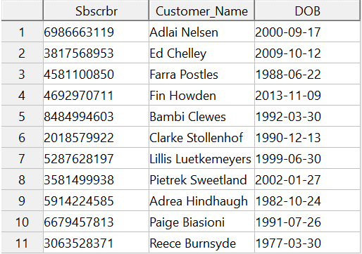 11 Records Found |  | PASS
8 | Target | For each customer, the data amount due as per price plan(Bill 1) | EXEC ANS7BILL1; | 599 Records Found | 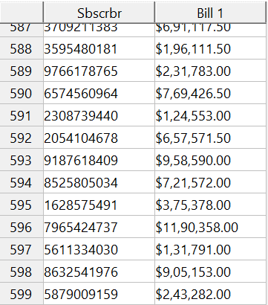 | PASS
9 | Target | For each customer, the data amount due as per price plan(Bill 2). | EXEC ANS7BILL2; | 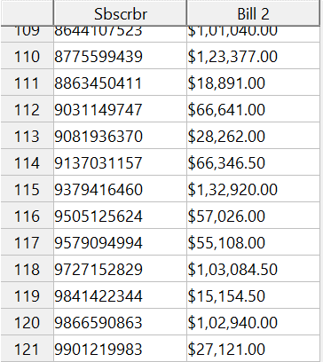 121 Records Found |  | PASS
10 | Target | For each customer, the Voice amount due as per price plan(Bill 1) | EXEC ANS6BILL1; | 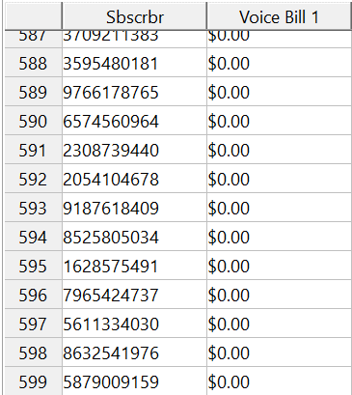 599 Records Found |  | PASS
11 | Target | For each customer, the Voice amount due as per price plan(Bill 2) | EXEC ANS6BILL2; | 99 Records Found | 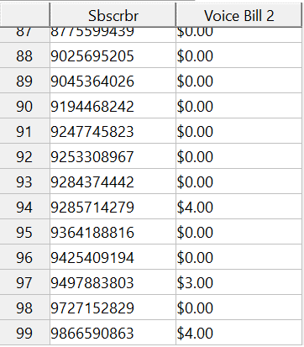 | PASS

