Q10
PART A)

 | Regressing Salary against Prin1, Prin2, Prin3

 | Salary = ß0 + ß1*Prin1 + ß2*Prin2 + ß3*Prin3

 | Parameter Estimates
 | Variable | DF | Parameter | Standard | t Value | Pr > |t| | Root MSE | 2082.09165 | R-Square | 0.9003
 |  |  | Estimate | Error |  |  | Dependent Mean | 63929 | Adj R-Sq | 0.8955
 | Intercept | 1 | 63929 | 254.36798 | 251.33 | <.0001 | Coeff Var | 3.25686
 | Prin1 | 1 | 3557.20641 | 150.28811 | 23.67 | <.0001
 | Prin2 | 1 | 2316.12408 | 885.87403 | 2.61 | 0.0112
 | Prin3 | 1 | 3540.61136 | 2826.52316 | 1.25 | 0.215

 | To understand the importance of a feature, in explaining Salary,
 | We need to take into account the magnitude of the Coefficient and its p-value (or t-statistic)
 | In our case, Prin1 and Prin3 have the greatest magnitude
 | However, Prin3's p-value is ≥ 0.05 and hus, we fail to reject the null hypothesis that Coefficient of Prin3 ≠ 0
 | Prin1 has a very low p-value, indicating that it is statistically significant in predicting Salary

 | Thus, Prin1 is the most important predictor of Salary
 | Prin2 is the second most important predictor of Salary
 | Prin3 does not help in Salary prediction. Thus, it is the least useful

PART B)

 | Yes, The order of usefulness of the principal components are: PC1 > PC2 > PC3

PART C)

 | Regressing Salary against Prin1 alone

 | Salary = ß0 + ß1*Prin1

 | Parameter Estimates
 | Variable | DF | Parameter | Standard | t Value | Pr > |t| | Root MSE | 2182.26114 | R-Square | 0.887
 |  |  | Estimate | Error |  |  | Dependent Mean | 63929 | Adj R-Sq | 0.8852
 | Intercept | 1 | 63929 | 254.36798 | 251.33 | <.0001 | Coeff Var | 3.41355
 | Prin1 | 1 | 3557.20641 | 150.28811 | 23.67 | <.0001

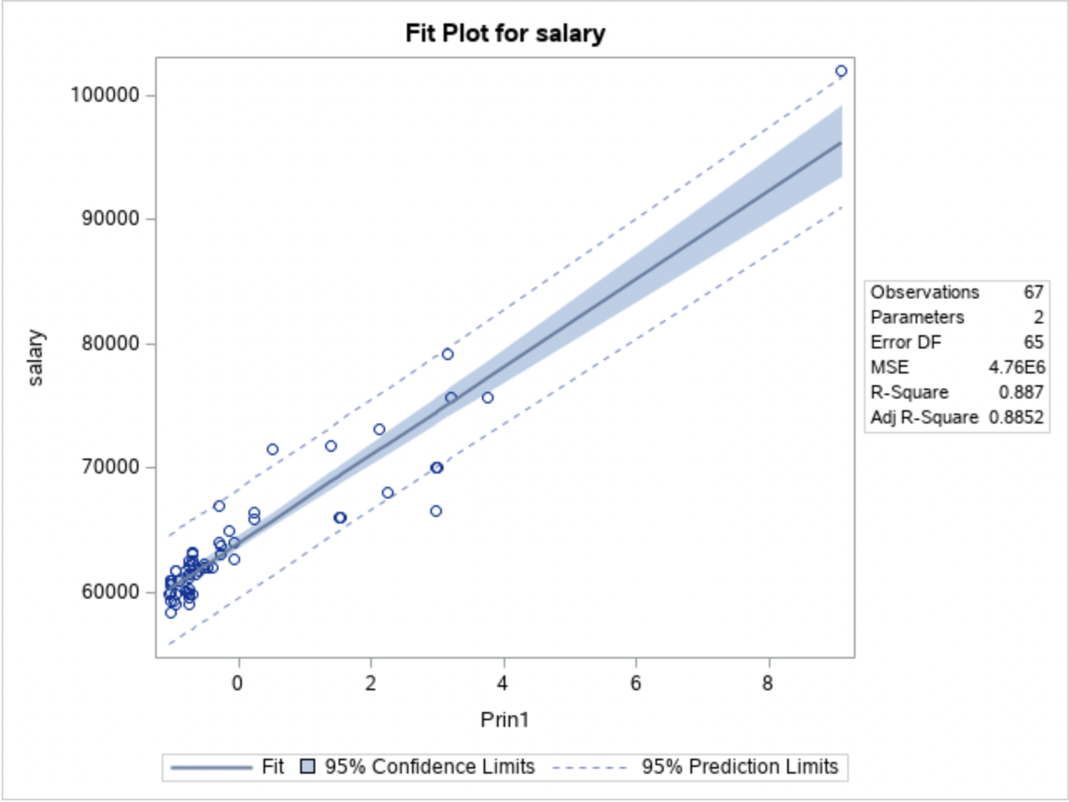
 | Upon using Prin1 alone, we observe that the R2 drops to 88.7%
 | Therefore, Explainibility reduces by 1.3%

