Granger Causality Results
Lag | VIX → Sentiment - p-value | VIX → Sentiment - Causality
1 | 0.22408208371 | Fail to Reject Null Hypothesis
2 | 0.244995282 | Fail to Reject Null Hypothesis
3 | 0.21838858365 | Fail to Reject Null Hypothesis
4 | 0.10067912855 | Fail to Reject Null Hypothesis
5 | 0.042632555874 | Reject Null Hypothesis

Lag | Sentiment → VIX - p-value | Sentiment → VIX - Causality
1 | 0.59019967427 | Fail to Reject Null Hypothesis
2 | 0.67193757186 | Fail to Reject Null Hypothesis
3 | 0.42716476361 | Fail to Reject Null Hypothesis
4 | 0.83615316568 | Fail to Reject Null Hypothesis
5 | 0.99397797171 | Fail to Reject Null Hypothesis

Lag | SRISK → Sentiment - p-value | SRISK → Sentiment - Causality
1 | 0.8531308886 | Fail to Reject Null Hypothesis
2 | 0.46749804957 | Fail to Reject Null Hypothesis
3 | 0.60361522079 | Fail to Reject Null Hypothesis
4 | 0.5834454737 | Fail to Reject Null Hypothesis
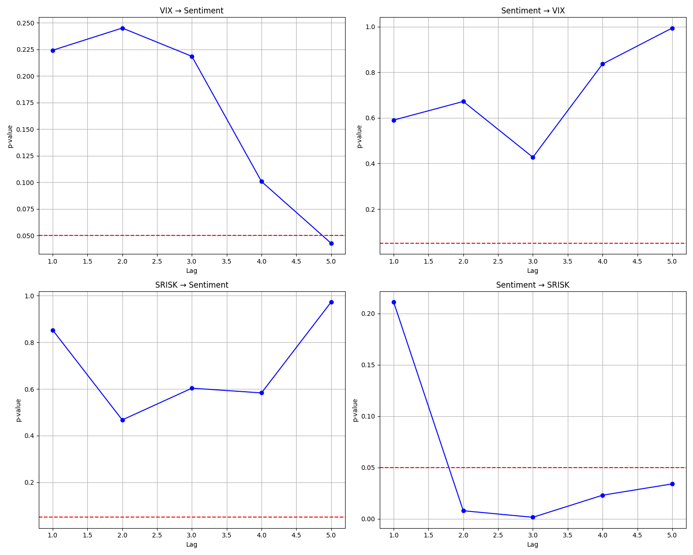
5 | 0.97294655859 | Fail to Reject Null Hypothesis

Lag | Sentiment → SRISK - p-value | Sentiment → SRISK - Causality
1 | 0.21118346731 | Fail to Reject Null Hypothesis
2 | 0.0078917659693 | Reject Null Hypothesis
3 | 0.0015228805656 | Reject Null Hypothesis
4 | 0.02303258142 | Reject Null Hypothesis
5 | 0.03403874088 | Reject Null Hypothesis

