Instructions
Instructions

1. Please go to Sheet2. 2. To Run , Click on Click Me Button.
3. Provide the Product Name, Price, Brand Name and Amazon Url
4. Please make sure Amazon url contains 'avp_only_reviews' in the end. You can get to this page when you click on 'see all xxx reviews'. Another hint is that page will have page numbers for reviews at the bottom.
5. See an example in Example tab.

Example
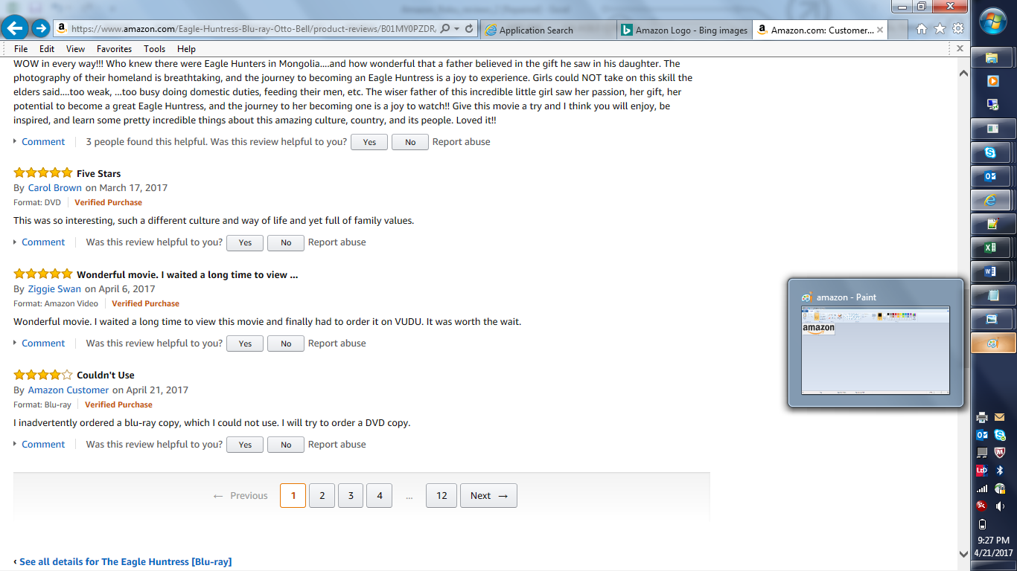
Correct URLs will have 'page number' in the end or 'avp_only_reviews' in the end.
Correct URL 1 : https://www.amazon.com/Eagle-Huntress-Blu-ray-Otto-Bell/product-reviews/B01MY0PZDR/ref=cm_cr_arp_d_show_all?ie=UTF8&reviewerType=all_reviews&pageNumber=1
Correct URL 2 : https://www.amazon.com/Eagle-Huntress-Blu-ray-Otto-Bell/product-reviews/B01MY0PZDR/ref=cm_cr_dp_d_acr_sr?ie=UTF8&reviewerType=avp_only_reviews

