V106I
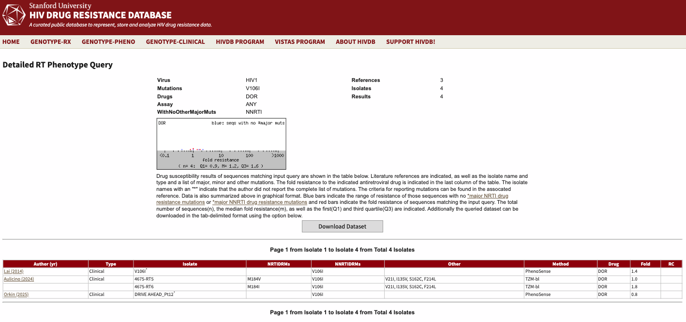
Author (yr) | Type | Isolate | NRTIDRMs | NNRTIDRMs | Other | Method | Drug | Fold | RC
Lai (2014) | Clinical | V106I* |  | V106I |  | PhenoSense | DOR | 1.4
Aulicino (2024) | Clinical | 4675-RT5 | M184V | V106I | V21I, I135V, S162C, F214L | TZM-bl | DOR | 1
 |  | 4675-RT6 | M184I | V106I | V21I, I135V, S162C, F214L | TZM-bl | DOR | 1.8
Orkin (2025) | Clinical | DRIVE AHEAD_Pt12* |  | V106I |  | PhenoSense | DOR | 0.8

K103N
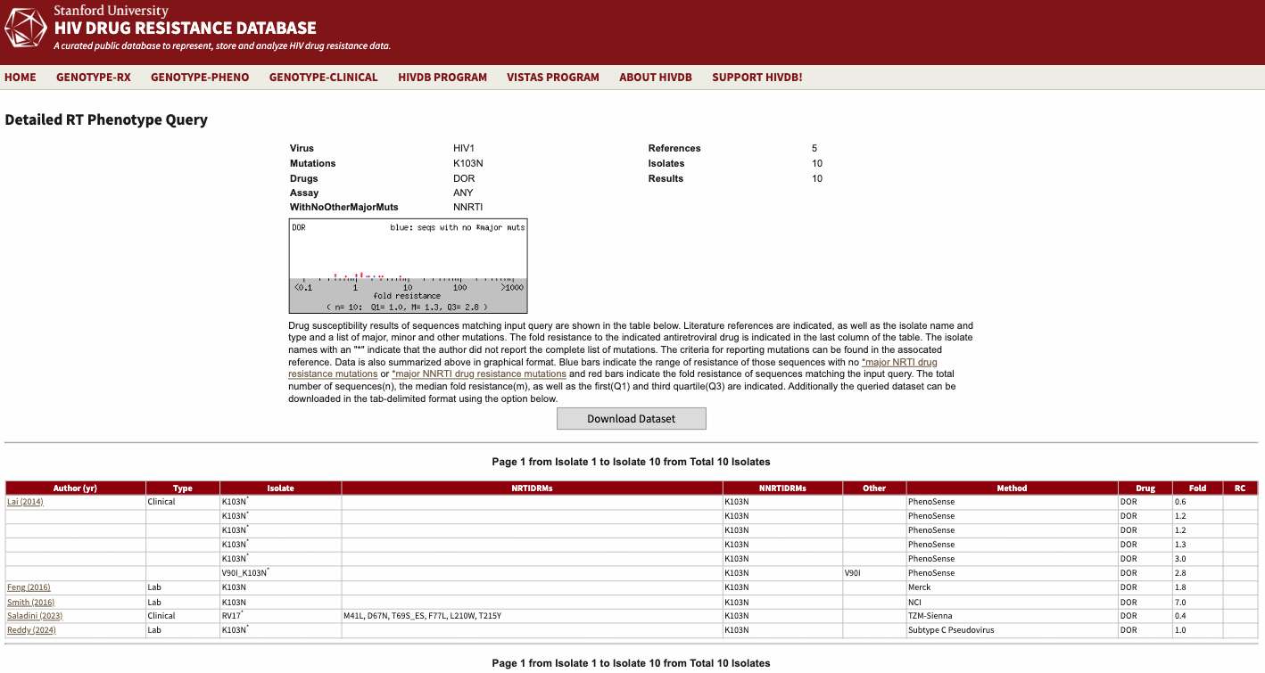
Author (yr) | Type | Isolate | NRTIDRMs | NNRTIDRMs | Other | Method | Drug | Fold | RC
Lai (2014) | Clinical | K103N* |  | K103N |  | PhenoSense | DOR | 0.6
 |  | K103N* |  | K103N |  | PhenoSense | DOR | 1.2
 |  | K103N* |  | K103N |  | PhenoSense | DOR | 1.2
 |  | K103N* |  | K103N |  | PhenoSense | DOR | 1.3
 |  | K103N* |  | K103N |  | PhenoSense | DOR | 3
 |  | V90I_K103N* |  | K103N | V90I | PhenoSense | DOR | 2.8
Feng (2016) | Lab | K103N |  | K103N |  | Merck | DOR | 1.8
Smith (2016) | Lab | K103N |  | K103N |  | NCI | DOR | 7
Saladini (2023) | Clinical | RV17* | M41L, D67N, T69S_ES, F77L, L210W, T215Y | K103N |  | TZM-Sienna | DOR | 0.4
Reddy (2024) | Lab | K103N* |  | K103N |  | Subtype C Pseudovirus | DOR | 1

Y181C
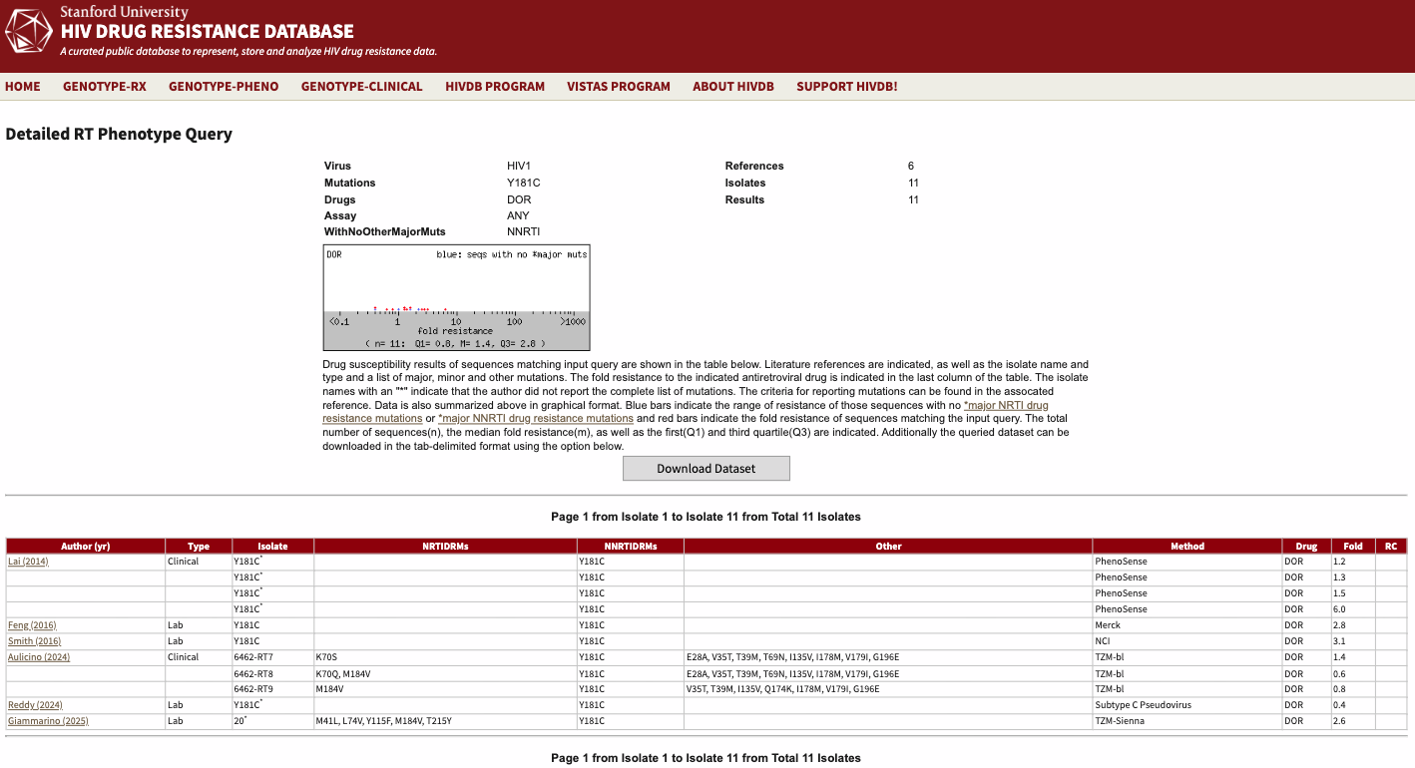
Author (yr) | Type | Isolate | NRTIDRMs | NNRTIDRMs | Other | Method | Drug | Fold | RC
Lai (2014) | Clinical | Y181C* |  | Y181C |  | PhenoSense | DOR | 1.2
 |  | Y181C* |  | Y181C |  | PhenoSense | DOR | 1.3
 |  | Y181C* |  | Y181C |  | PhenoSense | DOR | 1.5
 |  | Y181C* |  | Y181C |  | PhenoSense | DOR | 6
Feng (2016) | Lab | Y181C |  | Y181C |  | Merck | DOR | 2.8
Smith (2016) | Lab | Y181C |  | Y181C |  | NCI | DOR | 3.1
Aulicino (2024) | Clinical | 6462-RT7 | K70S | Y181C | E28A, V35T, T39M, T69N, I135V, I178M, V179I, G196E | TZM-bl | DOR | 1.4
 |  | 6462-RT8 | K70Q, M184V | Y181C | E28A, V35T, T39M, T69N, I135V, I178M, V179I, G196E | TZM-bl | DOR | 0.6
 |  | 6462-RT9 | M184V | Y181C | V35T, T39M, I135V, Q174K, I178M, V179I, G196E | TZM-bl | DOR | 0.8
Reddy (2024) | Lab | Y181C* |  | Y181C |  | Subtype C Pseudovirus | DOR | 0.4
Giammarino (2025) | Lab | 20* | M41L, L74V, Y115F, M184V, T215Y | Y181C |  | TZM-Sienna | DOR | 2.6

Y318F
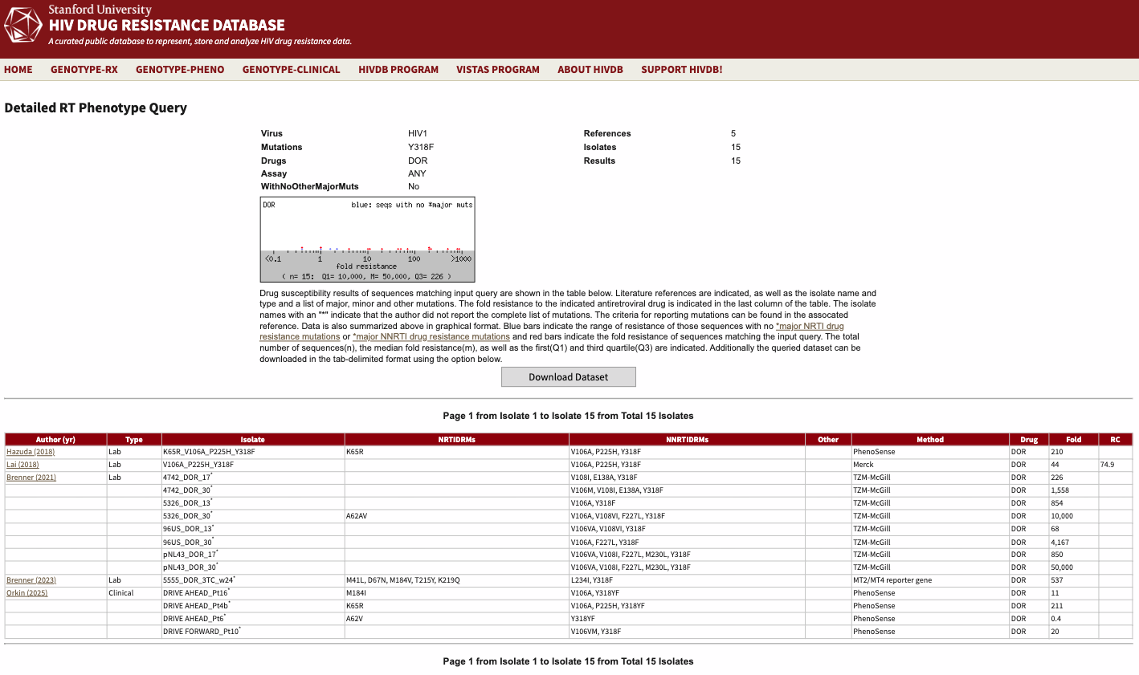
Author (yr) | Type | Isolate | NRTIDRMs | NNRTIDRMs | Other | Method | Drug | Fold | RC
Hazuda (2018) | Lab | K65R_V106A_P225H_Y318F | K65R | V106A, P225H, Y318F |  | PhenoSense | DOR | 210
Lai (2018) | Lab | V106A_P225H_Y318F |  | V106A, P225H, Y318F |  | Merck | DOR | 44 | 74.9
Brenner (2021) | Lab | 4742_DOR_17* |  | V108I, E138A, Y318F |  | TZM-McGill | DOR | 226
 |  | 4742_DOR_30* |  | V106M, V108I, E138A, Y318F |  | TZM-McGill | DOR | 1,558
 |  | 5326_DOR_13* |  | V106A, Y318F |  | TZM-McGill | DOR | 854
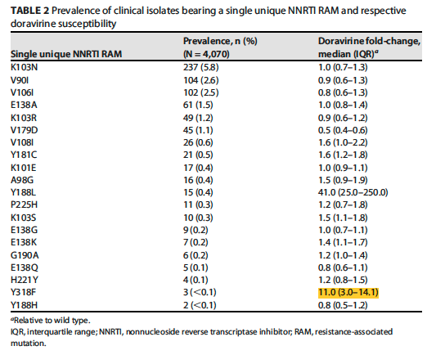
 |  | 5326_DOR_30* | A62AV | V106A, V108VI, F227L, Y318F |  | TZM-McGill | DOR | 10,000
 |  | 96US_DOR_13* |  | V106VA, V108VI, Y318F |  | TZM-McGill | DOR | 68
 |  | 96US_DOR_30* |  | V106A, F227L, Y318F |  | TZM-McGill | DOR | 4,167
 |  | pNL43_DOR_17* |  | V106VA, V108I, F227L, M230L, Y318F |  | TZM-McGill | DOR | 850
 |  | pNL43_DOR_30* |  | V106VA, V108I, F227L, M230L, Y318F |  | TZM-McGill | DOR | 50,000
Brenner (2023) | Lab | 5555_DOR_3TC_w24* | M41L, D67N, M184V, T215Y, K219Q | L234I, Y318F |  | MT2/MT4 reporter gene | DOR | 537
Orkin (2025) | Clinical | DRIVE AHEAD_Pt16* | M184I | V106A, Y318YF |  | PhenoSense | DOR | 11
 |  | DRIVE AHEAD_Pt4b* | K65R | V106A, P225H, Y318YF |  | PhenoSense | DOR | 211
 |  | DRIVE AHEAD_Pt6* | A62V | Y318YF |  | PhenoSense | DOR | 0.4
 |  | DRIVE FORWARD_Pt10* |  | V106VM, Y318F |  | PhenoSense | DOR | 20

V106A
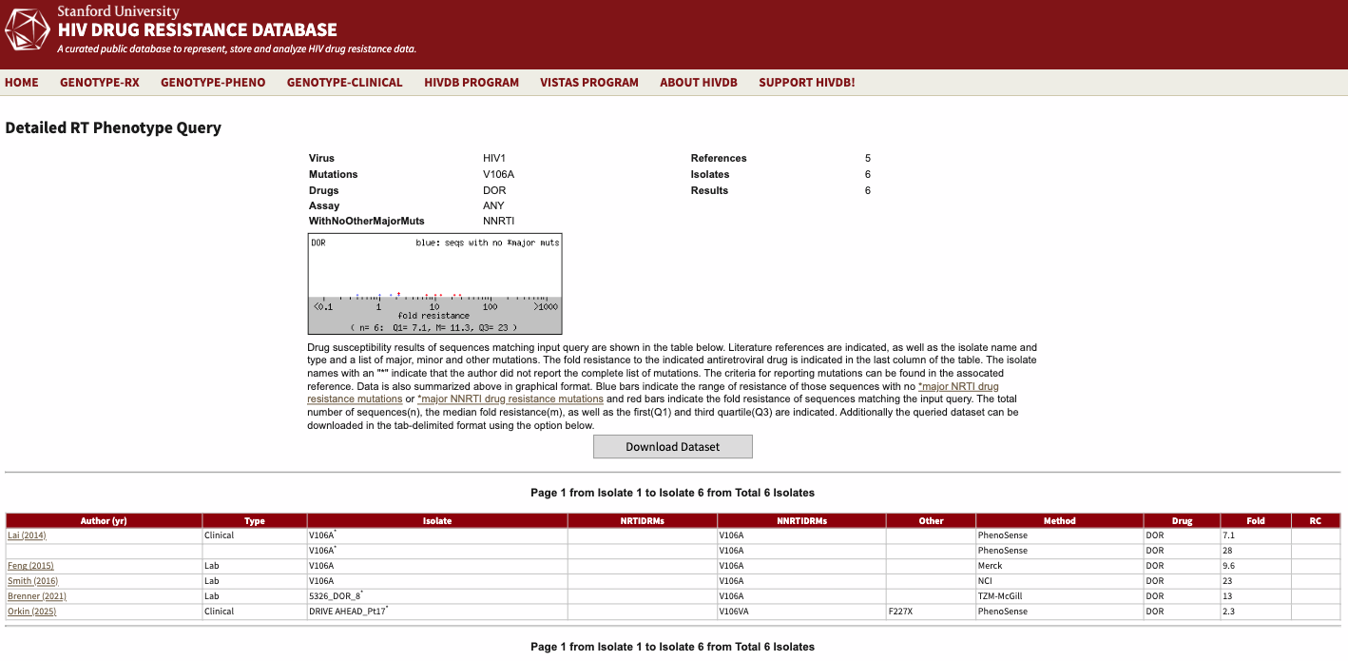
Author (yr) | Type | Isolate | NRTIDRMs | NNRTIDRMs | Other | Method | Drug | Fold | RC
Lai (2014) | Clinical | V106A* |  | V106A |  | PhenoSense | DOR | 7.1
 |  | V106A* |  | V106A |  | PhenoSense | DOR | 28
Feng (2015) | Lab | V106A |  | V106A |  | Merck | DOR | 9.6
Smith (2016) | Lab | V106A |  | V106A |  | NCI | DOR | 23
Brenner (2021) | Lab | 5326_DOR_8* |  | V106A |  | TZM-McGill | DOR | 13
Orkin (2025) | Clinical | DRIVE AHEAD_Pt17* |  | V106VA | F227X | PhenoSense | DOR | 2.3

A98G+F227C
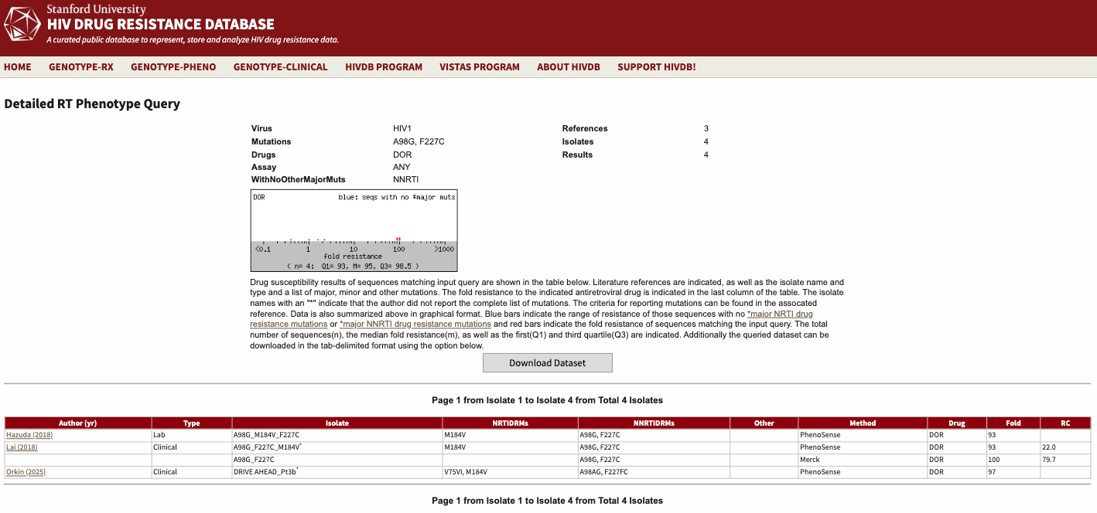
Author (yr) | Type | Isolate | NRTIDRMs | NNRTIDRMs | Other | Method | Drug | Fold | RC
Hazuda (2018) | Lab | A98G_M184V_F227C | M184V | A98G, F227C |  | PhenoSense | DOR | 93
Lai (2018) | Clinical | A98G_F227C_M184V* | M184V | A98G, F227C |  | PhenoSense | DOR | 93 | 22
 |  | A98G_F227C |  | A98G, F227C |  | Merck | DOR | 100 | 79.7
Orkin (2025) | Clinical | DRIVE AHEAD_Pt3b* | V75VI, M184V | A98AG, F227FC |  | PhenoSense | DOR | 97

V106I+F227C
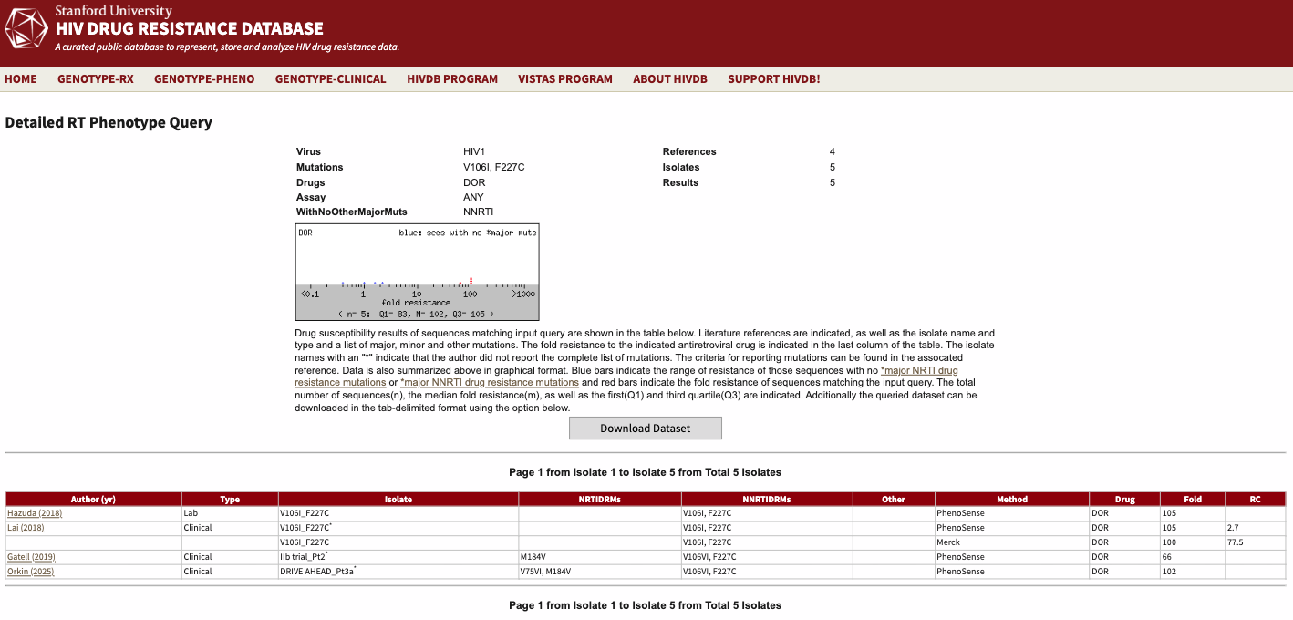
Author (yr) | Type | Isolate | NRTIDRMs | NNRTIDRMs | Other | Method | Drug | Fold | RC
Hazuda (2018) | Lab | V106I_F227C |  | V106I, F227C |  | PhenoSense | DOR | 105
Lai (2018) | Clinical | V106I_F227C* |  | V106I, F227C |  | PhenoSense | DOR | 105 | 2.7
 |  | V106I_F227C |  | V106I, F227C |  | Merck | DOR | 100 | 77.5
Gatell (2019) | Clinical | IIb trial_Pt2* | M184V | V106VI, F227C |  | PhenoSense | DOR | 66
Orkin (2025) | Clinical | DRIVE AHEAD_Pt3a* | V75VI, M184V | V106VI, F227C |  | PhenoSense | DOR | 102

V106A+F227L
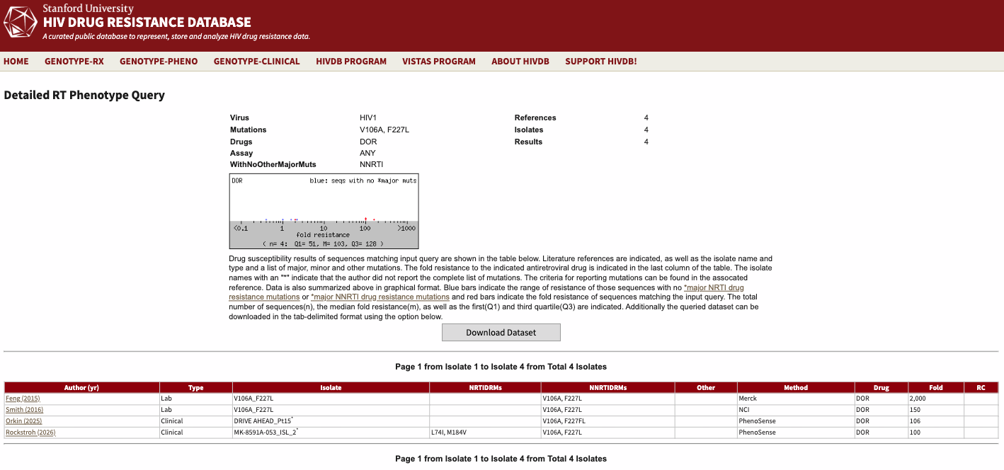
Author (yr) | Type | Isolate | NRTIDRMs | NNRTIDRMs | Other | Method | Drug | Fold | RC
Feng (2015) | Lab | V106A_F227L |  | V106A, F227L |  | Merck | DOR | 2,000
Smith (2016) | Lab | V106A_F227L |  | V106A, F227L |  | NCI | DOR | 150
Orkin (2025) | Clinical | DRIVE AHEAD_Pt15* |  | V106A, F227FL |  | PhenoSense | DOR | 106
Rockstroh (2026) | Clinical | MK-8591A-053_ISL_2* | L74I, M184V | V106A, F227L |  | PhenoSense | DOR | 100

Y188L
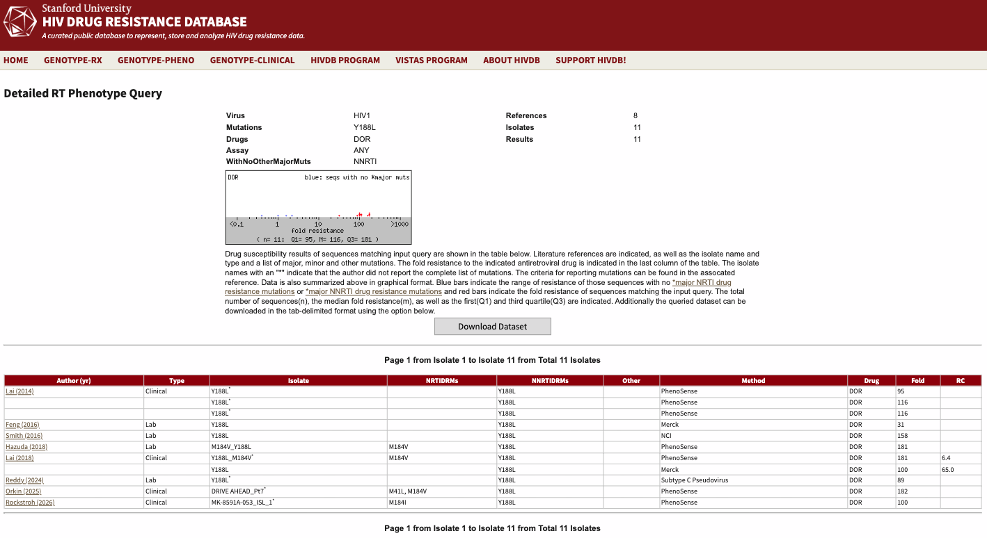
Author (yr) | Type | Isolate | NRTIDRMs | NNRTIDRMs | Other | Method | Drug | Fold | RC
Lai (2014) | Clinical | Y188L* |  | Y188L |  | PhenoSense | DOR | 95
 |  | Y188L* |  | Y188L |  | PhenoSense | DOR | 116
 |  | Y188L* |  | Y188L |  | PhenoSense | DOR | 116
Feng (2016) | Lab | Y188L |  | Y188L |  | Merck | DOR | 31
Smith (2016) | Lab | Y188L |  | Y188L |  | NCI | DOR | 158
Hazuda (2018) | Lab | M184V_Y188L | M184V | Y188L |  | PhenoSense | DOR | 181
Lai (2018) | Clinical | Y188L_M184V* | M184V | Y188L |  | PhenoSense | DOR | 181 | 6.4
 |  | Y188L |  | Y188L |  | Merck | DOR | 100 | 65
Reddy (2024) | Lab | Y188L* |  | Y188L |  | Subtype C Pseudovirus | DOR | 89
Orkin (2025) | Clinical | DRIVE AHEAD_Pt7* | M41L, M184V | Y188L |  | PhenoSense | DOR | 182
Rockstroh (2026) | Clinical | MK-8591A-053_ISL_1* | M184I | Y188L |  | PhenoSense | DOR | 100

V106A+P225H
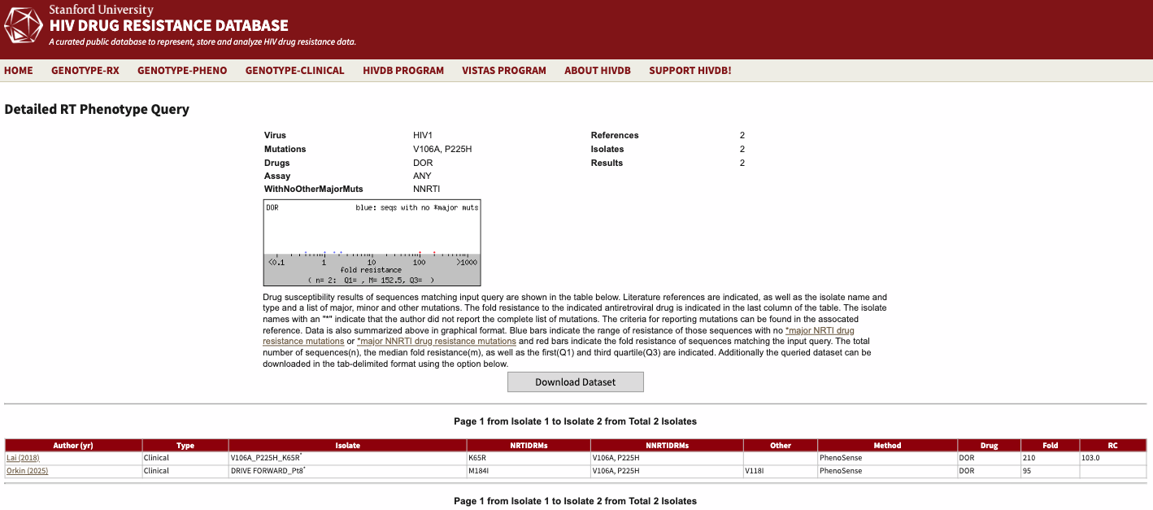
Author (yr) | Type | Isolate | NRTIDRMs | NNRTIDRMs | Other | Method | Drug | Fold | RC
Lai (2018) | Clinical | V106A_P225H_K65R* | K65R | V106A, P225H |  | PhenoSense | DOR | 210 | 103
Orkin (2025) | Clinical | DRIVE FORWARD_Pt8* | M184I | V106A, P225H | V118I | PhenoSense | DOR | 95

V106A+L234I
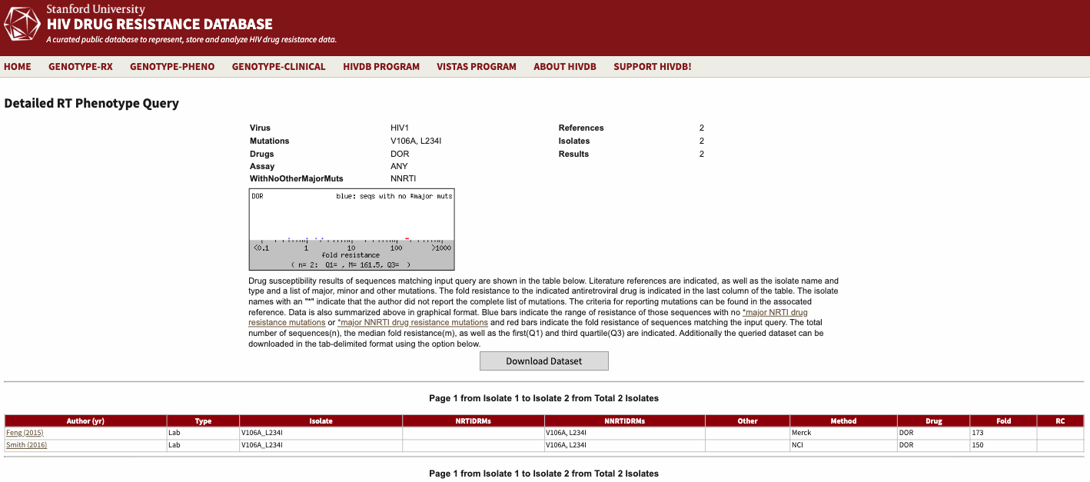
Author (yr) | Type | Isolate | NRTIDRMs | NNRTIDRMs | Other | Method | Drug | Fold | RC
Feng (2015) | Lab | V106A_L234I |  | V106A, L234I |  | Merck | DOR | 173
Smith (2016) | Lab | V106A_L234I |  | V106A, L234I |  | NCI | DOR | 150

V106M
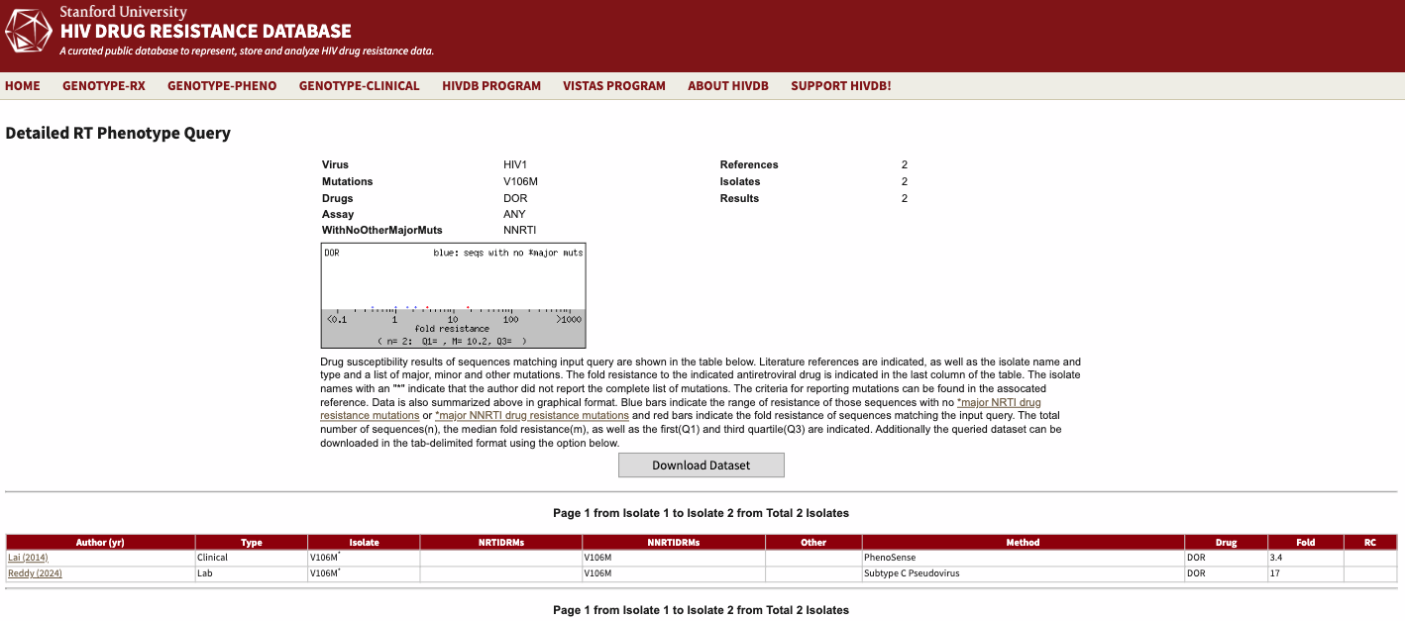
Author (yr) | Type | Isolate | NRTIDRMs | NNRTIDRMs | Other | Method | Drug | Fold | RC
Lai (2014) | Clinical | V106M* |  | V106M |  | PhenoSense | DOR | 3.4
Reddy (2024) | Lab | V106M* |  | V106M |  | Subtype C Pseudovirus | DOR | 17

G190S
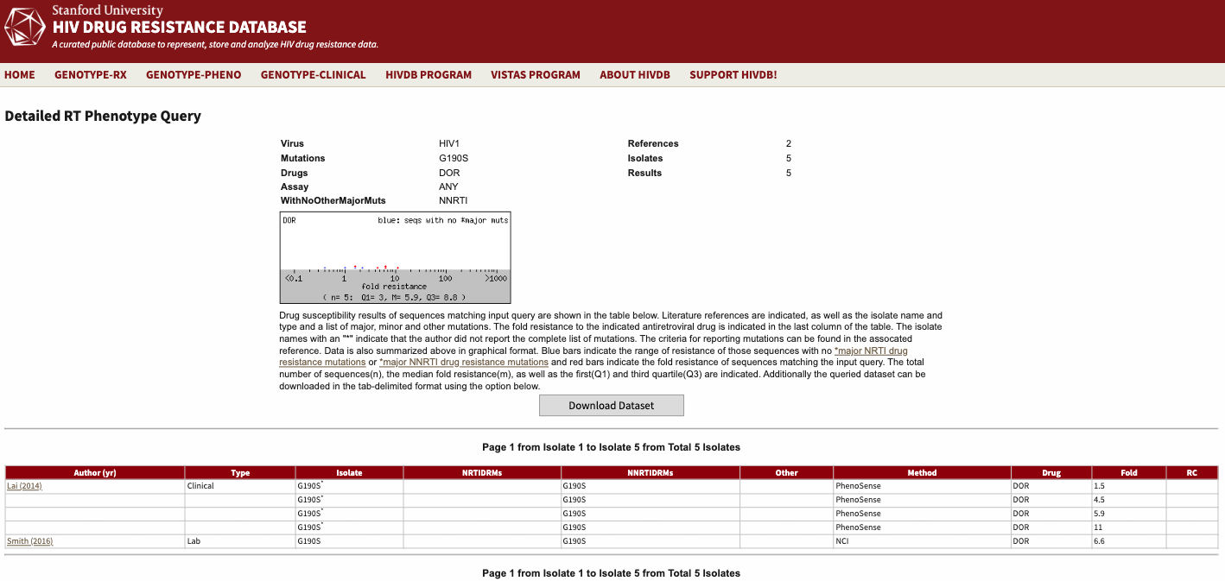
Author (yr) | Type | Isolate | NRTIDRMs | NNRTIDRMs | Other | Method | Drug | Fold | RC
Lai (2014) | Clinical | G190S* |  | G190S |  | PhenoSense | DOR | 1.5
 |  | G190S* |  | G190S |  | PhenoSense | DOR | 4.5
 |  | G190S* |  | G190S |  | PhenoSense | DOR | 5.9
 |  | G190S* |  | G190S |  | PhenoSense | DOR | 11
Smith (2016) | Lab | G190S |  | G190S |  | NCI | DOR | 6.6

K103N+L100I
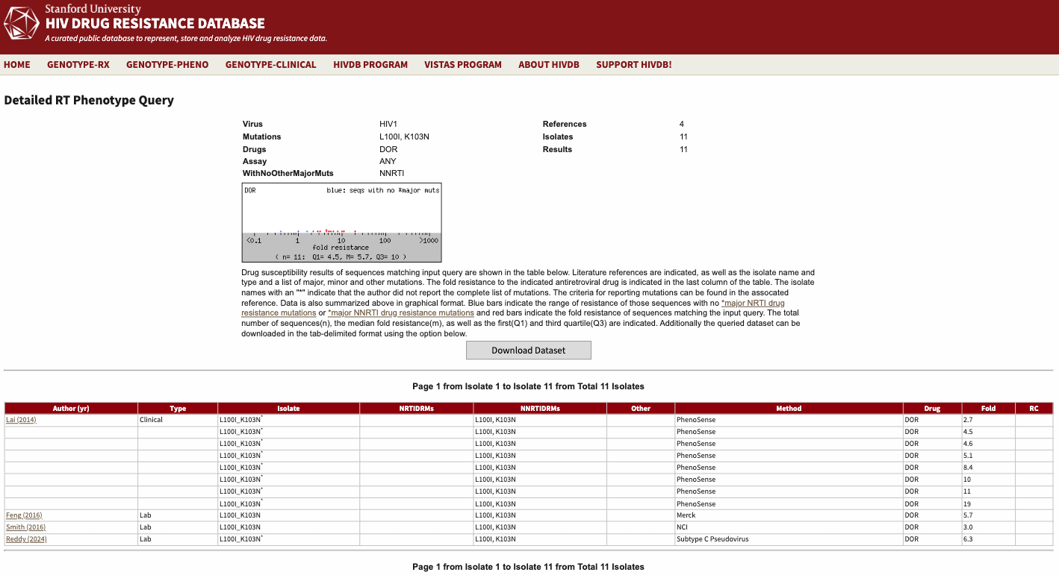
Author (yr) | Type | Isolate | NRTIDRMs | NNRTIDRMs | Other | Method | Drug | Fold | RC
Lai (2014) | Clinical | L100I_K103N* |  | L100I, K103N |  | PhenoSense | DOR | 2.7
 |  | L100I_K103N* |  | L100I, K103N |  | PhenoSense | DOR | 4.5
 |  | L100I_K103N* |  | L100I, K103N |  | PhenoSense | DOR | 4.6
 |  | L100I_K103N* |  | L100I, K103N |  | PhenoSense | DOR | 5.1
 |  | L100I_K103N* |  | L100I, K103N |  | PhenoSense | DOR | 8.4
 |  | L100I_K103N* |  | L100I, K103N |  | PhenoSense | DOR | 10
 |  | L100I_K103N* |  | L100I, K103N |  | PhenoSense | DOR | 11
 |  | L100I_K103N* |  | L100I, K103N |  | PhenoSense | DOR | 19
Feng (2016) | Lab | L100I_K103N |  | L100I, K103N |  | Merck | DOR | 5.7
Smith (2016) | Lab | L100I_K103N |  | L100I, K103N |  | NCI | DOR | 3
Reddy (2024) | Lab | L100I_K103N* |  | L100I, K103N |  | Subtype C Pseudovirus | DOR | 6.3

K103N+P225H
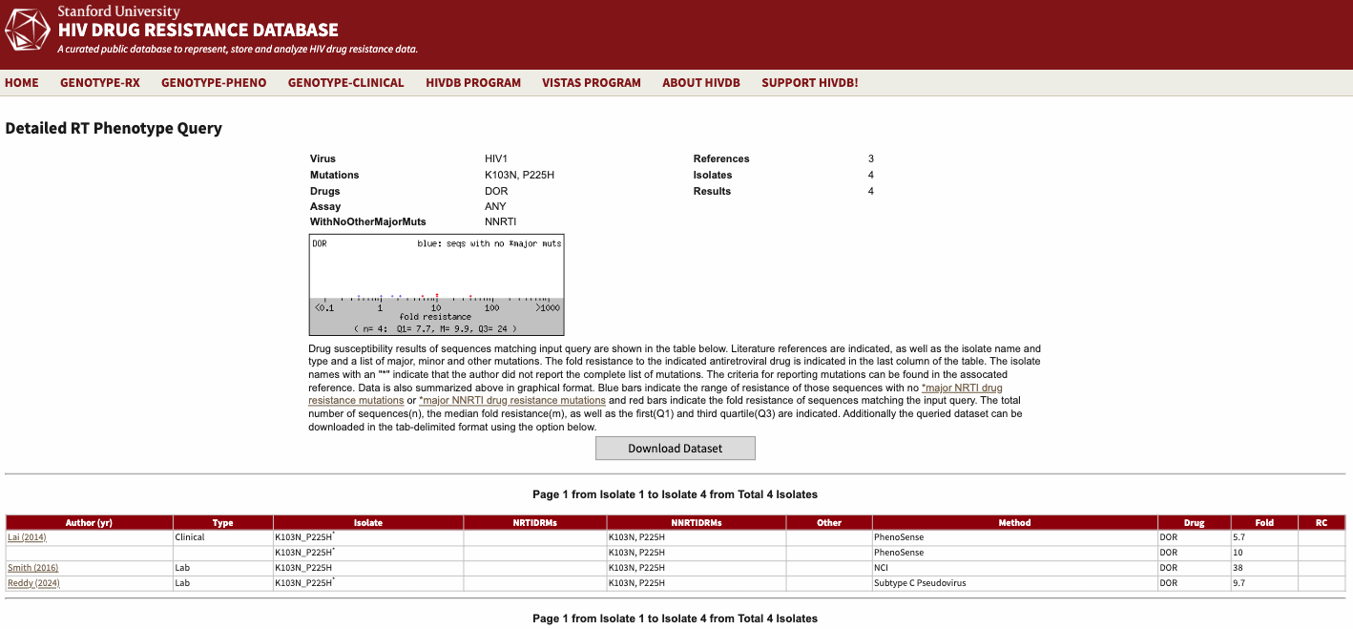
Author (yr) | Type | Isolate | NRTIDRMs | NNRTIDRMs | Other | Method | Drug | Fold | RC
Lai (2014) | Clinical | K103N_P225H* |  | K103N, P225H |  | PhenoSense | DOR | 5.7
 |  | K103N_P225H* |  | K103N, P225H |  | PhenoSense | DOR | 10
Smith (2016) | Lab | K103N_P225H |  | K103N, P225H |  | NCI | DOR | 38
Reddy (2024) | Lab | K103N_P225H* |  | K103N, P225H |  | Subtype C Pseudovirus | DOR | 9.7

G190E
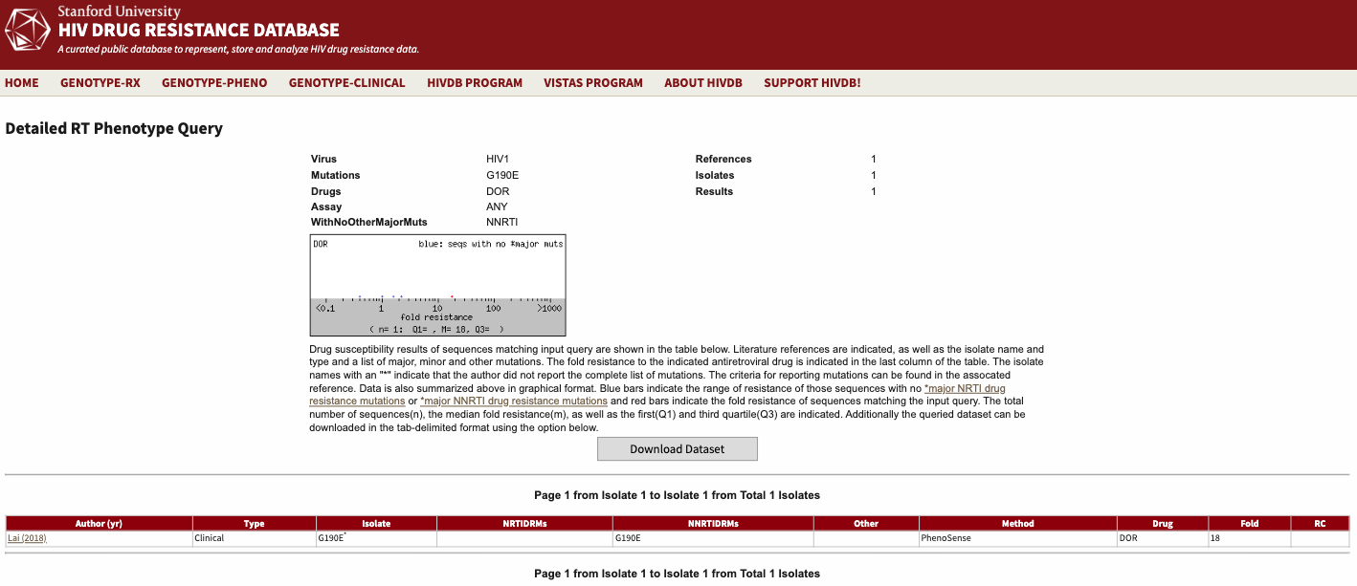
Author (yr) | Type | Isolate | NRTIDRMs | NNRTIDRMs | Other | Method | Drug | Fold | RC
Lai (2018) | Clinical | G190E* |  | G190E |  | PhenoSense | DOR | 18

K103N+M230L

Author (yr) | Type | Isolate | NRTIDRMs | NNRTIDRMs | Other | Method | Drug | Fold | RC
Lai (2018) | Clinical | K103N_M230L* |  | K103N, M230L |  | PhenoSense | DOR | 36

