Lumpy Investment
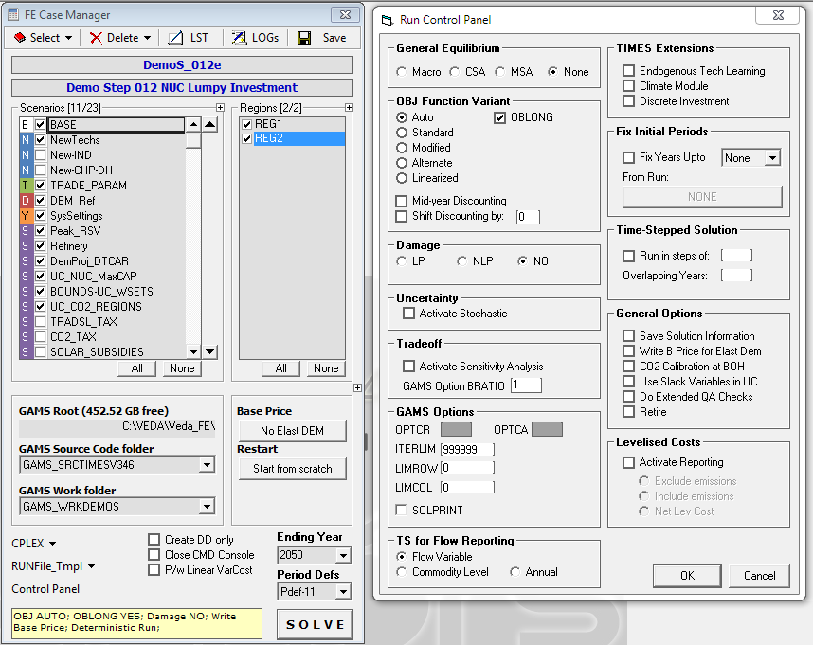
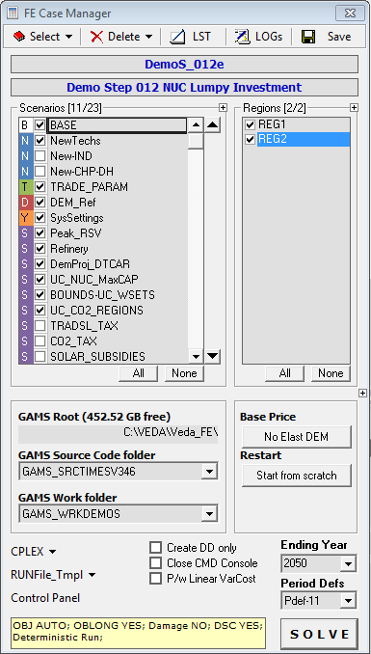
The TIMES lumpy investm,ent variant can be enabled following three steps:
1) Specify the SET DSCINV for the technology for which the user would like use the lumpy investment feature. In this model this is done in the SubRes_NewTechs, sheet ELC for the technology ELCNNUC01
2) Build a scenario file with the discrete capacity modules. This is done in this scenario in the sheet NUC_DSCINV
3) Enable in VEDA-FE the variant lump investment as shown in the picture. The discrete capacity will be used only in the scenario runs in which this variant is selected, for all the other runs the model will use the standrd solution.

From the FE Case Manager select CONTROl PANEL and VEDA will opne the new window Run Control Panel. | Back to the FE Case Manager at the bottom it is written DSC YES that means dicrete invetment activated
In the new window check the box Dicrete Investment.

NUC_DSCINV
Trans - Insert
 | ~TFM_INS
 | TimeSlice | LimType | Attribute | Year | Other_Indexes | AllRegions | Pset_PN
 |  |  | NCAP_DISC | 2015 | 1 | 1 | ELCNNNUC01
 |  |  | NCAP_DISC | 2033 | 2 | 2 | ELCNNNUC01
 |  |  | NCAP_DISC | 2033 | 3 | 3 | ELCNNNUC01
 |  |  | NCAP_DISC | 2033 | 4 | 4 | ELCNNNUC01
 |  |  | NCAP_DISC | 2033 | 5 | 5 | ELCNNNUC01
 |  |  | NCAP_DISC | 0 | 1 | 5 | ELCNNNUC01
 |  |  | NCAP_DISC | 0 | 2 | 5 | ELCNNNUC01
 |  |  | NCAP_DISC | 0 | 3 | 5 | ELCNNNUC01
 |  |  | NCAP_DISC | 0 | 4 | 5 | ELCNNNUC01
 |  |  | NCAP_DISC | 0 | 5 | 5 | ELCNNNUC01

This table define a discrate capacity at specific years for the technology ELCNNUC01. Cell G4 means that the capacity installed for this technology can be a module of 1 GW in 2015 while in 2033 the model can install 2 GW or 3 or 4....

