Path Diags
Login Module
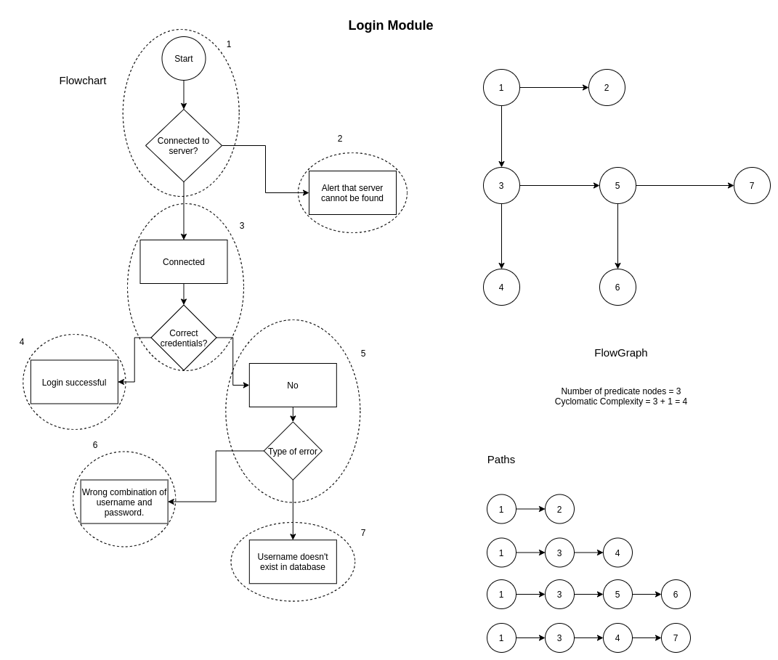

 | Number of predicate nodes: | 3
 | Cyclomatic complexity: | 3 + 1 = 4

Job Application Module

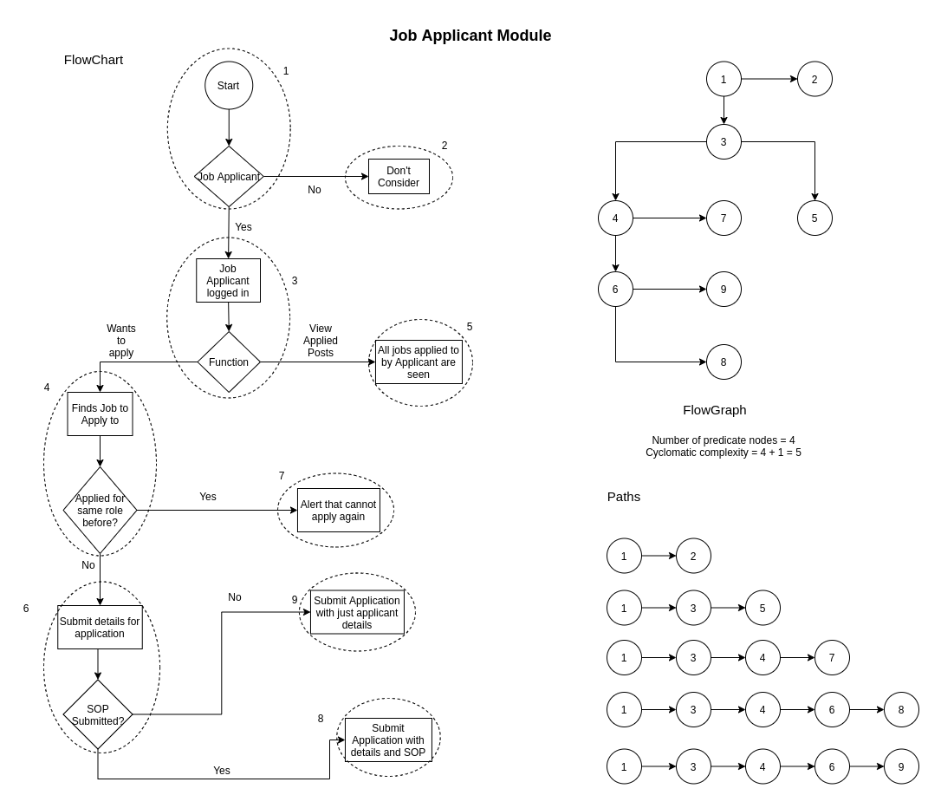

 | Number of predicate nodes: | 4
 | Cyclomatic complexity: | 4 + 1 = 5

Job Recruiter Module

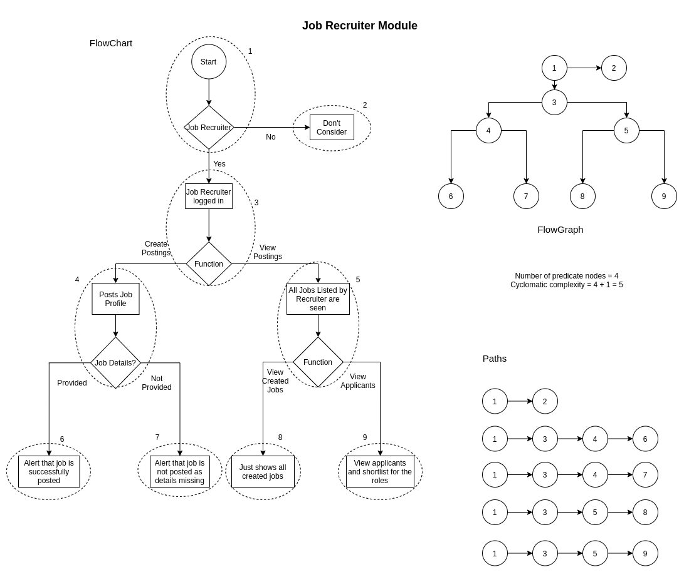

 | Number of predicate nodes: | 4
 | Cyclomatic complexity: | 4 + 1 = 5

Job Alerts Module
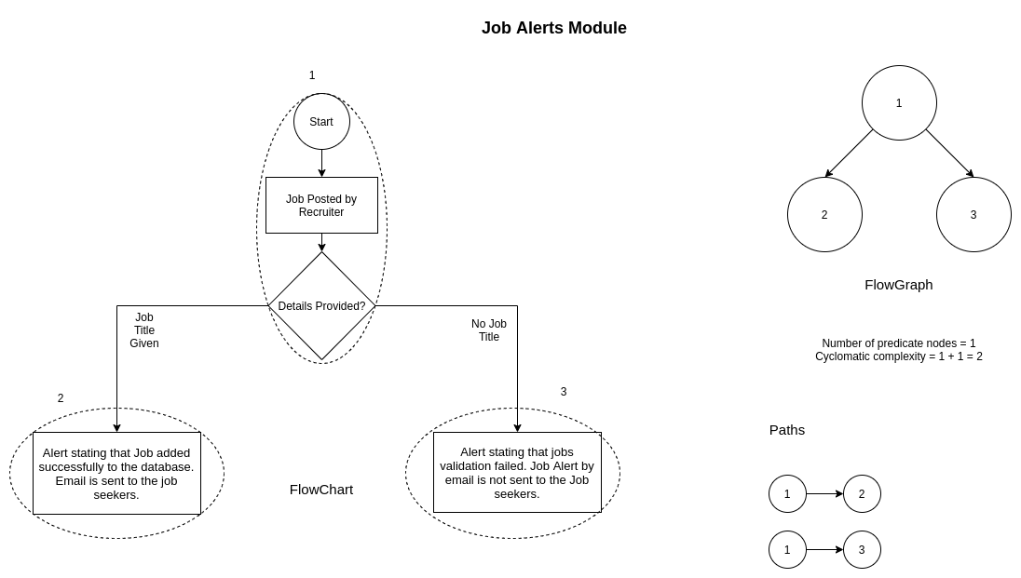

 | Number of predicate nodes: | 1
 | Cyclomatic complexity: | 1 + 1 = 2

