Sheet4
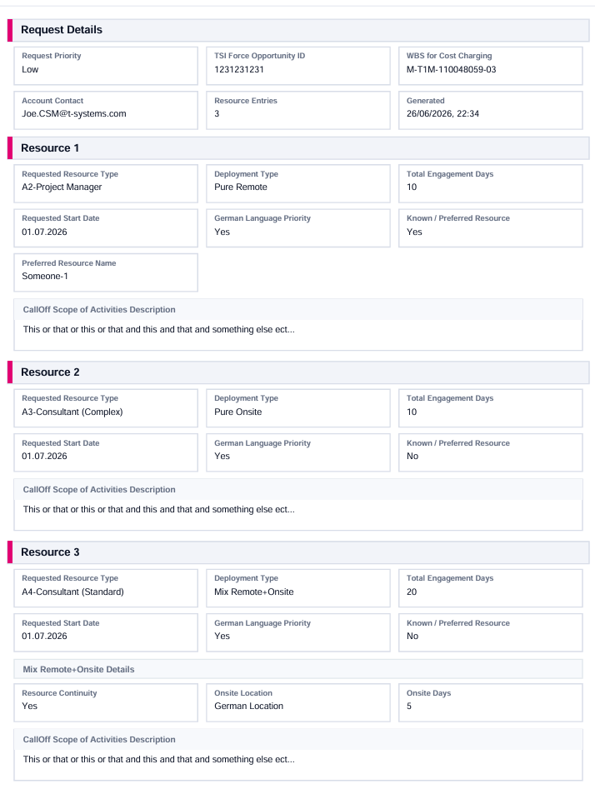
T-Systems Logo |  |  |  |  |  |  | Skoda Logo
 |  | Skoda CallOff Submission Form

REQUEST DETAILS

Submission Date | 26.06.2026 |  |  | Account Contact |  | whoever@t-systems.com
Priority | High
Opportunity ID | 1234567890
WBS for Cost Charging | MT1Q-12345-456-02
Resources Requested | 2

RESOURCE DETAILS

Resource 1

Resource Type | A2-Project Manager
Deployment Type | Mix Remote+Onsite |  | Continuity Required |  | Yes
Requested Start Date | 01.07.2026 |  | Onsite Location |  | Nearshore
Total Engagement Days | 10 |  | Onsite Days |  | 5
German Lang. Priority | Yes
Requested Resource | Yes |  | Resource Name |  | Someone Known

Activity Description | This or that or this or that…

Resource 2

Resource Type | A3-Consultant (Complex)
Deployment Type | Pure Onsite
Requested Start Date | 01.07.2026
Total Engagement Days | 10
German Lang. Priority | Yes
Requested Resource | Yes

Activity Description | This or that or this or that…

Resource 3

Resource Type | A3-Consultant (Complex)
Deployment Type | Pure Remote
Requested Start Date | 01.07.2026
Total Engagement Days | 10
German Lang. Priority | Yes
Requested Resource | Yes

Activity Description | This or that or this or that…

Sheet3
€
€
€
CUSTOMER BILLING
Total Hrs in Month | 168
CPS Hours (100%) | 147
CMS Hours (>147) | 21

TSI-Force
Parent Contract WBS Element
REVENUE

COORDINATION WITH ACCT SALES
CPS Offering Module
REVENUE RECOGNITION
COORDINATION WITH CSM
CMS Offering Module

- Martin J. identifies pipeline project(s)
- Coordinated alignment with CSM for Sub-WBS Creation
- Coordinated alignment with acct. sales for offering module assignment in TSI-F Oppy
2

EACH MONTH - Resource books first 147 hours to CPS Project
- Remaining balance against the CMS project activity
Sub-WBS Element for CPS Project Cost Booking
Sub-WBS Element for CMS Project Cost Booking

The Account
3



Edge Architect Hours Split
COSTS
 |  | 2 years
 |  | blended rev 200k

CPS Project & Activities
ILV

CPS Project & Activities
ILV

1
- All GCH Costs come to cost center: *279 (Infra)
- Martin J. & team keeps edge resource busy in current project pipeline
- Unbillable time > edge product dev. activities

CPS Cost Center
COSTS
COST RECOVERY
Example of a 168 Hrs month with no scheduled holidays
MILES+
PV

GCH

