CO₂ Dashboard
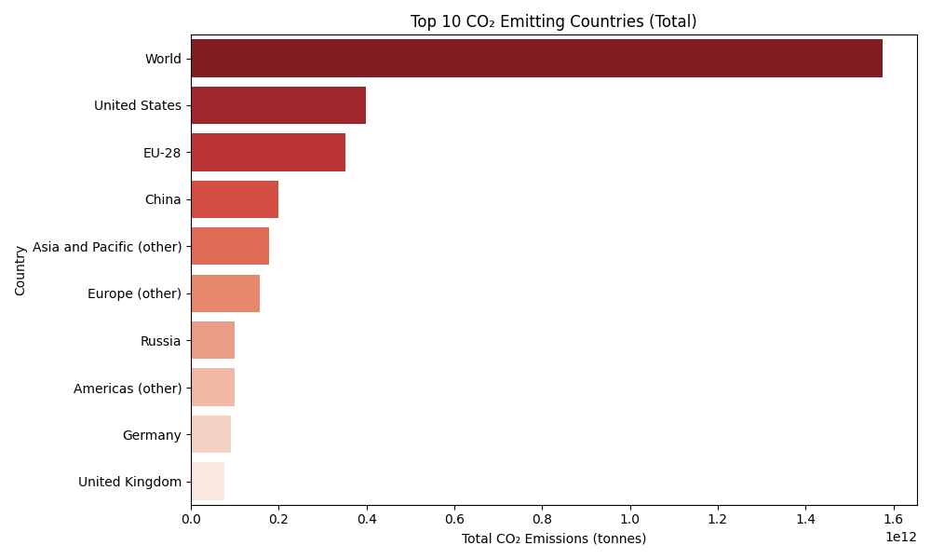
CO₂ Emissions Dashboard
1. Line Chart – India
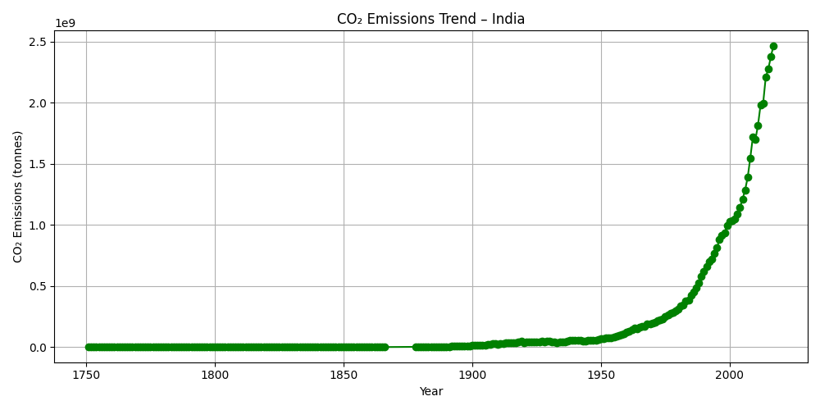

2. Bar Chart – Top 10 Emitters

