Summary
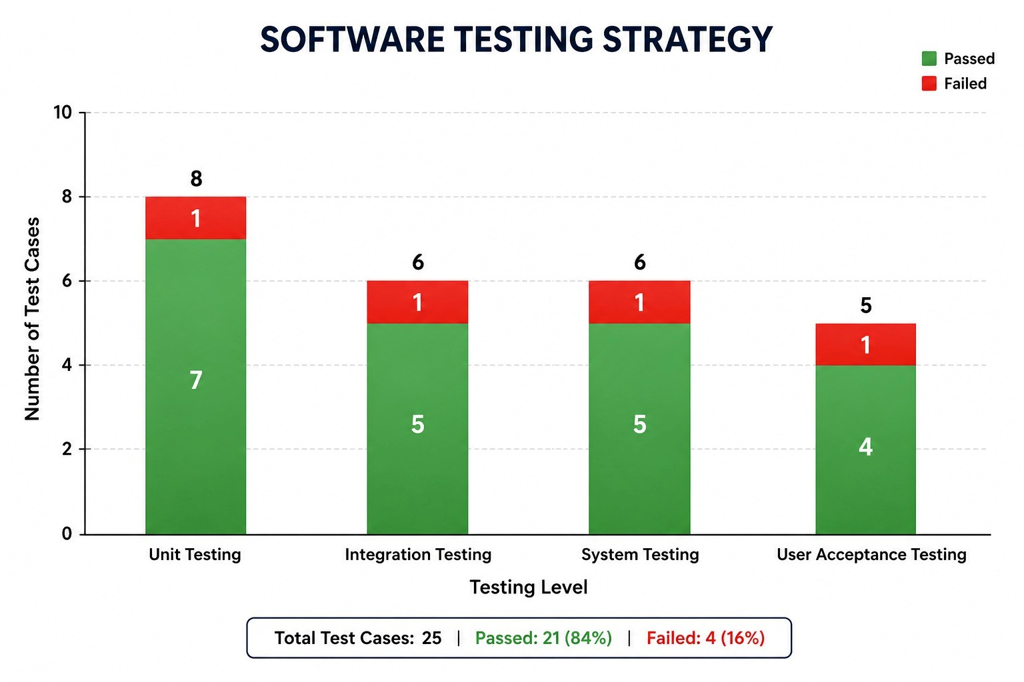
Movie Ticket Management System — Testing Summary
Agile Software Project Management Simulation

Test Type | Total Cases | Passed | Failed
Unit | 8 | 7 | 1
Integration | 6 | 5 | 1
System | 6 | 5 | 1
UAT | 5 | 4 | 1
Total | 25 | 21 | 4

Pass Rate: | 84.0%

Linked Defect Log
Defect ID | Severity | Issue | Found In
DEF-01 | High | Duplicate seat validation allowed booking of an already-reserved seat. | TC-007
DEF-02 | Medium | Cancelled booking did not immediately release the seat back to inventory. | TC-016
DEF-03 | High | Payment failure did not roll back the pending seat reservation. | TC-013
DEF-04 | Medium | Booking confirmation did not clearly display the selected seat numbers. | TC-024

