Form Inspection Right to Left
Tampak Atas
 | DATA UNIT & INSPEKSI
 | Nomer Unit / Nomer Lambung DT : | Tanggal : | KM/HM saat Inspeksi :

2
4
3
2
Pergerakan Driver Berlawanan Arah Jarum Jam
No | ITEM PEMERIKSAAN | PANDUAN TEKNIS | STATUS | FOTO | CATATAN TEMUAN
1 | Ban Kanan (Posisi 2) |  | [ OK ] [ Not OK ] [Korosi]
 | Periksa kelurusan, retakan, jumlah 10 baut dan deformasi
2 | Front Spring Hanger |  | [ OK ] [ Not OK ] [Korosi]
 | Retak, bengkok, atau korosi berat
6
1
3 | Steering Bracket |  | [ OK ] [ Not OK ] [Korosi]
 | Retak, bengkok, atau korosi berat
4 | Body Front Mounting |  | [ OK ] [ Not OK ] [Korosi]
9
8
7
7
8
9
 | Retak, bengkok, atau korosi berat
10-19
5 | Engine Cross Member |  | [ OK ] [ Not OK ] [Korosi]
10-19
 | Retak, bengkok, atau korosi berat
6 | Ban Kiri (Posisi 1) |  | [ OK ] [ Not OK ] [Korosi]
 | Periksa kelurusan, retakan, jumlah 10 baut dan deformasi
7 | Cab Mounting Rubber & Bracket |  | [ OK ] [ Not OK ] [Korosi]
20
33
 | Sobek, keras, kendor, atau retak bracket
8 | Cab Tipping Lock Mechanism |  | [ OK ] [ Not OK ] [Korosi]
 | Kunci berfungsi dan bracket tidak retak
23
21
21
23
9 | Front & Rear Cab Support Bracket |  | [ OK ] [ Not OK ] [Korosi]
 | Korosi, retak, deformasi
10 | Battery Box Bracket |  | [ OK ] [ Not OK ] [Korosi]
 | Retak, bengkok, atau korosi berat
11 | Battery Pack Mounting Bracket |  | [ OK ] [ Not OK ] [Korosi]
 | Retak, bengkok, atau korosi berat
12 | Battery Tray Weld |  | [ OK ] [ Not OK ] [Korosi]
 | Retak, bengkok, atau korosi berat
13 | HV Cable Clamp Mounting |  | [ OK ] [ Not OK ] [Korosi]
24
24
 | Retak, bengkok, atau korosi berat
14 | E-axle Mounting Bracket |  | [ OK ] [ Not OK ] [Korosi]
 | Retak, bengkok, atau korosi berat
26
25
25
26
15 | Motor Mounting Bracket |  | [ OK ] [ Not OK ] [Korosi]
 | Retak, bengkok, atau korosi berat
16 | DC-DC Converter Support |  | [ OK ] [ Not OK ] [Korosi]
27
32
 | Retak, bengkok, atau korosi berat
17 | Charging Port Bracket |  | [ OK ] [ Not OK ] [Korosi]
22
22
 | Retak, bengkok, atau korosi berat
18 | Frame Rail L/H |  | [ OK ] [ Not OK ] [Korosi]
 | Retak, bengkok, atau korosi berat
28
31
19 | Transmission Cross Member |  | [ OK ] [ Not OK ] [Korosi]
 | Retak, bengkok, atau korosi berat
20 | Ban Kiri (Posisi 3) |  | [ OK ] [ Not OK ] [Korosi]
30
 | Periksa kelurusan, retakan, jumlah 10 baut dan deformasi
21 | Sub-Frame Penguat Bak Dump |  | [ OK ] [ Not OK ] [Korosi]
 | Retak, bengkok, atau korosi berat
22 | Titik Engsel Bak (Hinge Pin & Bracket) |  | [ OK ] [ Not OK ] [Korosi]
 | Aus, retak, atau kehilangan pelumas
Tampak Kiri
23 | Dudukan Silinder Hidrolik (Cylinder Bracket) |  | [ OK ] [ Not OK ] [Korosi]
 | Retak las, bengkok, atau deformasi
24 | Safety Prop / Locking Bar Bak |  | [ OK ] [ Not OK ] [Korosi]
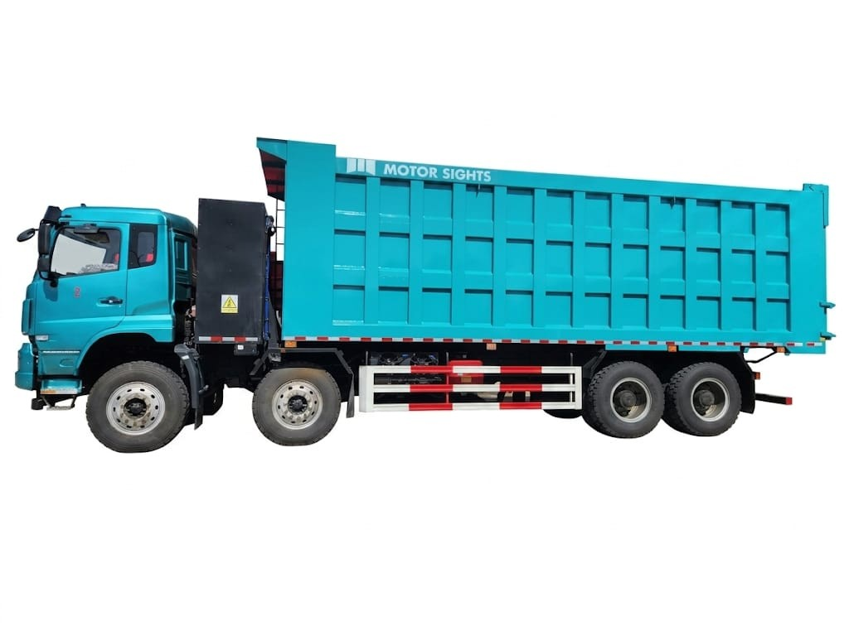
 | Berfungsi, tidak bengkok/patah
25 | Baut Body Mounting (Dump Body ke Frame) |  | [ OK ] [ Not OK ] [Korosi]
 | Khusus perhatikan tanda geser horizontal
26 | Hydraulic Tank Bracket |  | [ OK ] [ Not OK ] [Korosi]
 | Retak, bengkok, atau korosi berat
27 | Ban Kiri (Posisi 5 & 6) |  | [ OK ] [ Not OK ] [Korosi]
 | Periksa kelurusan, retakan, jumlah 10 baut dan deformasi
28 | Ban Kiri (Posisi 9 & 10) |  | [ OK ] [ Not OK ] [Korosi]
 | Periksa kelurusan, retakan, jumlah 10 baut dan deformasi
29 | Body Rear Mounting |  | [ OK ] [ Not OK ] [Korosi]
 | Retak, bengkok, atau korosi berat
7
10-19
28
30 | Tailgate Locking Mechanism Bracket |  | [ OK ] [ Not OK ] [Korosi]
6
20
21
25
27
22
 | Retak, aus, atau kehilangan komponen
8
23
26
31 | Ban Kanan (Posisi 11 & 12) |  | [ OK ] [ Not OK ] [Korosi]
24
 | Periksa kelurusan, retakan, jumlah 10 baut dan deformasi
9
32 | Ban Kanan (Posisi 7 & 8) |  | [ OK ] [ Not OK ] [Korosi]
 | Periksa kelurusan, retakan, jumlah 10 baut dan deformasi
33 | Ban Kanan (Posisi 4) |  | [ OK ] [ Not OK ] [Korosi]
Tampak Kanan
 | Periksa kelurusan, retakan, jumlah 10 baut dan deformasi
34 | Frame Rail R/H |  | [ OK ] [ Not OK ] [Korosi]
 | Retak, bengkok, atau korosi berat
35 | Cross Member Weld Area |  | [ OK ] [ Not OK ] [Korosi]
 | Retak, bengkok, atau korosi berat
36 | Ban Pressure |  | [ OK ] [ Not OK ] [Kurang]
 | Tekanan depan 150 psi, belakang 170 psi
37 | Mounting Lamp |  | [ OK ] [ Not OK ] [Longgar]
 | Baut baut lampu
38

39

Note: | ONLY IN EV TRUCK
 | ICE & EV

 | Tanda Tangan |  | Mekanik PT.MSI

31
32
24
21
22
10-19
7
1
5
25

23
8
26

9
 | Driver
33

