Outposts
 | Planet Name |  | Total Tally
1 |  | P
2
3
4
5
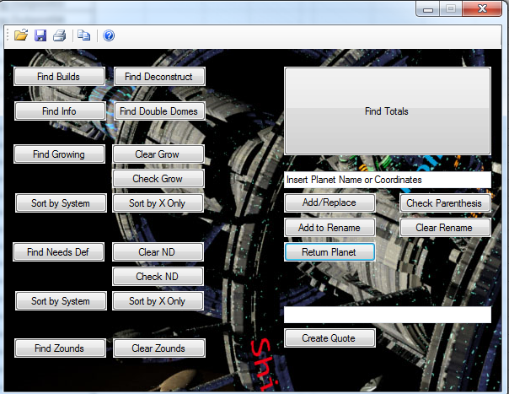
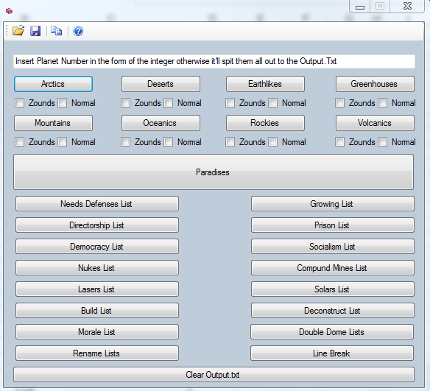
6
7
8
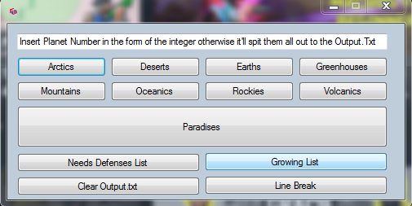
9
10
11
12
13
14
15
16
17
18
19
20
21
22
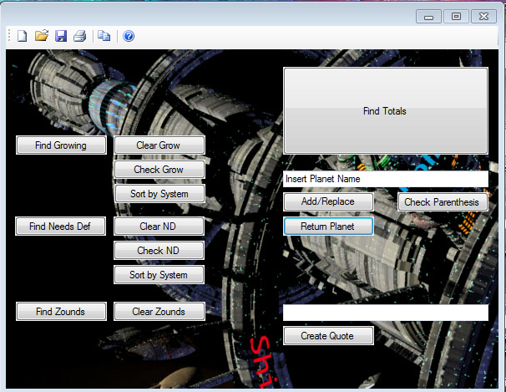
23
24
25
26
27
28
29
30

