Mofusand商品
產品名稱 | 價格 | 圖片網址
Mofusand貓福珊迪-撞色零錢包 | NT$268 | https://diz36nn4q02zr.cloudfront.net/webapi/imagesV3/Original/SalePage/10137562/1/638809203873930000?v=1 | 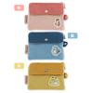
Mofusand貓福珊迪-造型存錢筒 | NT$888 | https://diz36nn4q02zr.cloudfront.net/webapi/imagesV3/Original/SalePage/10142209/1/638809247652170000?v=1 | 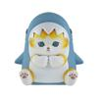
Mofusand貓福珊迪-摺疊收納盒 | NT$280 | https://diz36nn4q02zr.cloudfront.net/webapi/imagesV3/Original/SalePage/8950528/1/638809246818930000?v=1 | 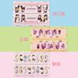
Mofusand貓福珊迪-製冰盒 | NT$439 | https://diz36nn4q02zr.cloudfront.net/webapi/imagesV3/Original/SalePage/8982854/1/638809246883930000?v=1 | 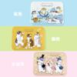
Mofusand貓福珊迪-壓克力吊飾 | NT$250 | https://diz36nn4q02zr.cloudfront.net/webapi/imagesV3/Original/SalePage/9118878/1/638809247047170000?v=1 | 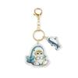
Mofusand貓福珊迪-流沙杯墊 | NT$280 | https://diz36nn4q02zr.cloudfront.net/webapi/imagesV3/Original/SalePage/9122036/1/638809247050700000?v=1 | 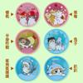
Mofusand貓福珊迪-陶瓷吸水杯墊 | NT$199 | https://diz36nn4q02zr.cloudfront.net/webapi/imagesV3/Original/SalePage/9126925/1/638809234400270000?v=1 | 
Mofusand貓福珊迪-圓形木盤 | NT$450 | https://diz36nn4q02zr.cloudfront.net/webapi/imagesV3/Original/SalePage/9132054/1/638809203249970000?v=1 | 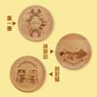
Mofusand貓福珊迪-方形木盤 | NT$450 | https://diz36nn4q02zr.cloudfront.net/webapi/imagesV3/Original/SalePage/9132060/1/638809197941000000?v=1 | 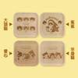
Mofusand貓福珊迪-飲料杯套 | NT$249 | https://diz36nn4q02zr.cloudfront.net/webapi/imagesV3/Original/SalePage/9136939/1/638809213461470000?v=1 | 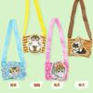
Mofusand貓福珊迪-帆布飲料提袋 | NT$350 | https://diz36nn4q02zr.cloudfront.net/webapi/imagesV3/Original/SalePage/9136987/1/638809247064100000?v=1 | 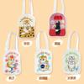
Mofusand貓福珊迪-直角旅行充電器 | NT$390 | https://diz36nn4q02zr.cloudfront.net/webapi/imagesV3/Original/SalePage/9144469/1/638809213470200000?v=1 | 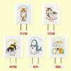
Mofusand貓福珊迪-造型滑鼠墊 | NT$390 | https://diz36nn4q02zr.cloudfront.net/webapi/imagesV3/Original/SalePage/9149632/1/638809247074200000?v=1 | 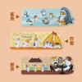
Mofusand貓福珊迪-摺扇 | NT$219 | https://diz36nn4q02zr.cloudfront.net/webapi/imagesV3/Original/SalePage/9149639/1/638809247077730000?v=1 | 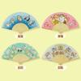
Mofusand貓福珊迪-五入香氛卡 | NT$219 | https://diz36nn4q02zr.cloudfront.net/webapi/imagesV3/Original/SalePage/9149664/1/638809213475400000?v=1 | 
Mofusand貓福珊迪-Air pods 保護殼 | NT$280 ~ NT$350 | https://diz36nn4q02zr.cloudfront.net/webapi/imagesV3/Original/SalePage/9149687/1/638809213479500000?v=1 | 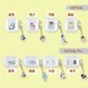
Mofusand貓福珊迪-隨身噴霧瓶 | NT$149 | https://diz36nn4q02zr.cloudfront.net/webapi/imagesV3/Original/SalePage/9153653/1/638809234411100000?v=1 | 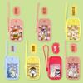
Mofusand貓福珊迪-斜口馬克杯 | NT$450 | https://diz36nn4q02zr.cloudfront.net/webapi/imagesV3/Original/SalePage/9153690/1/638809247084670000?v=1 | 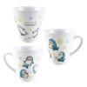
Mofusand貓福珊迪-木杯墊 | NT$180 | https://diz36nn4q02zr.cloudfront.net/webapi/imagesV3/Original/SalePage/9157452/1/638809247088000000?v=1 | 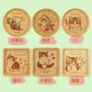
Mofusand貓福珊迪-雙層保鮮盒 | NT$380 | https://diz36nn4q02zr.cloudfront.net/webapi/imagesV3/Original/SalePage/9160375/1/638809213484570000?v=1 | 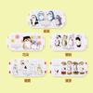
Mofusand貓福珊迪-無框畫(方形款) | NT$550 | https://diz36nn4q02zr.cloudfront.net/webapi/imagesV3/Original/SalePage/9170621/1/638809234423170000?v=1 | 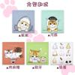
Mofusand貓福珊迪-無框畫(長方形款) | NT$780 | https://diz36nn4q02zr.cloudfront.net/webapi/imagesV3/Original/SalePage/9170636/1/638809234428930000?v=1 | 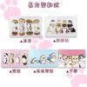
Mofusand貓福珊迪-滑推式票卡夾 ID卡套 證件套 | NT$150 | https://diz36nn4q02zr.cloudfront.net/webapi/imagesV3/Original/SalePage/9171976/1/638809197949430000?v=1 | 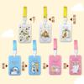
Mofusand貓福珊迪-無線充電盤 | NT$680 | https://diz36nn4q02zr.cloudfront.net/webapi/imagesV3/Original/SalePage/9174491/1/638809247101900000?v=1 | 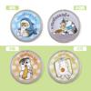
Mofusand貓福珊迪-門簾 | NT$320 ~ NT$420 | https://diz36nn4q02zr.cloudfront.net/webapi/imagesV3/Original/SalePage/9216264/1/638809247154670000?v=1 | 
Mofusand貓福珊迪-3入造型夾 (鯊鯊) | NT$199 | https://diz36nn4q02zr.cloudfront.net/webapi/imagesV3/Original/SalePage/9234067/1/638809247162270000?v=1 | 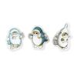
Mofusand貓福珊迪-面紙盒套 | NT$438 | https://diz36nn4q02zr.cloudfront.net/webapi/imagesV3/Original/SalePage/9246618/1/638809193540070000?v=1 | 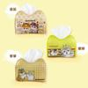
Mofusand貓福珊迪-短袖T恤(成人) | NT$490 | https://diz36nn4q02zr.cloudfront.net/webapi/imagesV3/Original/SalePage/9260664/1/638809197959370000?v=1 | 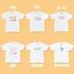
Mofusand貓福珊迪-大肩背包 | NT$550 | https://diz36nn4q02zr.cloudfront.net/webapi/imagesV3/Original/SalePage/9260672/1/638809247165830000?v=1 | 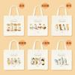
Mofusand貓福珊迪-造型地墊 | NT$450 | https://diz36nn4q02zr.cloudfront.net/webapi/imagesV3/Original/SalePage/9272529/1/638809213511930000?v=1 | 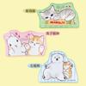
Mofusand貓福珊迪-肩背包 | NT$580 | https://diz36nn4q02zr.cloudfront.net/webapi/imagesV3/Original/SalePage/9276656/1/638809234503200000?v=1 | 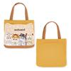
Mofusand貓福珊迪-毛毯 | NT$680 | https://diz36nn4q02zr.cloudfront.net/webapi/imagesV3/Original/SalePageSKU/27598026/1/638675473320970000?v=1
Mofusand貓福珊迪-毛茸零錢包 | NT$280 | https://diz36nn4q02zr.cloudfront.net/webapi/imagesV3/Original/SalePage/9453434/1/638809234646230000?v=1 | 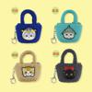
Mofusand貓福珊迪-連帽浴巾毯 | NT$680 | https://diz36nn4q02zr.cloudfront.net/webapi/imagesV3/Original/SalePage/9453435/1/638809234651170000?v=1 | 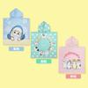
Mofusand貓福珊迪-連帽背心 | NT$780 | https://diz36nn4q02zr.cloudfront.net/webapi/imagesV3/Original/SalePage/9456566/1/638809247281530000?v=1 | 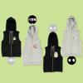
Mofusand貓福珊迪-環保餐具 | NT$280 | https://diz36nn4q02zr.cloudfront.net/webapi/imagesV3/Original/SalePage/9461388/1/638809197972670000?v=1 | 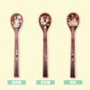
Mofusand貓福珊迪-筆記本_藍色 | NT$380 | https://diz36nn4q02zr.cloudfront.net/webapi/imagesV3/Original/SalePage/9461418/1/638809234660830000?v=1 | 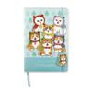
Mofusand貓福珊迪-立牌吊飾 | NT$250 | https://diz36nn4q02zr.cloudfront.net/webapi/imagesV3/Original/SalePage/9465907/1/638827393475600000?v=1 | 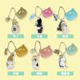
Mofusand貓福珊迪-絨毛零錢包 | NT$380 | https://diz36nn4q02zr.cloudfront.net/webapi/imagesV3/Original/SalePage/9481095/1/638809192984230000?v=1 | 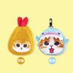
Mofusand貓福珊迪-抱枕 (土司+鯊魚) | NT$550 | https://diz36nn4q02zr.cloudfront.net/webapi/imagesV3/Original/SalePageSKU/28294601/1/638781694774800000?v=1
Mofusand貓福珊迪-髮帶 | NT$280 | https://diz36nn4q02zr.cloudfront.net/webapi/imagesV3/Original/SalePage/9484925/1/638809234665430000?v=1 | 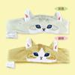
Mofusand貓福珊迪-保溫瓶 | NT$480 | https://diz36nn4q02zr.cloudfront.net/webapi/imagesV3/Original/SalePage/9488711/1/638809213566700000?v=1 | 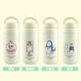
Mofusand貓福珊迪-車用套組 | NT$780 | https://diz36nn4q02zr.cloudfront.net/webapi/imagesV3/Original/SalePage/9578583/1/638809213605670000?v=1 | 
Mofusand貓福珊迪-搖搖立牌 | NT$288 | https://diz36nn4q02zr.cloudfront.net/webapi/imagesV3/Original/SalePage/9783688/1/638809234857670000?v=1 | 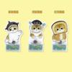
Mofusand貓福珊迪-飲料提袋 | NT$268 | https://diz36nn4q02zr.cloudfront.net/webapi/imagesV3/Original/SalePage/9783694/1/638809247519700000?v=1 | 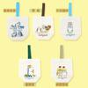
Mofusand貓福珊迪-小滑鼠墊 | NT$238 | https://diz36nn4q02zr.cloudfront.net/webapi/imagesV3/Original/SalePage/9787759/1/638809247523330000?v=1 | 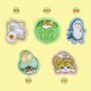
Mofusand貓福珊迪-隔熱墊 | NT$158 | https://diz36nn4q02zr.cloudfront.net/webapi/imagesV3/Original/SalePage/9787788/1/638809213675770000?v=1 | 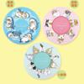
Mofusand貓福珊迪-大抱枕 | NT$550 | https://diz36nn4q02zr.cloudfront.net/webapi/imagesV3/Original/SalePage/9791441/1/638809234862330000?v=1 | 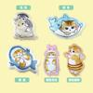
Mofusand貓福珊迪-掛牆時鐘 | NT$680 | https://diz36nn4q02zr.cloudfront.net/webapi/imagesV3/Original/SalePage/9791462/1/638809214164270000?v=1 | 
Mofusand貓福珊迪-皮革方鏡 | NT$180 | https://diz36nn4q02zr.cloudfront.net/webapi/imagesV3/Original/SalePage/9795200/1/638809213679700000?v=1 | 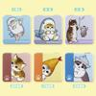
Mofusand貓福珊迪-飾品收納盒 | NT$480 | https://diz36nn4q02zr.cloudfront.net/webapi/imagesV3/Original/SalePage/9795204/1/638809203309970000?v=1 | 