epad_monthly_in_delivery
2011-10-01 | 703.22 | 9.57 | 745 | 523898.9 | 6729.8154 | 5013712.473 |  | 745 |  | SE4 |  |  |  | NPS |  |  | -3684192.2645 | -3685983.8876 |  |  |  |  |  |  | SE4 | NPS |  |  | 2.5343221477
2011-11-01 | 207.07 | 4.89 | 720 | 149090.4 | 1012.5723 | 729052.056 | 704750.3208 | 24 | 696 | 53.1320862 | 1243134.8914 | 144120.72 |  | 44.50643618 | 8.62565002 | 538384.57055 | -1789.0848 | -1789.0848 | * only price from 2/11-30/11 | 30.485483871 | 43.7 | 27.947741935 | 39.17 | 2011-10-01 | 9.14 | 6.27 | 24 | -113077.776 | 68.88
2011-12-01 | 608.9 | 9.49 | 744 | 453021.6 | 5778.461 | 4299174.984 | 4299174.984 |  | 744 | 56.69 | 4589108.808 | 453021.6 |  | 46.56 | 10.13 | 289933.824 |  | -3687772.9724 |  | 9.14 | 43.7 | 6.27 | 39.17 | 2011-10-02 | 7.76 | 5.79 | 24 | -128267.328 | 47.28
2012-01-01 | 600.38 | 3.32 | 744 | 446682.72 | 1993.2616 | 1482986.6304 | 1482986.6304 |  | 744 | 58.78 | 5002846.464 | 446682.72 |  | 47.58 | 11.2 | 3519859.8336 |  |  |  | 7.76 |  | 5.79 |  | 2011-10-03 | 20.97 | 14.05 | 24 | -44724.792 | 166.08
2012-02-01 | 704.45 | 7.83 | 696 | 490297.2 | 5515.8435 | 3839027.076 | 3839027.076 |  | 696 | 58.864398776 | 5424843.7398 | 490297.2 |  | 47.8 | 11.064398776 | 1585816.6638 |  |  |  | 20.97 |  | 14.05 |  | 2011-10-04 | 12.11 | 9.83 | 24 | -123035.3712 | 54.72
2012-03-01 | 309.99 | 9.75 | 743 | 230322.57 | 3022.4025 | 2245645.0575 | 2245645.0575 |  | 743 | 55.251787956 | 2338185.8922 | 230322.57 |  | 45.1 | 10.151787956 | 92540.8347 |  |  |  | 12.11 |  | 9.83 |  | 2011-10-05 | 8.49 | 8.32 | 24 | -158646.432 | 4.08
2012-04-01 | 902.08 | 9.84 | 720 | 649497.6 | 8876.4672 | 6391056.384 | 6391056.384 |  | 720 | 51.638134433 | 5610447.5829 | 649497.6 |  | 43 | 8.6381344333 | -780608.80112 |  |  |  | 8.49 |  | 8.32 |  | 2011-10-06 | 7.46 | 8.09 | 24 | -172148.256 | -15.12
2012-05-01 | 270.01 | 8.66 | 744 | 200887.44 | 2338.2866 | 1739685.2304 | 1739685.2304 |  | 744 | 47.400633717 | 1486694.3618 | 200887.44 |  | 40 | 7.4006337172 | -252990.86858 |  |  |  | 7.46 |  | 8.09 |  | 2011-10-07 | 9.94 | 9.75 | 24 | -158308.8864 | 4.56
2012-06-01 | 10.75 | 6.57 | 720 | 7740 | 70.6275 | 50851.8 | 50851.8 |  | 720 | 47.195544059 | 53087.711016 | 7740 |  | 40.336666667 | 6.8588773923 | 2235.9110164 |  |  |  | 9.94 |  | 9.75 |  | 2011-10-08 | 11.59 | 8.76 | 24 | -113752.8672 | 67.92
2012-07-01 | 80.18 | 8.27 | 744 | 59653.92 | 663.0886 | 493337.9184 | 493337.9184 |  | 744 | 47.374417798 | 422417.56578 | 59653.92 |  | 40.293281038 | 7.0811367599 | -70920.352616 |  |  |  | 11.59 |  | 8.76 |  | 2011-10-09 | 18.86 | 11.15 | 24 | -31391.7408 | 185.04
2012-08-01 | 304.18 | 8.09 | 744 | 226309.92 | 2460.8162 | 1830847.2528 | 1830847.2528 |  | 744 | 48.328079107 | 1716505.9622 | 226309.92 |  | 40.743321168 | 7.5847579383 | -114341.29056 |  |  |  | 18.86 |  | 11.15 |  | 2011-10-10 | 23.6 | 17.52 | 24 | -58901.7072 | 145.92
2012-09-01 | 909.53 | 7.47 | 720 | 654861.6 | 6794.1891 | 4891816.152 | 4891816.152 |  | 720 | 50.392753199 | 5398619.3148 | 654861.6 |  | 42.148844387 | 8.2439088119 | 506803.16279 |  |  |  | 23.6 |  | 17.52 |  | 2011-10-11 | 29.84 | 22.45 | 24 | -36792.4704 | 177.36
2012-10-01 | 780.18 | 8.27 | 745 | 581234.1 | 6452.0886 | 4806806.007 | 4806806.007 |  | 745 | 53.109817012 | 5241415.6764 | 581234.1 |  | 44.092080998 | 9.0177360144 | 434609.66936 |  |  |  | 29.84 |  | 22.45 |  | 2011-10-12 | 33.03 | 28.42 | 24 | -83711.3088 | 110.64
2012-11-01 | 404.18 | 9.09 | 720 | 291009.6 | 3673.9962 | 2645277.264 | 2645277.264 |  | 720 | 55.926853221 | 2788467.1333 | 291009.6 |  | 46.344808047 | 9.5820451741 | 143189.86929 |  |  |  | 33.03 |  | 28.42 |  | 2011-10-13 | 39.08 | 35.22 | 24 | -96369.2688 | 92.64
2012-12-01 | 709.53 | 6.47 | 744 | 527890.32 | 4590.6591 | 3415450.3704 | 3415450.3704 |  | 744 | 57.978779579 | 5177634.9233 | 527890.32 |  | 48.170615407 | 9.808164172 | 1762184.5529 |  |  |  | 39.08 |  | 35.22 |  | 2011-10-14 | 43.94 | 36.93 | 24 | -43205.8368 | 168.24
 |  |  |  |  |  |  |  |  |  |  |  |  |  |  |  |  |  |  |  | 43.94 |  | 36.93 |  | 2011-10-15 | 37.95 | 34.51 | 24 | -103457.7264 | 82.56
 |  | Total qty | 5492397.89 |  |  |  |  |  |  |  |  |  | MtM value | 7656697.5792 |  |  |  |  |  | 37.95 |  | 34.51 |  | 2011-10-16 | 37.16 | 35.21 | 24 | -128604.8736 | 46.8
 |  | Avg qty | 499.62684345 |  |  |  | Rem hours | 10224 |  |  |  |  | Unreal pl | 7656697.5792 |  |  |  |  |  | 37.16 |  | 35.21 |  | 2011-10-17 | 47.12 | 38.6 | 24 | -17721.144 | 204.48
 |  | price | 7.988264422 |  |  |  | Mkt.price | 9.3670062415 |  |  |  |  |  |  |  |  |  |  |  | 47.12 |  | 38.6 |  | 2011-10-18 | 33.98 | 34.06 | 24 | -162865.752 | -1.92
 |  | Avg price | 7.8244148512 |  |  |  |  |  |  |  |  |  | Real pl | -3685981.3493 | -3692692.9556 | -3687772.9724 | -4919.9832 |  |  | 33.98 |  | 34.06 |  | 2011-10-19 | 37.02 | 36.36 | 24 | -150376.5648 | 15.84
 |  | Used Vol | 528868.58 |  |  |  |  |  |  |  |  |  |  |  |  |  |  |  |  | 37.02 |  | 36.36 |  | 2011-10-20 | 43.5 | 39.59 | 24 | -95525.4048 | 93.84
 |  |  |  |  |  |  |  |  |  |  |  |  |  |  |  |  |  |  |  | 43.5 |  | 39.59 |  | 2011-10-21 | 45.12 | 40.98 | 24 | -91643.6304 | 99.36
* NPS Base has Price profile, but the system does not use these in the calculations, so to get the proper prices set price profile to None and export the price curve from price book |  |  |  |  |  |  |  |  |  |  |  |  |  |  |  |  |  |  |  | 45.12 |  | 40.98 |  | 2011-10-22 | 37.41 | 37.4 | 24 | -161346.7968 | 0.24
 |  |  |  |  |  |  |  |  |  |  |  |  |  |  |  |  |  |  |  | 37.41 |  | 37.4 |  | 2011-10-23 | 36.1 | 36.12 | 24 | -161853.1152 | -0.48
 |  |  |  |  |  |  |  |  |  |  |  |  |  |  |  |  |  |  |  | 36.1 |  | 36.12 |  | 2011-10-24 | 38.52 | 38.25 | 24 | -156958.704 | 6.48
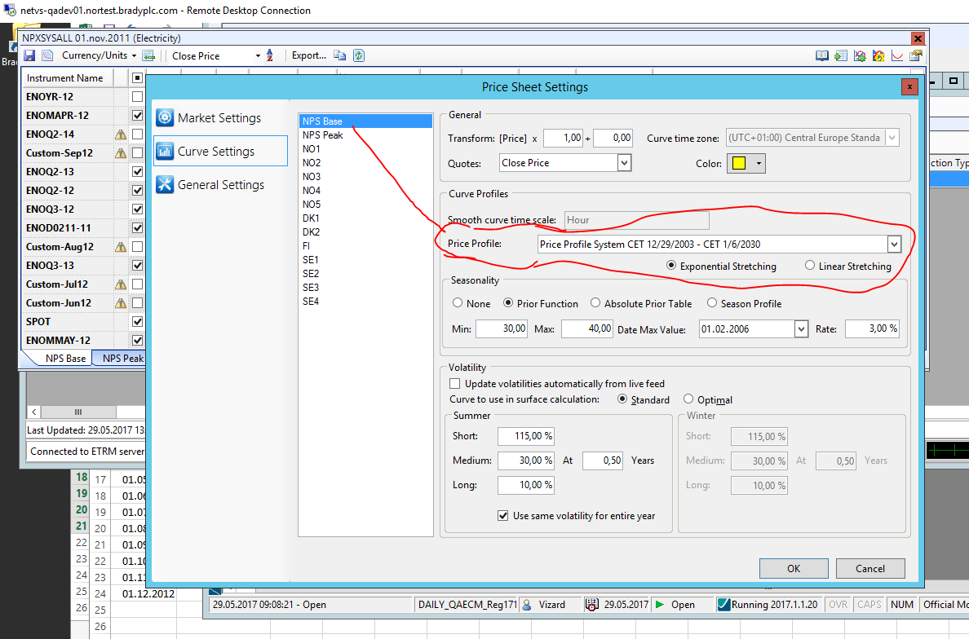
 |  |  |  |  |  |  |  |  |  |  |  |  |  |  |  |  |  |  |  | 38.52 |  | 38.25 |  | 2011-10-25 | 39.14 | 38.8 | 24 | -155777.2944 | 8.16
 |  |  |  |  |  |  |  |  |  |  |  |  |  |  |  |  |  |  |  | 39.14 |  | 38.8 |  | 2011-10-26 | 39.64 | 40.02 | 24 | -167928.936 | -9.12
 |  |  |  |  |  |  |  |  |  |  |  |  |  |  |  |  |  |  |  | 39.64 |  | 40.02 |  | 2011-10-27 | 40.59 | 39.41 | 24 | -141600.3792 | 28.32
 |  |  |  |  |  |  |  |  |  |  |  |  |  |  |  |  |  |  |  | 40.59 |  | 39.41 |  | 2011-10-28 | 39.47 | 39.67 | 24 | -164891.0256 | -4.8
 |  |  |  |  |  |  |  |  |  |  |  |  |  |  |  |  |  |  |  | 39.47 |  | 39.67 |  | 2011-10-29 | 38.22 | 38.14 | 24 | -160165.3872 | 1.92
 |  |  |  |  |  |  |  |  |  |  |  |  |  |  |  |  |  |  |  | 38.22 |  | 38.14 |  | 2011-10-30 | 35.65 | 35.66 | 25 | -168421.19 | -0.25
 |  |  |  |  |  |  |  |  |  |  |  |  |  |  |  |  |  |  |  | 35.65 |  | 35.66 |  | 2011-10-31 | 42.65 | 41.05 | 24 | -134511.9216 | 38.4
 |  |  |  |  |  |  |  |  |  |  |  |  |  |  |  |  |  |  |  | 42.65 |  | 41.05 |  | 2011-11-01 | 43.7 | 39.17 | 24 | -1789.0848

