metadata
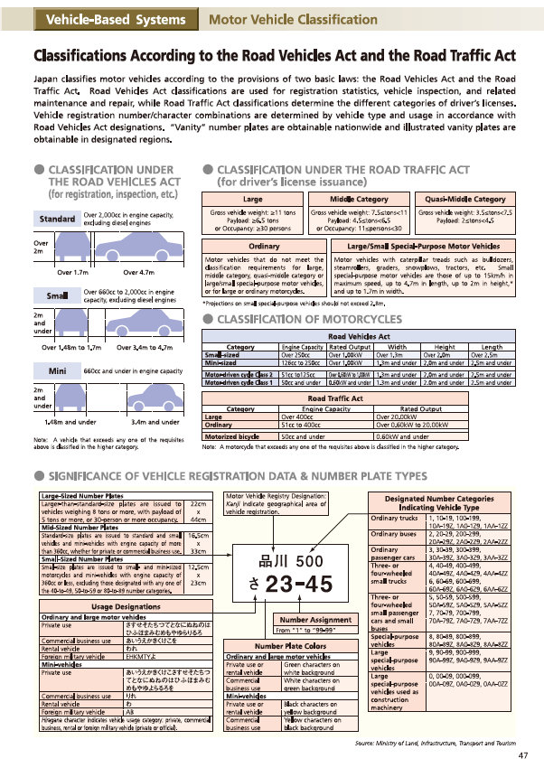
source 1 | http://www.stat.go.jp/english/data/nenkan/69nenkan/1431-13.html
source 2 | http://www.jama-english.jp/publications/The_Motor_Industry_of_Japan_2020.pdf

note 1 | "Special-purpose vehicles" refers to emergency vehicles, special vehicles equipped with beds, refrigerated trucks, tank trucks, tractors, bulldozers, steamrollers, snowplows, snowmobiles, etc, that are identified as special purpose vehicles by special registration numbers.

