Ex1.1
 | Measured tire thickness (new to 7mm)
km | Tire a | Tire b | Tire c | Tire d | Tire e | Tire f | Tire g
5000 | 6.1 | 5.9 | 5.9 | 6.1 | 5.7 | 5.7 | 6
10000 | 5 | 5.1 | 5 | 5 | 4.7 | 5 | 4.8
15000 | 4 | 4.3 | 4.05 | 4.1 | 3.8 | 3.9 | 3.7
20000 | 3.2 | 3.3 | 3.5 | 3.4 | 3.1 | 3.2 | 3.2
25000 | 2.8 | 2.9 | 2.9 | 2.8 | 2.6 | 2.6 | 2.9
30000 | 2.2 | 2.4 | 2.4 | 2.3 | 2.1 | 2 | 2.2

Systems | 7

a | 0.00004 | 0.00004 | 0.00004 | 0.00004 | 0.00004 | 0.00004 | 2.079
b | 7.4166 | 7.2311 | 7.0787 | 7.3856 | 6.9533 | 7.3405 | 23.784

Thickness (mm) | 1
Km Failure | 50093.018278 | 49459.779211 | 48927.256876 | 49988.303961 | 48480.409176 | 49835.174005 | 57475.552308
Exponential lifetime from Rrex
Km | Failures | CF | FREX
48480.409176 | 1 | 1 | 0.14285714286
48927.256876 | 1 | 2 | 0.28571428571
49459.779211 | 1 | 3 | 0.42857142857
49835.174005 | 1 | 4 | 0.57142857143
49988.303961 | 1 | 5 | 0.71428571429
50093.018278 | 1 | 6 | 0.85714285714
57475.552308 | 1 | 7 | 1

 | Exponential lifetime with uptime |  |  |  |  | Exponential lifetime with Rrex
 | Uptime | Fexp1 | T |  |  | Rrex | Fexp2 | T
 | 48480.409176 | 0.61632135915 | 4.3142495141 |  |  | 0.85714285714 | 1 | 7
 | 48927.256876 | 0.6196941375 | 2.1689294813 |  |  | 0.71428571429 | 1 | 3.5
 | 49459.779211 | 0.62367488367 | 1.4552413952 |  |  | 0.57142857143 | 1 | 2.3333333333
 | 49835.174005 | 0.62645599434 | 1.0962979901 |  |  | 0.42857142857 | 1 | 1.75
 | 49988.303961 | 0.62758454641 | 0.87861836497 |  |  | 0.28571428571 | 1 | 1.4
 | 50093.018278 | 0.62835431658 | 0.73308003601 |  |  | 0.14285714286 | 1 | 1.1666666667
 | 57475.552308 | 0.67879949424 | 0.67879949424 |  |  | 0 | 1 | 1
Cumulative UT= | 354259.49381 | Moy= | 1.6178880394 |  | λ= | 0.343 | Moy= | 2.5928571429
Residual UT= | 0 | Std= | 1.2963933388 |  | MTBF= | 2.915451895 | Std= | 2.122015489
Total UT= | 354259.49381 |  | >> KO |  |  |  |  | >> KO
MTBF= | 50608.499116
λ= | 1.9759526907E-05

Weibull lifetime
Weibull lifetime
ln(km) | Yrex | Fw | Yw | T
10.788915061 | -1.8698247145 | 0.14478991081 | -1.855286522 | 1.0078360902
10.79808992 | -1.0892396396 | 0.25573837599 | -1.2195513191 | 0.89314785085
10.808915077 | -0.58050482369 | 0.46491864989 | -0.46946539433 | 1.2365231404
10.816476319 | -0.16570298099 | 0.65214546605 | 0.054460620972 | 3.0426201177
10.819544336 | 0.22535148683 | 0.72912594702 | 0.26704660465 | 0.84386576315
10.821636922 | 0.66572981058 | 0.77906810144 | 0.41204393759 | 1.6156767516
10.959114959 | #NUM! | 1 | #NUM! | #NUM!
β= | 69.291 |  | Moy= | 1.1194099192
α= | 49796.020461 |  | Std= | 0.28268855665
A= | ########### |  |  | >> OK
MTBF= | ###########

Thickness (mm) | 3.6
Km | 18069.672142 | 17436.433075 | 16903.910739 | 17964.957825 | 16457.063039 | 17811.827868 | 16457.123608

Residual km | 32023.346137 | 32023.346137 | 32023.346137 | 32023.346137 | 32023.346137 | 32023.346137 | 41018.4287
Average | 33308.357931

Ex1.2
t (h) | Comp. 1 | Comp. 2 | Comp. 3 | Comp. 4 | Comp. 5
100 | 21.99 | 113.42 | 38.68 | 21.5 | 26
200 | 26.85 | 142.53 | 42.75 | 28.5 | 32
300 | 32.8 | 159.56 | 47.25 | 35.5 | 38
400 | 40.06 | 171.64 | 52.21 | 42.5 | 44
500 | 48.93 | 181.01 | 57.71 | 49.5 | 50
600 | 59.76 | 188.67 | 63.77 | 56.5 | 56
700 | 72.99 | 195.15 | 70.48 | 63.5 | 62
800 | 89.15 | 200.75 | 77.89 | 70.5 | 68
900 | 108.89 | 205.7 | 86.09 | 77.5 | 74
1000 | 133 | 210.13 | 95.14 | 84.5 | 80

Systems | 5

a | 0.002 | 41.999 | 0.001 | 0.07 | 0.06
b | 18.001 | 79.996 | 35 | 14.5 | 20

Temp | 250
t Failure | 1315.516803 | 2584.3639333 | 1966.1128564 | 3364.2857143 | 3833.3333333

t | Failures | CF | FREX
1315.516803 | 1 | 1 | 0.2
1966.1128564 | 1 | 2 | 0.4
2584.3639333 | 1 | 3 | 0.6
3364.2857143 | 1 | 4 | 0.8
3833.3333333 | 1 | 5 | 1

ln(t) | Yrex | Fw | Yw | T
7.1819848735 | -1.4999399868 | 0.19880705041 | -1.5066400398 | 0.99555298353
7.5838137031 | -0.67172699209 | 0.40334859592 | -0.66083053631 | 1.0164890319
7.8572346961 | -0.087421571791 | 0.60077520736 | -0.085306688254 | 1.0247915325
8.1209709504 | 0.47588499533 | 0.79804795735 | 0.46983175347 | 1.01288385
8.2514900257 | #NUM! | 0.87821738376 | 0.74456135506 | #NUM!
β= | 2.1049 |  | Moy= | 1.0124293495
α= | 2691.2535399 |  | Std= | 0.012306135179
A= | 0.8857
MTBF= | 2383.6432603
Weibull lifetime

Ex1.3
 | t (years) | Thickness measures
 | t | B1 | B2 | B3 | B4 | B5 | B6
 | 0.25 | 33.41 | 26.33 | 17.96 | 32.27 | 33.56 | 18.55
 | 0.5 | 31.76 | 19.81 | 15.82 | 29.56 | 32.17 | 16.48
 | 0.75 | 30.11 | 14.91 | 14.57 | 26.84 | 30.84 | 15.27
 | 1 | 28.46 | 11.22 | 13.68 | 24.12 | 29.56 | 14.42
 | 1.25 | 26.82 |  | 13.00 | 21.41 | 28.33 | 13.75
 | 1.5 | 25.17 |  | 12.43 | 18.69 | 27.16 | 13.21
 | 1.75 | 23.52 |  | 11.96 | 15.98 | 26.03 | 12.75
 | 2 | 21.87 |  | 11.55 | 13.26 | 24.96 | 12.35
 | 2.25 | 20.22 |  | 11.18 |  | 23.92 | 12.00
 | 2.5 | 18.57 |  | 10.86 |  | 22.93 | 11.68
 | 2.75 | 16.92 |  |  |  | 21.98 | 11.40
 | 3 | 15.28 |  |  |  | 21.07 | 11.14
 | 3.25 | 13.63 |  |  |  | 20.19
 | 3.5 |  |  |  |  | 19.36 | 10.68
 | 3.75 |  |  |  |  | 18.55 | 10.48
 | 4 |  |  |  |  | 17.79 | 10.28
 | 4.25 |  |  |  |  | 17.05
 | 4.5 |  |  |  |  | 16.34
 | 4.75 |  |  |  |  | 15.66
 | 5 |  |  |  |  | 15.01
 | 5.25 |  |  |  |  | 14.39
 | 5.5 |  |  |  |  | 13.80
 | 5.75 |  |  |  |  | 13.22
 | 6 |  |  |  |  | 12.68

 | Systems | 6

 | B6
0.25 | 18.55
0.5 | 16.48
0.75 | 15.27
1 | 14.42
1.25 | 13.75
1.5 | 13.21
1.75 | 12.75
2 | 12.35
2.25 | 12.00
2.5 | 11.68
2.75 | 11.40
3 | 11.14
3.25
3.5 | 10.68
3.75 | 10.48
4 | 10.28
 | a | -6.5942 | -1.138 | -3.086 | -10.865 | -0.169 | -2.98
 | b | 35.058 | 35 | 13.684 | 34.99 | 35.015 | 14.415

 | Thickness | 10
 | t Failure | 3.8000060659 | 1.1008461938 | 3.299524456 | 2.3000460193 | 7.4153340125 | 4.3997319744
Weibull lifetime
 | t | Failures | CF | FREX
 | 1.1008461938 | 1 | 1 | 0.16666666667
 | 2.3000460193 | 1 | 2 | 0.33333333333
 | 3.299524456 | 1 | 3 | 0.5
 | 3.8000060659 | 1 | 4 | 0.66666666667
 | 4.3997319744 | 1 | 5 | 0.83333333333
 | 7.4153340125 | 1 | 6 | 1

 | Exponential lifetime with uptime |  |  |  | Weibull lifetime
 | Uptime | Fexp1 | T |  | ln(t) | Yrex | Fw | Yw | T
 | 1.1008461938 | 0.25620232279 | 1.5372139368 |  | 0.096079151122 | -1.7019833553 | 0.14644522285 | -1.8429755495 | 0.92349752318
 | 2.3000460193 | 0.46120328643 | 1.3836098593 |  | 0.83292913114 | -0.90272045572 | 0.391603043 | -0.69931069556 | 1.2908717991
 | 3.299524456 | 0.58817148771 | 1.1763429754 |  | 1.1937783539 | -0.36651292058 | 0.58105772711 | -0.13923661698 | 2.632302684
 | 3.8000060659 | 0.64002241518 | 0.96003362277 |  | 1.335002663 | 0.094047827617 | 0.66150338048 | 0.079957633289 | 1.1762207528
 | 4.3997319744 | 0.69363030336 | 0.83235636404 |  | 1.4815436242 | 0.58319808078 | 0.74331100449 | 0.30740385906 | 1.897172282
 | 7.4153340125 | 0.86381926421 | 0.86381926421 |  | 2.0035500201 | #NUM! | 0.95299672063 | 1.1176099862 | #NUM!
Cumulative UT= | 22.315488722 | Moy= | 1.1255626704 |  | β= | 1.5521 |  | Moy= | 1.3219405893
Residual UT= | 0 | Std= | 0.29000109329 |  | α= | 3.6092026982 |  | Std= | 0.41305686359
Total UT= | 22.315488722 |  |  |  | A= | 0.8994
MTBF= | 3.7192481203 |  |  |  | MTBF= | 3.2461169068
λ= | 0.26887154813

Reliability R(t)
 |  | Reliability R(t)
 | t | Exp | Weibull
 | 0 | 1 | 1
 | 0.5 | 0.87420902396 | 0.95454816869
 | 1 | 0.76424141758 | 0.87248600404
 | 1.5 | 0.66810674374 | 0.77418155658
 | 2 | 0.58406494435 | 0.67031348467
 | 2.5 | 0.51059484493 | 0.56803754221
 | 3 | 0.44636662103 | 0.47210500087
 | 3.5 | 0.3902177281 | 0.3854157916
 | 4 | 0.34113185921 | 0.3094361801
 | 4.5 | 0.29822054969 | 0.24456032453
 | 5 | 0.26070709567 | 0.19042598027
 | 5.5 | 0.22791249564 | 0.14618099808
 | 6 | 0.19924316037 | 0.11069775364
 | 6.5 | 0.17418016876 | 0.082736361998
 | 7 | 0.15226987532 | 0.061061076379
 | 7.5 | 0.13311569908 | 0.044516639466
 | 8 | 0.11637094537 | 0.032072435245

 | Thickness | 18
 | t Alarm | 2.5868187195 | 0.58433770087 | 0.24694881116 | 1.5637367694 | 3.9373064095 | 0.30028593721

 | Residual t | 1.2131873465 | 0.51650849288 | 3.0525756449 | 0.73630924988 | 3.478027603 | 4.0994460372
 | Average | 2.182675729

Ex2.1
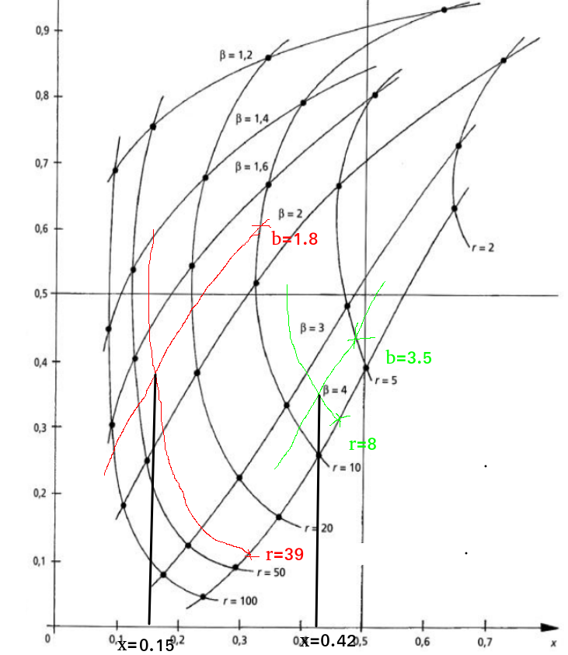
System 1 |  |  |  | System 2
cp | P | α | β | cp | P | α | β
20 | 780 | 15.4 | 1.8 | 80 | 640 | 8.5 | 3.5

Graphical method s1, s2

r = P / cp |  | r= | 39 |  |  | r= | 8
x = chart |  | x= | 0.15 |  |  | x= | 0.42
T = x * α |  | T= | 2.31 |  |  | T= | 3.57
 |  | T(month)= | 27.72 |  |  | T(month)= | 42.84

Analytical method s2

A= | 0.8893
dt= | 0.02

x=i*dt | 1= | 2= | 3= | 4=c2(T)/c1
0.02 | 0.098812005447 | 0.019999998 | 0.019999998 | 4.9406007664 |  | 1=
0.04 | 0.098821229304 | 0.019999906469 | 0.039999904469 | 2.4705366329
0.06 | 0.098852933964 | 0.019999440991 | 0.05999934546 | 1.6475668727
0.08 | 0.098925577842 | 0.019998185097 | 0.079997530557 | 1.2366078947 |  | 2=
0.1 | 0.099061046126 | 0.019995626478 | 0.099993157036 | 0.99067825302
0.12 | 0.099284153603 | 0.019991173093 | 0.11998433013 | 0.82747600038
0.14 | 0.099622298082 | 0.019984163481 | 0.13996849361 | 0.71174801923
0.16 | 0.10010518771 | 0.019973874441 | 0.15994236805 | 0.625882866 |  | 3=
0.18 | 0.10076460636 | 0.01995952737 | 0.17990189542 | 0.56010864213
0.2 | 0.10163419704 | 0.019940293922 | 0.19984218934 | 0.5085722758
0.22 | 0.10274925059 | 0.019915301387 | 0.21975749073 | 0.46755744366
0.24 | 0.10414649102 | 0.019883638057 | 0.23964112879 | 0.4345935589 |  | 4=
0.26 | 0.10586385088 | 0.019844358765 | 0.25948548755 | 0.4079759985
0.28 | 0.10794023202 | 0.019796490742 | 0.27928197829 | 0.38649193436
0.3 | 0.11041524778 | 0.019739039891 | 0.29902101819 | 0.36925580832
0.32 | 0.11332894382 | 0.019670997576 | 0.31869201576 | 0.3556064734
0.34 | 0.1167214956 | 0.019591347972 | 0.33828336373 | 0.3450406024
0.36 | 0.1206328809 | 0.019499076032 | 0.35778243977 | 0.33716825505
0.38 | 0.12510252704 | 0.019393176095 | 0.37717561586 | 0.33168243592
0.4 | 0.13016893268 | 0.01927266113 | 0.39644827699 | 0.3283377435
0.42 | 0.13586926532 | 0.019136572619 | 0.41558484961 | 0.32693507823
0.44 | 0.14223893594 | 0.018983991039 | 0.43456884065 | 0.32731048026
0.46 | 0.14931115362 | 0.018814046878 | 0.45338288753 | 0.32932683991
0.48 | 0.15711646341 | 0.01862593214 | 0.47200881967 | 0.33286764327 |  | MINc2/c1= | 0.32693507823 | < 1 => OK
0.5 | 0.16568227189 | 0.018418912197 | 0.49042773186 | 0.33783218428 |  | x= | 0.42
0.52 | 0.17503236574 | 0.018192337907 | 0.50862006977 | 0.34413185036 |  | T= | 3.57
0.54 | 0.18518642949 | 0.017945657821 | 0.52656572759 | 0.35168720596 |  | T(month)= | 42.84
0.56 | 0.19615956954 | 0.017678430333 | 0.54424415793 | 0.36042567785
0.58 | 0.20796185244 | 0.017390335566 | 0.56163449349 | 0.3702797012
0.6 | 0.22059786609 | 0.017081186793 | 0.57871568029 | 0.38118522376
0.62 | 0.23406631311 | 0.016750941161 | 0.59546662145 | 0.39308049297
0.64 | 0.24835964623 | 0.016399709482 | 0.61186633093 | 0.40590507056
0.66 | 0.26346375575 | 0.016027764829 | 0.62789409576 | 0.41959903354
0.68 | 0.27935771915 | 0.01563554969 | 0.64352964545 | 0.43410233099
0.7 | 0.29601362297 | 0.015223681421 | 0.65875332687 | 0.44935427405
0.72 | 0.31339646627 | 0.014792955747 | 0.67354628262 | 0.46529314222
0.74 | 0.33146415453 | 0.014344348087 | 0.6878906307 | 0.48185589357
0.76 | 0.3501675917 | 0.013879012491 | 0.70176964319 | 0.49897796961
0.78 | 0.36945087643 | 0.013398278009 | 0.7151679212 | 0.51659318809
0.8 | 0.38925160739 | 0.012903642358 | 0.72807156356 | 0.53463371854
0.82 | 0.40950129975 | 0.012396762794 | 0.74046832635 | 0.5530301367
0.84 | 0.43012591339 | 0.011879444161 | 0.75234777051 | 0.57171155448
0.86 | 0.45104649032 | 0.01135362413 | 0.76370139464 | 0.59060582249
0.88 | 0.47217989621 | 0.010821355737 | 0.77452275038 | 0.60963980203
0.9 | 0.49343965834 | 0.01028478737 | 0.78480753775 | 0.62873970318
0.92 | 0.51473688906 | 0.0097461404524 | 0.7945536782 | 0.64783148474
0.94 | 0.5359812813 | 0.0092076851159 | 0.80376136332 | 0.66684131107
0.96 | 0.55708216013 | 0.0086717142512 | 0.81243307757 | 0.68569605979
0.98 | 0.57794957171 | 0.0081405163682 | 0.82057359394 | 0.70432387293
1 | 0.5984953893 | 0.0076163477608 | 0.8281899417 | 0.72265474279

Ex2.2
α= | 6.4
β= | 3.2
MTBF= | 5.758
cp= | 15
P= | 450

r= | 30
A= | 0.8996875

dt= | 0.02

x=idt | 1= | 2= | 3= | 4=c2(T)/c1
0.02 | 0.029025362691 | 0.019999992038 | 0.019999992038 | 1.4512687123 | Minc2/c1= | 0.15675065205 | < 1 >> OK
0.04 | 0.029051448309 | 0.019999732197 | 0.039999724235 | 0.72629121486 | x= | 0.28
0.06 | 0.029129306784 | 0.019998626846 | 0.059998351082 | 0.48550178895 | T= | 1.792
0.08 | 0.029291127773 | 0.019995970047 | 0.079994321129 | 0.36616508972 | T(month)= | 21.504
0.1 | 0.029571356827 | 0.019990994492 | 0.09998531562 | 0.29575699835
0.12 | 0.03000615615 | 0.019982888002 | 0.11996820362 | 0.25011757486
0.14 | 0.030633041494 | 0.01997080345 | 0.13993900707 | 0.21890280726
0.16 | 0.031490596134 | 0.019953866049 | 0.15989287312 | 0.19694809105
0.18 | 0.0326182202 | 0.019931179431 | 0.17982405255 | 0.18138964025
0.2 | 0.034055894132 | 0.019901831201 | 0.19972588375 | 0.17051317282
0.22 | 0.035843944247 | 0.019864898321 | 0.21959078207 | 0.1632306416
0.24 | 0.038022803112 | 0.019819452538 | 0.23941023461 | 0.15881862015
0.26 | 0.040632760162 | 0.019764565988 | 0.2591748006 | 0.15677743387
0.28 | 0.043713699785 | 0.019699317065 | 0.27887411766 | 0.15675065205
0.3 | 0.047304825325 | 0.019622796597 | 0.29849691426 | 0.15847676497
0.32 | 0.051444368431 | 0.01953411435 | 0.31803102861 | 0.16175895998
0.34 | 0.056169283983 | 0.019432405876 | 0.33746343449 | 0.16644554118
0.36 | 0.061514931515 | 0.019316839677 | 0.35678027416 | 0.1724168514
0.38 | 0.067514744715 | 0.019186624666 | 0.37596689883 | 0.17957630027
0.4 | 0.074199891199 | 0.019041017879 | 0.39500791671 | 0.18784406099
0.42 | 0.081598925308 | 0.018879332376 | 0.41388724909 | 0.19715254695
0.44 | 0.089737437254 | 0.018700945273 | 0.43258819436 | 0.20744310276
0.46 | 0.098637702452 | 0.018505305807 | 0.45109350017 | 0.21866354185
0.48 | 0.10831833537 | 0.018291943356 | 0.46938544352 | 0.23076628571
0.5 | 0.11879395263 | 0.018060475296 | 0.48744591882 | 0.24370693864
0.52 | 0.13007485056 | 0.017810614589 | 0.50525653341 | 0.25744318374
0.54 | 0.14216670266 | 0.017542176979 | 0.52279871039 | 0.27193391995
0.56 | 0.15507028255 | 0.017255087664 | 0.54005379805 | 0.28713858343
0.58 | 0.16878121848 | 0.016949387317 | 0.55700318537 | 0.30301661268
0.6 | 0.18328978511 | 0.016625237309 | 0.57362842268 | 0.31952702806
0.62 | 0.19858073832 | 0.01628292402 | 0.5899113467 | 0.33662810425
0.64 | 0.21463319882 | 0.015922862085 | 0.60583420878 | 0.35427712022
0.66 | 0.23142058962 | 0.015545596462 | 0.62137980524 | 0.37243017502
0.68 | 0.24891063217 | 0.015151803213 | 0.63653160846 | 0.39104206117
0.7 | 0.26706540528 | 0.014742288878 | 0.65127389734 | 0.41006618931
0.72 | 0.28584147013 | 0.01431798837 | 0.66559188571 | 0.42945455956
0.74 | 0.30519006377 | 0.013879961325 | 0.67947184703 | 0.44915777615
0.76 | 0.32505736251 | 0.013429386856 | 0.69290123389 | 0.4691251027
0.78 | 0.34538481528 | 0.012967556698 | 0.70586879059 | 0.48930455615
0.8 | 0.36610954603 | 0.012495866751 | 0.71836465734 | 0.50964303755
0.82 | 0.38716482267 | 0.012015807063 | 0.7303804644 | 0.53008649813
0.84 | 0.40848058873 | 0.011528950328 | 0.74190941473 | 0.55058013907
0.86 | 0.42998405271 | 0.011036938992 | 0.75294635372 | 0.57106864332
0.88 | 0.4516003284 | 0.010541471108 | 0.76348782483 | 0.59149643742
0.9 | 0.47325311842 | 0.010044285106 | 0.77353210993 | 0.611807981
0.92 | 0.49486543189 | 0.009547143676 | 0.78307925361 | 0.63194808138
0.94 | 0.51636032602 | 0.0090518169717 | 0.79213107058 | 0.65186222987
0.96 | 0.53766166069 | 0.0085600653972 | 0.80069113598 | 0.67149695623
0.98 | 0.55869485413 | 0.0080736222249 | 0.8087647582 | 0.6908001968
1 | 0.57938762768 | 0.0075941763274 | 0.81635893453 | 0.70972167165

Ex3.1
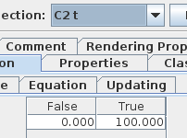
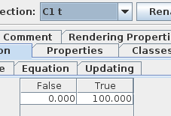
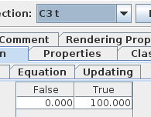
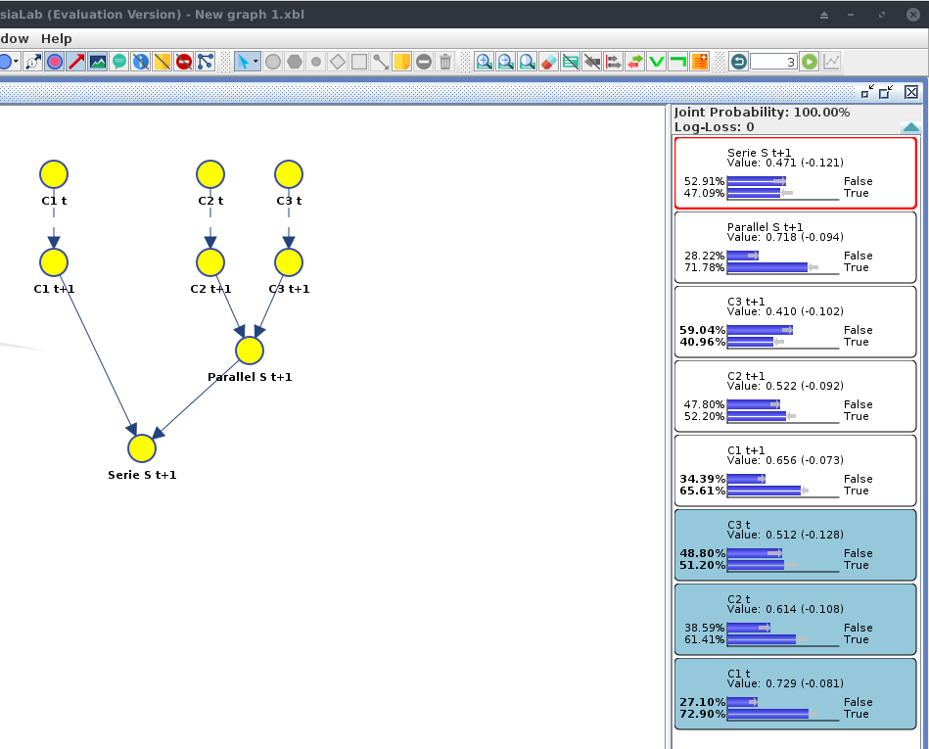
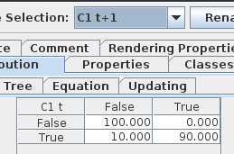
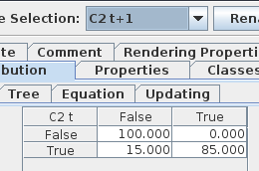
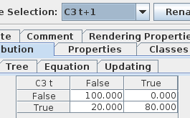
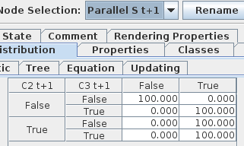
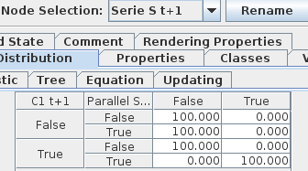
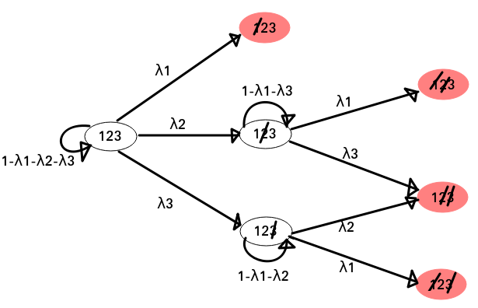

 | Markov Chain

 | Q= | No failure | 1 | 2 | 3 | 12 | 23 | 13
 | No failure | 1-λ1-λ2-λ3 | λ1 | λ2 | λ3 | 0 | 0 | 0
 | 1 | 0 | 1 | 0 | 0 | 0 | 0 | 0
 | 2 | 0 | 0 | 1-λ1-λ3 | 0 | λ1 | λ3 | 0
 | 3 | 0 | 0 | 0 | 1-λ2-λ1 | 0 | λ2 | λ1
 | 12 | 0 | 0 | 0 | 0 | 1 | 0 | 0
 | 23 | 0 | 0 | 0 | 0 | 0 | 1 | 0
 | 13 | 0 | 0 | 0 | 0 | 0 | 0 | 1

 | λ1= | 0.1
 | λ2= | 0.15
 | λ3= | 0.2

 | Q= | No failure | 1 | 2 | 3 | 12 | 23 | 13 | Total=
 | No failure | 0.55 | 0.1 | 0.15 | 0.2 | 0 | 0 | 0 | 1
 | 1 | 0 | 1 | 0 | 0 | 0 | 0 | 0 | 1
 | 2 | 0 | 0 | 0.7 | 0 | 0.1 | 0.2 | 0 | 1
 | 3 | 0 | 0 | 0 | 0.75 | 0 | 0.15 | 0.1 | 1
 | 12 | 0 | 0 | 0 | 0 | 1 | 0 | 0 | 1
 | 23 | 0 | 0 | 0 | 0 | 0 | 1 | 0 | 1
 | 13 | 0 | 0 | 0 | 0 | 0 | 0 | 1 | 1

 | S0= | S1=QT*S0 | S2=QT*S1 | S3=QT*S2 | S4=QT*S3
No failure | 1 | 0.55 | 0.3025 | 0.166375 | 0.09150625
1 | 0 | 0.1 | 0.155 | 0.18525 | 0.2018875
2 | 0 | 0.15 | 0.1875 | 0.176625 | 0.14859375
3 | 0 | 0.2 | 0.26 | 0.2555 | 0.2249
12 | 0 | 0 | 0.015 | 0.03375 | 0.0514125
23 | 0 | 0 | 0.06 | 0.1365 | 0.21015
13 | 0 | 0 | 0.02 | 0.046 | 0.07155
Total= | 1 | 1 | 1 | 1 | 1

 | R(t=4) = P(S4=No failure OR S4=2 OR S4=3) = P(S4=No failure) + P(S4=2) + P(S4=3) = |  |  |  |  |  |  |  | 0.465

 | Dynamic Bayesian Network

Ex3.2
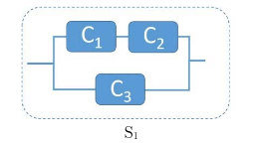
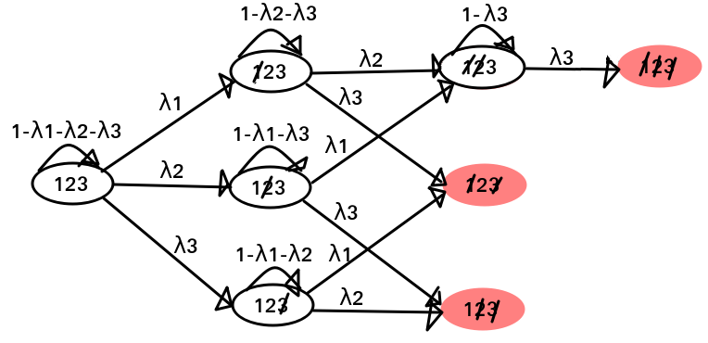

 | Q= | No failures | 1 | 2 | 3 | 12 | 13 | 23 | 123
 | No failures | 1-λ1-λ2-λ3 | λ1 | λ2 | λ3 | 0 | 0 | 0 | 0
 | 1 | 0 | 1-λ2-λ3 | 0 | 0 | λ2 | λ3 | 0 | 0
 | 2 | 0 | 0 | 1-λ1-λ3 | 0 | λ1 | 0 | λ3 | 0
 | 3 | 0 | 0 | 0 | 1-λ1-λ2 | 0 | λ1 | λ2 | 0
 | 12 | 0 | 0 | 0 | 0 | 1-λ3 | 0 | 0 | λ3
 | 13 | 0 | 0 | 0 | 0 | 0 | 1 | 0 | 0
 | 23 | 0 | 0 | 0 | 0 | 0 | 0 | 1 | 0
 | 123 | 0 | 0 | 0 | 0 | 0 | 0 | 0 | 1

 | λ1= | 0.15
 | λ2= | 0.2
 | λ3= | 0.05

 | Q= | No failures | 1 | 2 | 3 | 12 | 13 | 23 | 123 | Total=
 | No failures | 0.6 | 0.15 | 0.2 | 0.05 | 0 | 0 | 0 | 0 | 1
 | 1 | 0 | 0.75 | 0 | 0 | 0.2 | 0.05 | 0 | 0 | 1
 | 2 | 0 | 0 | 0.8 | 0 | 0.15 | 0 | 0.05 | 0 | 1
 | 3 | 0 | 0 | 0 | 0.65 | 0 | 0.15 | 0.2 | 0 | 1
 | 12 | 0 | 0 | 0 | 0 | 0.95 | 0 | 0 | 0.05 | 1
 | 13 | 0 | 0 | 0 | 0 | 0 | 1 | 0 | 0 | 1
 | 23 | 0 | 0 | 0 | 0 | 0 | 0 | 1 | 0 | 1
 | 123 | 0 | 0 | 0 | 0 | 0 | 0 | 0 | 1 | 1

 | S0= | S1=QT*S0 | S2=QT*S1 | S3=QT*S2 | S4=QT*S3 | S5=QT*S4 | S6=QT*S5
No failures | 1 | 0.6 | 0.36 | 0.216 | 0.1296 | 0.07776 | 0.046656
1 | 0 | 0.15 | 0.2025 | 0.205875 | 0.18680625 | 0.1595446875 | 0.13132251562
2 | 0 | 0.2 | 0.28 | 0.296 | 0.28 | 0.24992 | 0.215488
3 | 0 | 0.05 | 0.0625 | 0.058625 | 0.04890625 | 0.0382690625 | 0.028762890625
12 | 0 | 0 | 0.06 | 0.1395 | 0.2181 | 0.28655625 | 0.341625375
13 | 0 | 0 | 0.015 | 0.0345 | 0.0535875 | 0.07026375 | 0.08398134375
23 | 0 | 0 | 0.02 | 0.0465 | 0.073025 | 0.09680625 | 0.1169560625
123 | 0 | 0 | 0 | 0.003 | 0.009975 | 0.02088 | 0.0352078125
Total= | 1 | 1 | 1 | 1 | 1 | 1 | 1

 | R(t=6) = P(S6=No failure OR S6=1 OR S6=2 OR S6=3 OR S6=12) = P(S6=No failure) + P(S6=1) + P(S6=2) + P(S6=3) + P(S6=12) = |  |  |  |  |  |  |  |  |  |  | 0.76385478125

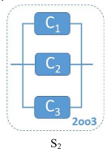

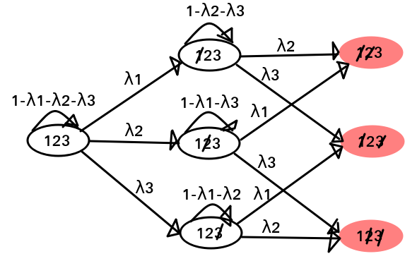

 | Q= | No failure | 1 | 2 | 3 | 12 | 13 | 23
 | No failure | 1-λ1-λ2-λ3 | λ1 | λ2 | λ3 | 0 | 0 | 0
 | 1 | 0 | 1-λ2-λ3 | 0 | 0 | λ2 | λ3 | 0
 | 2 | 0 | 0 | 1-λ1-λ3 | 0 | λ1 | 0 | λ3
 | 3 | 0 | 0 | 0 | 1-λ1-λ2 | 0 | λ1 | λ2
 | 12 | 0 | 0 | 0 | 0 | 1 | 0 | 0
 | 13 | 0 | 0 | 0 | 0 | 0 | 1 | 0
 | 23 | 0 | 0 | 0 | 0 | 0 | 0 | 1

 | λ1= | 0.15
 | λ2= | 0.2
 | λ3= | 0.05

 | Q= | No failure | 1 | 2 | 3 | 12 | 13 | 23 | Total=
 | No failure | 0.6 | 0.15 | 0.2 | 0.05 | 0 | 0 | 0 | 1
 | 1 | 0 | 0.75 | 0 | 0 | 0.2 | 0.05 | 0 | 1
 | 2 | 0 | 0 | 0.8 | 0 | 0.15 | 0 | 0.05 | 1
 | 3 | 0 | 0 | 0 | 0.65 | 0 | 0.15 | 0.2 | 1
 | 12 | 0 | 0 | 0 | 0 | 1 | 0 | 0 | 1
 | 13 | 0 | 0 | 0 | 0 | 0 | 1 | 0 | 1
 | 23 | 0 | 0 | 0 | 0 | 0 | 0 | 1 | 1

 | S0= | S1=QT*S0 | S2=QT*S1 | S3=QT*S2 | S4=QT*S3 | S5=QT*S4 | S6=QT*S5
No failure | 1 | 0.6 | 0.36 | 0.216 | 0.1296 | 0.07776 | 0.046656
1 | 0 | 0.15 | 0.2025 | 0.205875 | 0.18680625 | 0.1595446875 | 0.13132251563
2 | 0 | 0.2 | 0.28 | 0.296 | 0.28 | 0.24992 | 0.215488
3 | 0 | 0.05 | 0.0625 | 0.058625 | 0.04890625 | 0.0382690625 | 0.028762890625
12 | 0 | 0 | 0.06 | 0.1425 | 0.228075 | 0.30743625 | 0.3768331875
13 | 0 | 0 | 0.015 | 0.0345 | 0.0535875 | 0.07026375 | 0.08398134375
23 | 0 | 0 | 0.02 | 0.0465 | 0.073025 | 0.09680625 | 0.1169560625
Total= | 1 | 1 | 1 | 1 | 1 | 1 | 1

 | R(t=6) = P(S6=No failure OR S6=1 OR S6=2 OR S6=3) = P(S6=No failure) + P(S6=1) + P(S6=2) + P(S6=3) = |  |  |  |  |  |  |  |  |  | 0.42222940625

Ex3.3
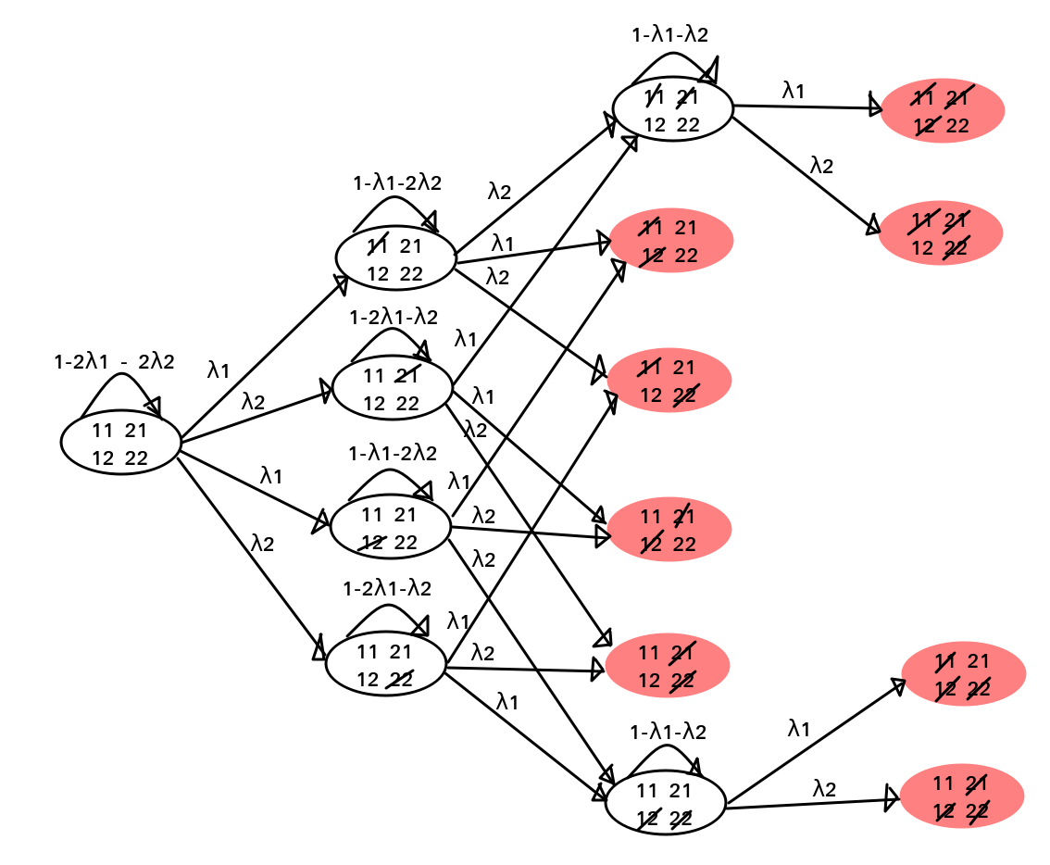
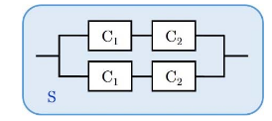

 | Q= | No failure| | 1| | 2| | |1 | |2 | 12| | 1|1 | 1|2 | 2|1 | 2|2 | |12 | 12|1 | 12|2 | 1|12 | 2|12
 | No failure| | 1-2λ1-2λ2 | λ1 | λ2 | λ1 | λ2 | 0 | 0 | 0 | 0 | 0 | 0 | 0 | 0 | 0 | 0
 | 1| | 0 | 1-λ1-2λ2 | 0 | 0 | 0 | λ2 | λ1 | λ2 | 0 | 0 | 0 | 0 | 0 | 0 | 0
 | 2| | 0 | 0 | 1-2λ1-λ2 | 0 | 0 | λ1 | 0 | 0 | λ1 | λ2 | 0 | 0 | 0 | 0 | 0
 | |1 | 0 | 0 | 0 | 1-λ1-2λ2 | 0 | 0 | λ1 | 0 | λ2 | 0 | λ2 | 0 | 0 | 0 | 0
 | |2 | 0 | 0 | 0 | 0 | 1-2λ1-λ2 | 0 | 0 | λ1 | 0 | λ2 | λ1 | 0 | 0 | 0 | 0
 | 12| | 0 | 0 | 0 | 0 | 0 | 1-λ1-λ2 | 0 | 0 | 0 | 0 | 0 | λ1 | λ2 | 0 | 0
 | 1|1 | 0 | 0 | 0 | 0 | 0 | 0 | 1 | 0 | 0 | 0 | 0 | 0 | 0 | 0 | 0
 | 1|2 | 0 | 0 | 0 | 0 | 0 | 0 | 0 | 1 | 0 | 0 | 0 | 0 | 0 | 0 | 0
 | 2|1 | 0 | 0 | 0 | 0 | 0 | 0 | 0 | 0 | 1 | 0 | 0 | 0 | 0 | 0 | 0
 | 2|2 | 0 | 0 | 0 | 0 | 0 | 0 | 0 | 0 | 0 | 1 | 0 | 0 | 0 | 0 | 0
 | |12 | 0 | 0 | 0 | 0 | 0 | 0 | 0 | 0 | 0 | 0 | 1-λ1-λ2 | 0 | 0 | λ1 | λ2
 | 12|1 | 0 | 0 | 0 | 0 | 0 | 0 | 0 | 0 | 0 | 0 | 0 | 1 | 0 | 0 | 0
 | 12|2 | 0 | 0 | 0 | 0 | 0 | 0 | 0 | 0 | 0 | 0 | 0 | 0 | 1 | 0 | 0
 | 1|12 | 0 | 0 | 0 | 0 | 0 | 0 | 0 | 0 | 0 | 0 | 0 | 0 | 0 | 1 | 0
 | 2|12 | 0 | 0 | 0 | 0 | 0 | 0 | 0 | 0 | 0 | 0 | 0 | 0 | 0 | 0 | 1

 | λ1= | 0.15
 | λ2= | 0.1

 | Q= | No failure| | 1| | 2| | |1 | |2 | 12| | 1|1 | 1|2 | 2|1 | 2|2 | |12 | 12|1 | 12|2 | 1|12 | 2|12 | Total=
 | No failure| | 0.5 | 0.15 | 0.1 | 0.15 | 0.1 | 0 | 0 | 0 | 0 | 0 | 0 | 0 | 0 | 0 | 0 | 1
 | 1| | 0 | 0.65 | 0 | 0 | 0 | 0.1 | 0.15 | 0.1 | 0 | 0 | 0 | 0 | 0 | 0 | 0 | 1
 | 2| | 0 | 0 | 0.6 | 0 | 0 | 0.15 | 0 | 0 | 0.15 | 0.1 | 0 | 0 | 0 | 0 | 0 | 1
 | |1 | 0 | 0 | 0 | 0.65 | 0 | 0 | 0.15 | 0 | 0.1 | 0 | 0.1 | 0 | 0 | 0 | 0 | 1
 | |2 | 0 | 0 | 0 | 0 | 0.6 | 0 | 0 | 0.15 | 0 | 0.1 | 0.15 | 0 | 0 | 0 | 0 | 1
 | 12| | 0 | 0 | 0 | 0 | 0 | 0.75 | 0 | 0 | 0 | 0 | 0 | 0.15 | 0.1 | 0 | 0 | 1
 | 1|1 | 0 | 0 | 0 | 0 | 0 | 0 | 1 | 0 | 0 | 0 | 0 | 0 | 0 | 0 | 0 | 1
 | 1|2 | 0 | 0 | 0 | 0 | 0 | 0 | 0 | 1 | 0 | 0 | 0 | 0 | 0 | 0 | 0 | 1
 | 2|1 | 0 | 0 | 0 | 0 | 0 | 0 | 0 | 0 | 1 | 0 | 0 | 0 | 0 | 0 | 0 | 1
 | 2|2 | 0 | 0 | 0 | 0 | 0 | 0 | 0 | 0 | 0 | 1 | 0 | 0 | 0 | 0 | 0 | 1
 | |12 | 0 | 0 | 0 | 0 | 0 | 0 | 0 | 0 | 0 | 0 | 0.75 | 0 | 0 | 0.15 | 0.1 | 1
 | 12|1 | 0 | 0 | 0 | 0 | 0 | 0 | 0 | 0 | 0 | 0 | 0 | 1 | 0 | 0 | 0 | 1
 | 12|2 | 0 | 0 | 0 | 0 | 0 | 0 | 0 | 0 | 0 | 0 | 0 | 0 | 1 | 0 | 0 | 1
 | 1|12 | 0 | 0 | 0 | 0 | 0 | 0 | 0 | 0 | 0 | 0 | 0 | 0 | 0 | 1 | 0 | 1
 | 2|12 | 0 | 0 | 0 | 0 | 0 | 0 | 0 | 0 | 0 | 0 | 0 | 0 | 0 | 0 | 1 | 1

 | S0= | S1=QT*S0 | S2=QT*S1 | S3=QT*S2 | S4=QT*S3
No failure| | 1 | 0.5 | 0.25 | 0.125 | 0.0625
1| | 0 | 0.15 | 0.1725 | 0.149625 | 0.11600625
2| | 0 | 0.1 | 0.11 | 0.091 | 0.0671
|1 | 0 | 0.15 | 0.1725 | 0.149625 | 0.11600625
|2 | 0 | 0.1 | 0.11 | 0.091 | 0.0671
12| | 0 | 0 | 0.03 | 0.05625 | 0.0708
1|1 | 0 | 0 | 0.045 | 0.09675 | 0.1416375
1|2 | 0 | 0 | 0.03 | 0.06375 | 0.0923625
2|1 | 0 | 0 | 0.03 | 0.06375 | 0.0923625
2|2 | 0 | 0 | 0.02 | 0.042 | 0.0602
|12 | 0 | 0 | 0.03 | 0.05625 | 0.0708
12|1 | 0 | 0 | 0 | 0.0045 | 0.0129375
12|2 | 0 | 0 | 0 | 0.003 | 0.008625
1|12 | 0 | 0 | 0 | 0.0045 | 0.0129375
2|12 | 0 | 0 | 0 | 0.003 | 0.008625
Total= | 1 | 1 | 1 | 1 | 1

 | R(t=4) = P(S4=No failure| OR S4=1| OR S4=2| OR S4=|1 OR S4=|2 OR S4=12| OR S4=|12) = P(S4=No failure|) + P(S4=1|) + P(S4=2|) + P(S4=|1) + P(S4=|2) + P(S4=12|) + P(S4=|12) = |  |  |  |  |  |  |  |  |  |  |  |  |  |  |  | 0.5703125

Ex3.4
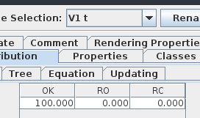
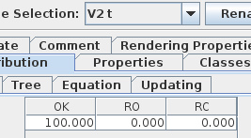
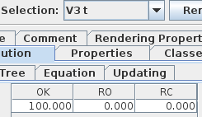
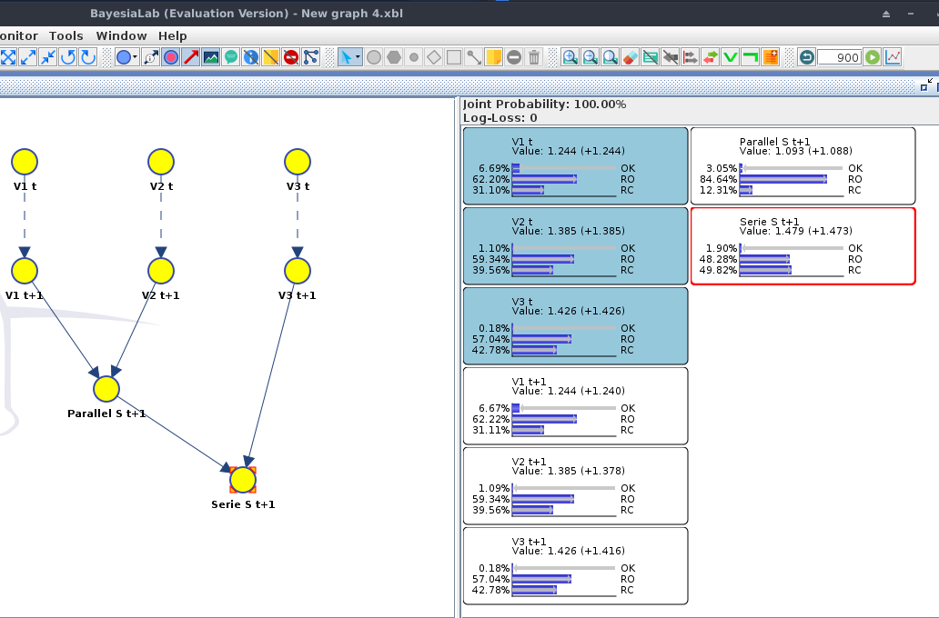

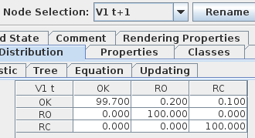
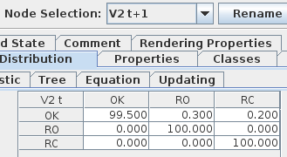
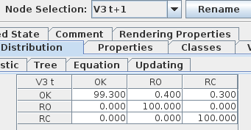

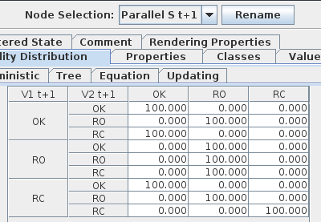

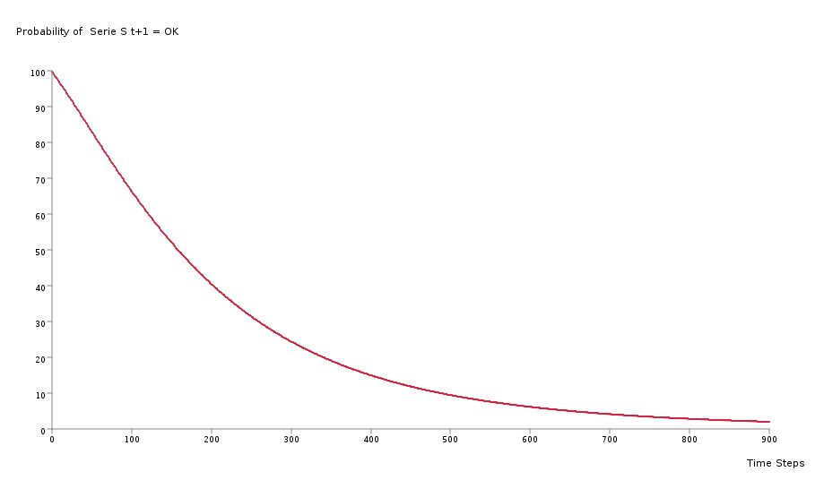

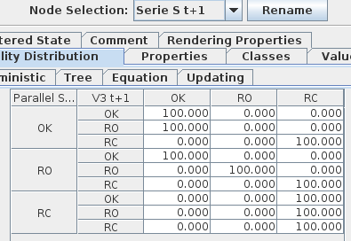

Ex3.5
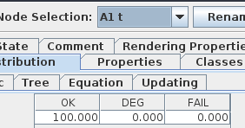
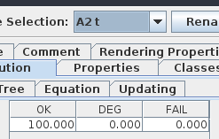
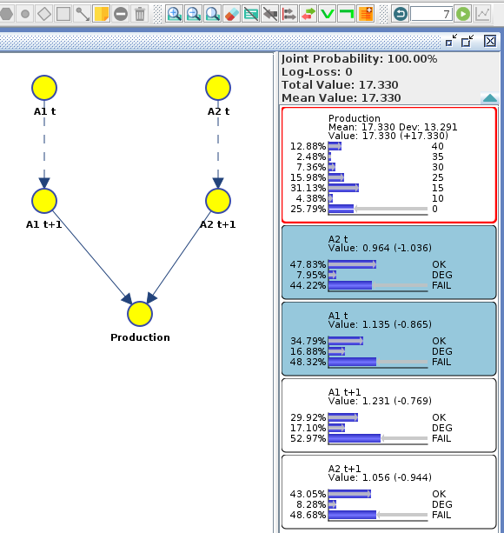

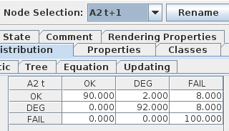
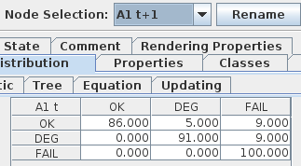

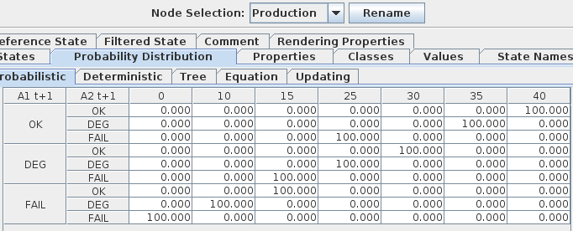


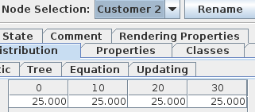
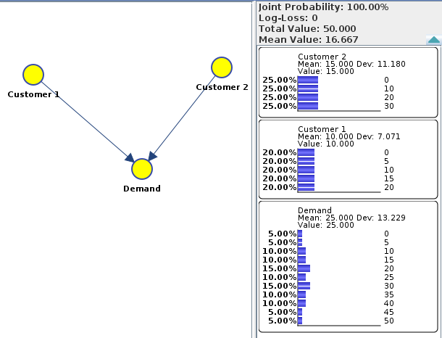

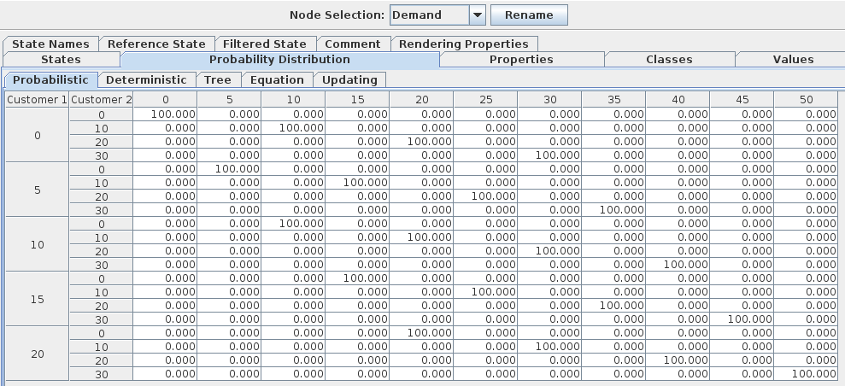

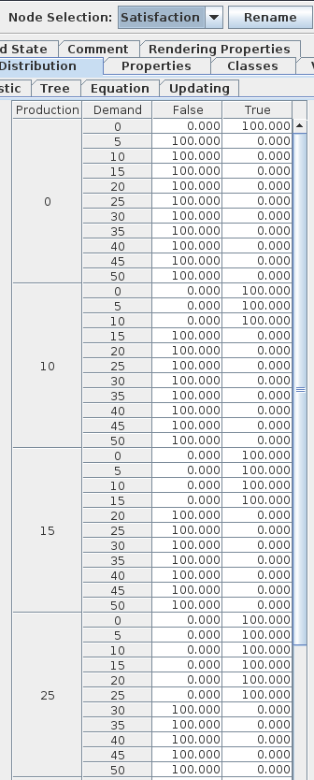
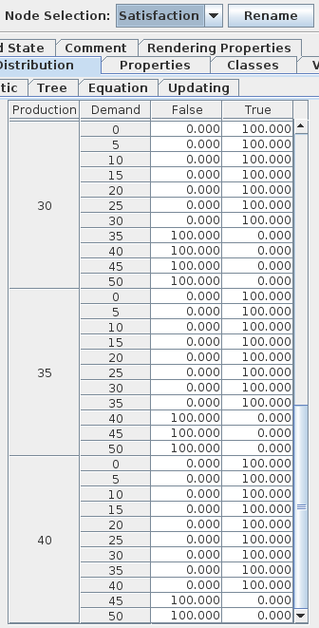
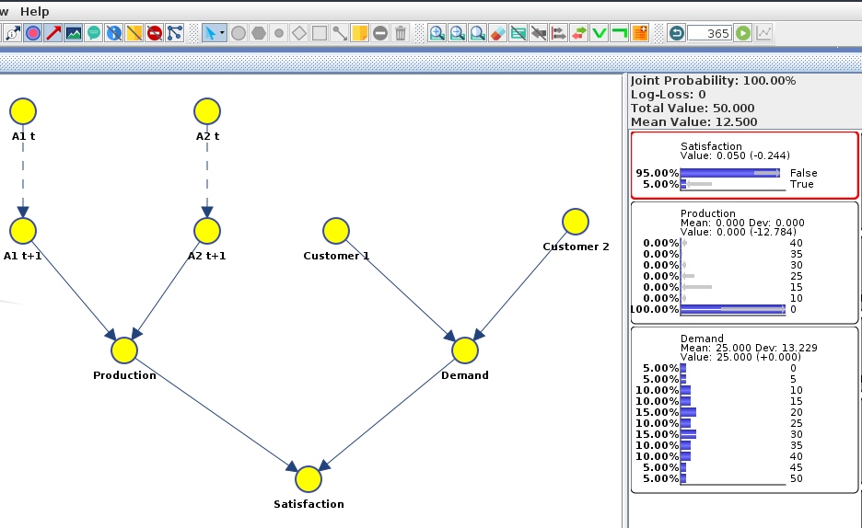

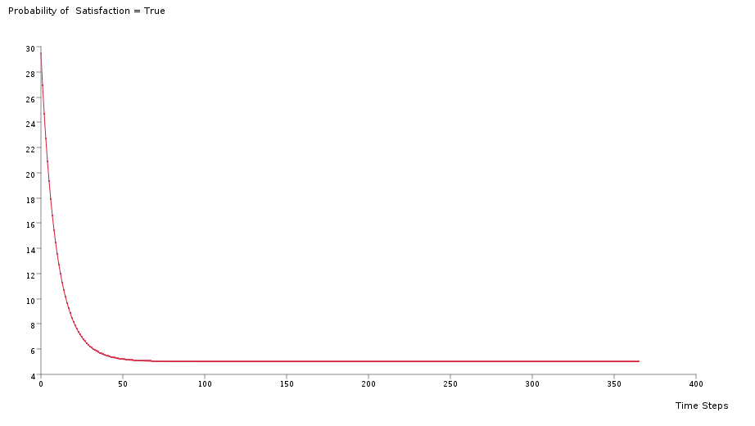

Ex4.1
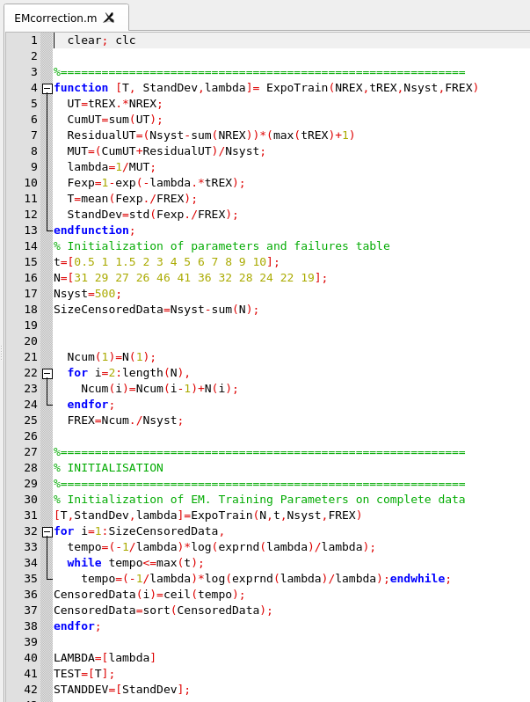
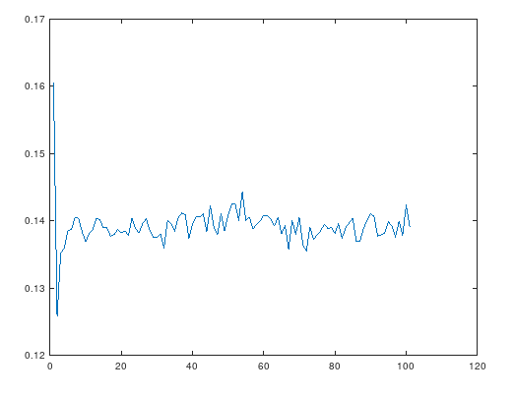
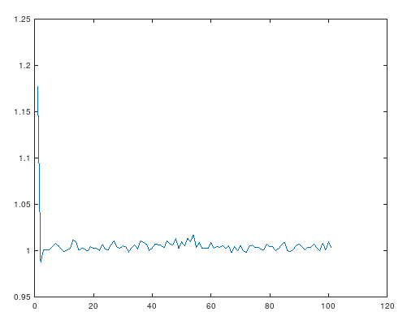
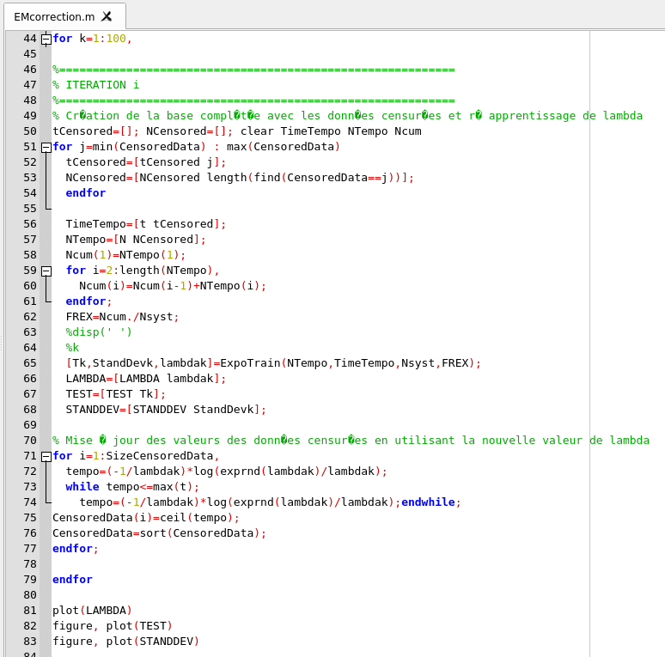
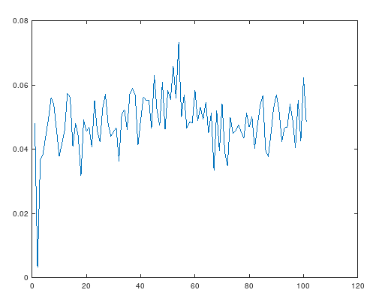
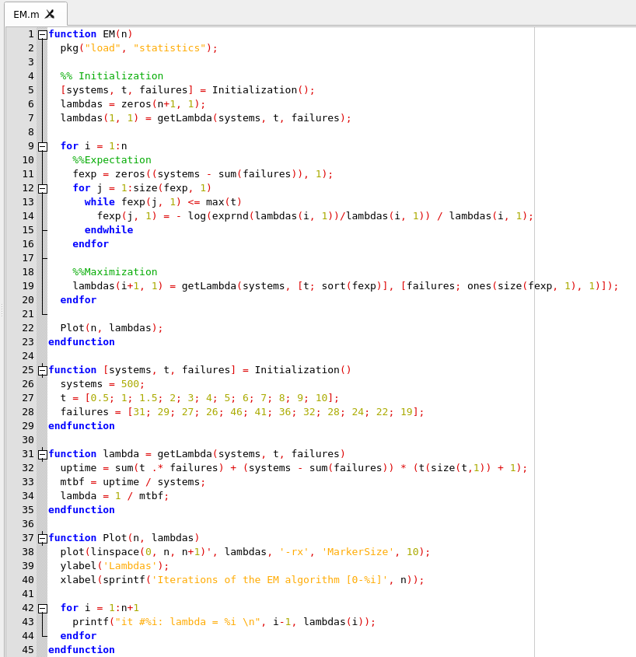

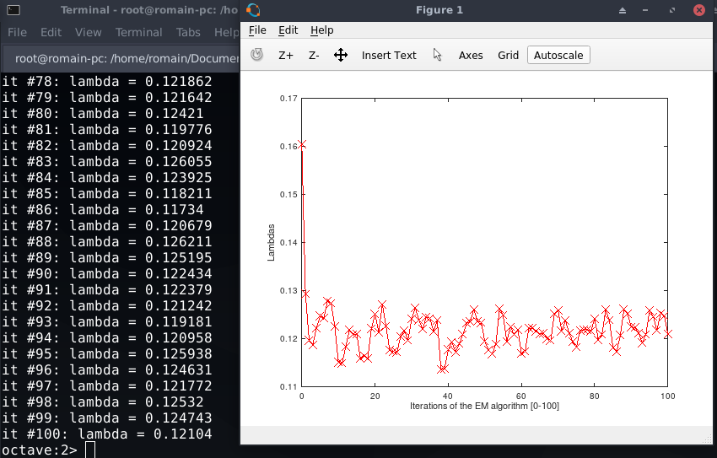

correction

