stats_array info
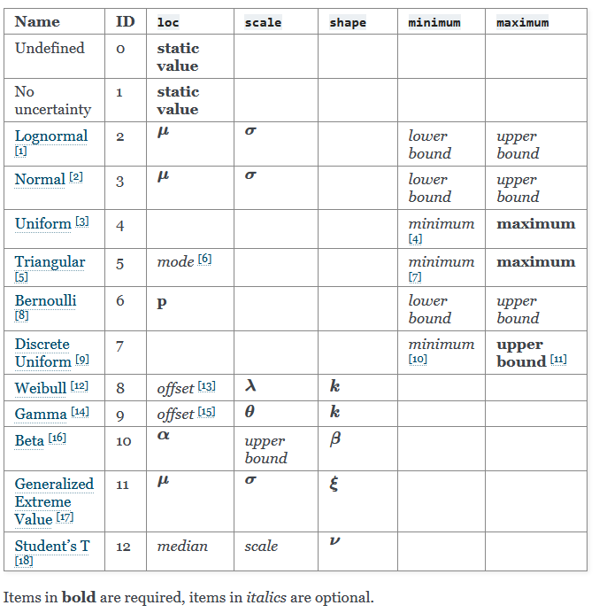
skip

https://stats-arrays.readthedocs.io/en/latest/

