Planilha1
P(B|A=1)

P(B|A=1) | = | P(A|B=1) | * | P(B) | / | P(A) |  |  | A | teste positivo (+=1, -=0)
 | = | 0.7500 | * | 0.0500 | / | 0.0565 |  |  | B | sob influência (+=1, -=0)
 | = | 0.6637

P(A) | = | P(A|B=1) | * | P(B) | + | P(A|B=0) | * | P(B=0)
 | = | 0.7500 | * | 0.0500 | + | 0.0200 | * | 0.9500 | P(A=1|) | 0.7500
 | = | 0.0375 |  |  |  | 0.0190 |  |  | P(A=0|) | 0.2500
 | = | 0.0565
 |  |  |  |  |  |  |  |  | P(B=0|A)

 |  |  |  |  |  |  |  |  | P(B=1) | 0.0500
 |  |  |  |  |  |  |  |  | P(B=0) | 0.9500

 |  |  |  |  |  |  |  |  | P(A=1|B=0) | 0.0200

 |  |  |  |  |  |  |  |  | A | detectar
P(B|A) | = | P(A|B) | * | P(B) | / | P(A) |  |  | B | há objeto
 | = | 0.8000 | * | 0.5000 | / | 0.6000
 | = | 0.6667 |  |  |  |  |  |  | P(A|B=1) | 0.8000
 |  |  |  |  |  |  |  |  | P(A|B=0) | 0.4000
P(A) | = | P(A|B=1) | * | P(B) | + | P(A|B=0) | * | P(B=0)
 | = | 0.8000 | * | 0.5000 | + | 0.4000 | * | 0.5000 | P(B) | 0.5000
 | = | 0.4000 |  |  |  | 0.2000 |  |  | P(B=0) | 0.5000
 | = | 0.6000

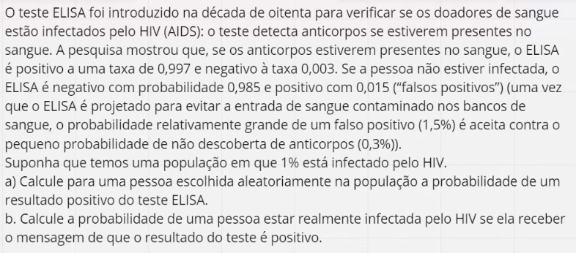

P(X) | = | P(X|Y=1) | * | P(Y) | + | P(X|Y=0) | * | P(Y=0) | X | teste
 | = | 0.9970 | * | 0.0100 | + | 0.0150 | * | 0.9900 | Y | infectado
 | = | 0.0100 |  |  |  | 0.0148
 | = | 0.0248 |  |  |  |  |  |  | P(Y) | 0.01
 |  |  |  |  |  |  |  |  | P(Y=0) | 0.99
P(Y|X) | = | P(X|Y) | * | P(Y) | / | P(X)
 | = | 0.9970 | * | 0.0100 | / | 0.0248 |  |  | P(X|Y=1) | 0.997
 | = | 0.4017 |  |  |  |  |  |  | P(X=0|Y=0) | 0.985

 |  |  |  |  |  |  |  |  | P(X=0|Y) | 0.003

 |  |  |  |  |  |  |  |  | P(X|Y=0) | 0.015

