Sheet1
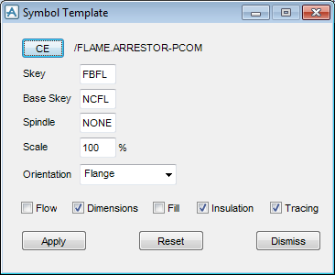

NEW ISOTM /FLAME.ARRESTOR-PCOM | 501 | FBFL,NCFL,NONE, | 1000 | 3 | 1 | 2 | 0 | 0 | 0 | 0 | 0 | 0
XYPS X 231.25415mm Y 474.141602mm | 502 | 1 | 127 | 0 | 1 | 0 | 127 | 2 | 95 | 254 | 1 | 254 | 127 | 0
JUST Left | 502 | 2 | 159 | 254 | 2 | 95 | 254 | 1 | 95 | 0 | 2 | 63 | 127 | 0
ALIGN Bbody | 502 | 1 | 159 | 0 | 2 | 190 | 127 | 1 | 63 | 127 | 2 | 0 | 127 | 0
FONT 1 | 502 | 1 | 127 | 127 | 0 | 0 | 0 | 0 | 0 | 0 | 0 | 0 | 0 | 0
CHEI 4mm
CSPA 0
LSPA 0
SKEY 'FBFL'
BKEY 'NCFL'
SPIN 'NONE'
SCAL 100
ORIN FLAN
DIME true
INSL true
TRCG true
TXCOLO 1
NLSTYL Solid
NLCOLO 1
FSTYLE Off
FCOLOUR 1
MSTYLE Stop Scale 1
MCOLOUR 1

Sheet2
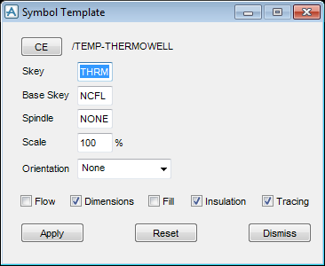
501 | THRM,NCFL,NONE, | 1000 | 0 | 1 | 1 | 0 | 0 | 0 | 0 | 0 | 0
502 | 1 | 0 | 35 | 1 | 10 | 70 | 2 | 10 | 0 | 1 | 0 | 70 | 0
502 | 2 | 0 | 0 | 1 | 10 | 0 | 2 | 0 | 0 | 1 | 10 | 70 | 0
502 | 2 | 0 | 70 | 1 | 10 | 35 | 0 | 0 | 0 | 0 | 0 | 0 | 0

Sheet3
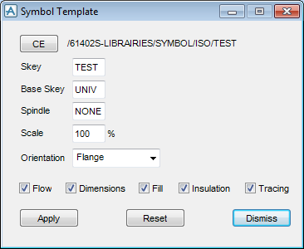
501 | TEST,UNIV,NONE, | 1000 | 3 | 2 | 2 | 0 | 0 | 1 | 0 | 0 | 0
502 | 1 | 0 | 100 | 1 | 0 | 0 | 2 | 100 | 0 | 1 | 0 | 0 | 0
502 | 2 | 0 | 100 | 1 | 100 | 0 | 0 | 0 | 0 | 0 | 0 | 0 | 0

