Programme Coindre
 | Programme prévu | Programme réalisé | Pmax
1/13/2020 | 0 | 2.99 | 19
1/13/2020 | 0 | 0.00 | 19
1/13/2020 | 0 | 0.00 | 19
1/13/2020 | 0 | 0.00 | 19
1/13/2020 | 0 | 0.00 | 19
1/13/2020 | 0 | 0.00 | 19
1/13/2020 | 0 | 15.74 | 19
1/13/2020 | 0 | 17.70 | 19
1/13/2020 | 0 | 30.26 | 19
1/13/2020 | 0 | 25.53 | 19
1/13/2020 | 0 | 18.91 | 19
1/13/2020 | 0 | 17.62 | 19
1/13/2020 | 0 | 17.59 | 19
1/13/2020 | 0 | 17.52 | 19
1/13/2020 | 0 | 17.50 | 19
1/13/2020 | 0 | 17.50 | 19
1/13/2020 | 0 |  | 19
1/13/2020 | 0 |  | 19
1/13/2020 | 0 |  | 19
1/13/2020 | 0 |  | 19
1/13/2020 | 0 |  | 19
1/13/2020 | 0 |  | 19
1/13/2020 | 0 |  | 19
1/13/2020 | 0 |  | 19
1/14/2020 | 0 |  | 19
1/14/2020 | 0 |  | 19
1/14/2020 | 0 |  | 19
1/14/2020 | 0 |  | 19
1/14/2020 | 0 |  | 19
1/14/2020 | 0 |  | 19
1/14/2020 | 0 |  | 19
1/14/2020 | 0 |  | 19
1/14/2020 | 0 |  | 19
1/14/2020 | 0 |  | 19
1/14/2020 | 0 |  | 19
1/14/2020 | 0 |  | 19
1/14/2020 | 0 |  | 19
1/14/2020 | 0 |  | 19
1/14/2020 | 0 |  | 19
1/14/2020 | 0 |  | 19
1/14/2020 | 0 |  | 19
1/14/2020 | 0 |  | 19
1/14/2020 | 0 |  | 19
1/14/2020 | 0 |  | 19
1/14/2020 | 0 |  | 19
1/14/2020 | 0 |  | 19
1/14/2020 | 0 |  | 19
1/14/2020 | 0 |  | 19
1/15/2020 | 0 |  | 19
1/15/2020 | 0 |  | 19
...

Début | 2020-01-13 | 0
Fin | 2020-01-20 | 168
 |  | 16

Cote lacs
 | Cote GR | Cote Max GR | Cote Encl. GR | Cote Min GR | Cote GR réalisé | Cote GR ScenP20 | Cote GR ScenP80
1/13/2020 | 689.85 | 0 | 691.7 | 0 | 689.85 | 689.9 | 689.9
1/13/2020 | 689.93 | 0 | 691.7 | 0 | 689.93 | 689.9 | 689.9
1/13/2020 | 690.04 | 0 | 691.7 | 0 | 690.04 | 690.0 | 690.0
1/13/2020 | 690.17 | 0 | 691.7 | 0 | 690.17 | 690.2 | 690.2
1/13/2020 | 690.31 | 0 | 691.7 | 0 | 690.31 | 690.3 | 690.3
1/13/2020 | 690.45 | 0 | 691.7 | 0 | 690.45 | 690.5 | 690.5
1/13/2020 | 690.56 | 0 | 691.7 | 0 | 690.56 | 690.6 | 690.6
1/13/2020 | 690.51 | 0 | 691.7 | 0 | 690.51 | 690.5 | 690.5
1/13/2020 | 690.45 | 0 | 691.7 | 0 | 690.45 | 690.5 | 690.5
1/13/2020 | 690.21 | 0 | 691.7 | 0 | 690.21 | 690.2 | 690.2
1/13/2020 | 690.07 | 0 | 691.7 | 0 | 690.07 | 690.1 | 690.1
1/13/2020 | 689.99 | 0 | 691.7 | 0 | 689.99 | 690.0 | 690.0
1/13/2020 | 689.84 | 0 | 691.7 | 0 | 689.84 | 689.8 | 689.8
1/13/2020 | 689.67 | 0 | 691.7 | 0 | 689.67 | 689.7 | 689.7
1/13/2020 | 689.51 | 0 | 691.7 | 0 | 689.51 | 689.5 | 689.5
1/13/2020 | 689.34 | 0 | 691.7 | 0 | 689.34 | 689.3 | 689.3
1/13/2020 | 689.15 | 0 | 691.7 | 0 |  | 689.1 | 689.1
1/13/2020 | 689.26 | 0 | 691.7 | 0 |  | 689.3 | 689.3
1/13/2020 | 689.36 | 0 | 691.7 | 0 |  | 689.4 | 689.4
1/13/2020 | 689.45 | 0 | 691.7 | 0 |  | 689.5 | 689.5
1/13/2020 | 689.55 | 0 | 691.7 | 0 |  | 689.5 | 689.5
1/13/2020 | 689.64 | 0 | 691.7 | 0 |  | 689.6 | 689.6
1/13/2020 | 689.73 | 0 | 691.7 | 0 |  | 689.7 | 689.7
1/13/2020 | 689.83 | 0 | 691.7 | 0 |  | 689.8 | 689.8
1/14/2020 | 689.92 | 0 | 691.7 | 0 |  | 689.9 | 689.9
1/14/2020 | 689.92 | 0 | 691.7 | 0 |  | 689.9 | 689.9
1/14/2020 | 689.91 | 0 | 691.7 | 0 |  | 689.9 | 689.9
1/14/2020 | 689.91 | 0 | 691.7 | 0 |  | 689.9 | 689.9
1/14/2020 | 689.90 | 0 | 691.7 | 0 |  | 689.9 | 689.9
1/14/2020 | 689.89 | 0 | 691.7 | 0 |  | 689.9 | 689.9
1/14/2020 | 689.89 | 0 | 691.7 | 0 |  | 689.9 | 689.9
1/14/2020 | 689.88 | 0 | 691.7 | 0 |  | 689.9 | 689.9
1/14/2020 | 689.88 | 0 | 691.7 | 0 |  | 689.9 | 689.9
1/14/2020 | 689.87 | 0 | 691.7 | 0 |  | 689.9 | 689.9
1/14/2020 | 689.87 | 0 | 691.7 | 0 |  | 689.9 | 689.9
1/14/2020 | 689.86 | 0 | 691.7 | 0 |  | 689.9 | 689.9
1/14/2020 | 689.85 | 0 | 691.7 | 0 |  | 689.9 | 689.9
1/14/2020 | 689.85 | 0 | 691.7 | 0 |  | 689.8 | 689.8
1/14/2020 | 689.84 | 0 | 691.7 | 0 |  | 689.8 | 689.8
1/14/2020 | 689.84 | 0 | 691.7 | 0 |  | 689.8 | 689.8
1/14/2020 | 689.83 | 0 | 691.7 | 0 |  | 689.8 | 689.8
1/14/2020 | 689.83 | 0 | 691.7 | 0 |  | 689.8 | 689.8
1/14/2020 | 689.82 | 0 | 691.7 | 0 |  | 689.8 | 689.8
1/14/2020 | 689.81 | 0 | 691.7 | 0 |  | 689.8 | 689.8
1/14/2020 | 689.81 | 0 | 691.7 | 0 |  | 689.8 | 689.8
1/14/2020 | 689.80 | 0 | 691.7 | 0 |  | 689.8 | 689.8
1/14/2020 | 689.80 | 0 | 691.7 | 0 |  | 689.8 | 689.8
1/14/2020 | 689.79 | 0 | 691.7 | 0 |  | 689.8 | 689.8
1/15/2020 | 689.79 | 0 | 691.7 | 0 |  | 689.8 | 689.8
1/15/2020 | 689.78 | 0 | 691.7 | 0 |  | 689.8 | 689.8
...

Début | 2020-01-13 | 0
Fin | 2020-01-20 | 168
 |  | 16

 | Etat Vanne PR | Cote PR | Cote Max PR | Cote Encl. PR | Cote Min PR | Cote PR réalisé | Cote PR ScenP20 | Cote PR ScenP80
 | 0 | 688.56 | 0.0 | 692.2 | 0.0 | 688.56 | 688.6 | 688.6
 | 0 | 689.69 | 0.0 | 692.2 | 0.0 | 689.69 | 689.7 | 689.7
 | 0 | 690.35 | 0.0 | 692.2 | 0.0 | 690.35 | 690.4 | 690.4
 | 0 | 690.63 | 0.0 | 692.2 | 0.0 | 690.63 | 690.7 | 690.7
 | 0 | 690.85 | 0.0 | 692.2 | 0.0 | 690.85 | 691.0 | 691.0
 | 0 | 691.03 | 0.0 | 692.2 | 0.0 | 691.03 | 691.2 | 691.2
 | 0 | 691.16 | 0.0 | 692.2 | 0.0 | 691.16 | 691.3 | 691.3
 | 0 | 690.86 | 0.0 | 692.2 | 0.0 | 690.86 | 691.0 | 691.0
 | 0 | 690.57 | 0.0 | 692.2 | 0.0 | 690.57 | 690.8 | 690.8
 | 0 | 689.41 | 0.0 | 692.2 | 0.0 | 689.41 | 689.7 | 689.7
 | 0 | 688.82 | 0.0 | 692.2 | 0.0 | 688.82 | 689.1 | 689.1
 | 0 | 688.68 | 0.0 | 692.2 | 0.0 | 688.68 | 689.0 | 689.0
 | 0 | 689.17 | 0.0 | 692.2 | 0.0 | 689.17 | 689.5 | 689.5
 | 0 | 689.78 | 0.0 | 692.2 | 0.0 | 689.78 | 690.1 | 690.1
 | 0 | 690.35 | 0.0 | 692.2 | 0.0 | 690.35 | 690.7 | 690.7
 | 0 | 690.89 | 0.0 | 692.2 | 0.0 | 690.89 | 690.9 | 690.9
 | 0 | 691.40 | 0.0 | 692.2 | 0.0 |  | 691.4 | 691.4
 | 0 | 691.91 | 0.0 | 692.2 | 0.0 |  | 692.0 | 692.0
 | 0 | 692.35 | 0.0 | 692.2 | 0.0 |  | 692.4 | 692.4
 | 0 | 692.77 | 0.0 | 692.2 | 0.0 |  | 692.9 | 692.9
 | 0 | 693.02 | 0.0 | 692.2 | 0.0 |  | 693.0 | 693.0
 | 0 | 693.07 | 0.0 | 692.2 | 0.0 |  | 693.1 | 693.1
 | 0 | 693.12 | 0.0 | 692.2 | 0.0 |  | 693.1 | 693.1
 | 0 | 693.16 | 0.0 | 692.2 | 0.0 |  | 693.2 | 693.2
 | 0 | 693.21 | 0.0 | 692.2 | 0.0 |  | 693.2 | 693.2
 | 0 | 693.22 | 0.0 | 692.2 | 0.0 |  | 693.2 | 693.2
 | 0 | 693.22 | 0.0 | 692.2 | 0.0 |  | 693.2 | 693.2
 | 0 | 693.22 | 0.0 | 692.2 | 0.0 |  | 693.2 | 693.2
 | 0 | 693.23 | 0.0 | 692.2 | 0.0 |  | 693.3 | 693.3
 | 0 | 693.23 | 0.0 | 692.2 | 0.0 |  | 693.3 | 693.3
 | 0 | 693.23 | 0.0 | 692.2 | 0.0 |  | 693.3 | 693.3
 | 0 | 693.24 | 0.0 | 692.2 | 0.0 |  | 693.3 | 693.3
 | 0 | 693.24 | 0.0 | 692.2 | 0.0 |  | 693.3 | 693.3
 | 0 | 693.24 | 0.0 | 692.2 | 0.0 |  | 693.3 | 693.3
 | 0 | 693.25 | 0.0 | 692.2 | 0.0 |  | 693.3 | 693.3
 | 0 | 693.25 | 0.0 | 692.2 | 0.0 |  | 693.3 | 693.3
 | 0 | 693.25 | 0.0 | 692.2 | 0.0 |  | 693.3 | 693.3
 | 0 | 693.26 | 0.0 | 692.2 | 0.0 |  | 693.3 | 693.3
 | 0 | 693.26 | 0.0 | 692.2 | 0.0 |  | 693.3 | 693.3
 | 0 | 693.26 | 0.0 | 692.2 | 0.0 |  | 693.3 | 693.3
 | 0 | 693.27 | 0.0 | 692.2 | 0.0 |  | 693.3 | 693.3
 | 0 | 693.27 | 0.0 | 692.2 | 0.0 |  | 693.3 | 693.3
 | 0 | 693.27 | 0.0 | 692.2 | 0.0 |  | 693.3 | 693.3
 | 0 | 693.28 | 0.0 | 692.2 | 0.0 |  | 693.3 | 693.3
 | 0 | 693.28 | 0.0 | 692.2 | 0.0 |  | 693.3 | 693.3
 | 0 | 693.28 | 0.0 | 692.2 | 0.0 |  | 693.4 | 693.4
 | 0 | 693.29 | 0.0 | 692.2 | 0.0 |  | 693.4 | 693.4
 | 0 | 693.29 | 0.0 | 692.2 | 0.0 |  | 693.4 | 693.4
 | 0 | 693.29 | 0.0 | 692.2 | 0.0 |  | 693.4 | 693.4
 | 0 | 693.30 | 0.0 | 692.2 | 0.0 |  | 693.4 | 693.4
...

Apports
 | Prévisions apports Grande Rhue | Apports réalisés Grande Rhue | Prévisions P80 | Prévisions P20
1/13/2020 | 12.1 | 9.8 | 12.1 | 12.1
1/13/2020 | 9.5 | 9.1 | 9.5 | 9.5
1/13/2020 | 11.9 | 10.1 | 11.9 | 11.9
1/13/2020 | 12.5 | 10.8 | 12.5 | 12.5
1/13/2020 | 13.9 | 10.7 | 13.9 | 13.9
1/13/2020 | 11.1 | 10.0 | 11.1 | 11.1
1/13/2020 | 15.6 | 10.0 | 15.6 | 15.6
1/13/2020 | 17.2 | 10.1 | 17.2 | 17.2
1/13/2020 | 21.1 | 8.5 | 21.1 | 21.1
1/13/2020 | 22.3 | 7.2 | 22.3 | 22.3
1/13/2020 | 17.9 | 8.4 | 17.9 | 17.9
1/13/2020 | 10.4 | 9.8 | 10.4 | 10.4
1/13/2020 | 9.0 | 9.8 | 9.0 | 9.0
1/13/2020 | 9.0 | 9.1 | 9.0 | 9.0
1/13/2020 | 8.5 | 9.3 | 8.5 | 8.5
1/13/2020 | 8.5 | 9.0 | 8.5 | 8.5
1/13/2020 | 8.5 |  | 8.5 | 8.5
1/13/2020 | 8.5 |  | 8.5 | 8.5
1/13/2020 | 8.5 |  | 8.5 | 8.5
1/13/2020 | 8.5 |  | 8.5 | 8.5
1/13/2020 | 8.5 |  | 8.5 | 8.5
1/13/2020 | 8.5 |  | 8.5 | 8.5
1/13/2020 | 8.5 |  | 8.5 | 8.5
1/13/2020 | 8.5 |  | 8.5 | 8.5
1/14/2020 | 0.2 |  | 0.2 | 0.1
1/14/2020 | 0.2 |  | 0.2 | 0.1
1/14/2020 | 0.2 |  | 0.2 | 0.1
1/14/2020 | 0.2 |  | 0.2 | 0.1
1/14/2020 | 0.2 |  | 0.2 | 0.1
1/14/2020 | 0.2 |  | 0.2 | 0.1
1/14/2020 | 0.2 |  | 0.2 | 0.1
1/14/2020 | 0.2 |  | 0.2 | 0.1
1/14/2020 | 0.2 |  | 0.2 | 0.1
1/14/2020 | 0.2 |  | 0.2 | 0.1
1/14/2020 | 0.2 |  | 0.2 | 0.1
1/14/2020 | 0.2 |  | 0.2 | 0.1
1/14/2020 | 0.2 |  | 0.2 | 0.1
1/14/2020 | 0.2 |  | 0.2 | 0.1
1/14/2020 | 0.2 |  | 0.2 | 0.1
1/14/2020 | 0.2 |  | 0.2 | 0.1
1/14/2020 | 0.2 |  | 0.2 | 0.1
1/14/2020 | 0.2 |  | 0.2 | 0.1
1/14/2020 | 0.2 |  | 0.2 | 0.1
1/14/2020 | 0.2 |  | 0.2 | 0.1
1/14/2020 | 0.2 |  | 0.2 | 0.1
1/14/2020 | 0.2 |  | 0.2 | 0.1
1/14/2020 | 0.2 |  | 0.2 | 0.1
1/14/2020 | 0.2 |  | 0.2 | 0.1
1/15/2020 | 0.2 |  | 0.2 | 0.1
1/15/2020 | 0.2 |  | 0.2 | 0.1
...

Début | 2020-01-13 | 0
Fin | 2020-01-20 | 168
 |  | 16

 | Prévisions apports Petite Rhue | Apports réalisés Petite Rhue | Prévisions P20 | Prévisions P80
1/13/2020 | 10.5 | 6.7 | 10.5 | 10.5
1/13/2020 | 6.9 | 7.5 | 6.9 | 6.9
1/13/2020 | 3.3 | 6.7 | 3.3 | 3.3
1/13/2020 | 2.6 | 5.3 | 2.6 | 2.6
1/13/2020 | 2.2 | 5.2 | 2.2 | 2.2
1/13/2020 | 1.8 | 5.0 | 1.8 | 1.8
1/13/2020 | -2.9 | 4.9 | -2.9 | -2.9
1/13/2020 | -2.8 | 4.7 | -2.8 | -2.8
1/13/2020 | -11.3 | 3.9 | -11.3 | -11.3
1/13/2020 | -5.1 | 3.2 | -5.1 | -5.1
1/13/2020 | -0.9 | 4.9 | -0.9 | -0.9
1/13/2020 | 4.6 | 5.9 | 4.6 | 4.6
1/13/2020 | 6.1 | 6.0 | 6.1 | 6.1
1/13/2020 | 6.1 | 5.9 | 6.1 | 6.1
1/13/2020 | 6.0 | 5.9 | 6.0 | 6.0
1/13/2020 | 6.0 | 5.9 | 6.0 | 6.0
1/13/2020 | 6.0 |  | 6.0 | 6.0
1/13/2020 | 6.0 |  | 6.0 | 6.0
1/13/2020 | 6.0 |  | 6.0 | 6.0
1/13/2020 | 6.0 |  | 6.0 | 6.0
1/13/2020 | 6.0 |  | 6.0 | 6.0
1/13/2020 | 6.0 |  | 6.0 | 6.0
1/13/2020 | 6.0 |  | 6.0 | 6.0
1/13/2020 | 6.0 |  | 6.0 | 6.0
1/14/2020 | 0.7 |  | 0.7 | 0.7
1/14/2020 | 0.7 |  | 0.7 | 0.7
1/14/2020 | 0.7 |  | 0.7 | 0.7
1/14/2020 | 0.7 |  | 0.7 | 0.7
1/14/2020 | 0.7 |  | 0.7 | 0.7
1/14/2020 | 0.7 |  | 0.7 | 0.7
1/14/2020 | 0.7 |  | 0.7 | 0.7
1/14/2020 | 0.7 |  | 0.7 | 0.7
1/14/2020 | 0.7 |  | 0.7 | 0.7
1/14/2020 | 0.7 |  | 0.7 | 0.7
1/14/2020 | 0.7 |  | 0.7 | 0.7
1/14/2020 | 0.7 |  | 0.7 | 0.7
1/14/2020 | 0.7 |  | 0.7 | 0.7
1/14/2020 | 0.7 |  | 0.7 | 0.7
1/14/2020 | 0.7 |  | 0.7 | 0.7
1/14/2020 | 0.7 |  | 0.7 | 0.7
1/14/2020 | 0.7 |  | 0.7 | 0.7
1/14/2020 | 0.7 |  | 0.7 | 0.7
1/14/2020 | 0.7 |  | 0.7 | 0.7
1/14/2020 | 0.7 |  | 0.7 | 0.7
1/14/2020 | 0.7 |  | 0.7 | 0.7
1/14/2020 | 0.7 |  | 0.7 | 0.7
1/14/2020 | 0.7 |  | 0.7 | 0.7
1/14/2020 | 0.7 |  | 0.7 | 0.7
1/15/2020 | 0.7 |  | 0.7 | 0.7
1/15/2020 | 0.7 |  | 0.7 | 0.7
...

 | Prévision apports totaux | "Apports réalisés totaux"
1/13/2020 | 0.9 | 16.5
1/13/2020 | 0.9 | 16.6
1/13/2020 | 0.9 | 16.7
1/13/2020 | 0.9 | 16.1
1/13/2020 | 0.9 | 15.8
1/13/2020 | 0.9 | 15.0
1/13/2020 | 0.9 | 14.9
1/13/2020 | 0.9 | 14.9
1/13/2020 | 0.9 | 12.3
1/13/2020 | 0.9 | 10.4
1/13/2020 | 0.9 | 13.3
1/13/2020 | 0.9 | 15.7
1/13/2020 | 0.9 | 15.7
1/13/2020 | 0.9 | 15.1
1/13/2020 | 0.9 | 15.2
1/13/2020 | 0.9 | 14.9
1/13/2020 | 0.9
1/13/2020 | 0.9
1/13/2020 | 0.9
1/13/2020 | 0.9
1/13/2020 | 0.9
1/13/2020 | 0.9
1/13/2020 | 0.9
1/13/2020 | 0.9
1/14/2020 | 0.9
1/14/2020 | 0.9
1/14/2020 | 0.9
1/14/2020 | 0.9
1/14/2020 | 0.9
1/14/2020 | 0.9
1/14/2020 | 0.9
1/14/2020 | 0.9
1/14/2020 | 0.9
1/14/2020 | 0.9
1/14/2020 | 0.9
1/14/2020 | 0.9
1/14/2020 | 0.9
1/14/2020 | 0.9
1/14/2020 | 0.9
1/14/2020 | 0.9
1/14/2020 | 0.9
1/14/2020 | 0.9
1/14/2020 | 0.9
1/14/2020 | 0.9
1/14/2020 | 0.9
1/14/2020 | 0.9
1/14/2020 | 0.9
1/14/2020 | 0.9
1/15/2020 | 0.8
1/15/2020 | 0.8
...

Contraintes V
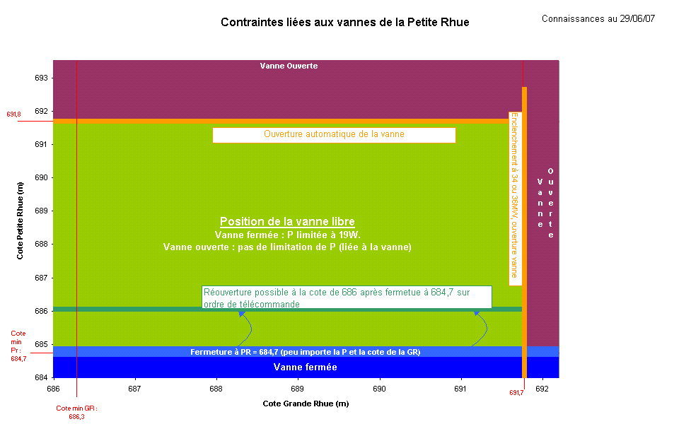

Contraintes P
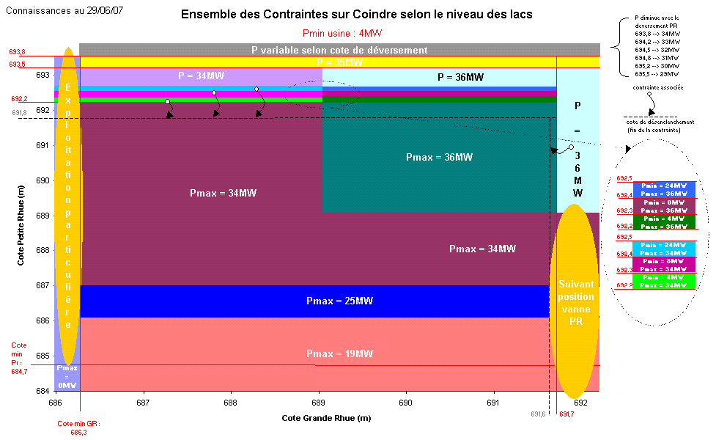

Emergency
Export back-up
J
Export back-up
J+1
 |  | 2020-01-13
 |  | 0:00:00

Plans de procution et flux pour process de backup
J | 2020-01-13 | 2020-01-13 01:00:00 | 2020-01-13 02:00:00 | 2020-01-13 03:00:00 | 2020-01-13 04:00:00 | 2020-01-13 05:00:00 | 2020-01-13 06:00:00 | 2020-01-13 07:00:00 | 2020-01-13 08:00:00 | 2020-01-13 09:00:00 | 2020-01-13 10:00:00 | 2020-01-13 11:00:00 | 2020-01-13 12:00:00 | 2020-01-13 13:00:00 | 2020-01-13 14:00:00 | 2020-01-13 15:00:00 | 2020-01-13 16:00:00 | 2020-01-13 17:00:00 | 2020-01-13 18:00:00 | 2020-01-13 19:00:00 | 2020-01-13 20:00:00 | 2020-01-13 21:00:00 | 2020-01-13 22:00:00 | 2020-01-13 23:00:00
 | 1 | 2 | 3 | 4 | 5 | 6 | 7 | 8 | 9 | 10 | 11 | 12 | 13 | 14 | 15 | 16 | 17 | 18 | 19 | 20 | 21 | 22 | 23 | 24
Vanne | F | F | F | F | F | F | F | F | F | F | F | F | F | F | F | F | F | F | F | F | F | F | F | F
Coindre | 0 | 0 | 0 | 0 | 0 | 0 | 0 | 0 | 0 | 0 | 0 | 0 | 0 | 0 | 0 | 0 | 0 | 0 | 0 | 0 | 0 | 0 | 0 | 0
Flow | 4.7 | 0.0 | 0.0 | 0.0 | 0.0 | 0.0 | 19.7 | 22.2 | 42.3 | 33.4 | 24.0 | 22.3 | 22.3 | 22.2 | 22.2 | 22.1 | 0.0 | 0.0 | 0.0 | 0.0 | 0.0 | 0.0 | 0.0 | 0.0

J+1 | 2020-01-14 | 2020-01-14 01:00:00 | 2020-01-14 02:00:00 | 2020-01-14 03:00:00 | 2020-01-14 04:00:00 | 2020-01-14 05:00:00 | 2020-01-14 06:00:00 | 2020-01-14 07:00:00 | 2020-01-14 08:00:00 | 2020-01-14 09:00:00 | 2020-01-14 10:00:00 | 2020-01-14 11:00:00 | 2020-01-14 12:00:00 | 2020-01-14 13:00:00 | 2020-01-14 14:00:00 | 2020-01-14 15:00:00 | 2020-01-14 16:00:00 | 2020-01-14 17:00:00 | 2020-01-14 18:00:00 | 2020-01-14 19:00:00 | 2020-01-14 20:00:00 | 2020-01-14 21:00:00 | 2020-01-14 22:00:00 | 2020-01-14 23:00:00
 | 1 | 2 | 3 | 4 | 5 | 6 | 7 | 8 | 9 | 10 | 11 | 12 | 13 | 14 | 15 | 16 | 17 | 18 | 19 | 20 | 21 | 22 | 23 | 24
Vanne | F | F | F | F | F | F | F | F | F | F | F | F | F | F | F | F | F | F | F | F | F | F | F | F
Coindre | 0 | 0 | 0 | 0 | 0 | 0 | 0 | 0 | 0 | 0 | 0 | 0 | 0 | 0 | 0 | 0 | 0 | 0 | 0 | 0 | 0 | 0 | 0 | 0
Flow | 0.0 | 0.0 | 0.0 | 0.0 | 0.0 | 0.0 | 0.0 | 0.0 | 0.0 | 0.0 | 0.0 | 0.0 | 0.0 | 0.0 | 0.0 | 0.0 | 0.0 | 0.0 | 0.0 | 0.0 | 0.0 | 0.0 | 0.0 | 0.0

