Outputs
3 Billion Gallon -Cost | 6 Billion Gallon -Cost | 9 Billion Gallon -Cost | 12 Billion Gallon -Cost | 15 Billion Gallon -Cost | 18 Billion Gallon -Cost | 20 Billion Gallon -Cost
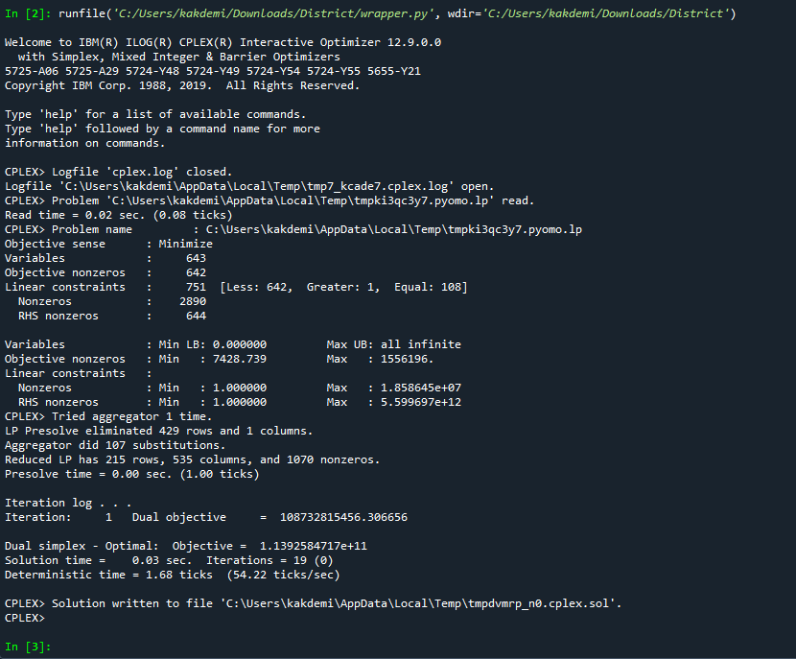 | 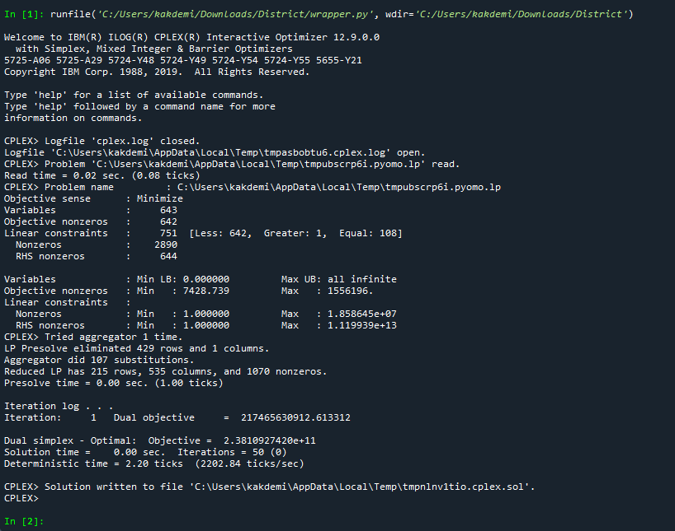 | 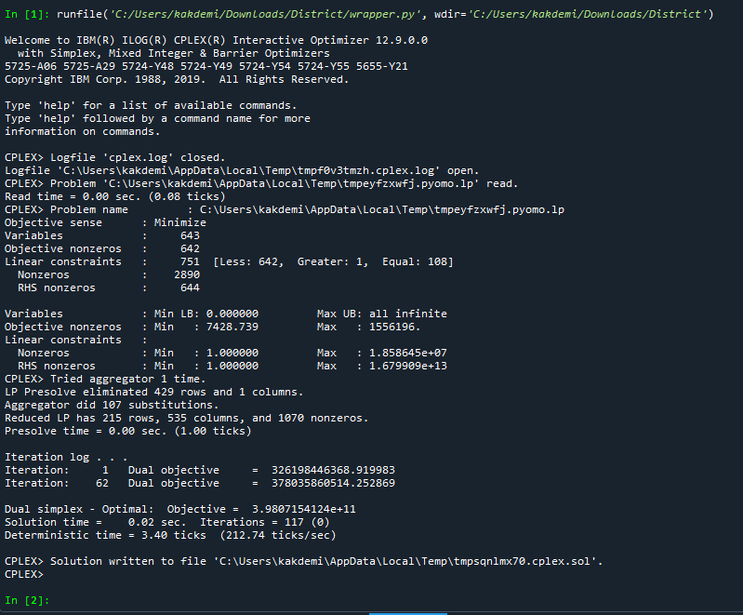 | 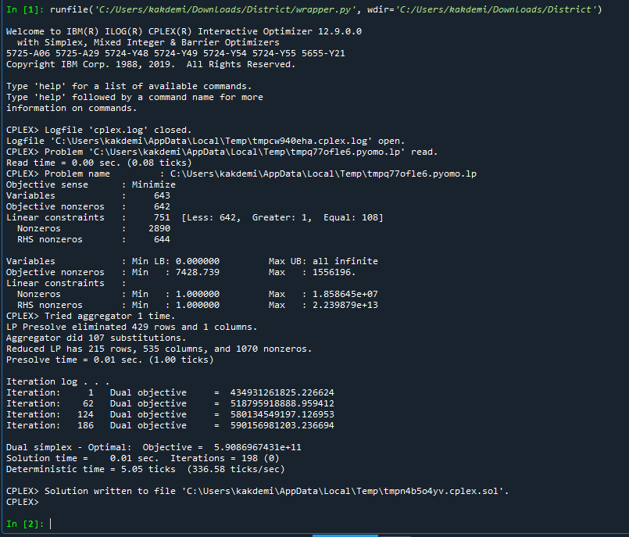 | 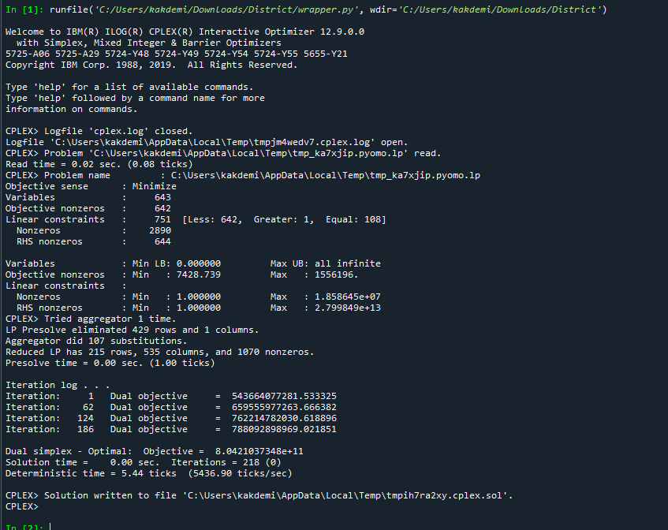 | 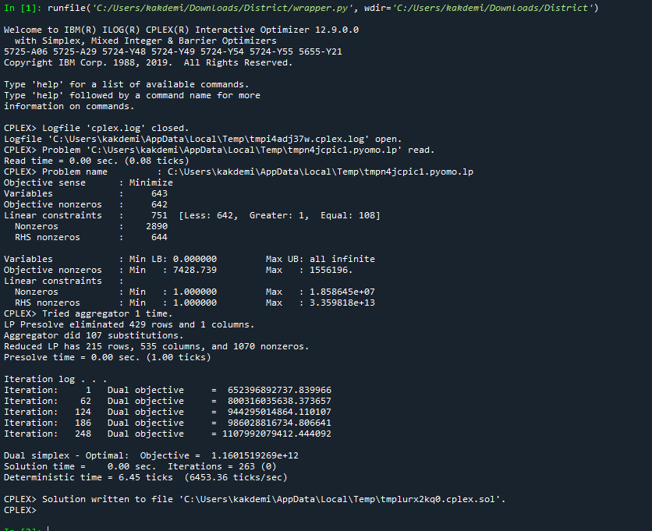 | 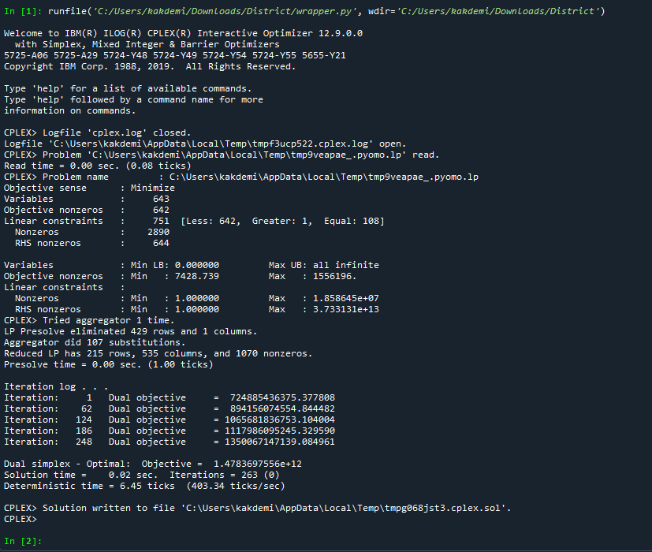 | For 3 billion, version _100000_0.001district, minimum cost is 0.0565194238905589
 |  |  |  |  |  |  | For 3 billion, version _1000000_0.001district, minimum cost is 0.0357624216599189
 |  |  |  |  |  |  | For 3 billion, version _10000000_0.001district, minimum cost is
 |  |  |  |  |  |  | For 6 billion, version _100000_0.001district, minimum cost is 0.0621956159282379
 |  |  |  |  |  |  | For 6 billion, version _1000000_0.001district, minimum cost is 0.0431937735601967
 |  |  |  |  |  |  | For 6 billion, version _10000000_0.001district, minimum cost is 0.0326387753441528
 |  |  |  |  |  |  | For 9 billion, version _100000_0.001district, minimum cost is 0.0752955638490037
 |  |  |  |  |  |  | For 9 billion, version _1000000_0.001district, minimum cost is 0.0505967675567284
 |  |  |  |  |  |  | For 9 billion, version _10000000_0.001district, minimum cost is 0.03439604160445
 |  |  |  |  |  |  | For 12 billion, version _100000_0.001district, minimum cost is 0.0723160960904326
 |  |  |  |  |  |  | For 12 billion, version _1000000_0.001district, minimum cost is 0.0553287319355877
 |  |  |  |  |  |  | For 12 billion, version _10000000_0.001district, minimum cost is 0.0386348965205357
 |  |  |  |  |  |  | For 15 billion, version _100000_0.001district, minimum cost is 0.0744069700511732
 |  |  |  |  |  |  | For 15 billion, version _1000000_0.001district, minimum cost is 0.0587779595304812
 |  |  |  |  |  |  | For 15 billion, version _10000000_0.001district, minimum cost is 0.0424008003601617
 |  |  |  |  |  |  | For 18 billion, version _100000_0.001district, minimum cost is 0.0785396688771652
 |  |  |  |  |  |  | For 18 billion, version _1000000_0.001district, minimum cost is 0.0630422238119456
 |  |  |  |  |  |  | For 18 billion, version _10000000_0.001district, minimum cost is 0.0409268631981858
 |  |  |  |  |  |  | For 20 billion, version _100000_0.001district, minimum cost is 0.080208261461325
 |  |  |  |  |  |  | For 20 billion, version _1000000_0.001district, minimum cost is 0.0608241714563113
 |  |  |  |  |  |  | For 20 billion, version _10000000_0.001district, minimum cost is 0.0464056792145177

3 Billion Gallon -GHG | 6 Billion Gallon -GHG | 9 Billion Gallon -GHG | 12 Billion Gallon -GHG | 15 Billion Gallon -GHG | 18 Billion Gallon -GHG | 20 Billion Gallon -GHG
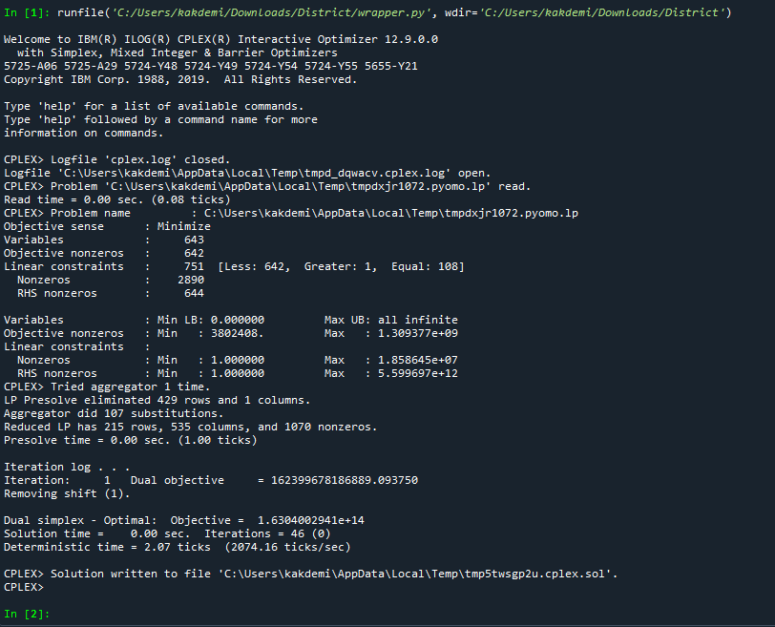 | 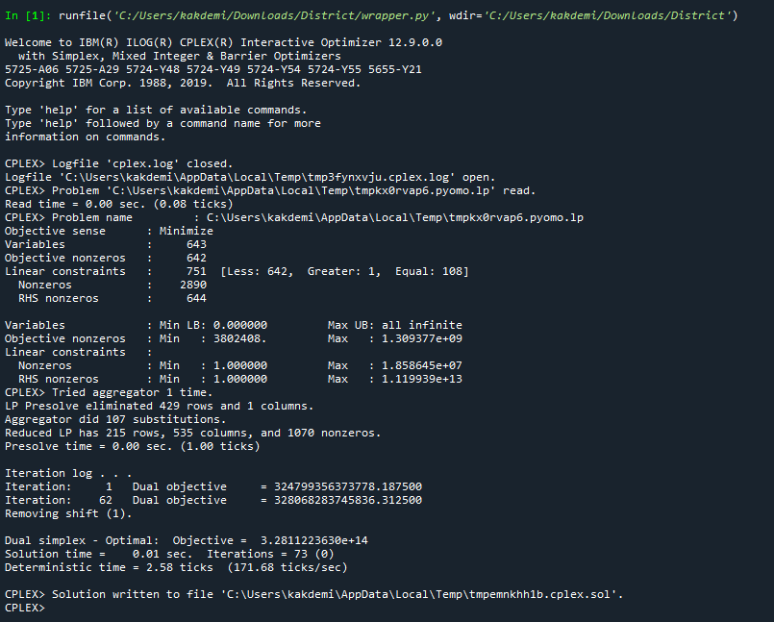 | 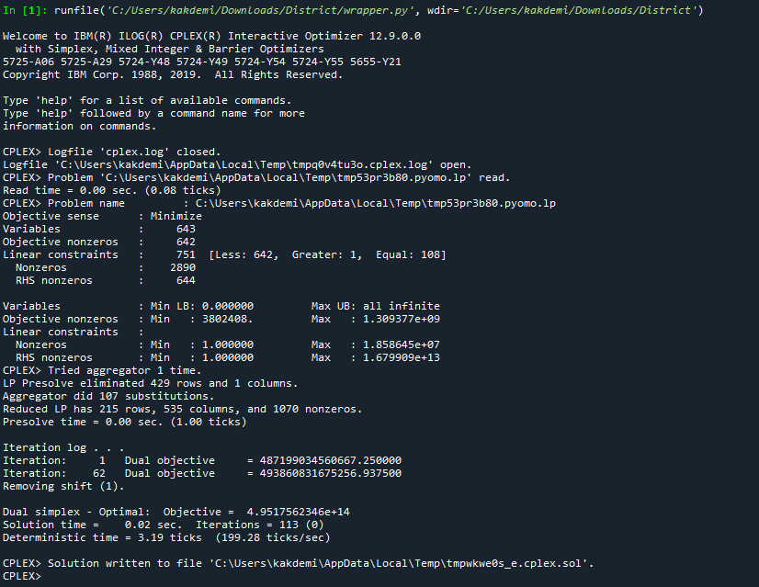 | 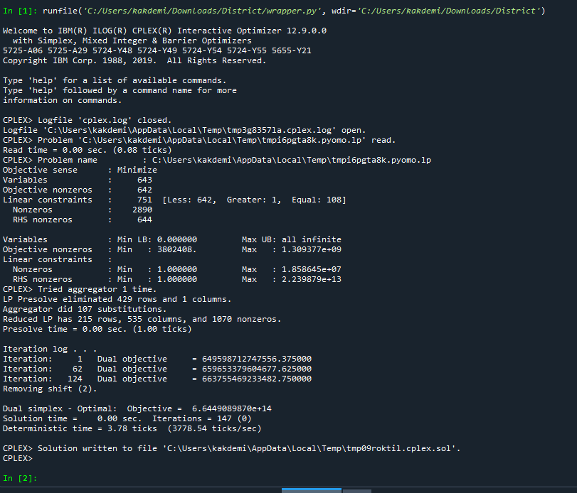 | 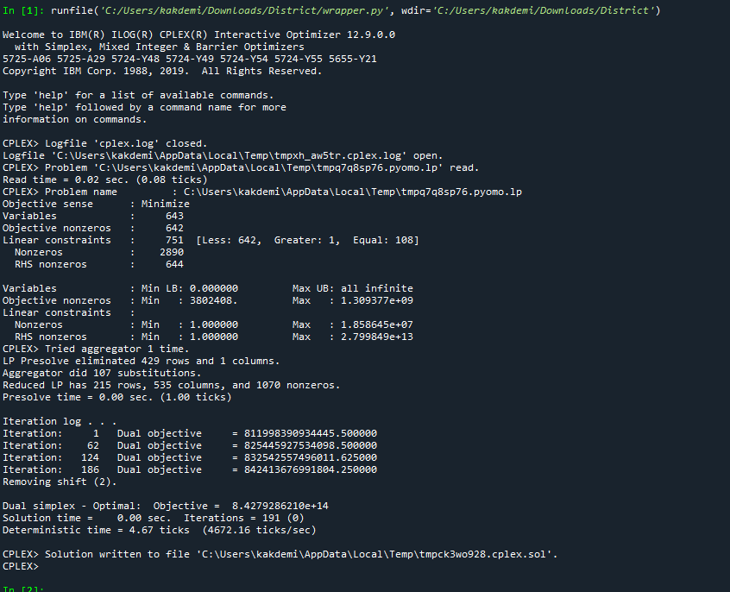 | 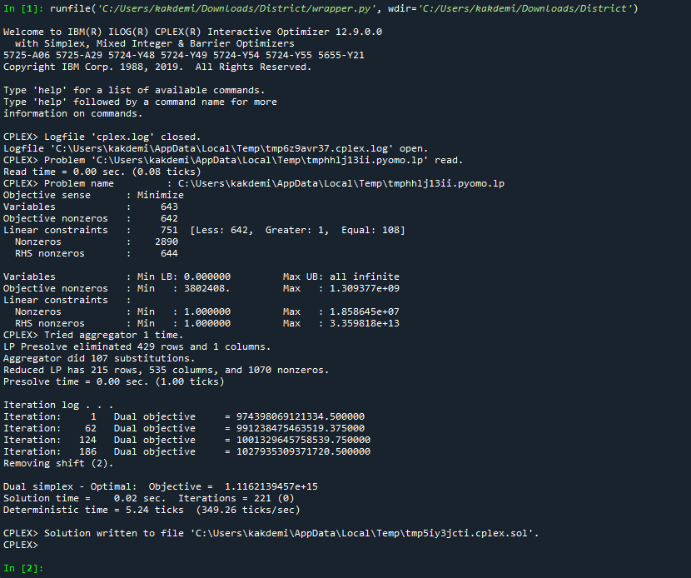 | 