Outputs
3 Billion Gallon -Cost | 6 Billion Gallon -Cost | 9 Billion Gallon -Cost | 12 Billion Gallon -Cost | 15 Billion Gallon -Cost | 18 Billion Gallon -Cost | 20 Billion Gallon -Cost
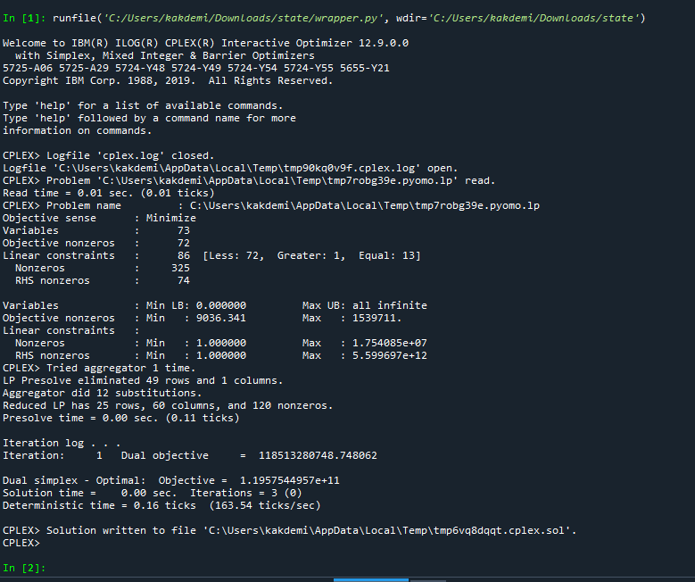 | 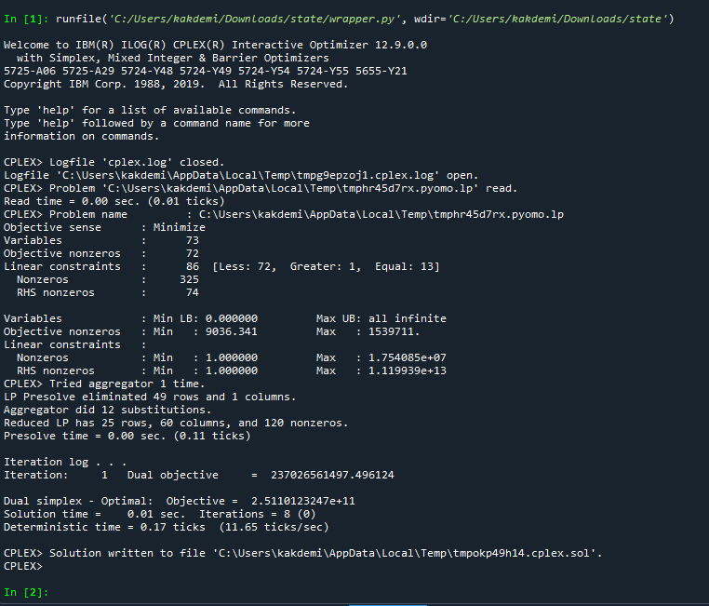 | 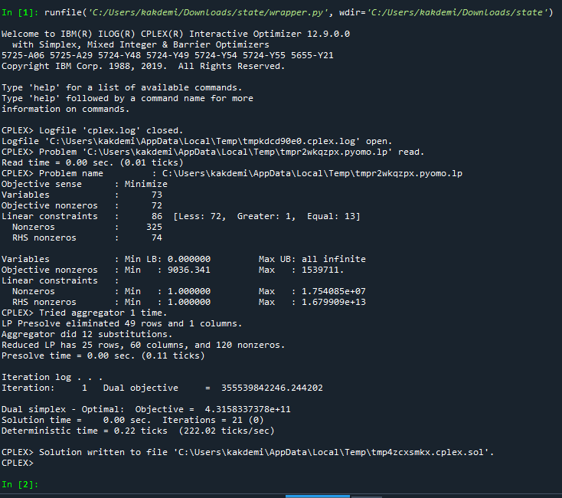 | 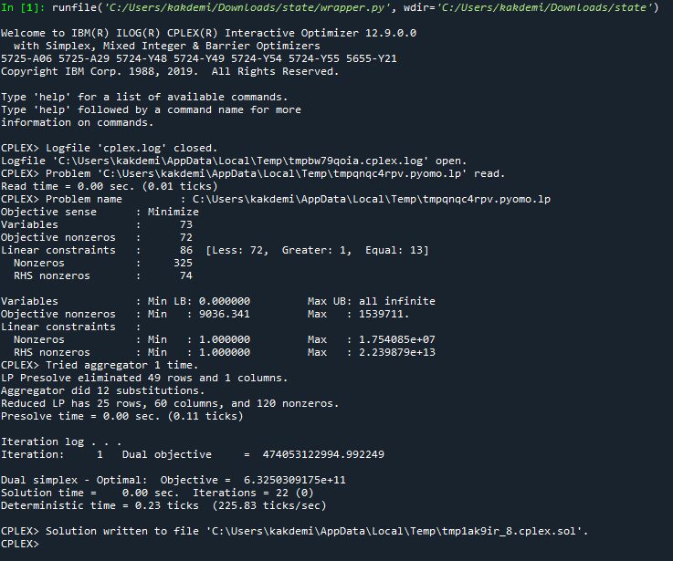 | 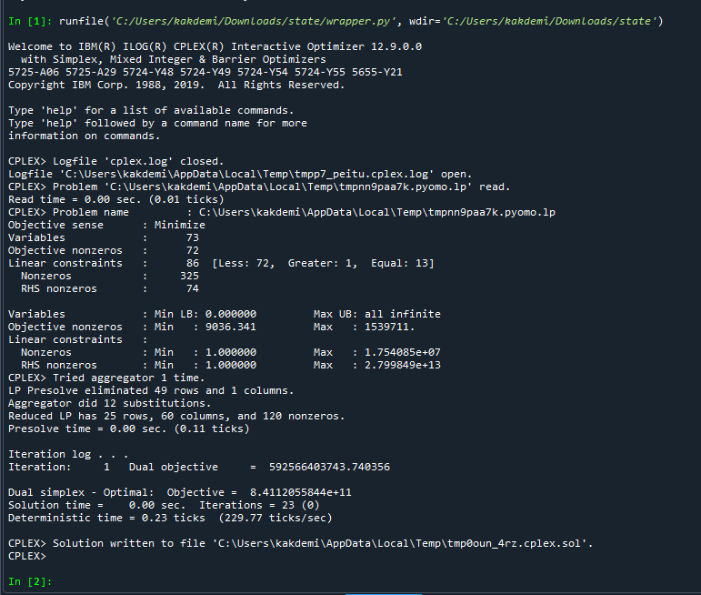 | 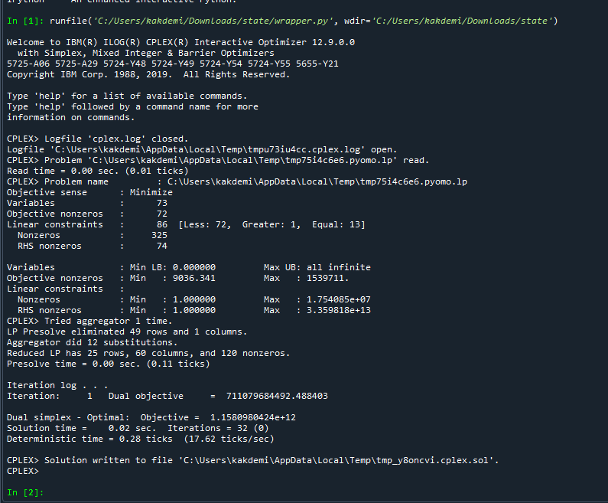 | 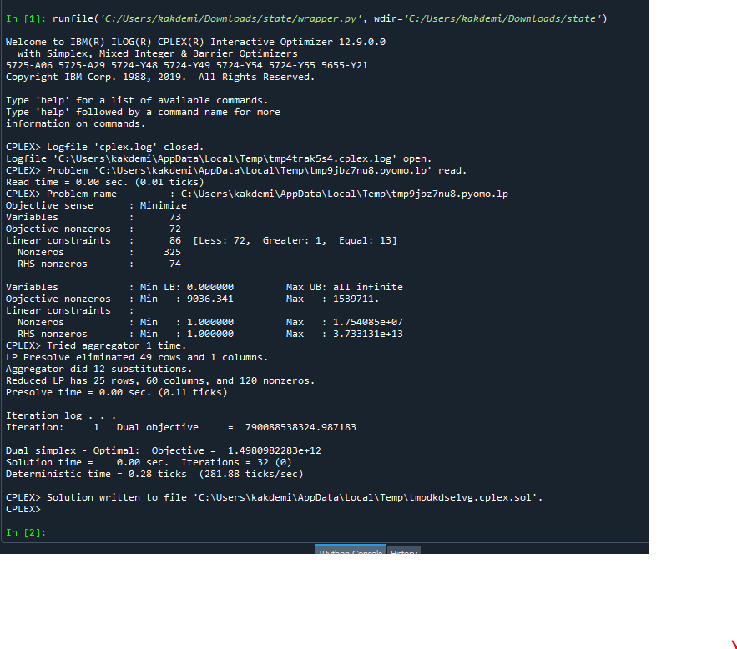

3 Billion Gallon -GHG | 6 Billion Gallon -GHG | 9 Billion Gallon -GHG | 12 Billion Gallon -GHG | 15 Billion Gallon -GHG | 18 Billion Gallon -GHG | 20 Billion Gallon -GHG
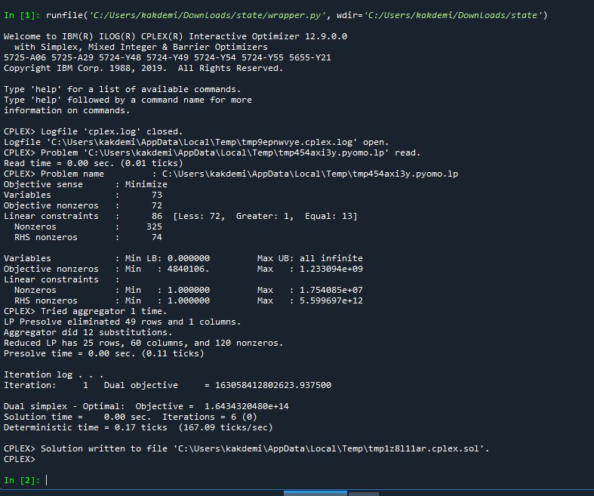 | 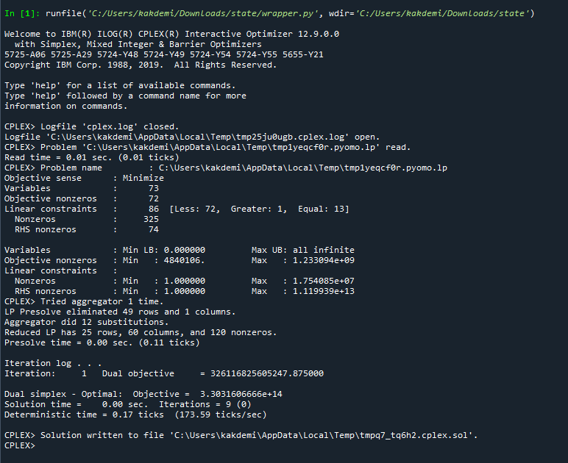 | 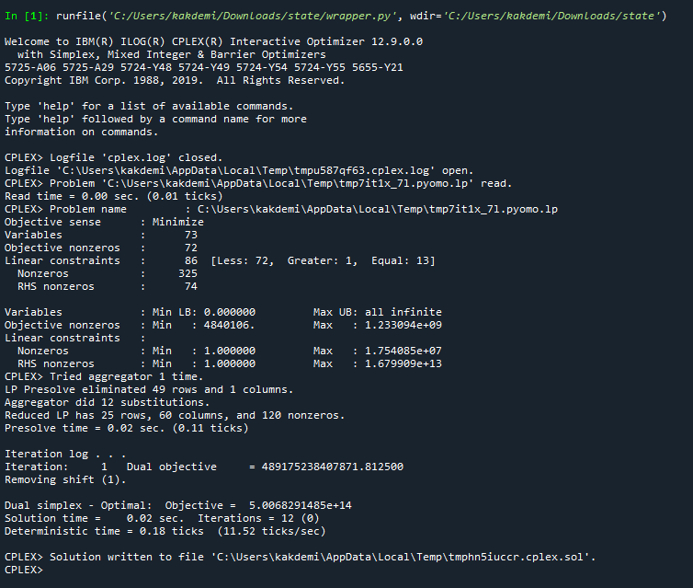 | 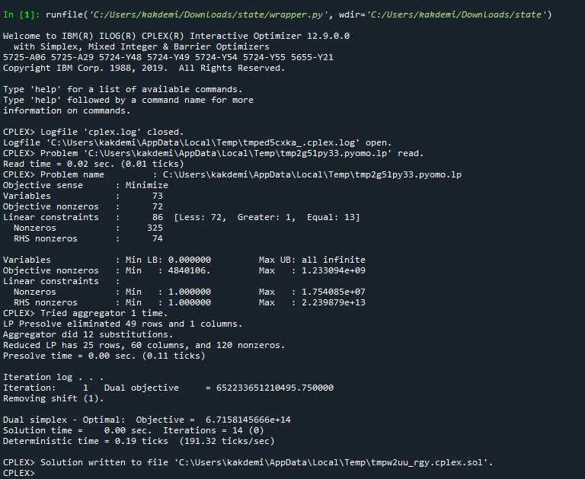 | 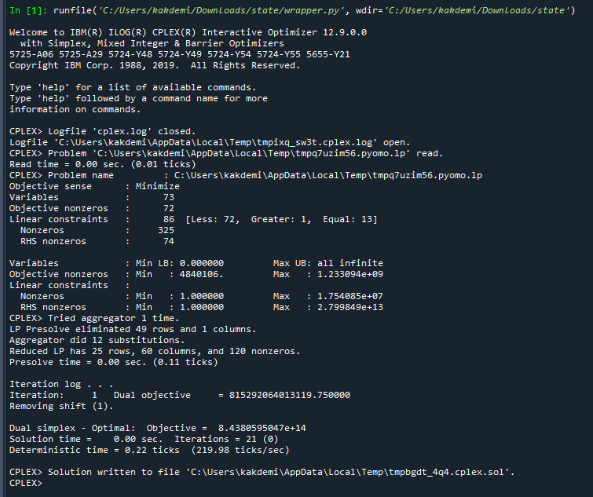 | 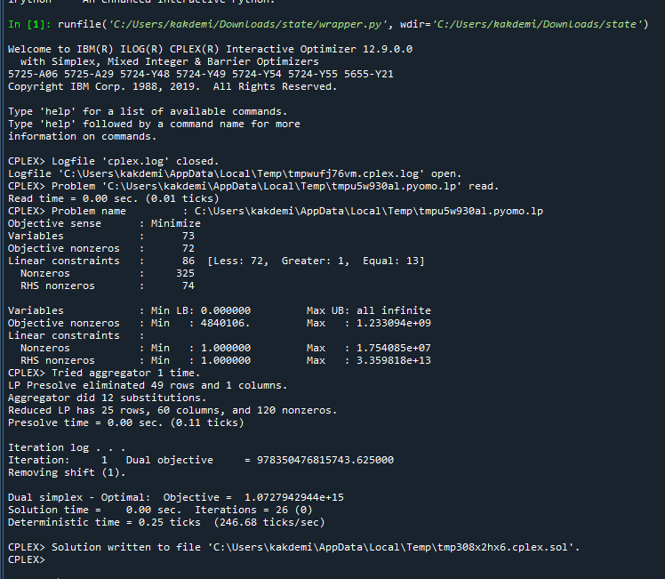 | 