SoyCult
Name | Base Value | Units | Notes | I/O | mode | min | max | mu | sigma | Chen 2018 | Biomass Production
Land Area | 100 | ha |  |  |  |  |  |  |  |  | Substance Inputs
Land Cost | 16549 | dollars/ha | $6700/ac, USDA land value? | In |  |  |  |  |  |  | Substance | Value | Units | Notes
Capital Cost | 6817 | dollars/ha | Beal 2020, USDA SoybeansCostReturn | In |  |  |  |  |  |  | CO2, Atmospheric | 508890 | kg/yr
Labor | 61.75 | dollars/ha/yr | Beal 2020, USDA SoybeansCostReturn | In |  |  |  |  |  |  | Soybean Seed | 23351.4 | kg/yr
Soybean Seed | 120000 | #/ha/yr | Beal 2020 = 94.5 kg/ha | In |  |  |  |  |  |  | Nitrogen in Fertilizer | 603.43 | kg/yr
Carbon Content | 46 | % |  | In |  |  |  |  |  |  | Phosphorus in Fertilizer | 1,074.27 | kg/yr
Nitrogen in Fertilizer | 0.002 | kg/kg Feedstock | Beal 2020, Chen 2018 | In |  |  |  |  |  |  | Potassium in Fertilizer | 3,379.83 | kg/yr
Phosphorus in Fertilizer | 0.0035605633803 | kg/kg Feedstock | Beal 2020, Chen 2018 | In |  |  |  |  |  |  | Ag Lime (CaCO3) | 0.00 | kg/yr
Potassium in Fertilizer | 0.01120212766 | kg/kg Feedstock | Beal 2020, Chen 2018 Huo 2009, Han 2013 | In |  |  |  |  |  |  | Glyphosate | 241.37 | kg/yr
Ag Lime | 0 | kg/ha/yr | Chen 2018, Jack had 224 kg/ha-yr - Source?? | In |  |  |  |  |  |  | Insecticide | 6.03 | kg/yr
Herbicide | 0.0008 | kg/kg Feedstock | Chen 2018, Jack had 12.26 kg/ha-yr - Source?? | In |  |  |  |  |  |  | Water, Rain | 575000 | m3/yr
Insecticide | 0.00002 | kg/kg Feedstock | Chen 2018 | In |  |  |  |  |  |  | Diesel | 4,676.56 | kg/yr
Soybeans | 3017.1329604 | kg/ha/yr | USDA SoybeansCostReturn, Jack had 3698 kg/ha-yr - Source?? | Out |  |  |  |  |  |  | Gasoline | 1,056.00 | kg/yr
N2O Emissions | 0.08 | kg/ha/yr | Huo 2009, Han 2013 | Out |  |  |  |  |  |  | LPG | 205.77 | kg/yr
Rain Water (Blue Water) | 5750 | m3/ha/yr |  | In |  |  |  |  |  |  | Natural Gas | 264.90 | kg/yr
Diesel | 0.0155 | kg/kg Feedstock | Beal 2020, Chen 2018, Huo 2009 | In |  |  |  |  |  |  | Electricity | 10,740.99 | MJ/yr
Gasoline | 0.0035 | kg/kg Feedstock | Beal 2020, Chen 2018, Huo 2009 | In |  |  |  |  |  |  | Capital Cost | 681,700.00 | $
LPG | 0.000682 | kg/kg Feedstock | Chen 2018 | In |  |  |  |  |  |  | Land Capital Cost | 1,654,900.00 | $
Natural Gas | 0.000878 | kg/kg Feedstock | Chen 2018 | In |  |  |  |  |  |  | Labor | 6,175.00 | $/yr
Electricity, Grid | 0.0356 | MJ/kg Feedstock | Beal 2020, Chen 2018, Huo 2009 | In
 |  |  |  |  |  |  |  |  |  |  | Substance Outputs
 |  |  |  |  |  |  |  |  |  |  | Substance | Value | Units | Notes
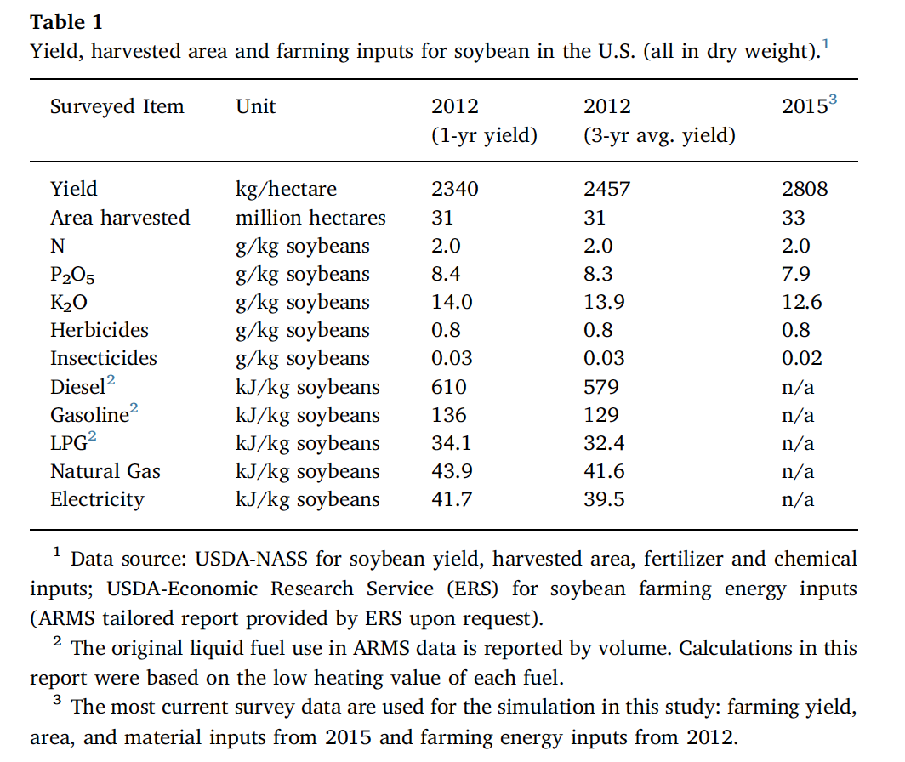
 |  |  |  |  |  |  |  |  |  |  | Soybeans | 301713.29604 | kg/yr | Primary Output
 |  |  |  |  |  |  |  |  |  |  | Fertilizer N2O | 8.00 | kg/yr | Emissions

StarchFerm
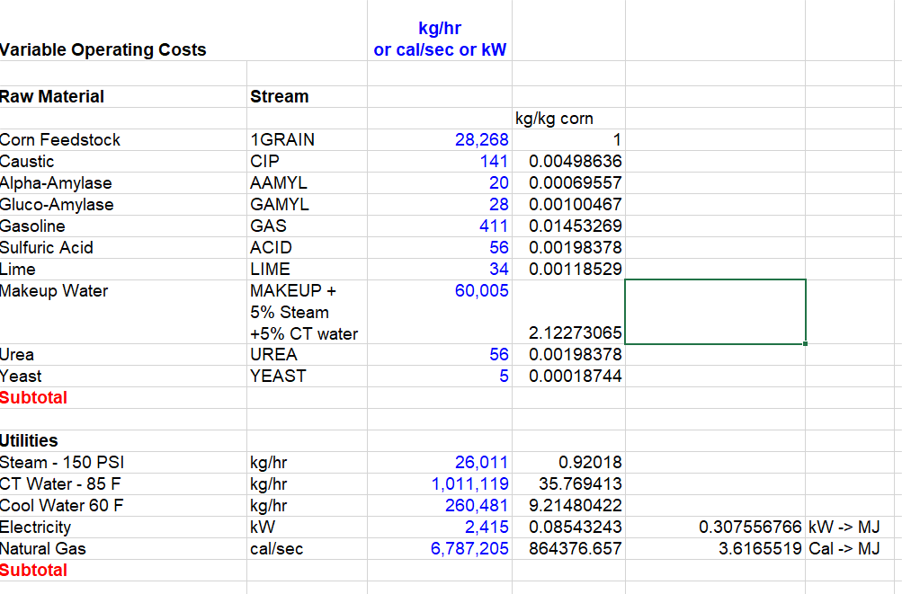
Name | Base Value | Units | Notes | I/O | Primary Author | Jack Smith | Biomass Production
Water | 2.12273 | kg/kg Feedstock | Wallace 2005 - NREL Co-Located Corn Stover to EtOH Dry Mill Excel Sheet | In |  |  | Substance Inputs
Sodium Hydroxide | 0.00498636 | kg/kg Feedstock | Wallace 2005 | In |  |  | Substance | Value | Units | Notes
Lime, Hydrated | 0.00118529 | kg/kg Feedstock | Wallace 2005 | In |  |  | Corn Grain | 1097400 | kg/yr | From Corn Cultivation Sheet
Urea | 0.00198378 | kg/kg Feedstock | Wallace 2005 | In |  |  | Water | 2329484 | kg/yr
Alpha-Amylase | 0.00069557 | kg/kg Feedstock | Wallace 2005 | In |  |  | Sodium Hydroxide | 5472 | kg/yr
Glucoamylase | 0.00100467 | kg/kg Feedstock | Wallace 2005 | In |  |  | Lime | 1301 | kg/yr
Sulfuric Acid | 0.0019837780735 | kg/kg Feedstock | Wallace 2005 | In |  |  | Urea | 2177 | kg/yr
Yeast | 0.00018743823055 | kg/kg Feedstock | Wallace 2005 | In |  |  | Alpha-Amylase | 763 | kg/yr
Gasoline | 0.014532693307 | kg/kg Feedstock | Wallace 2005 | In |  |  | Glucoamylase | 1103 | kg/yr
Steam | 0.92018 | kg/kg Feedstock | Wallace 2005 | In |  |  | Sulfuric Acid | 2177 | kg/yr
Water | 9.21480422 | kg/kg Feedstock | Wallace 2005 | In |  |  | Yeast | 206 | kg/yr
LNG | 3.6165519 | MJ/kg Feedstock | Wallace 2005 | In |  |  | Gasoline | 15948 | kg/yr | Should be about 5% of final EtOH value
Electricity, Grid | 0.307556766 | MJ/kg Feedstock | Wallace 2005 | In |  |  | Steam | 1009806 | kg/yr
Capital Cost | 0.284774923 | dollars/kg Feedstock | Wallace 2005 | In |  |  | Cooling Water | 10112326 | kg/yr
Land Cost | 0 | dollars/kg Feedstock | Neglected - Need to work out where this is held | In |  |  | LNG | 3968804 | MJ/yr
Labor | 0.02565 | dollars/kg Feedstock | Wallace 2005 | In |  |  | Electricity | 337513 | MJ/yr
Ethanol | 0.317040333 | kg/kg Feedstock | Wallace 2005 | Out |  |  | Capital Cost | 312512 | $ | AltJet for 100 ha
DDGS | 0.33 | kg/kg Feedstock | Wallace 2005 | Out |  |  | Land Capital Cost | 0 | $
CO2 Emissions | 0.248502268 | kg/kg Feedstock | AltJet | Out |  |  | Labor | 28148 | $/yr

 |  |  |  |  |  |  | Substance Outputs
 |  |  |  |  |  |  | Substance | Value | Units | Notes
 |  |  |  |  |  |  | Ethanol | 363868 | kg/yr | Primary Output
 |  |  |  |  |  |  | DDGS | 362142 | kg/yr
 |  |  |  |  |  |  | CO2 | 272706.389 | kg/yr | Emissions

HexExt
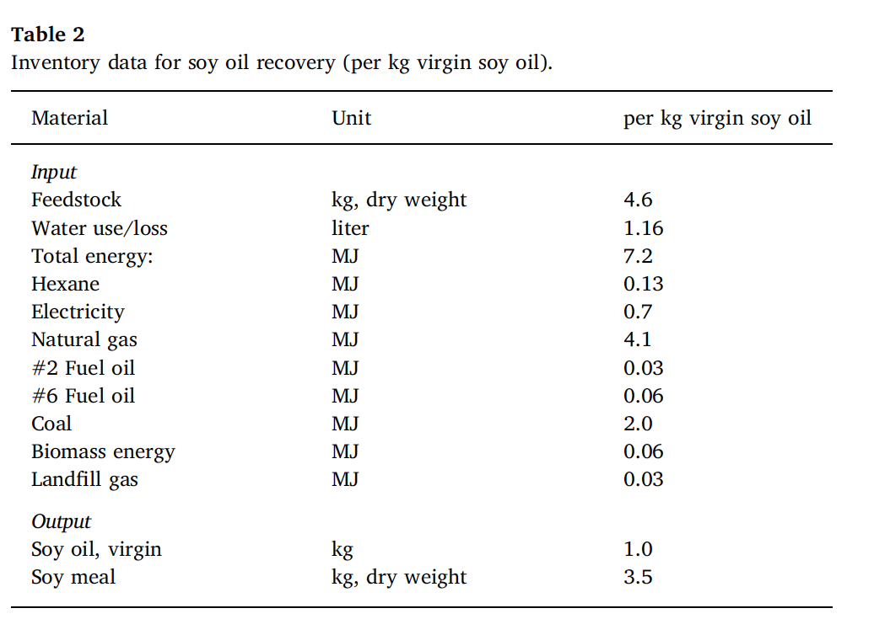
Name | Base Value | Units | Notes | I/O | Chen 2018 | Primary Author | Colin Beal | Soybeans Conversion/Extraction |  |  |  | Algae Conversion/Extraction
Land Cost | 0 | dollars/kg Feedstock | Neglected | In |  |  |  | Substance Inputs |  |  |  | Substance Inputs
Capital Cost | 0.357131479 | dollars/kg Feedstock | Beal 2020 | In |  |  |  | Substance | Value | Units | Notes | Substance | Value | Units | Notes
Labor | 0.008339832 | dollars/kg Feedstock | Beal 2020 | In |  |  |  | Soybeans | 301713.29604 | kg/yr |  | Algae | 4,928,157.00 | kg/yr
Water | 0.25777777778 | kg/kg Feedstock | Chen 2018 | In |  |  |  | Hexane Loss | 267.48 | kg/yr |  | Hexane Loss | 4369.05 | kg/yr
Hexane Loss | 0.000886548 | kg/kg Feedstock | Beal 2020, Chen 2018, Phan 2008 | In |  |  |  | Process Water | 77774.98 | kg/yr |  | Process Water | 1270369.36 | kg/yr
Natural Gas | 0.863818158 | MJ/kg Feedstock | Chen 2018 (w/ Coal) | In |  |  |  | Electricity | 24093.62 | MJ/yr |  | Electricity | 393543.00 | MJ/yr
Electricity, Grid | 0.079856019 | MJ/kg Feedstock | Chen 2018 | In |  |  |  | Natural Gas | 5213 | kg/yr |  | Natural Gas | 85141 | kg/yr
Soybean Oil | 0.22222222222 | kg/kg Feedstock | Chen 2018 | Out |  |  |  | Land Capital Cost | 0.00 | $ |  | Land Capital Cost | 0.00 | $
Soybean Meal | 0.77777777778 | kg/kg Feedstock | Chen 2018 | Out |  |  |  | Capital Cost | 107751.32 | $ |  | Capital Cost | 1760000.00 | $
Algae Oil | 0.201906412 | kg/kg Feedstock | Beal 2020 | Out |  |  |  | Labor | 2516.24 | $/yr |  | Labor | 41100.00 | $/yr
Algae Meal | 0.798093588 | kg/kg Feedstock | Beal 2021 | Out
 |  |  |  |  |  |  |  | Substance Outputs |  |  |  | Substance Outputs
 |  |  |  |  |  |  |  | Substance | Value | Units | Notes | Substance | Value | Units | Notes
 |  |  |  |  |  |  |  | Soy Oil | 67047 | kg/yr | Primary Output | Algae Oil | 995026 | kg/yr | Primary Output
 |  |  |  |  |  |  |  | Soybean Meal | 234666 | kg/yr |  | Algae Meal, LEA | 3933131 | kg/yr

 |  |  |  |  | 0
 |  |  |  |  | 0.55102034052
 |  |  |  |  | 0.0041761541597
 |  |  |  |  | 0.25777777778
 |  |  |  |  | 0.00079
 |  |  |  |  | 1.33
 |  |  |  |  | 0.15555555556
 |  |  |  |  | 0.22222222222
 |  |  |  |  | 0.77777777778

Transest
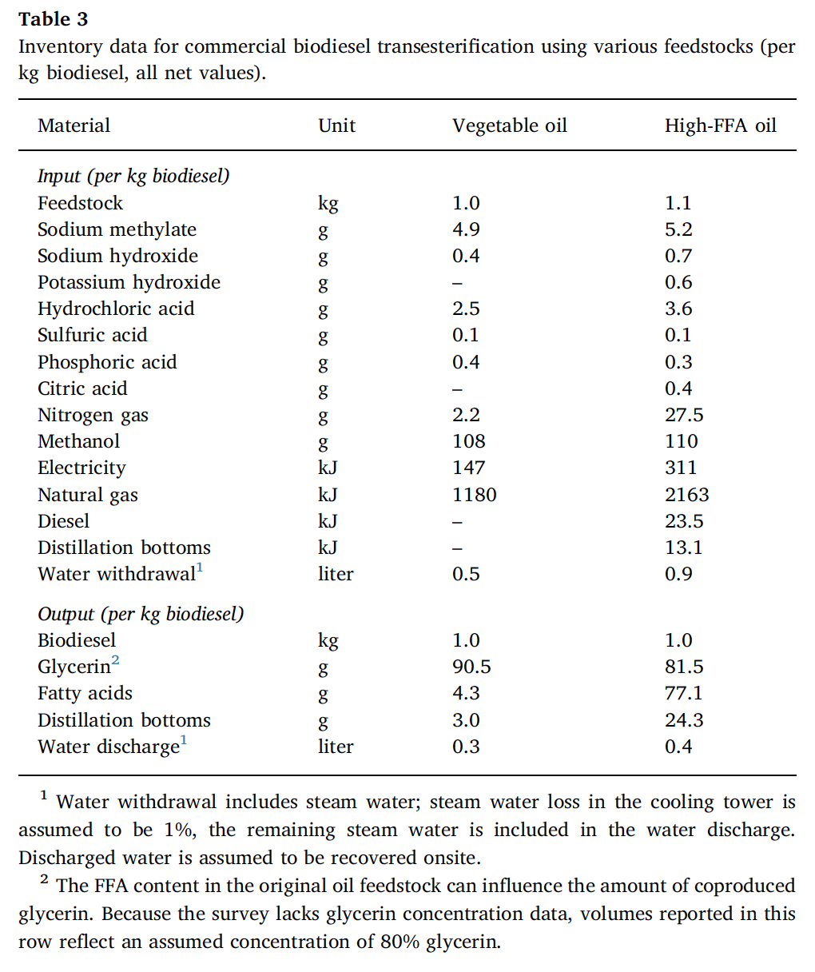
Name | Base Value | Units | Notes | I/O |  | Chen 2018 | Veg Oil Transesterification
Chemicals <100 g/kg biodiesel | NEGLECT |  |  |  |  |  | Substance Inputs
Methanol | 0.098450319052 | kg/kg Feedstock | Chen 2018 | In | Chen Total Yield | 1.097 | Substance | Value | Units | Notes
Natural Gas | 1.0756608933 | MJ/kg Feedstock | Chen 2018 | In | kg biodiesel/kg veg oil | 0.91157702826 | Soy Oil | 67047 | kg/yr
Electricity, Grid | 0.13400182315 | MJ/kg Feedstock | Chen 2018 | In | kg biodiesel/kg soy | 0.20257267295 | Methanol | 6601 | kg/yr
Water | 0.45578851413 | kg/kg Feedstock |  | In |  |  | Natural Gas | 1442 | kg/yr
Capital Cost | 0.6623694835 | dollars/kg Feedstock | Jack Source? | In |  |  | Electricity, Grid | 8984 | MJ/yr
Labor | 0.0048483000457 | dollars/kg Feedstock | Estimate | In | Primary Author | Colin Beal | Water | 30559 | kg/yr
Land Cost | 0 | dollars/kg Feedstock | Neglect | In |  |  | Capital Cost | 44410 | $
Biodiesel, Produced | 0.91157702826 | kg/kg Feedstock | Chen 2018 | Out |  |  | Labor | 325 | $/yr
Glycerin | 0.088422971741 | kg/kg Feedstock | Chen 2018 | Out
 |  |  |  |  |  |  | Substance Outputs
 |  |  |  |  |  |  | Substance | Value | Units | Notes
 |  |  |  |  |  |  | Biodiesel | 61118.9 | kg/ha-yr | Primary Output
 |  |  |  |  |  |  | Glycerin | 5928.53 | kg/ha-yr

