Feuil1
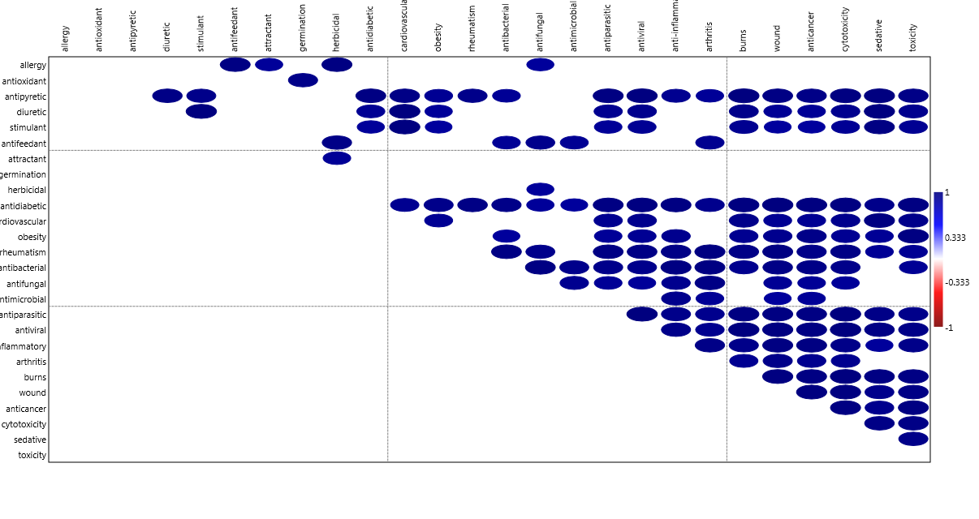
 | antifeedant | attractant | germination | herbicidal | phytotoxicity | quorum sensing | toxicant | antidiabetic | cardiovascular | obesity | antibacterial | antifungal | antimicrobial | antiparasitic | antiviral | anti-inflammatory | arthritis | burns | wound | anticancer | cytotoxicity | sedative | toxicity
acridine | 1 | 0 | 11 | 1 | 8 | 9 | 5 | 14 | 44 | 3 | 122 | 75 | 77 | 24 | 115 | 61 | 26 | 16 | 74 | 139 | 1259 | 8 | 389
benzylamine | 0 | 0 | 4 | 6 | 2 | 0 | 1 | 11 | 85 | 32 | 30 | 72 | 23 | 2 | 22 | 51 | 12 | 1 | 17 | 19 | 119 | 6 | 101
colchicine | 0 | 0 | 43 | 0 | 9 | 1 | 1 | 96 | 570 | 160 | 46 | 128 | 48 | 16 | 94 | 845 | 1567 | 31 | 218 | 158 | 1232 | 34 | 855
cyclopeptide | 0 | 0 | 17 | 1 | 13 | 60 | 0 | 28 | 76 | 43 | 236 | 365 | 335 | 9 | 92 | 89 | 668 | 1 | 48 | 42 | 498 | 4 | 167
imidazole | 3 | 1 | 54 | 8 | 47 | 18 | 2 | 185 | 1250 | 288 | 826 | 2331 | 643 | 89 | 1163 | 970 | 381 | 119 | 447 | 323 | 2745 | 478 | 1743
indole | 4 | 13 | 172 | 5 | 38 | 159 | 1 | 220 | 778 | 336 | 988 | 723 | 752 | 53 | 833 | 997 | 305 | 19 | 328 | 460 | 3601 | 77 | 1337
isoquinoline | 2 | 0 | 6 | 3 | 7 | 3 | 1 | 47 | 100 | 31 | 129 | 100 | 103 | 15 | 316 | 91 | 57 | 5 | 26 | 81 | 613 | 18 | 179
isoxazole | 0 | 0 | 4 | 13 | 5 | 2 | 0 | 36 | 77 | 54 | 230 | 214 | 176 | 49 | 228 | 451 | 508 | 2 | 48 | 69 | 356 | 27 | 269
oxazole | 0 | 0 | 4 | 7 | 3 | 4 | 0 | 85 | 125 | 57 | 251 | 203 | 163 | 6 | 91 | 161 | 61 | 2 | 19 | 58 | 394 | 18 | 243
piperidine | 1 | 0 | 7 | 5 | 2 | 1 | 0 | 426 | 975 | 462 | 362 | 233 | 225 | 29 | 295 | 432 | 404 | 41 | 101 | 102 | 1004 | 429 | 767
purine | 0 | 1 | 72 | 1 | 3 | 22 | 2 | 96 | 461 | 169 | 121 | 106 | 98 | 35 | 855 | 155 | 251 | 11 | 106 | 94 | 1163 | 18 | 662
putrescine | 0 | 8 | 68 | 0 | 17 | 9 | 1 | 3 | 28 | 18 | 25 | 21 | 28 | 8 | 14 | 17 | 14 | 4 | 47 | 7 | 224 | 2 | 162
pyridine | 5 | 3 | 33 | 48 | 28 | 25 | 11 | 213 | 1242 | 251 | 1079 | 1023 | 884 | 41 | 935 | 1120 | 463 | 69 | 370 | 501 | 2854 | 810 | 1803
pyrrolidine | 0 | 0 | 3 | 7 | 3 | 10 | 0 | 209 | 151 | 81 | 227 | 120 | 110 | 6 | 274 | 196 | 62 | 12 | 47 | 73 | 557 | 17 | 238
pyrrolizidine | 6 | 2 | 5 | 1 | 16 | 1 | 11 | 5 | 44 | 1 | 20 | 16 | 16 | 1 | 9 | 13 | 3 | 1 | 6 | 1 | 124 | 3 | 458
quinazoline | 0 | 0 | 2 | 5 | 3 | 5 | 0 | 78 | 212 | 36 | 265 | 185 | 198 | 20 | 190 | 206 | 60 | 3 | 65 | 166 | 781 | 43 | 411
quinoline | 1 | 0 | 16 | 7 | 21 | 63 | 1 | 146 | 522 | 167 | 2381 | 1042 | 2901 | 101 | 482 | 565 | 380 | 86 | 589 | 318 | 1947 | 53 | 1320
quinolizidine | 0 | 0 | 3 | 0 | 3 | 0 | 1 | 7 | 4 | 0 | 12 | 7 | 12 | 0 | 20 | 14 | 2 | 0 | 2 | 5 | 50 | 0 | 22
spermidine | 0 | 0 | 75 | 0 | 19 | 10 | 0 | 6 | 39 | 40 | 39 | 32 | 45 | 11 | 21 | 21 | 17 | 5 | 33 | 12 | 312 | 2 | 164
spermine | 0 | 0 | 47 | 1 | 14 | 3 | 0 | 7 | 48 | 34 | 27 | 20 | 38 | 5 | 26 | 26 | 14 | 6 | 29 | 12 | 424 | 2 | 181
thiazole | 3 | 0 | 34 | 16 | 11 | 26 | 3 | 526 | 355 | 290 | 949 | 904 | 743 | 132 | 579 | 1336 | 238 | 22 | 158 | 326 | 2677 | 106 | 1186
tropane | 0 | 0 | 3 | 0 | 4 | 1 | 0 | 7 | 47 | 9 | 4 | 2 | 3 | 1 | 16 | 10 | 5 | 1 | 5 | 2 | 30 | 4 | 70
acetophenone | 2 | 9 | 14 | 3 | 4 | 12 | 2 | 27 | 60 | 30 | 244 | 211 | 189 | 1 | 53 | 205 | 25 | 7 | 23 | 27 | 265 | 4 | 143
anthraquinone | 3 | 0 | 19 | 4 | 33 | 11 | 1 | 131 | 53 | 47 | 526 | 285 | 379 | 8 | 109 | 320 | 54 | 8 | 77 | 101 | 947 | 9 | 713
biflavonoids | 0 | 0 | 3 | 0 | 0 | 0 | 0 | 26 | 27 | 22 | 39 | 14 | 22 | 0 | 52 | 85 | 4 | 0 | 8 | 7 | 141 | 1 | 32
flavonoids | 37 | 3 | 483 | 8 | 138 | 93 | 6 | 1820 | 1124 | 716 | 3740 | 1596 | 3122 | 73 | 924 | 3290 | 404 | 75 | 847 | 653 | 5156 | 115 | 2971
lignans | 5 | 0 | 20 | 1 | 13 | 0 | 0 | 47 | 85 | 61 | 102 | 97 | 67 | 13 | 147 | 422 | 33 | 2 | 33 | 48 | 727 | 10 | 134
naphthoquinone | 3 | 0 | 17 | 3 | 11 | 4 | 0 | 25 | 26 | 18 | 292 | 299 | 203 | 41 | 106 | 206 | 18 | 9 | 67 | 128 | 1103 | 5 | 310
phenol | 15 | 17 | 752 | 17 | 397 | 126 | 68 | 1205 | 788 | 639 | 3676 | 1940 | 3459 | 67 | 528 | 2107 | 211 | 205 | 771 | 633 | 4830 | 86 | 6443
phenolic acid | 8 | 2 | 287 | 1 | 93 | 12 | 1 | 206 | 88 | 65 | 540 | 275 | 697 | 4 | 59 | 420 | 19 | 6 | 74 | 77 | 602 | 7 | 417
phenylpropanoid | 2 | 8 | 27 | 0 | 10 | 2 | 0 | 16 | 10 | 1 | 56 | 44 | 62 | 4 | 31 | 82 | 5 | 1 | 32 | 4 | 129 | 2 | 40
stilbene | 3 | 0 | 23 | 0 | 7 | 9 | 0 | 113 | 264 | 237 | 144 | 147 | 119 | 10 | 114 | 700 | 51 | 12 | 91 | 108 | 1072 | 2 | 276
tannin | 8 | 0 | 152 | 0 | 36 | 26 | 4 | 712 | 150 | 127 | 2042 | 771 | 1514 | 43 | 270 | 646 | 106 | 76 | 386 | 140 | 1164 | 41 | 1480
xanthone | 0 | 0 | 6 | 1 | 2 | 7 | 1 | 75 | 34 | 28 | 234 | 136 | 140 | 2 | 74 | 149 | 28 | 3 | 36 | 63 | 652 | 2 | 139
acetogenin | 0 | 0 | 3 | 1 | 2 | 1 | 0 | 2 | 2 | 1 | 23 | 13 | 9 | 5 | 6 | 7 | 0 | 0 | 2 | 6 | 226 | 0 | 34
ansamycin | 0 | 0 | 0 | 0 | 0 | 0 | 0 | 1 | 1 | 0 | 21 | 9 | 23 | 0 | 10 | 3 | 2 | 1 | 2 | 3 | 40 | 0 | 17
macrolide | 0 | 10 | 18 | 2 | 12 | 45 | 0 | 95 | 325 | 101 | 1141 | 1049 | 2147 | 156 | 189 | 256 | 199 | 38 | 230 | 68 | 761 | 49 | 664
polyene | 0 | 4 | 10 | 1 | 4 | 5 | 2 | 1 | 18 | 8 | 59 | 892 | 87 | 4 | 25 | 22 | 13 | 8 | 15 | 6 | 124 | 1 | 141
polyether | 0 | 0 | 3 | 0 | 1 | 0 | 1 | 0 | 19 | 3 | 85 | 15 | 38 | 6 | 7 | 11 | 2 | 6 | 39 | 13 | 129 | 1 | 64
tetracycline | 0 | 0 | 53 | 1 | 40 | 161 | 0 | 255 | 392 | 165 | 3100 | 1162 | 6397 | 72 | 159 | 424 | 909 | 362 | 1782 | 40 | 802 | 126 | 1856
diterpene | 26 | 3 | 38 | 5 | 33 | 13 | 1 | 72 | 56 | 36 | 392 | 229 | 272 | 11 | 209 | 551 | 72 | 5 | 69 | 71 | 1367 | 8 | 307
monoterpene | 6 | 13 | 28 | 5 | 29 | 3 | 0 | 8 | 5 | 3 | 92 | 76 | 110 | 3 | 15 | 51 | 4 | 1 | 10 | 11 | 113 | 3 | 102
sesquiterpene | 60 | 31 | 127 | 21 | 103 | 21 | 0 | 96 | 37 | 48 | 766 | 670 | 678 | 42 | 218 | 708 | 51 | 10 | 111 | 105 | 1971 | 29 | 330
sesterterpene | 2 | 0 | 1 | 0 | 0 | 0 | 0 | 0 | 0 | 1 | 28 | 18 | 20 | 0 | 4 | 25 | 1 | 0 | 2 | 5 | 112 | 1 | 12
triterpene | 31 | 0 | 30 | 2 | 16 | 14 | 1 | 297 | 77 | 116 | 475 | 325 | 351 | 26 | 285 | 892 | 126 | 20 | 189 | 127 | 2027 | 21 | 391

Corrélation de Pearson , statistic
 | antifeedant | attractant | germination | herbicidal | phytotoxicity | quorum sensing | toxicant | antidiabetic | cardiovascular | obesity | antibacterial | antifungal | antimicrobial | antiparasitic | antiviral | anti-inflammatory | arthritis | burns | wound | anticancer | cytotoxicity | sedative | toxicity
antifeedant |  | 0.60083 | 0.42167 | 0.31481 | 0.43705 | 0.17535 | 0.15601 | 0.44094 | 0.12282 | 0.3003 | 0.35328 | 0.28807 | 0.18793 | 0.14506 | 0.2329 | 0.5354 | -0.042376 | 0.063548 | 0.17002 | 0.32865 | 0.50233 | 0.015622 | 0.25141
attractant | 0.60083 |  | 0.41399 | 0.33042 | 0.51063 | 0.30735 | 0.33949 | 0.14673 | 0.078053 | 0.17508 | 0.23314 | 0.28119 | 0.1602 | 0.19011 | 0.11294 | 0.23504 | -0.092501 | 0.084789 | 0.082528 | 0.23242 | 0.3235 | -0.008916 | 0.29052
germination | 0.42167 | 0.41399 |  | 0.22522 | 0.94186 | 0.57265 | 0.7883 | 0.80958 | 0.42854 | 0.72888 | 0.72904 | 0.5761 | 0.49861 | 0.26784 | 0.38542 | 0.75081 | 0.094198 | 0.42688 | 0.45412 | 0.69696 | 0.72744 | 0.058089 | 0.85849
herbicidal | 0.31481 | 0.33042 | 0.22522 |  | 0.31937 | 0.16788 | 0.33821 | 0.25805 | 0.53557 | 0.37233 | 0.3083 | 0.43527 | 0.17285 | 0.33016 | 0.54156 | 0.44622 | 0.16728 | 0.19358 | 0.19274 | 0.59125 | 0.51694 | 0.72566 | 0.41523
phytotoxicity | 0.43705 | 0.51063 | 0.94186 | 0.31937 |  | 0.53447 | 0.89336 | 0.68254 | 0.3752 | 0.64333 | 0.69478 | 0.60255 | 0.50551 | 0.27076 | 0.31755 | 0.65522 | 0.072741 | 0.49011 | 0.44638 | 0.64031 | 0.67738 | 0.095224 | 0.88407
quorum sensing | 0.17535 | 0.30735 | 0.57265 | 0.16788 | 0.53447 |  | 0.40633 | 0.52323 | 0.48529 | 0.60385 | 0.78704 | 0.62119 | 0.81093 | 0.51397 | 0.46594 | 0.54577 | 0.39716 | 0.72911 | 0.81042 | 0.60762 | 0.63818 | 0.13971 | 0.68009
toxicant | 0.15601 | 0.33949 | 0.7883 | 0.33821 | 0.89336 | 0.40633 |  | 0.52959 | 0.32544 | 0.54099 | 0.54096 | 0.47884 | 0.36704 | 0.1891 | 0.24621 | 0.48304 | 0.035341 | 0.42912 | 0.31644 | 0.56548 | 0.54541 | 0.14241 | 0.85498
antidiabetic | 0.44094 | 0.14673 | 0.80958 | 0.25805 | 0.68254 | 0.52323 | 0.52959 |  | 0.58228 | 0.86753 | 0.8188 | 0.63021 | 0.55607 | 0.42678 | 0.53208 | 0.90701 | 0.20226 | 0.43877 | 0.54538 | 0.76894 | 0.79575 | 0.21669 | 0.78449
cardiovascular | 0.12282 | 0.078053 | 0.42854 | 0.53557 | 0.3752 | 0.48529 | 0.32544 | 0.58228 |  | 0.83847 | 0.57026 | 0.73451 | 0.42202 | 0.53931 | 0.85703 | 0.70826 | 0.51056 | 0.48107 | 0.52723 | 0.80968 | 0.76432 | 0.79577 | 0.66048
obesity | 0.3003 | 0.17508 | 0.72888 | 0.37233 | 0.64333 | 0.60385 | 0.54099 | 0.86753 | 0.83847 |  | 0.74322 | 0.70376 | 0.5247 | 0.52513 | 0.71254 | 0.89018 | 0.37248 | 0.49414 | 0.56206 | 0.8566 | 0.87017 | 0.46515 | 0.82169
antibacterial | 0.35328 | 0.23314 | 0.72904 | 0.3083 | 0.69478 | 0.78704 | 0.54096 | 0.8188 | 0.57026 | 0.74322 |  | 0.7844 | 0.90197 | 0.62261 | 0.51283 | 0.76897 | 0.32917 | 0.78262 | 0.85979 | 0.73407 | 0.7454 | 0.24728 | 0.84917
antifungal | 0.28807 | 0.28119 | 0.5761 | 0.43527 | 0.60255 | 0.62119 | 0.47884 | 0.63021 | 0.73451 | 0.70376 | 0.7844 |  | 0.66958 | 0.73079 | 0.72117 | 0.71261 | 0.32512 | 0.67382 | 0.68218 | 0.75318 | 0.76763 | 0.5083 | 0.78062
antimicrobial | 0.18793 | 0.1602 | 0.49861 | 0.17285 | 0.50551 | 0.81093 | 0.36704 | 0.55607 | 0.42202 | 0.5247 | 0.90197 | 0.66958 |  | 0.60338 | 0.32297 | 0.50875 | 0.4087 | 0.91221 | 0.95782 | 0.46875 | 0.48925 | 0.18272 | 0.67173
antiparasitic | 0.14506 | 0.19011 | 0.26784 | 0.33016 | 0.27076 | 0.51397 | 0.1891 | 0.42678 | 0.53931 | 0.52513 | 0.62261 | 0.73079 | 0.60338 |  | 0.59154 | 0.51873 | 0.33199 | 0.47954 | 0.53373 | 0.5649 | 0.5846 | 0.32236 | 0.50358
antiviral | 0.2329 | 0.11294 | 0.38542 | 0.54156 | 0.31755 | 0.46594 | 0.24621 | 0.53208 | 0.85703 | 0.71254 | 0.51283 | 0.72117 | 0.32297 | 0.59154 |  | 0.68303 | 0.30558 | 0.34371 | 0.42309 | 0.80844 | 0.80241 | 0.64316 | 0.5728
anti-inflammatory | 0.5354 | 0.23504 | 0.75081 | 0.44622 | 0.65522 | 0.54577 | 0.48304 | 0.90701 | 0.70826 | 0.89018 | 0.76897 | 0.71261 | 0.50875 | 0.51873 | 0.68303 |  | 0.34654 | 0.41103 | 0.54133 | 0.89091 | 0.92583 | 0.35069 | 0.77473
arthritis | -0.042376 | -0.092501 | 0.094198 | 0.16728 | 0.072741 | 0.39716 | 0.035341 | 0.20226 | 0.51056 | 0.37248 | 0.32917 | 0.32512 | 0.4087 | 0.33199 | 0.30558 | 0.34654 |  | 0.46917 | 0.51608 | 0.31284 | 0.29791 | 0.31738 | 0.31044
burns | 0.063548 | 0.084789 | 0.42688 | 0.19358 | 0.49011 | 0.72911 | 0.42912 | 0.43877 | 0.48107 | 0.49414 | 0.78262 | 0.67382 | 0.91221 | 0.47954 | 0.34371 | 0.41103 | 0.46917 |  | 0.95354 | 0.40955 | 0.42986 | 0.33555 | 0.68661
wound | 0.17002 | 0.082528 | 0.45412 | 0.19274 | 0.44638 | 0.81042 | 0.31644 | 0.54538 | 0.52723 | 0.56206 | 0.85979 | 0.68218 | 0.95782 | 0.53373 | 0.42309 | 0.54133 | 0.51608 | 0.95354 |  | 0.50562 | 0.53064 | 0.29726 | 0.66572
anticancer | 0.32865 | 0.23242 | 0.69696 | 0.59125 | 0.64031 | 0.60762 | 0.56548 | 0.76894 | 0.80968 | 0.8566 | 0.73407 | 0.75318 | 0.46875 | 0.5649 | 0.80844 | 0.89091 | 0.31284 | 0.40955 | 0.50562 |  | 0.96203 | 0.50684 | 0.82429
cytotoxicity | 0.50233 | 0.3235 | 0.72744 | 0.51694 | 0.67738 | 0.63818 | 0.54541 | 0.79575 | 0.76432 | 0.87017 | 0.7454 | 0.76763 | 0.48925 | 0.5846 | 0.80241 | 0.92583 | 0.29791 | 0.42986 | 0.53064 | 0.96203 |  | 0.42589 | 0.81548
sedative | 0.015622 | -0.008916 | 0.058089 | 0.72566 | 0.095224 | 0.13971 | 0.14241 | 0.21669 | 0.79577 | 0.46515 | 0.24728 | 0.5083 | 0.18272 | 0.32236 | 0.64316 | 0.35069 | 0.31738 | 0.33555 | 0.29726 | 0.50684 | 0.42589 |  | 0.34982
toxicity | 0.25141 | 0.29052 | 0.85849 | 0.41523 | 0.88407 | 0.68009 | 0.85498 | 0.78449 | 0.66048 | 0.82169 | 0.84917 | 0.78062 | 0.67173 | 0.50358 | 0.5728 | 0.77473 | 0.31044 | 0.68661 | 0.66572 | 0.82429 | 0.81548 | 0.34982
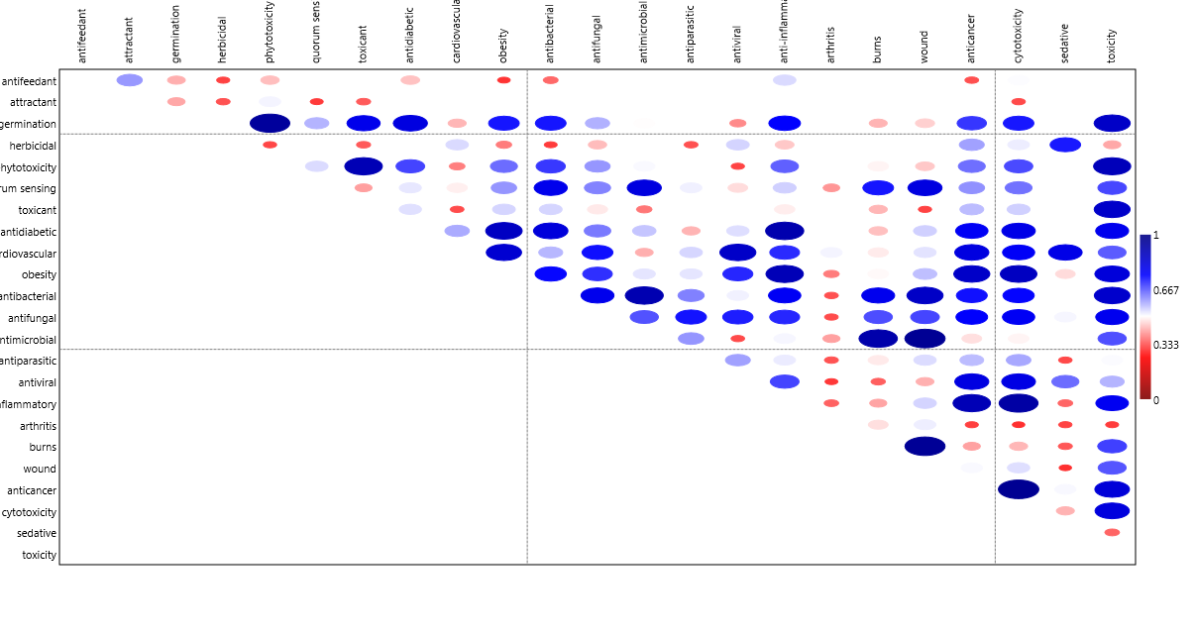

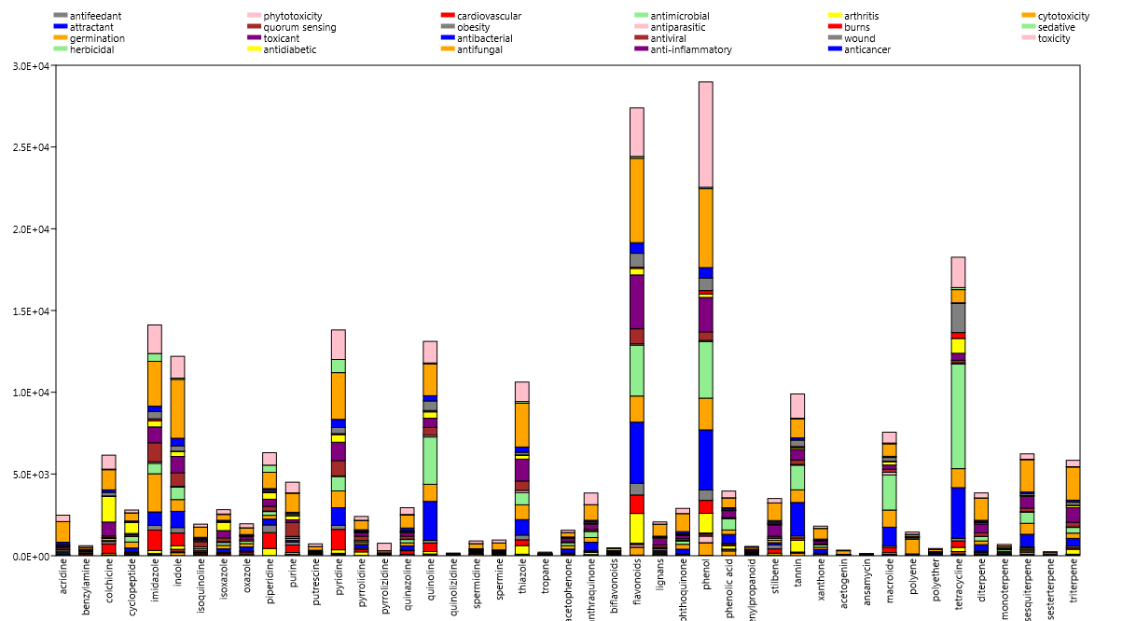

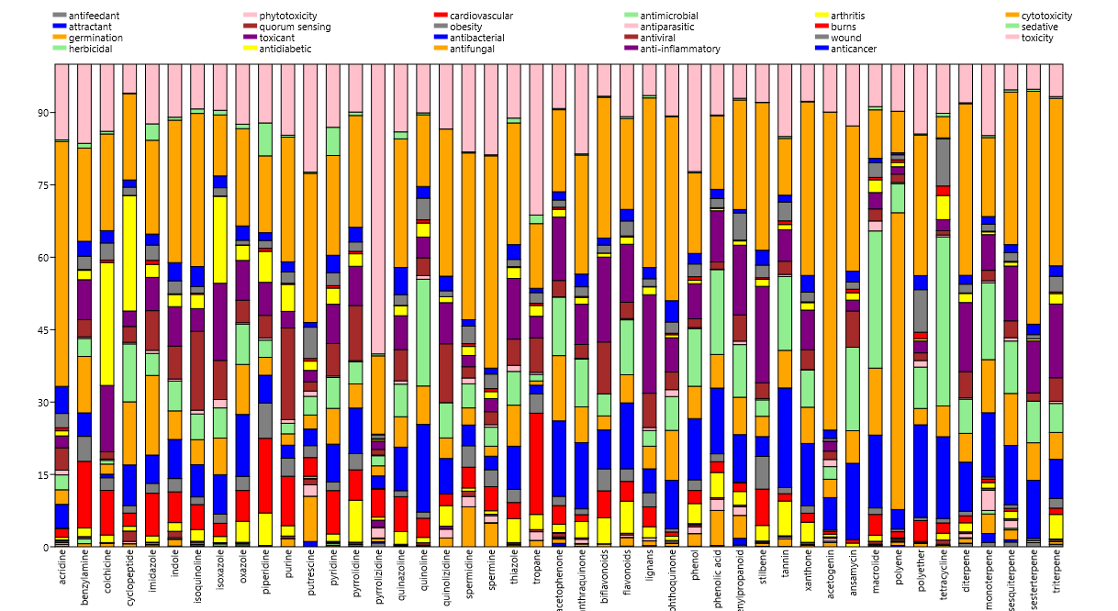

 | allelopathy | allergy | antioxidant | antipyretic | chronic disease | diuretic | infection | inflammation | neoplasm | stimulant | toxicity / intoxication | antifeedant | arbuscula development | attractant | germination | herbicidal | hppd inhibitor | hyphal branching | hyphal growth | phytotoxicity | quorum sensing | repulsive | toxicant | antidiabetic | cardiovascular | obesity | rheumatism | antibacterial | antifungal | antimicrobial | antiparasitic | antiviral | anti-inflammatory | arthritis | burns | wound | anticancer | cytotoxicity | sedative | toxicity
alkaloid | 51 | 111 | 3517 | 192 | 398 | 393 | 948 | 1155 | 3455 | 345 | 3877 | 45 | 0 | 7 | 141 | 14 | 0 | 0 | 2 | 115 | 37 | 1 | 20 | 861 | 1019 | 191 | 6 | 2421 | 1383 | 1775 | 120 | 683 | 1385 | 274 | 63 | 410 | 359 | 4482 | 303 | 3137
heteroside | 0 | 0 | 5 | 0 | 0 | 0 | 1 | 0 | 0 | 0 | 3 | 0 | 0 | 0 | 0 | 0 | 0 | 0 | 0 | 0 | 0 | 0 | 0 | 1 | 0 | 0 | 0 | 0 | 0 | 3 | 0 | 0 | 1 | 0 | 0 | 0 | 0 | 2 | 0 | 3
phenolic compound | 185 | 10 | 9054 | 3 | 38 | 7 | 93 | 152 | 132 | 2 | 857 | 9 | 0 | 12 | 356 | 5 | 0 | 0 | 1 | 196 | 18 | 2 | 3 | 149 | 81 | 80 | 0 | 549 | 271 | 958 | 9 | 53 | 371 | 9 | 4 | 55 | 91 | 461 | 2 | 853
polyketide | 5 | 2 | 79 | 0 | 5 | 0 | 109 | 21 | 93 | 0 | 51 | 1 | 0 | 1 | 27 | 5 | 0 | 0 | 0 | 15 | 38 | 0 | 0 | 10 | 2 | 5 | 0 | 346 | 363 | 308 | 15 | 59 | 36 | 1 | 0 | 4 | 39 | 422 | 0 | 50
terpenoid / terpene | 119 | 227 | 2857 | 69 | 153 | 49 | 565 | 747 | 1026 | 20 | 1374 | 66 | 0 | 92 | 208 | 28 | 0 | 1 | 2 | 134 | 49 | 0 | 1 | 447 | 153 | 82 | 4 | 1940 | 1365 | 1776 | 61 | 326 | 961 | 233 | 27 | 226 | 200 | 2193 | 72 | 1300

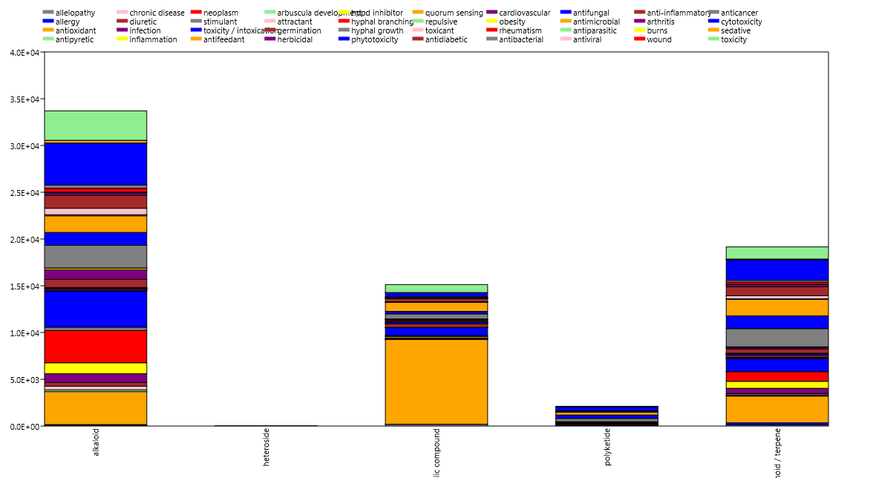

 | allergy | antioxidant | antipyretic | diuretic | stimulant | antifeedant | attractant | germination | herbicidal | antidiabetic | cardiovascular | obesity | rheumatism | antibacterial | antifungal | antimicrobial | antiparasitic | antiviral | anti-inflammatory | arthritis | burns | wound | anticancer | cytotoxicity | sedative | toxicity
allergy |  | 0.029889 | 0.56042 | 0.34483 | 0.28415 | 0.98218 | 0.89516 | 0.26562 | 0.9856 | 0.66091 | 0.35269 | 0.50585 | 0.77784 | 0.82251 | 0.89003 | 0.84089 | 0.6506 | 0.63312 | 0.76101 | 0.86215 | 0.61043 | 0.69206 | 0.66123 | 0.63776 | 0.45386 | 0.54666
antioxidant | 0.029889 |  | 0.065612 | 0.076478 | 0.066893 | 0.12088 | 0.084247 | 0.95972 | 0.083218 | 0.20455 | 0.13451 | 0.45523 | 0.036099 | 0.17531 | 0.078544 | 0.41992 | 0.058237 | 0.080586 | 0.27285 | 0.052614 | 0.10816 | 0.16442 | 0.24528 | 0.10132 | 0.062065 | 0.31244
antipyretic | 0.56042 | 0.065612 |  | 0.97061 | 0.95331 | 0.69052 | 0.13904 | 0.079929 | 0.51331 | 0.98074 | 0.97052 | 0.91807 | 0.95602 | 0.91233 | 0.84021 | 0.77845 | 0.98751 | 0.99297 | 0.93339 | 0.90277 | 0.99711 | 0.97968 | 0.96811 | 0.99125 | 0.99234 | 0.9683
diuretic | 0.34483 | 0.076478 | 0.97061 |  | 0.99792 | 0.49834 | -0.10139 | 0.023962 | 0.29654 | 0.92115 | 0.99826 | 0.89792 | 0.85738 | 0.79668 | 0.69452 | 0.6424 | 0.93042 | 0.94185 | 0.83923 | 0.77279 | 0.95328 | 0.91048 | 0.90737 | 0.93879 | 0.99281 | 0.94139
stimulant | 0.28415 | 0.066893 | 0.95331 | 0.99792 |  | 0.44143 | -0.16529 | -0.0024109 | 0.23537 | 0.89464 | 0.99506 | 0.87914 | 0.82307 | 0.75677 | 0.6487 | 0.59558 | 0.90623 | 0.91888 | 0.80349 | 0.73072 | 0.93181 | 0.88199 | 0.88021 | 0.91525 | 0.98329 | 0.92211
antifeedant | 0.98218 | 0.12088 | 0.69052 | 0.49834 | 0.44143 |  | 0.81198 | 0.32546 | 0.96548 | 0.7854 | 0.50991 | 0.65889 | 0.86821 | 0.91032 | 0.94715 | 0.91983 | 0.7663 | 0.75387 | 0.86859 | 0.93223 | 0.73687 | 0.80896 | 0.78695 | 0.75929 | 0.59617 | 0.69256
attractant | 0.89516 | 0.084247 | 0.13904 | -0.10139 | -0.16529 | 0.81198 |  | 0.35428 | 0.90763 | 0.28078 | -0.087112 | 0.15038 | 0.4193 | 0.50756 | 0.61852 | 0.62153 | 0.2526 | 0.23072 | 0.43115 | 0.54968 | 0.20377 | 0.31512 | 0.29131 | 0.23891 | 0.015788 | 0.16024
germination | 0.26562 | 0.95972 | 0.079929 | 0.023962 | -0.0024109 | 0.32546 | 0.35428 |  | 0.32871 | 0.25038 | 0.082406 | 0.4512 | 0.13096 | 0.29337 | 0.23961 | 0.55793 | 0.11083 | 0.12371 | 0.35776 | 0.18385 | 0.13783 | 0.22229 | 0.29666 | 0.14585 | 0.042544 | 0.31854
herbicidal | 0.9856 | 0.083218 | 0.51331 | 0.29654 | 0.23537 | 0.96548 | 0.90763 | 0.32871 |  | 0.62568 | 0.30802 | 0.48793 | 0.73531 | 0.8086 | 0.88868 | 0.85151 | 0.62144 | 0.59956 | 0.73586 | 0.82552 | 0.56669 | 0.65506 | 0.64221 | 0.60658 | 0.40526 | 0.51695
antidiabetic | 0.66091 | 0.20455 | 0.98074 | 0.92115 | 0.89464 | 0.7854 | 0.28078 | 0.25038 | 0.62568 |  | 0.93061 | 0.95516 | 0.97343 | 0.96281 | 0.89722 | 0.88286 | 0.98415 | 0.98905 | 0.98449 | 0.94273 | 0.99241 | 0.99847 | 0.99529 | 0.99128 | 0.95606 | 0.9857
cardiovascular | 0.35269 | 0.13451 | 0.97052 | 0.99826 | 0.99506 | 0.50991 | -0.087112 | 0.082406 | 0.30802 | 0.93061 |  | 0.92081 | 0.85868 | 0.80724 | 0.70112 | 0.66891 | 0.93126 | 0.94368 | 0.85441 | 0.77664 | 0.95632 | 0.91798 | 0.91945 | 0.94192 | 0.99132 | 0.95591
obesity | 0.50585 | 0.45523 | 0.91807 | 0.89792 | 0.87914 | 0.65889 | 0.15038 | 0.4512 | 0.48793 | 0.95516 | 0.92081 |  | 0.865 | 0.88292 | 0.78091 | 0.85999 | 0.90527 | 0.91852 | 0.93912 | 0.82308 | 0.93191 | 0.93802 | 0.96172 | 0.92529 | 0.91073 | 0.98788
rheumatism | 0.77784 | 0.036099 | 0.95602 | 0.85738 | 0.82307 | 0.86821 | 0.4193 | 0.13096 | 0.73531 | 0.97343 | 0.85868 | 0.865 |  | 0.9789 | 0.95006 | 0.87766 | 0.97827 | 0.97579 | 0.97106 | 0.98886 | 0.97043 | 0.98459 | 0.96276 | 0.97559 | 0.91271 | 0.92105
antibacterial | 0.82251 | 0.17531 | 0.91233 | 0.79668 | 0.75677 | 0.91032 | 0.50756 | 0.29337 | 0.8086 | 0.96281 | 0.80724 | 0.88292 | 0.9789 |  | 0.98141 | 0.95209 | 0.95602 | 0.95061 | 0.98682 | 0.98477 | 0.93818 | 0.97143 | 0.96918 | 0.95481 | 0.85858 | 0.91612
antifungal | 0.89003 | 0.078544 | 0.84021 | 0.69452 | 0.6487 | 0.94715 | 0.61852 | 0.23961 | 0.88868 | 0.89722 | 0.70112 | 0.78091 | 0.95006 | 0.98141 |  | 0.93578 | 0.90918 | 0.89546 | 0.93874 | 0.9759 | 0.87037 | 0.91447 | 0.9089 | 0.8993 | 0.77138 | 0.82508
antimicrobial | 0.84089 | 0.41992 | 0.77845 | 0.6424 | 0.59558 | 0.91983 | 0.62153 | 0.55793 | 0.85151 | 0.88286 | 0.66891 | 0.85999 | 0.87766 | 0.95209 | 0.93578 |  | 0.8371 | 0.83327 | 0.94916 | 0.91162 | 0.82276 | 0.88578 | 0.90377 | 0.8439 | 0.71078 | 0.85078
antiparasitic | 0.6506 | 0.058237 | 0.98751 | 0.93042 | 0.90623 | 0.7663 | 0.2526 | 0.11083 | 0.62144 | 0.98415 | 0.93126 | 0.90527 | 0.97827 | 0.95602 | 0.90918 | 0.8371 |  | 0.99889 | 0.95596 | 0.94186 | 0.99164 | 0.98775 | 0.98155 | 0.99857 | 0.9656 | 0.95655
antiviral | 0.63312 | 0.080586 | 0.99297 | 0.94185 | 0.91888 | 0.75387 | 0.23072 | 0.12371 | 0.59956 | 0.98905 | 0.94368 | 0.91852 | 0.97579 | 0.95061 | 0.89546 | 0.83327 | 0.99889 |  | 0.95808 | 0.9361 | 0.99652 | 0.99085 | 0.98422 | 0.99973 | 0.97395 | 0.9668
anti-inflammatory | 0.76101 | 0.27285 | 0.93339 | 0.83923 | 0.80349 | 0.86859 | 0.43115 | 0.35776 | 0.73586 | 0.98449 | 0.85441 | 0.93912 | 0.97106 | 0.98682 | 0.93874 | 0.94916 | 0.95596 | 0.95808 |  | 0.96552 | 0.95788 | 0.98596 | 0.98564 | 0.96301 | 0.88991 | 0.95888
arthritis | 0.86215 | 0.052614 | 0.90277 | 0.77279 | 0.73072 | 0.93223 | 0.54968 | 0.18385 | 0.82552 | 0.94273 | 0.77664 | 0.82308 | 0.98886 | 0.98477 | 0.9759 | 0.91162 | 0.94186 | 0.9361 | 0.96552 |  | 0.92684 | 0.95839 | 0.93496 | 0.93738 | 0.84275 | 0.87546
burns | 0.61043 | 0.10816 | 0.99711 | 0.95328 | 0.93181 | 0.73687 | 0.20377 | 0.13783 | 0.56669 | 0.99241 | 0.95632 | 0.93191 | 0.97043 | 0.93818 | 0.87037 | 0.82276 | 0.99164 | 0.99652 | 0.95788 | 0.92684 |  | 0.99203 | 0.98212 | 0.99612 | 0.9816 | 0.97661
wound | 0.69206 | 0.16442 | 0.97968 | 0.91048 | 0.88199 | 0.80896 | 0.31512 | 0.22229 | 0.65506 | 0.99847 | 0.91798 | 0.93802 | 0.98459 | 0.97143 | 0.91447 | 0.88578 | 0.98775 | 0.99085 | 0.98596 | 0.95839 | 0.99203 |  | 0.99239 | 0.9925 | 0.95044 | 0.97493
anticancer | 0.66123 | 0.24528 | 0.96811 | 0.90737 | 0.88021 | 0.78695 | 0.29131 | 0.29666 | 0.64221 | 0.99529 | 0.91945 | 0.96172 | 0.96276 | 0.96918 | 0.9089 | 0.90377 | 0.98155 | 0.98422 | 0.98564 | 0.93496 | 0.98212 | 0.99239 |  | 0.98798 | 0.94236 | 0.9849
cytotoxicity | 0.63776 | 0.10132 | 0.99125 | 0.93879 | 0.91525 | 0.75929 | 0.23891 | 0.14585 | 0.60658 | 0.99128 | 0.94192 | 0.92529 | 0.97559 | 0.95481 | 0.8993 | 0.8439 | 0.99857 | 0.99973 | 0.96301 | 0.93738 | 0.99612 | 0.9925 | 0.98798 |  | 0.97132 | 0.97046
sedative | 0.45386 | 0.062065 | 0.99234 | 0.99281 | 0.98329 | 0.59617 | 0.015788 | 0.042544 | 0.40526 | 0.95606 | 0.99132 | 0.91073 | 0.91271 | 0.85858 | 0.77138 | 0.71078 | 0.9656 | 0.97395 | 0.88991 | 0.84275 | 0.9816 | 0.95044 | 0.94236 | 0.97132 |  | 0.95928
toxicity | 0.54666 | 0.31244 | 0.9683 | 0.94139 | 0.92211 | 0.69256 | 0.16024 | 0.31854 | 0.51695 | 0.9857 | 0.95591 | 0.98788 | 0.92105 | 0.91612 | 0.82508 | 0.85078 | 0.95655 | 0.9668 | 0.95888 | 0.87546 | 0.97661 | 0.97493 | 0.9849 | 0.97046 | 0.95928

