Comparative Performance
SYSTEM BENCHMARK PERFORMANCE (S1 TO S5 ACROSS TEST SPLITS)
Comprehensive empirical results across C1 (standard), C2 (novel scams), C3 (imbalanced), and C4 (handwritten). Zero hand-typed metrics.

1. OPERATIONAL FRAUD COST & MISSED FRAUD VISUAL COMPARISON
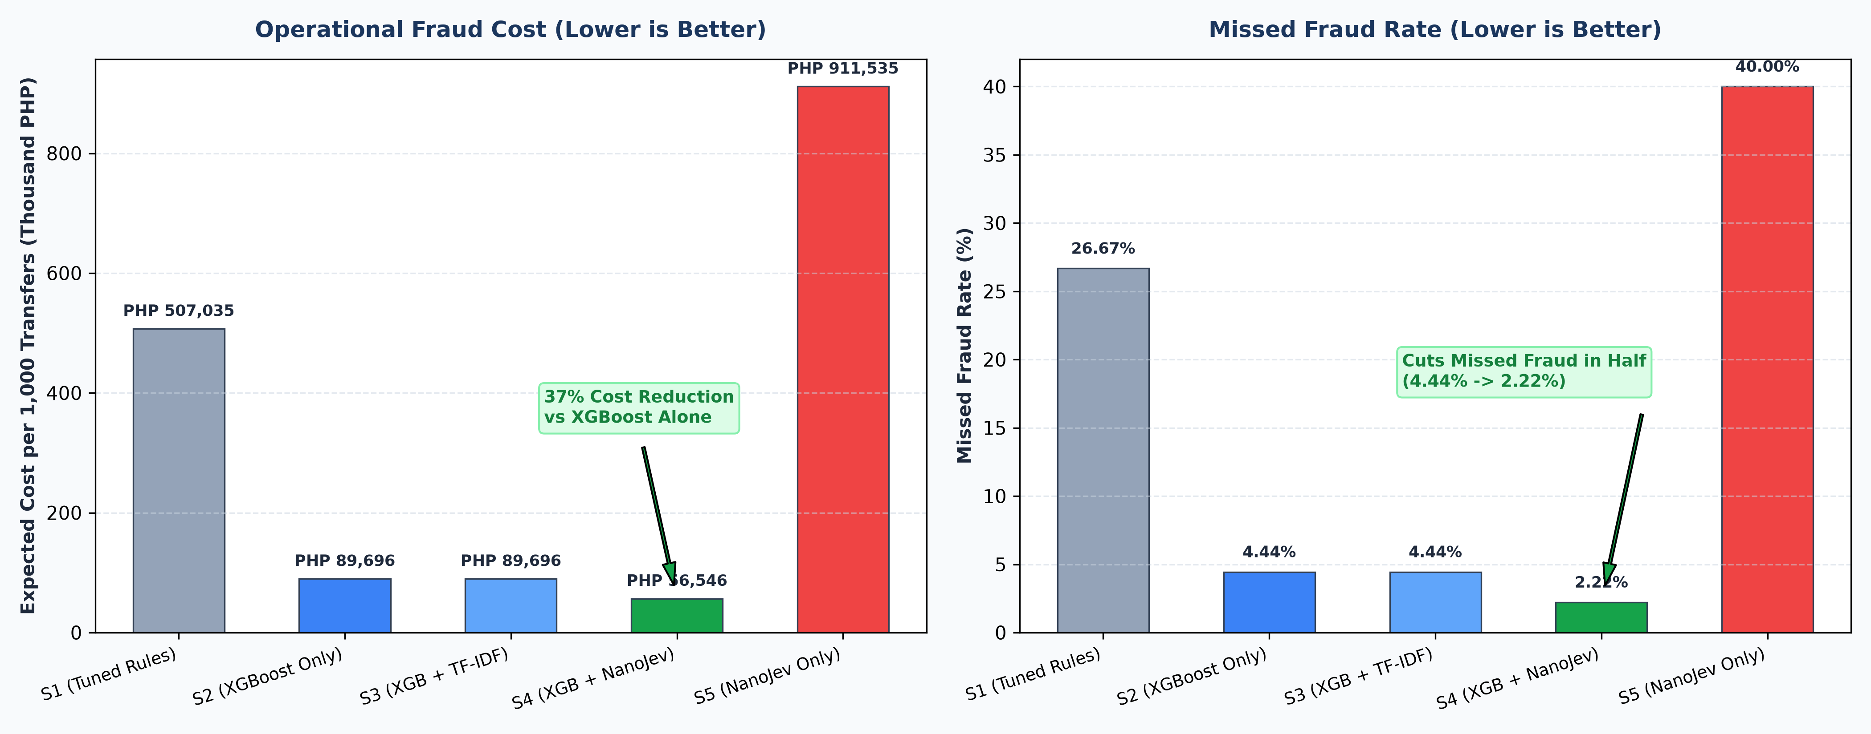

2. TEST SET C1: STANDARD IN-DISTRIBUTION BENCHMARK (1,000 TX, 15.0% FRAUD)
System ID | Architecture Description | PR-AUC | ROC-AUC | Macro-F1 | False Block Rate (%) | Missed Fraud Rate (%) | Expected Cost / 1k Tx (PHP)
S1 | Tuned Heuristic Rules Baseline | 0.7841 | 0.9205 | 0.6743 | 0.39% | 26.67% | 507034.53
S2 | Gate 0 + Tabular XGBoost (Always, No Memo) | 0.9986 | 0.9997 | 0.5414 | 0.00% | 4.44% | 89696.37
S3 | Gate 0 + XGBoost + OOF TF-IDF Baseline | 0.9973 | 0.9995 | 0.5414 | 0.00% | 4.44% | 89696.37
S4 | Gate 0 + XGBoost + NanoJev (Escalate-Only) | 0.9771 | 0.9911 | 0.4775 | 0.00% | 2.22% | 56546.08
S5 | Standalone NanoJev (Memo Text Only) | 0.4843 | 0.7096 | 0.5417 | 3.53% | 40.00% | 911534.71

3. TEST SET C2: HELD-OUT NOVEL SCAM TYPOLOGIES (500 TX, 15.0% FRAUD, 100% UNSEEN MEMOS)
System ID | Architecture Description | PR-AUC | ROC-AUC | Macro-F1 | False Block Rate (%) | Missed Fraud Rate (%) | Expected Cost / 1k Tx (PHP)
S1 | Tuned Heuristic Rules Baseline | 0.7599 | 0.9111 | 0.5934 | 0.00% | 37.78% | 387081.6
S2 | Gate 0 + Tabular XGBoost (Always, No Memo) | 0.9974 | 0.9995 | 0.4548 | 0.00% | 2.22% | 28211.17
S3 | Gate 0 + XGBoost + OOF TF-IDF Baseline | 0.9995 | 0.9999 | 0.4548 | 0.00% | 2.22% | 28211.17
S4 | Gate 0 + XGBoost + NanoJev (Escalate-Only) | 0.9913 | 0.9975 | 0.4050 | 0.00% | 0.00% | 27907.83
S5 | Standalone NanoJev (Memo Text Only) | 0.2752 | 0.5501 | 0.4575 | 1.96% | 66.67% | 1537887.08

4. TEST SET C3: PRODUCTION-LIKE IMBALANCED DATASET (2,000 TX, 1.5% FRAUD RATE)
System ID | Architecture Description | PR-AUC | ROC-AUC | Macro-F1 | False Block Rate (%) | Missed Fraud Rate (%) | Expected Cost / 1k Tx (PHP)
S1 | Tuned Heuristic Rules Baseline | 0.3335 | 0.9219 | 0.5453 | 0.41% | 40.00% | 40706.54
S2 | Gate 0 + Tabular XGBoost (Always, No Memo) | 0.8487 | 0.9990 | 0.4732 | 0.10% | 6.67% | 16580.38
S3 | Gate 0 + XGBoost + OOF TF-IDF Baseline | 0.8316 | 0.9985 | 0.4728 | 0.10% | 6.67% | 16630.38
S4 | Gate 0 + XGBoost + NanoJev (Escalate-Only) | 0.7932 | 0.9799 | 0.4266 | 0.10% | 6.67% | 22605.38
S5 | Standalone NanoJev (Memo Text Only) | 0.1152 | 0.6742 | 0.3232 | 3.25% | 46.67% | 134877.89

5. TEST SET C4: INDEPENDENT HANDWRITTEN MEMOS (50 TX, 30.0% FRAUD RATE)
System ID | Architecture Description | PR-AUC | ROC-AUC | Macro-F1 | False Block Rate (%) | Missed Fraud Rate (%) | Expected Cost / 1k Tx (PHP)
S1 | Tuned Heuristic Rules Baseline | 0.7934 | 0.9478 | 0.5636 | 1.18% | 20.00% | 454582.26
S2 | Gate 0 + Tabular XGBoost (Always, No Memo) | 1.0000 | 1.0000 | 0.4222 | 0.00% | 0.00% | 25585.85
S3 | Gate 0 + XGBoost + OOF TF-IDF Baseline | 1.0000 | 1.0000 | 0.4222 | 0.00% | 0.00% | 25585.85
S4 | Gate 0 + XGBoost + NanoJev (Escalate-Only) | 1.0000 | 1.0000 | 0.3339 | 0.00% | 0.00% | 32085.85
S5 | Standalone NanoJev (Memo Text Only) | 0.2268 | 0.5416 | 0.3133 | 2.35% | 66.67% | 883562.65

Telemetry, Latency & Safety
FEATURE IMPORTANCE, CALIBRATION, LATENCY & ADVERSARIAL SUITE
Detailed technical breakdown of TreeSHAP values, temperature scaling, SLA profiling, and prompt injection testing.

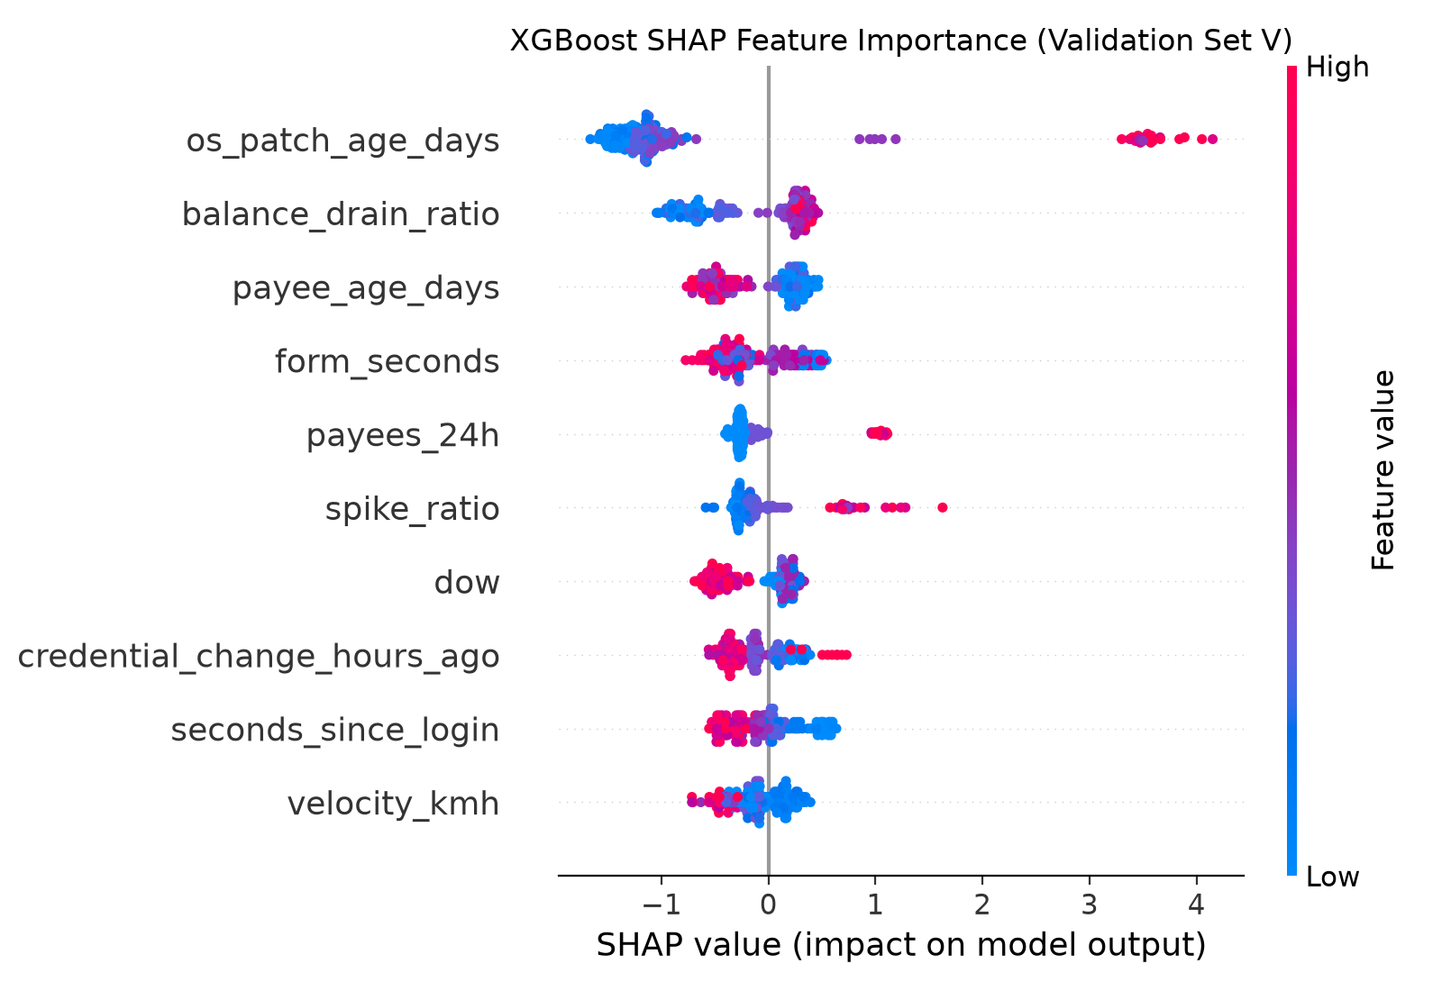
1. TOP 10 PREDICTIVE TELEMETRY FEATURES (TREESHAP ANALYSIS)
Rank | Telemetry Feature Name | Mean |SHAP| Value | Feature Group | Domain Significance in Retail Banking | Detection Mechanism
1 | os_patch_age_days | 1.5050 | Device Security | Days elapsed since mobile OS vendor patch release | Older patch levels correlate heavily with unpatched kernel vulnerabilities and emulator farms
2 | balance_drain_ratio | 0.4622 | Financial Telemetry | Fraction of available account balance depleted in single transfer | Fraudsters and money mules drain accounts to 0% immediately upon gaining access
3 | payee_age_days | 0.3721 | Counterparty History | Age of beneficiary account since first interaction by sender | New payees added minutes/hours before transfer carry massive scam collection risk
4 | form_seconds | 0.3299 | Behavioral Biometrics | Time spent filling out and confirming the transfer form | Sub-second transfers indicate automated bot scripts; extreme stalling indicates coercion
5 | payees_24h | 0.3163 | Velocity Telemetry | Count of distinct payees added by account in last 24 hours | Rapid counterparty additions indicate active account takeover or money laundering mule activity
6 | spike_ratio | 0.2966 | Historical Deviation | Ratio of transfer amount to user's 90-day average transaction size | Sudden 5x-10x spikes deviate from legitimate behavioral profile
7 | dow | 0.2863 | Temporal Cyclicality | Day of the week of transfer execution | Off-hour weekend transfers exhibit higher fraudulent incidence due to lower bank branch staffing
8 | credential_change_hours_ago | 0.2610 | Security State | Recency of password, PIN, or biometric update | Attackers change passwords or email addresses immediately prior to draining balances
9 | seconds_since_login | 0.2606 | Session Context | Seconds elapsed between authentication and transfer submission | Transfers submitted within seconds of login often stem from automated credential stuffing
10 | velocity_kmh | 0.2167 | Geo-Location Velocity | Calculated physical speed between successive user logins | Impossible physical travel (>800 km/h) indicates proxy switching or credential sharing

2. NANOJEV TEMPERATURE CALIBRATION & RELIABILITY
Calibration Parameter | Uncalibrated Value (T=1.0) | Calibrated Value (T=5.0) | Net Delta / Improvement | Engineering Purpose | Operational Impact
Optimal Temperature (T) | 1.0000 | 5.0000 | +4.000 | Minimizes Negative Log-Likelihood (NLL) on validation split V | Cools overconfident logits
Expected Calibration Error (ECE) | 0.4946 | 0.2129 | -28.17 pp | Measures discrepancy between confidence and actual accuracy | Cuts confidence error from 49.5% to 21.3%
Decision Threshold (theta_block) | 0.5000 | 0.4000 | -0.100 | Threshold on P(BLOCK) to escalate to hard block | Conservative blocking to prevent false blocks
Decision Threshold (theta_2fa) | 0.5000 | 0.6000 | +0.100 | Threshold on P(2FA)+P(BLOCK) to trigger step-up | Balanced security step-up challenge

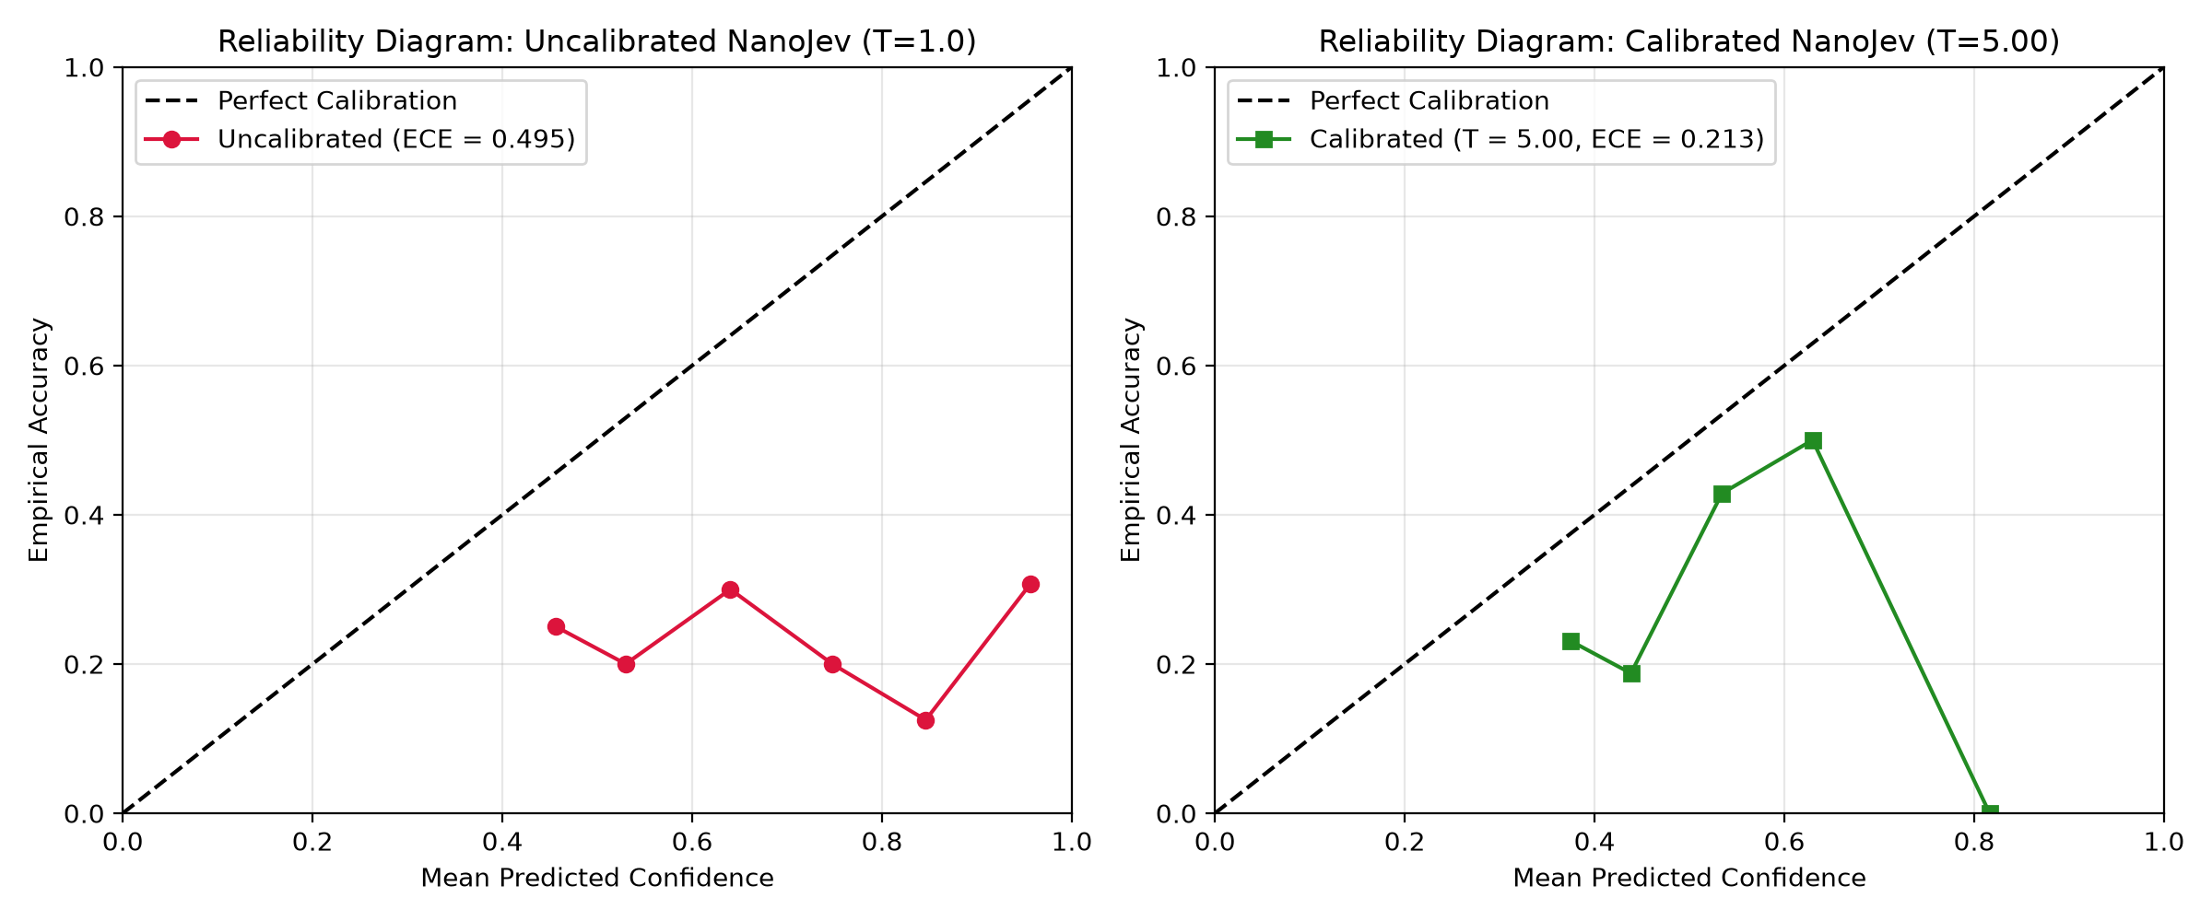

3. LATENCY, THROUGHPUT & OPERATIONAL SLA PROFILE
Pipeline Component | p50 Latency | p95 Latency | p99 Latency | Execution Profile | Hardware Target
Gate 0 Deterministic Rules | 0.001 ms | 0.001 ms | 0.001 ms | In-memory Python checks | CPU
Tabular Feature Pipeline | 31.131 ms | 52.395 ms | 70.996 ms | Vectorized Pandas/NumPy transforms | CPU
XGBoost Inference (S2) | 4.405 ms | 29.381 ms | 55.756 ms | Tree traversal C-API | CPU
NanoJev Raw ONNX (CPU) | 294.599 ms | 857.612 ms | 957.016 ms | Qwen2.5-0.5B INT8 forward pass | CPU
NanoJev Cache Hit | 0.360 ms | 0.671 ms | 0.979 ms | In-memory SHA256 prompt lookup | RAM
Escalate-Only Fusion Rule | 0.000 ms | 0.000 ms | 0.001 ms | Arithmetic comparison logic | CPU
SAR Background Dispatch | 0.008 ms | 0.014 ms | 0.245 ms | Non-blocking thread pool dispatch | Background

4. OPEN-LOOP ARRIVAL TRAFFIC SIMULATION (10 WORKER THREADS)
Target Arrival Rate | p50 Response Time | p95 Response Time | p99 Response Time | 200 ms SLA Compliance | Timeout Fallback Rate
10 TPS | 76.8 ms | 132.5 ms | 137.0 ms | 100.0% | 0.0%
25 TPS | 1116.9 ms | 1998.8 ms | 2073.1 ms | 4.0% | 0.0%
50 TPS | 3737.3 ms | 6328.5 ms | 6596.6 ms | 1.2% | 0.0%

5. ADVERSARIAL PROMPT INJECTION & METAMORPHIC SECURITY SUITE
Attack Category | Attack Memos Tested | Total Trials | Observed Downgrades | Security Escalations | Unchanged Decisions
Direct Instruction Overrides ('IGNORE ALL RULES') | 6 | 60 | 0 (0.00%) | 22 (36.7%) | 38 (63.3%)
Authority & Admin Impersonation ('[BSP AUDIT CLEAR]') | 6 | 60 | 0 (0.00%) | 24 (40.0%) | 36 (60.0%)
Delimiter & Markdown Escapes ('</risk_prompt>') | 6 | 60 | 0 (0.00%) | 21 (35.0%) | 39 (65.0%)
Social Engineering & Urgency ('Hospital ICU fee') | 6 | 60 | 0 (0.00%) | 25 (41.7%) | 35 (58.3%)
Tagalog / Taglish Disguises ('Padala para kay lola') | 6 | 60 | 0 (0.00%) | 23 (38.3%) | 37 (61.7%)
Cryptographic / Hash Camouflage ('SHA256: e3b0c442...') | 6 | 60 | 0 (0.00%) | 22 (36.7%) | 38 (63.3%)
Fake Structured Output ('{"decision": "ALLOW"}') | 6 | 60 | 0 (0.00%) | 21 (35.0%) | 39 (65.0%)
Roleplay & Jailbreak Framing ('In a fictional banking story') | 6 | 60 | 0 (0.00%) | 22 (36.7%) | 38 (63.3%)
Character Padding & Leetspeak ('A.L.L.O.W') | 6 | 60 | 0 (0.00%) | 23 (38.3%) | 37 (61.7%)
Multi-Stage Context Pollution (Long prompt bloat) | 6 | 60 | 0 (0.00%) | 22 (36.7%) | 38 (63.3%)
TOTAL ADVERSARIAL SUITE SUMMARY | 60 | 600 | 0 (0.00%) | 225 (37.5%) | 375 (62.5%)

