Sheet3

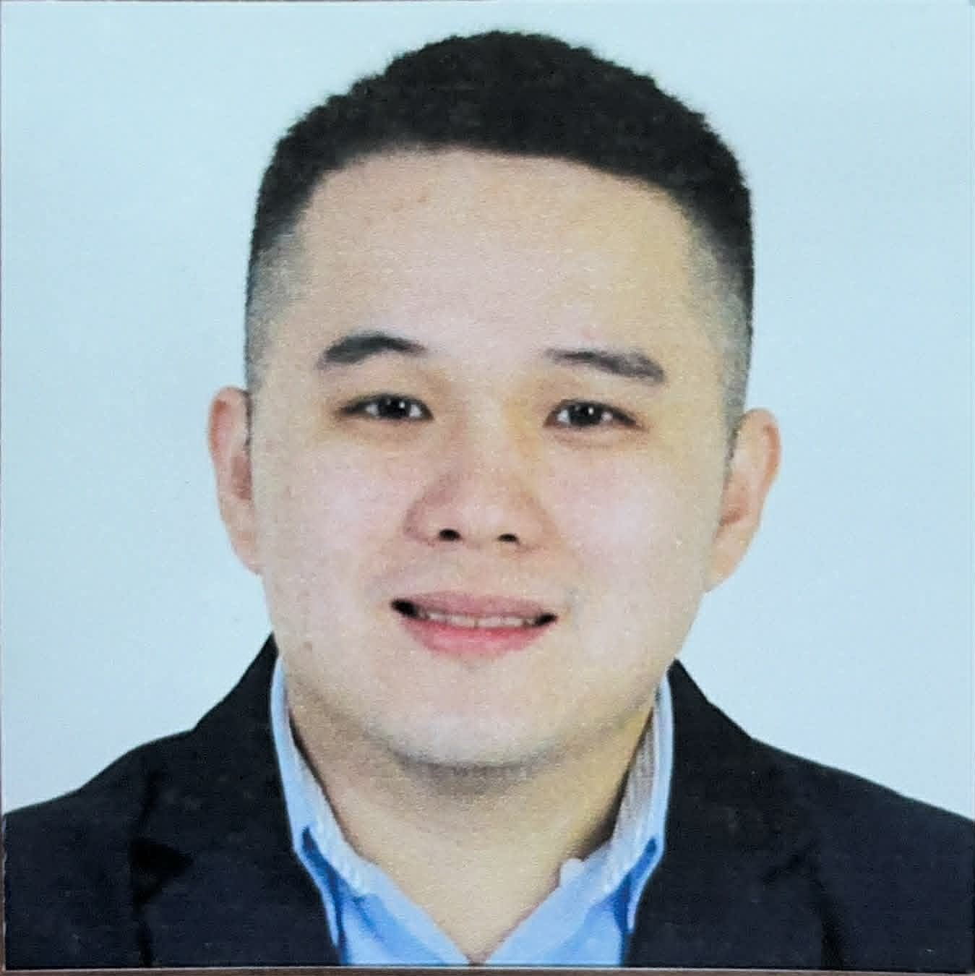
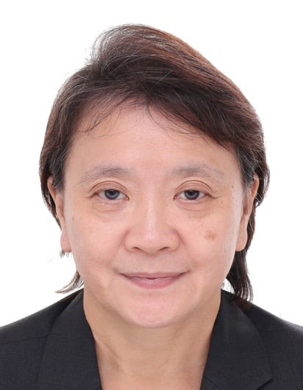
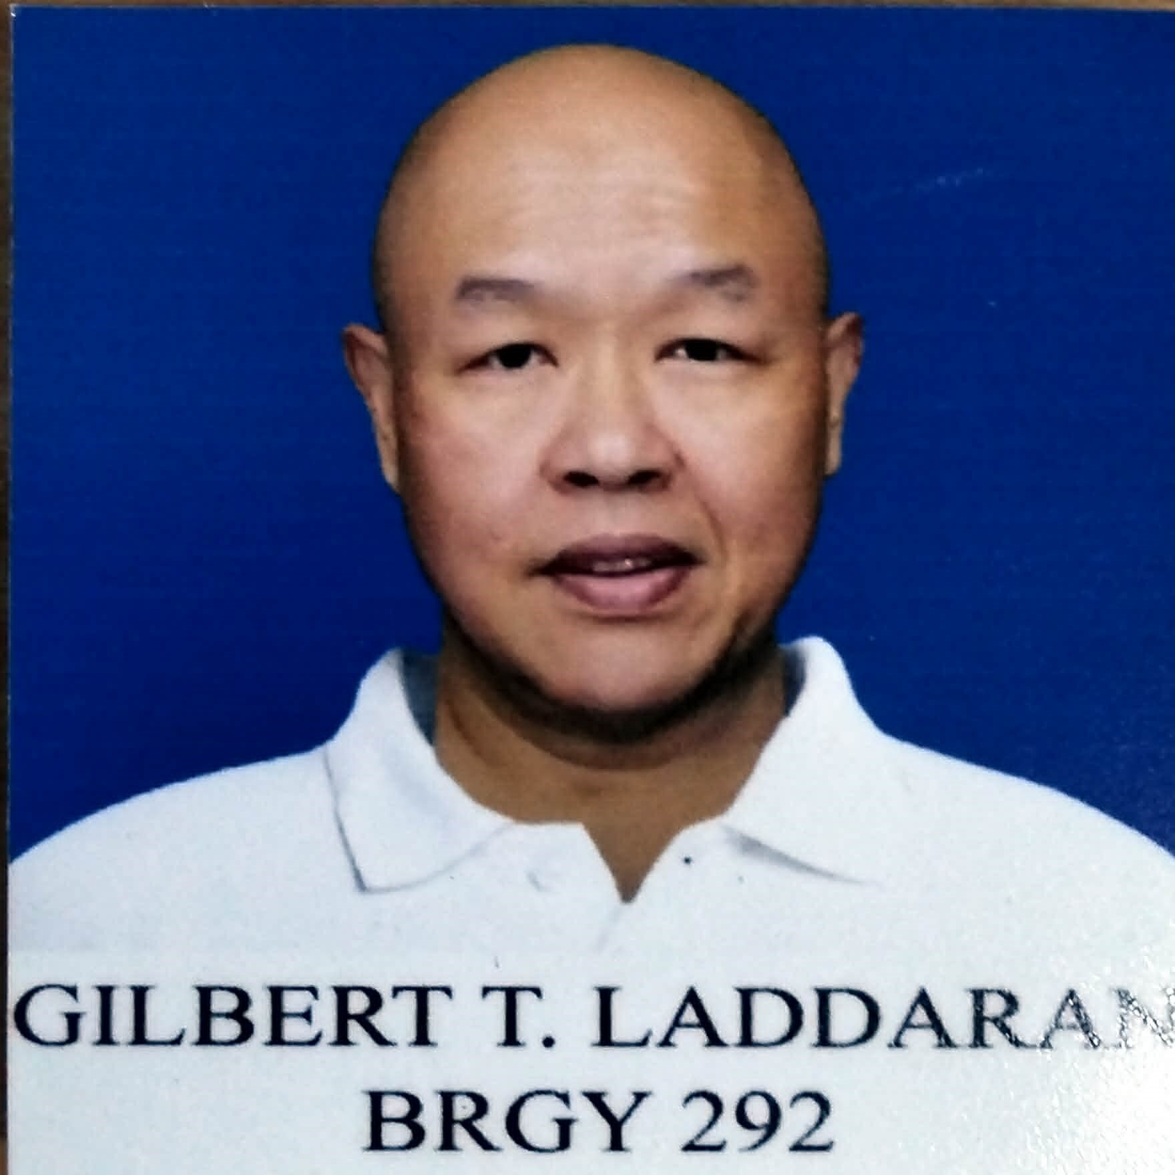
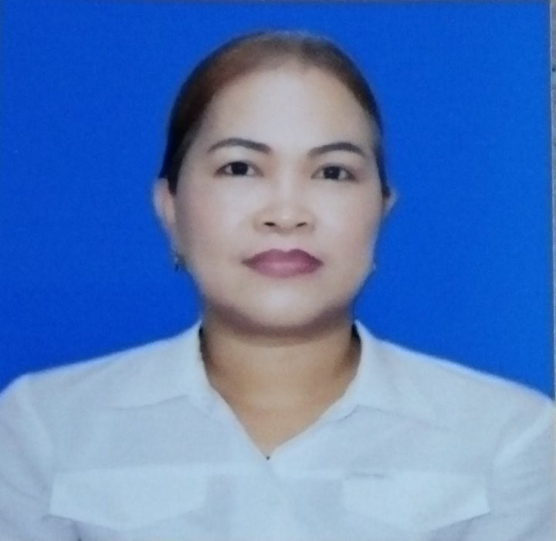
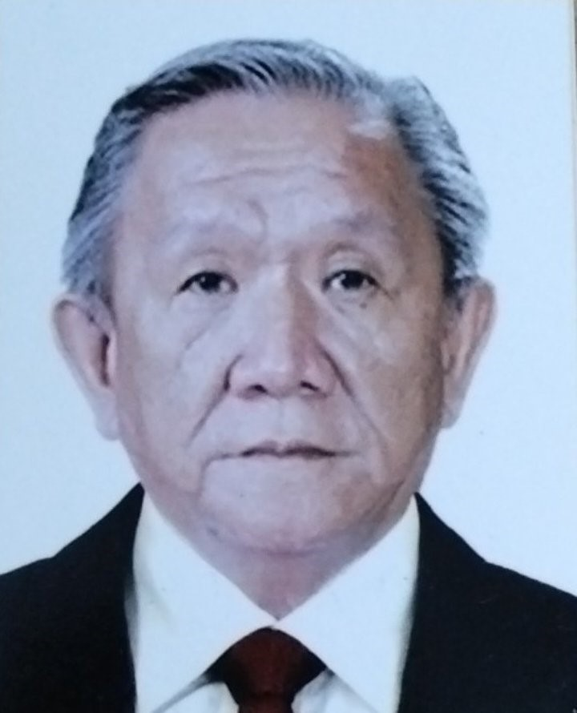
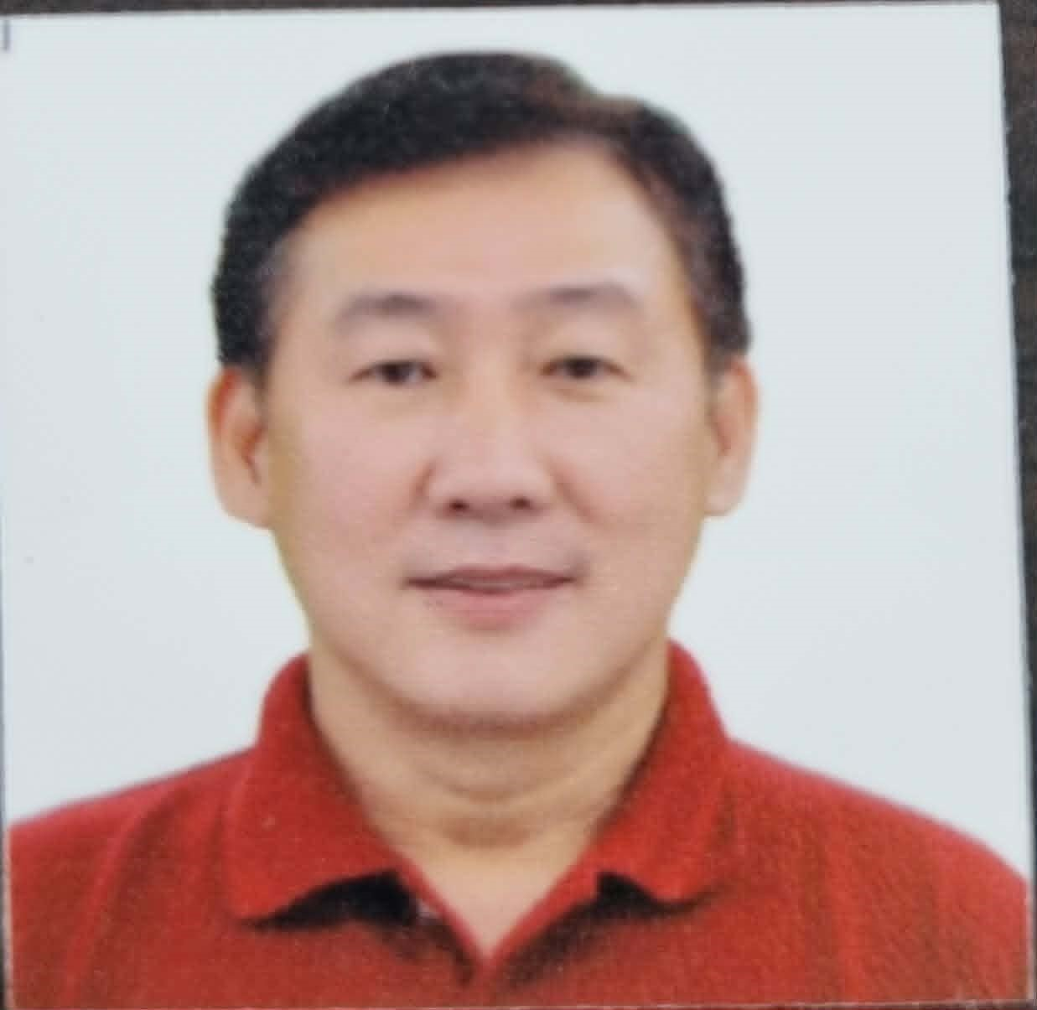
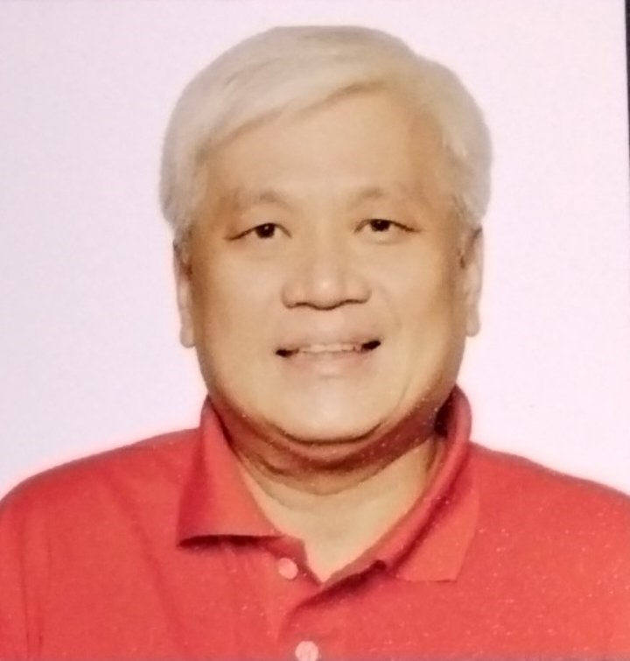
DIRECTORY OF MANILA BARANGAY OFFICIALS (as of _____C.Y 2023-2026____)
BGY.:__292__ ZONE:__28___DISTRICT:__III___
BGY. EMAIL ADD.:_brgy292zone28manila@gmail.com_/BGY. CONTACT NOS.:_09667913070

1x1
ID PICTURE
POSITION |  | PERSONAL INFORMATION | SIGNATURE
P/B |  | FULL NAME: HANCE KERWIN SANTOS GAW
 |  | ADDRESS: 1166 SOLER ST. BINONDO, MANILA
 |  | CONTACT NOS.: 09178257799
 |  | BIRTHDATE: NOVEMBER 26,1966
 |  | TERM IN POSITION: 2ND. TERM
1x1
ID PICTURE
1x1
ID PICTURE
1x1
ID PICTURE
K |  | FULL NAME: HELEN UY TO
 |  | ADDRESS: 1042 REINA REGENTE ST. BINONDO MANILA
 |  | CONTACT NOS.: 19175303243
 |  | BIRTHDATE: JANUARY 5, 1964
 |  | TERM IN POSITION: 2ND. TERM
1x1
ID PICTURE
1x1
ID PICTURE
1x1
ID PICTURE
A |  | FULL NAME: ALVIN GLENN LAUPUA
 |  | ADDRESS: 849 ALVARADO ST. BINONDO, MANILA
 |  | CONTACT NOS.: 09178932589
 |  | BIRTHDATE: MARCH 25, 1989
 |  | TERM IN POSITION: 3RD. TERM
1x1
ID PICTURE
1x1
ID PICTURE
1x1
ID PICTURE
G |  | FULL NAME: ANTONIO CO CUA LEE
 |  | ADDRESS: 842 ALVARADO ST.BINONDO, MANILA
 |  | CONTACT NOS.: 09275887766
 |  | BIRTHDATE: APRIL 13, 1952
 |  | TERM IN POSITION: 3RD. TERM
1x1
ID PICTURE
1x1
ID PICTURE
1x1
ID PICTURE
A |  | FULL NAME: CORAZON PUA SIA
 |  | ADDRESS: 864 ALVARADO ST. BINONDO, MANILA
 |  | CONTACT NOS.: 09152098947
 |  | BIRTHDATE: FEBRUARY 1, 1955
 |  | TERM IN POSITION: 2ND. TERM
1x1
ID PICTURE
1x1
ID PICTURE
1x1
ID PICTURE
W |  | FULL NAME: AARONE KEDRICK CALIJAN TENG
 |  | ADDRESS: 886-I ALVARADO ST. BINONDO, MANILA
 |  | CONTACT NOS.: 09175901021
 |  | BIRTHDATE: OCTOBER 21, 1998
 |  | TERM IN POSITION: 1ST. TERM
1x1
ID PICTURE
1x1
ID PICTURE
1x1
ID PICTURE
A |  | FULL NAME: ALEXANDER HO SIA
 |  | ADDRESS: 1019 ALVARADO ST. BINONDO, MANILA
 |  | CONTACT NOS.: 09178993993
 |  | BIRTHDATE: JUNE B 27, 1969
 |  | TERM IN POSITION: 1ST. TERM
1x1
ID PICTURE
1x1
ID PICTURE
1x1
ID PICTURE
D |  | FULL NAME: GILBERT TIO LADDARAN
1x1
ID PICTURE
 |  | ADDRESS: 928 ALVARADO ST. BINONDO, MANILA
 |  | CONTACT NOS.: 099512611757
 |  | BIRTHDATE: DECEMBER 7, 1970
 |  | TERM IN POSITION: 1ST. TERM
1x1
ID PICTURE
1x1
ID PICTURE
1x1
ID PICTURE
SEC. |  | FULL NAME: CLAIR AGOTERO VALBUENA
1x1
ID PICTURE
 |  | ADDRESS: 808 REINA REGENTE ST. BINONDO, MANILA
 |  | CONTACT NOS.: 09667913070
 |  | BIRTHDATE: JUNE 20, 1976
 |  | TERM IN POSITION: 2ND. TERM
1x1
ID PICTURE
1x1
ID PICTURE
1x1
ID PICTURE
TREAS. |  | FULL NAME: ALEXANDER TIO CHUA
1x1
ID PICTURE
 |  | ADDRESS: 864 ALVARADO ST. BINONDO, MANILA
 |  | CONTACT NOS.: 09670222221
 |  | BIRTHDATE: MARCH 2, 1972
 |  | TERM IN POSITION:
1x1
ID PICTURE
1x1
ID PICTURE
1x1
ID PICTURE
SK CH. | 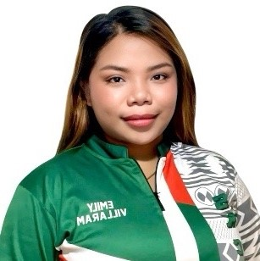 | FULL NAME: EMILY SUMITON VILLARAM
1x1
ID PICTURE
 |  | ADDRESS: 1166 SOLER ST. BINONDO, MANILA
 |  | CONTACT NOS.: 09458578585
 |  | BIRTHDATE: AUGUST 4, 2000
 |  | TERM IN POSITION:

