Statistics
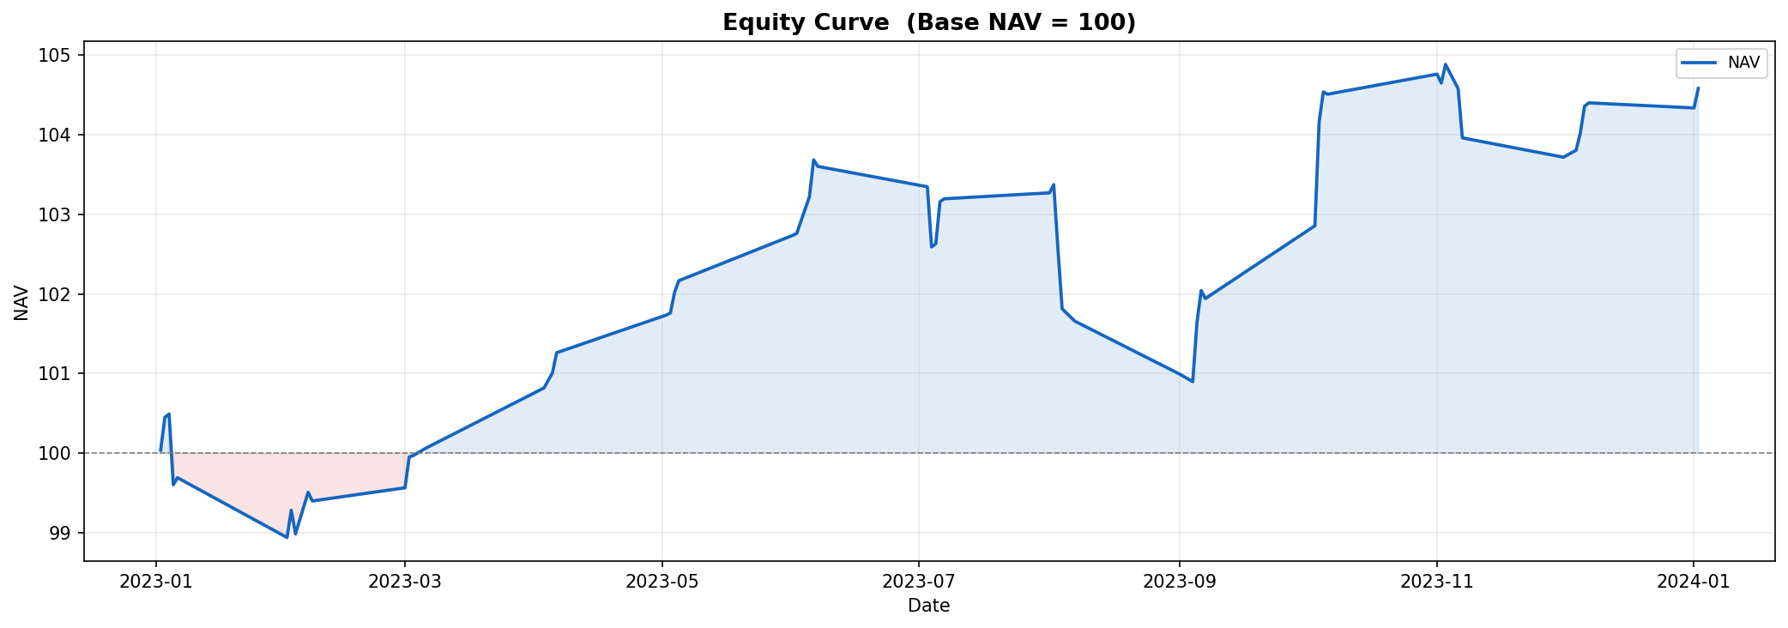
Key Performance Metrics
CAGR | 4.59%
Max Drawdown | -2.69%

Winners and Losers
Metric | CE | PE | Combined
Winners | 32 | 29 | 61
Losers | 25 | 28 | 53
Win % | 56.14% | 50.88% | 53.51%
Loss % | 43.86% | 49.12% | 46.49%

Average Percent P&L by Day Type
Period | CE | PE | Combined
Expiry Days | 27.23% | -0.35% | 13.44%
Non-Expiry Days | 2.04% | 5.21% | 3.63%

Monthly Percent P&L from NAV
Month | Start NAV | End NAV | Monthly P&L %
2023-01 | 100.00 | 99.69 | -0.31%
2023-02 | 99.69 | 99.40 | -0.29%
2023-03 | 99.40 | 100.06 | 0.67%
2023-04 | 100.06 | 101.26 | 1.20%
2023-05 | 101.26 | 102.17 | 0.89%
2023-06 | 102.17 | 103.60 | 1.41%
2023-07 | 103.60 | 103.20 | -0.39%
2023-08 | 103.20 | 101.66 | -1.49%
2023-09 | 101.66 | 101.94 | 0.28%
2023-10 | 101.94 | 104.51 | 2.52%
2023-11 | 104.51 | 103.96 | -0.52%
2023-12 | 103.96 | 104.40 | 0.42%
2024-01 | 104.40 | 104.58 | 0.17%

Daily NAV Equity Curve
Date | Daily P&L | NAV
2023-01-02 | 36.38 | 100.04
2023-01-03 | 412.50 | 100.45
2023-01-04 | 42.38 | 100.49
2023-01-05 | -889.88 | 99.60
2023-01-06 | 88.50 | 99.69
2023-02-01 | -751.13 | 98.94
2023-02-02 | 342.37 | 99.28
2023-02-03 | -297.38 | 98.98
2023-02-06 | 523.50 | 99.51
2023-02-07 | -109.50 | 99.40
2023-03-01 | 165.75 | 99.56
2023-03-02 | 386.62 | 99.95
2023-03-03 | 19.13 | 99.97
2023-03-06 | 93.37 | 100.06
2023-04-03 | 755.25 | 100.82
2023-04-05 | 190.13 | 101.01
2023-04-06 | 252.75 | 101.26
2023-05-02 | 472.50 | 101.73
2023-05-03 | 27.00 | 101.76
2023-05-04 | 261.00 | 102.02
2023-05-05 | 145.13 | 102.17
2023-06-01 | 568.13 | 102.73
2023-06-02 | 26.63 | 102.76
2023-06-05 | 459.00 | 103.22
2023-06-06 | 464.25 | 103.68
2023-06-07 | -82.50 | 103.60
2023-07-03 | -255.38 | 103.35
2023-07-04 | -756.75 | 102.59
2023-07-05 | 39.75 | 102.63
2023-07-06 | 528.00 | 103.16
2023-07-07 | 37.50 | 103.20
2023-08-01 | 75.00 | 103.27
2023-08-02 | 102.75 | 103.37
2023-08-03 | -809.63 | 102.56
2023-08-04 | -750.00 | 101.81
2023-08-07 | -155.25 | 101.66
2023-09-01 | -668.63 | 100.99
2023-09-04 | -92.25 | 100.90
2023-09-05 | 742.50 | 101.64
2023-09-06 | 403.50 | 102.04
2023-09-07 | -101.25 | 101.94
2023-10-03 | 914.25 | 102.86
2023-10-04 | 1,305.00 | 104.16
2023-10-05 | 377.25 | 104.54
2023-10-06 | -29.25 | 104.51
2023-11-01 | 252.38 | 104.76
2023-11-02 | -112.50 | 104.65
2023-11-03 | 234.75 | 104.88
2023-11-06 | -304.87 | 104.58
2023-11-07 | -618.00 | 103.96
2023-12-01 | -243.00 | 103.72
2023-12-04 | 87.00 | 103.80
2023-12-05 | 215.25 | 104.02
2023-12-06 | 337.50 | 104.36
2023-12-07 | 43.12 | 104.40
2024-01-01 | -64.12 | 104.34
2024-01-02 | 245.62 | 104.58

