MAP1
 |  | 1 |  | 2 |  | 3 |  | 4 |  | 5 |  | AVERAGE
 | ALGORITHM | Length_Path (m) | ProcessingTime (s) | Length_Path (m) | ProcessingTime (s) | Length_Path (m) | ProcessingTime (s) | Length_Path (m) | ProcessingTime (s) | Length_Path (m) | ProcessingTime (s) | Length_Path (m) | ProcessingTime (s)
Deterministics Algorithms | Visibility Road Map | 145.2725 | 0.1560 | 145.2725 | 0.1556 | 145.2725 | 0.1526 | 145.2725 | 0.1570 | 145.2725 | 0.1510 | 145.3 | 0.1544
 | A* | 149.6224 | 0.1687 | 149.6224 | 0.1386 | 149.6224 | 0.1540 | 149.6224 | 0.1250 | 149.6224 | 0.1464 | 149.6 | 0.1465
 | Dijkstra | 149.6224 | 0.0780 | 149.6224 | 0.0760 | 149.6224 | 0.0631 | 149.6224 | 0.0761 | 149.6224 | 0.0690 | 149.6 | 0.0724
 | Breadth First Search | 149.6224 | 0.0630 | 149.6224 | 0.0670 | 149.6224 | 0.0580 | 149.6224 | 0.0510 | 149.6224 | 0.0625 | 149.6 | 0.0603
 | Bidirectional BFS | 149.6224 | 0.0485 | 149.6224 | 0.0330 | 149.6224 | 0.0380 | 149.6224 | 0.0317 | 149.6224 | 0.0320 | 149.6 | 0.0366
 | Bidirectional A* | 149.6224 | 0.0330 | 149.6224 | 0.0290 | 149.6224 | 0.0270 | 149.6224 | 0.0340 | 149.6224 | 0.0341 | 149.6 | 0.0314
 | RRT* | 177.1248 | 0.0150 | 164.0445 | 0.0120 | 152.8638 | 0.0240 | 169.9376 | 0.0110 | 166.5439 | 0.0140 | 166.1 | 0.0152
 | Greedy Best First Search | 149.6224 | 0.0050 | 149.6224 | 0.0050 | 149.6224 | 0.0040 | 149.6224 | 0.0050 | 149.6224 | 0.0500 | 149.6 | 0.0138
Probabilistics Algorithms | RRT Sobol Samples | 168.8425 | 0.0040 | 158.5779 | 0.0050 | 169.481 | 0.0050 | 157.853 | 0.0060 | 176.5707 | 0.0210 | 166.3 | 0.0082
 | RRT Path Smoothing | 153.2167 | 0.0040 | 148.3118 | 0.0050 | 146.231 | 0.0110 | 144.8874 | 0.0100 | 154.6353 | 0.0050 | 149.5 | 0.0070
 | RRT | 186.9631 | 0.0070 | 191.1892 | 0.0070 | 176.5459 | 0.0040 | 178.4616 | 0.0044 | 159.0036 | 0.0020 | 178.4 | 0.0049
 | Depth First Search | 486.4894 | 0.0040 | 486.4894 | 0.0040 | 486.4894 | 0.0030 | 486.4894 | 0.0050 | 486.4894 | 0.0035 | 486.5 | 0.0039

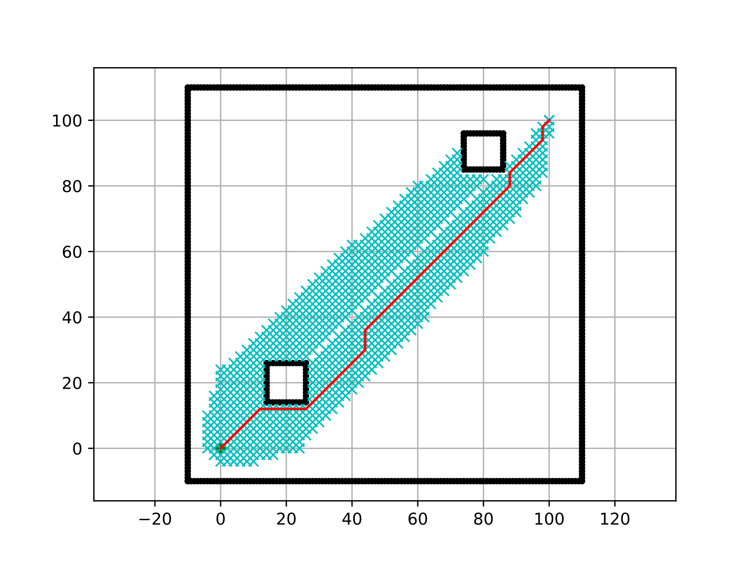
Length_Path (m)
 | Length_Path (m)
Visibility Road Map | 145.3
A* | 149.6
Dijkstra | 149.6
Breadth First Search | 149.6
Bidirectional BFS | 149.6
Bidirectional A* | 149.6
RRT* | 166.1
Greedy Best First Search | 149.6
RRT Sobol Samples | 166.3
RRT Path Smoothing | 149.5
RRT | 178.4
Depth First Search | 486.5
Algorithms Comparison
 | ProcessingTime (s)
Visibility Road Map | 0.1544
A* | 0.1465
Dijkstra | 0.0724
Breadth First Search | 0.0603
Bidirectional BFS | 0.0366
Bidirectional A* | 0.0314
RRT* | 0.0152
Greedy Best First Search | 0.0138
RRT Sobol Samples | 0.0082
RRT Path Smoothing | 0.0070
RRT | 0.0049
Depth First Search | 0.0039

Deterministic Algorithms
 | ProcessingTime (s)
Visibility Road Map | 0.1544
A* | 0.1465
Dijkstra | 0.0724
Breadth First Search | 0.0603
Bidirectional BFS | 0.0366
Bidirectional A* | 0.0314
RRT* | 0.0152
Probabilistic Algorithms

MAP 2
 |  | 1 |  | 2 |  | 3 |  | 4 |  | 5 |  | AVERAGE
 | ALGORITHM | Length_Path (m) | ProcessingTime (s) | Length_Path (m) | ProcessingTime (s) | Length_Path (m) | ProcessingTime (s) | Length_Path (m) | ProcessingTime (s) | Length_Path (m) | ProcessingTime (s) | Length_Path (m) | ProcessingTime (s)
Deterministic Algorithms | RRT | 140.9645 | 0.0030 | 107.8992 | 0.0010 | 137.5577 | 0.0010 | 135.8088 | 0.0040 | 134.8433 | 0.0012 | 131.4 | 0.0020
 | RRT with Path Smoothing | 108.8591 | 0.0010 | 117.1135 | 0.0020 | 110.889 | 0.0030 | 105.8827 | 0.0020 | 102.7601 | 0.0040 | 109.1 | 0.0024
 | Greedy Best First Search | 111.1127 | 0.0032 | 111.1127 | 0.0030 | 111.1127 | 0.0030 | 111.1127 | 0.0030 | 111.1127 | 0.0030 | 111.1 | 0.0030
 | RRT with Sobol Samples | 119.2849 | 0.0020 | 140.6985 | 0.0050 | 131.4878 | 0.0030 | 126.2942 | 0.0026 | 123.7483 | 0.0040 | 128.3 | 0.0033
 | Bidirectional A* | 106.6274 | 0.0160 | 106.6274 | 0.0140 | 106.6274 | 0.0130 | 106.6274 | 0.0120 | 106.6274 | 0.0120 | 106.6 | 0.0134
 | RRT* | 120.9781 | 0.0120 | 143.6688 | 0.0090 | 121.8733 | 0.0110 | 106.1489 | 0.0170 | 120.8894 | 0.0180 | 122.7 | 0.0134
 | A* | 106.6274 | 0.0260 | 106.6274 | 0.0320 | 106.6274 | 0.0280 | 106.6274 | 0.0260 | 106.6274 | 0.0265 | 106.6 | 0.0277
 | Bidirectional Breadth First Search | 106.6274 | 0.0470 | 106.6274 | 0.0520 | 106.6274 | 0.0450 | 106.6274 | 0.0420 | 106.6274 | 0.0550 | 106.6 | 0.0482
Probabilistic Algorithms | Breadth First Search | 106.6274 | 0.0528 | 106.6274 | 0.0490 | 106.6274 | 0.0490 | 106.6274 | 0.0550 | 106.6274 | 0.0520 | 106.6 | 0.0516
 | Dijkstra | 106.6274 | 0.0660 | 106.6274 | 0.0600 | 106.6274 | 0.0580 | 106.6274 | 0.0662 | 106.6274 | 0.0580 | 106.6 | 0.0616
 | Depth First Search | 388.6600 | 0.0710 | 388.66 | 0.0750 | 388.66 | 0.0724 | 388.66 | 0.0844 | 388.6600 | 0.0880 | 388.7 | 0.0782
 | Visibility Road Map |  |  |  |  |  |  |  |  |  |  | #DIV/0! | #DIV/0!

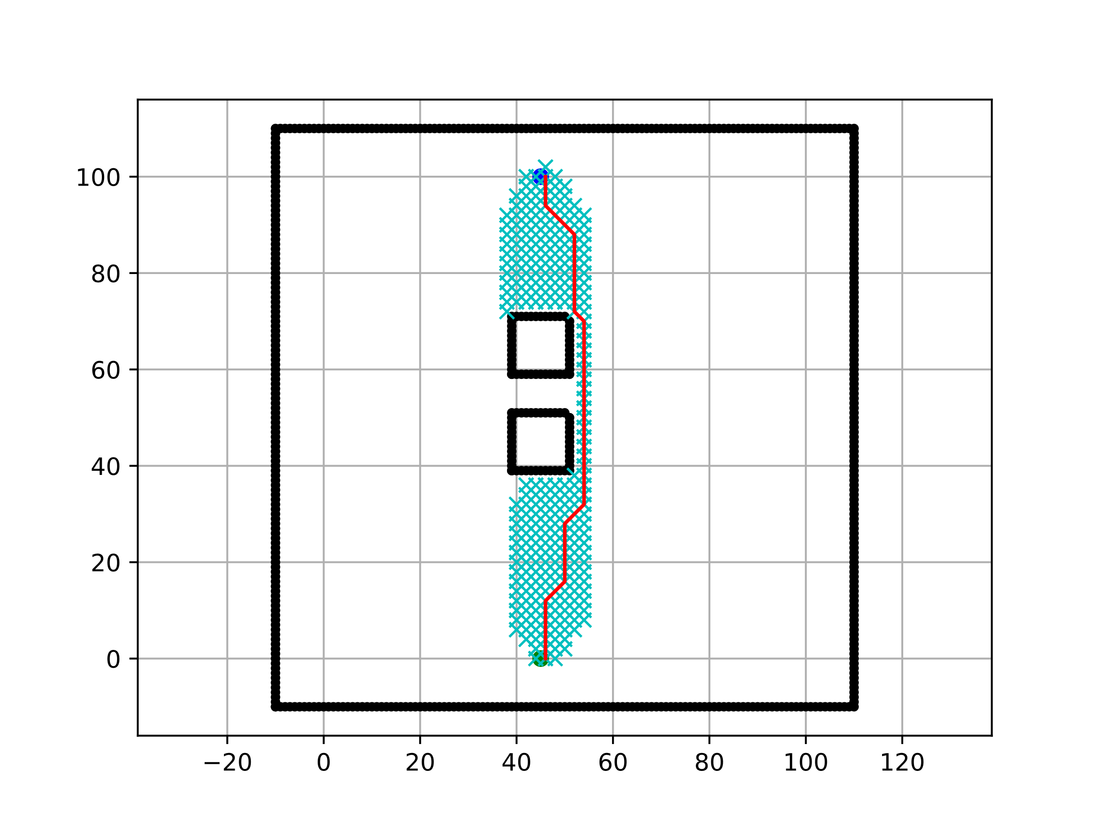
Length_Path (m)
 | Length_Path (m)
RRT | 131.4
RRT with Path Smoothing | 109.1
Greedy Best First Search | 111.1
RRT with Sobol Samples | 128.3
Bidirectional A* | 106.6
RRT* | 122.7
A* | 106.6
Bidirectional Breadth First Search | 106.6
Breadth First Search | 106.6
Dijkstra | 106.6
Depth First Search | 388.7
Visibility Road Map | 0.0
ProcessingTime (s)
 | ProcessingTime (s)
RRT | 0.0020
RRT with Path Smoothing | 0.0024
Greedy Best First Search | 0.0030
RRT with Sobol Samples | 0.0033
Bidirectional A* | 0.0134
RRT* | 0.0134
A* | 0.0277
Bidirectional Breadth First Search | 0.0482
Breadth First Search | 0.0516
Dijkstra | 0.0616
Depth First Search | 0.0782
Visibility Road Map | 0.0000

Deterministic Algorithms
Probabilistic Algorithms

MAP 3
 |  | 1 |  | 2 |  | 3 |  | 4 |  | 5 |  | AVERAGE
 | ALGORITHM | Length_Path (m) | ProcessingTime (s) | Length_Path (m) | ProcessingTime (s) | Length_Path (m) | ProcessingTime (s) | Length_Path (m) | ProcessingTime (s) | Length_Path (m) | ProcessingTime (s) | Length_Path (m) | ProcessingTime (s)
Deterministic Algorithms | A* | 149.6224 | 0.1770 | 149.6224 | 0.1040 | 149.6224 | 0.1140 | 149.6224 | 0.1030 | 149.6224 | 0.1085 | 149.6 | 0.1213
 | Bidirectional A* | 150.7939 | 0.0507 | 150.7939 | 0.0590 | 150.7939 | 0.0425 | 150.7939 | 0.0560 | 150.7939 | 0.0530 | 150.8 | 0.0522
 | Bidirectional Breadth First Search | 149.6224 | 0.0350 | 149.6224 | 0.0355 | 149.6224 | 0.0380 | 149.6224 | 0.0310 | 149.6224 | 0.0310 | 149.6 | 0.0341
 | Breadth First Search | 149.6224 | 0.0760 | 149.6224 | 0.0510 | 149.6224 | 0.0500 | 149.6224 | 0.0490 | 149.6224 | 0.0596 | 149.6 | 0.0571
 | Depth First Search | 486.4895 | 0.0050 | 486.4895 | 0.0050 | 486.4895 | 0.0030 | 486.4895 | 0.0030 | 486.4895 | 0.0040 | 486.5 | 0.0040
 | Dijkstra | 149.6224 | 0.1110 | 149.6224 | 0.0831 | 149.6224 | 0.0710 | 149.6224 | 0.0657 | 149.6224 | 0.0685 | 149.6 | 0.0799
 | D* | 148.0366 | 0.7425 | 148.0366 | 0.7526 | 148.0366 | 0.7884 | 148.0366 | 0.7425 | 148.0366 | 0.9404 | 148.0 | 0.7933
 | Greedy Best First Search | 151.2792 | 0.0050 | 151.2792 | 0.0063 | 151.2792 | 0.0040 | 151.2792 | 0.0040 | 151.2792 | 0.0050 | 151.3 | 0.0049

Probabilistic Algorithms | RRT | 192.3478 | 0.0040 | 154.009 | 0.0020 | 169.9236 | 0.0036 | 163.4547 | 0.0020 | 180.3906 | 0.0010 | 172.0 | 0.0025
 | RRT with Path Smoothing | 148.1972 | 0.0050 | 144.6578 | 0.0010 | 145.3336 | 0.0040 | 145.7028 | 0.0040 | 146.3683 | 0.0020 | 146.1 | 0.0032
 | RRT with Sobol Samples | 184.1434 | 0.0060 | 168.1712 | 0.0040 | 177.0201 | 0.0040 | 165.0762 | 0.0050 | 161.1206 | 0.0090 | 171.1 | 0.0056
 | RRT* | 168.2155 | 0.0189 | 166.2947 | 0.0125 | 154.2931 | 0.0110 | 175.1544 | 0.0160 | 168.0754 | 0.0146 | 166.4 | 0.0146

 | Visibility Road Map | 143.025 | 0.1605 | 143.025 | 0.1596 | 143.025 | 0.1580 | 143.025 | 0.1552 | 143.025 | 0.1560 | 143.0 | 0.1579

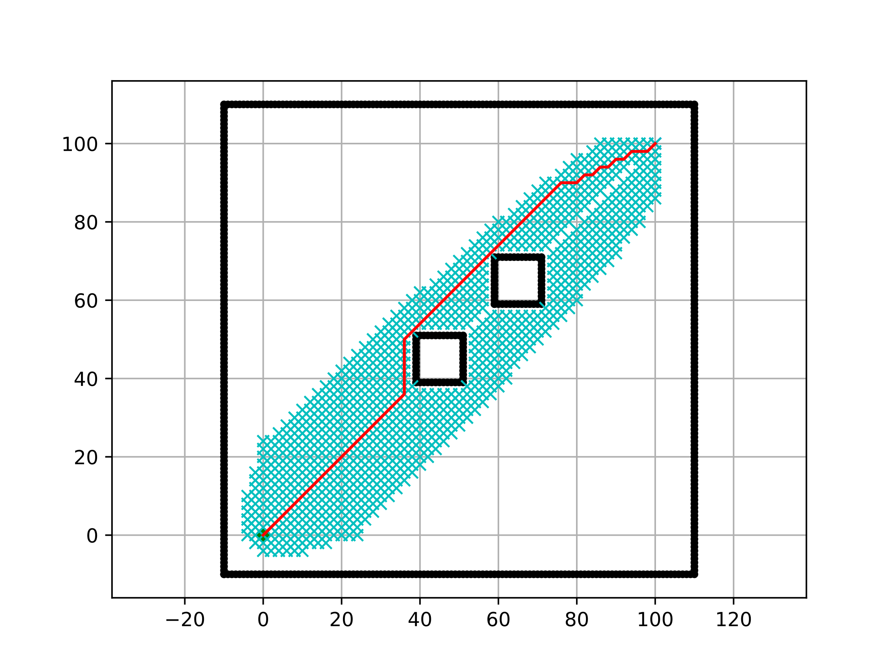
Length_Path (m)
 | Length_Path (m)
A* | 149.6
Bidirectional A* | 150.8
Bidirectional Breadth First Search | 149.6
Breadth First Search | 149.6
Depth First Search | 486.5
Dijkstra | 149.6
D* | 148.0
Greedy Best First Search | 151.3
RRT | 172.0
RRT with Path Smoothing | 146.1
RRT with Sobol Samples | 171.1
RRT* | 166.4
Visibility Road Map | 143.0
ProcessingTime (s)
 | ProcessingTime (s)
A* | 0.1213
Bidirectional A* | 0.0522
Bidirectional Breadth First Search | 0.0341
Breadth First Search | 0.0571
Depth First Search | 0.0040
Dijkstra | 0.0799
D* | 0.7933
Greedy Best First Search | 0.0049
RRT | 0.0025
RRT with Path Smoothing | 0.0032
RRT with Sobol Samples | 0.0056
RRT* | 0.0146
Visibility Road Map | 0.1579

Deterministic Algorithms
Probabilistic Algorithms

MAP 4
 |  | 1 |  | 2 |  | 3 |  | 4 |  | 5 |  | AVERAGE
 | ALGORITHM | Length_Path (m) | ProcessingTime (s) | Length_Path (m) | ProcessingTime (s) | Length_Path (m) | ProcessingTime (s) | Length_Path (m) | ProcessingTime (s) | Length_Path (m) | ProcessingTime (s) | Length_Path (m) | ProcessingTime (s)
Deterministic Algorithms | A* | 106.6274 | 0.0450 | 106.6274 | 0.0280 | 106.6274 | 0.0300 | 106.6274 | 0.0340 | 106.6274 | 0.0280 | 106.6 | 0.0330
 | Bidirectional A* | 106.6274 | 0.0190 | 106.6274 | 0.0217 | 106.6274 | 0.0200 | 106.6274 | 0.0213 | 106.6274 | 0.0220 | 106.6 | 0.0208
 | Bidirectional Breadth First Search | 106.6274 | 0.0530 | 106.6274 | 0.0440 | 106.6274 | 0.0460 | 106.6274 | 0.0410 | 106.6274 | 0.0440 | 106.6 | 0.0456
 | Breadth First Search | 106.6274 | 0.0507 | 106.6274 | 0.0490 | 106.6274 | 0.0510 | 106.6274 | 0.0525 | 106.6274 | 0.0540 | 106.6 | 0.0514
 | Depth First Search | 388.6660 | 0.0780 | 388.666 | 0.0660 | 388.6660 | 0.0710 | 388.666 | 0.0729 | 388.6660 | 0.0720 | 388.7 | 0.0720
 | Dijkstra | 106.6274 | 0.0630 | 106.6274 | 0.0737 | 106.6274 | 0.0620 | 106.6274 | 0.0571 | 106.6274 | 0.0630 | 106.6 | 0.0638
 | D* | 104.799 | 0.9097 | 104.799 | 0.9109 | 104.799 | 0.8332 | 104.799 | 0.8485 | 104.799 | 0.8474 | 104.8 | 0.8699
 | Greedy Best First Search | 107.799 | 0.0030 | 107.799 | 0.0030 | 107.799 | 0.0030 | 107.799 | 0.0030 | 107.799 | 0.0030 | 107.8 | 0.0030

Probabilistic Algorithms | RRT | 141.9135 | 0.0020 | 109.3347 | 0.0010 | 132.5545 | 0.0020 | 149.9587 | 0.0030 | 127.3496 | 0.0020 | 132.2 | 0.0020
 | RRT with Path Smoothing | 102.0974 | 0.0010 | 103.2466 | 0.0010 | 101.2161 | 0.0010 | 103.3539 | 0.0040 | 111.8199 | 0.0020 | 104.3 | 0.0018
 | RRT with Sobol Samples | 126.8828 | 0.0030 | 130.8545 | 0.0050 | 127.8476 | 0.0030 | 115.0795 | 0.0050 | 121.7087 | 0.0050 | 124.5 | 0.0042
 | RRT* | 153.7604 | 0.0180 | 122.5405 | 0.0120 | 108.6687 | 0.0070 | 109.5571 | 0.0100 | 113.8128 | 0.0150 | 121.7 | 0.0124

 | Visibility Road Map | 101.0465 | 0.1558 | 101.0465 | 0.1590 | 101.0465 | 0.1580 | 101.0465 | 0.1620 | 101.0465 | 0.1550 | 101.0 | 0.1580

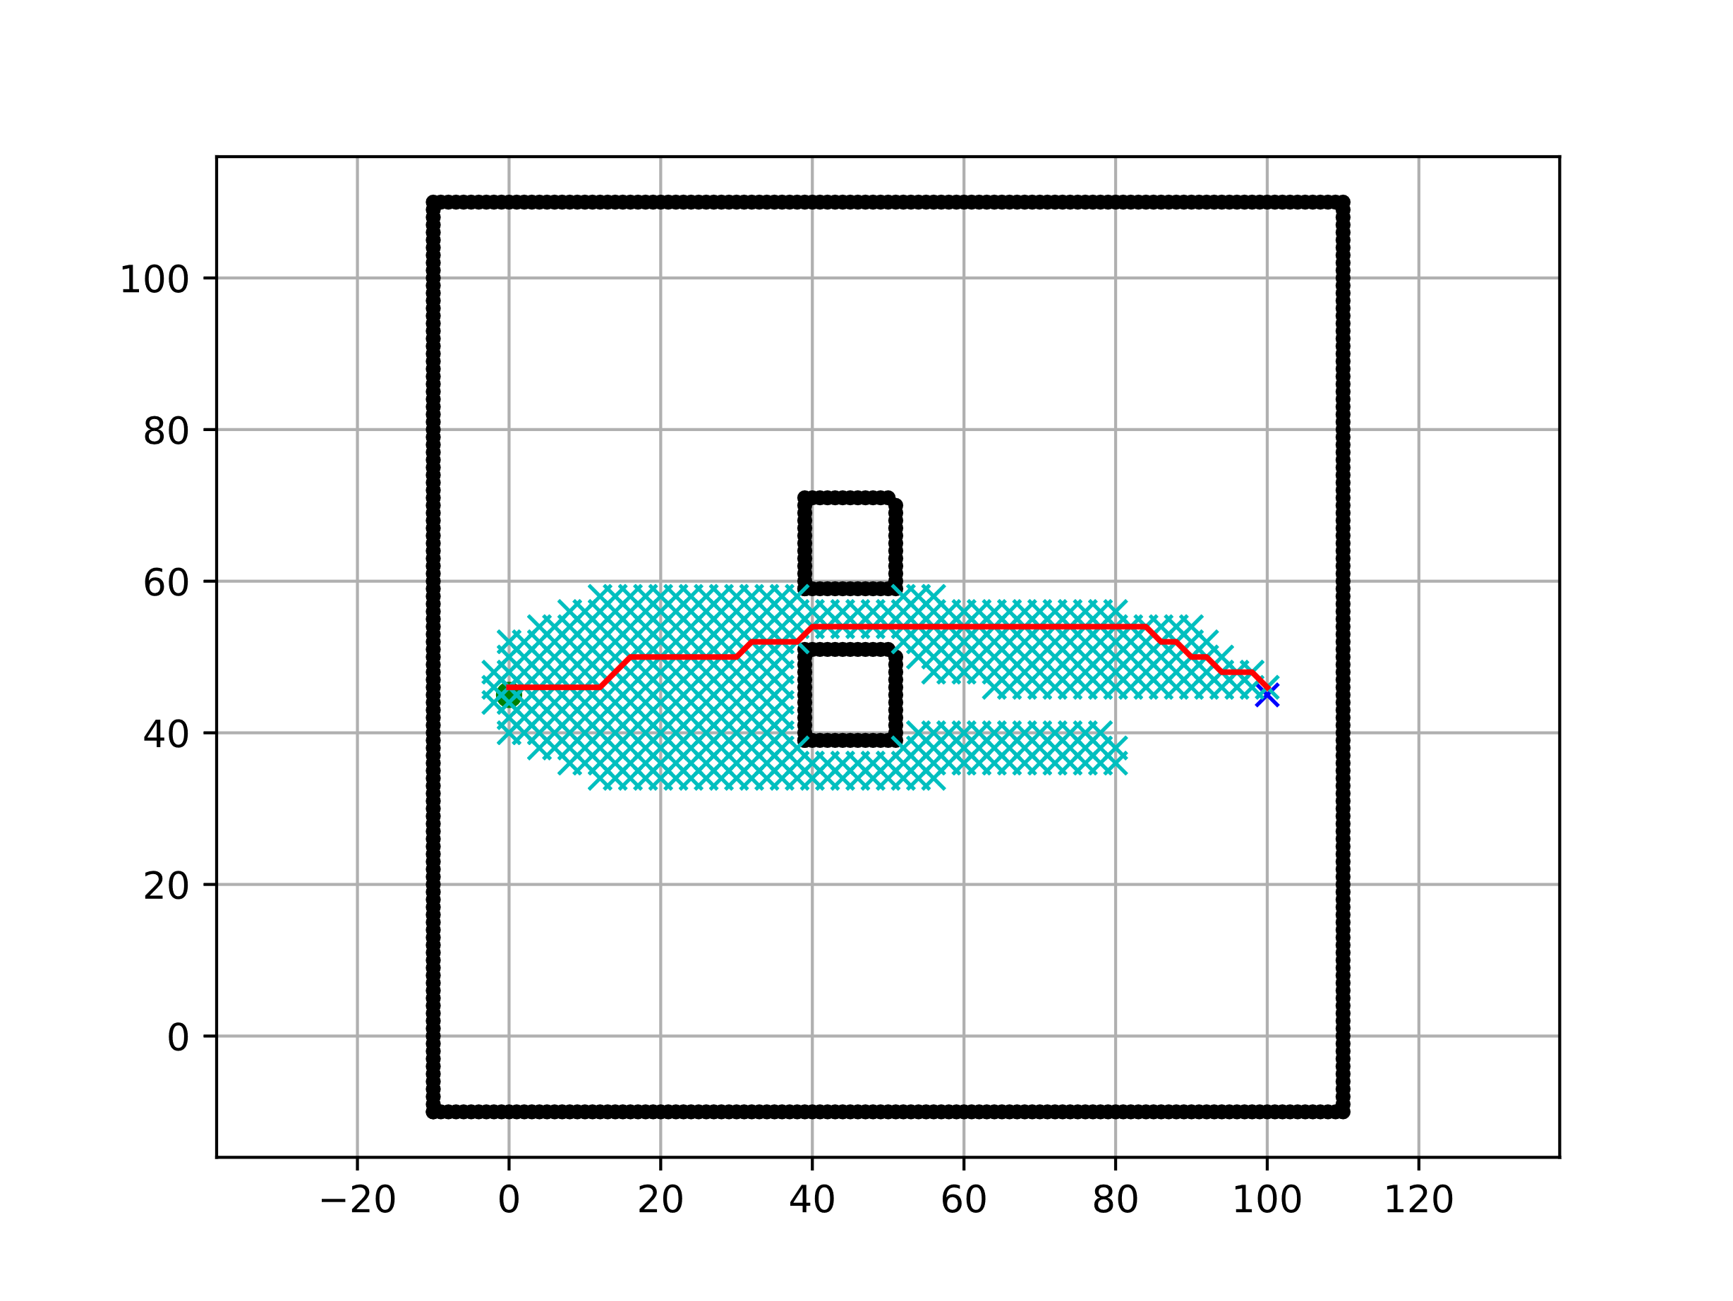
Length_Path (m)
 | Length_Path (m)
A* | 106.6
Bidirectional A* | 106.6
Bidirectional Breadth First Search | 106.6
Breadth First Search | 106.6
Depth First Search | 388.7
Dijkstra | 106.6
D* | 104.8
Greedy Best First Search | 107.8
RRT | 132.2
RRT with Path Smoothing | 104.3
RRT with Sobol Samples | 124.5
RRT* | 121.7
Visibility Road Map | 101.0
ProcessingTime (s)
 | ProcessingTime (s)
A* | 0.0330
Bidirectional A* | 0.0208
Bidirectional Breadth First Search | 0.0456
Breadth First Search | 0.0514
Depth First Search | 0.0720
Dijkstra | 0.0638
D* | 0.8699
Greedy Best First Search | 0.0030
RRT | 0.0020
RRT with Path Smoothing | 0.0018
RRT with Sobol Samples | 0.0042
RRT* | 0.0124
Visibility Road Map | 0.1580

Deterministic Algorithms
Probabilistic Algorithms

