Source
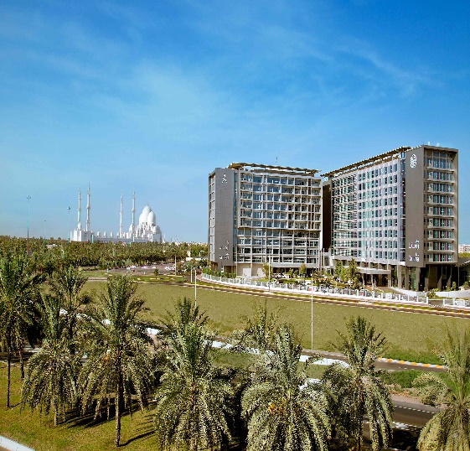
ESP - Veolia Middle East Recycling LLC |  |  |  |  |  |  | Quanity Recycled | 3.83 MT
 |  |  |  |  |  |  | Quantity Landfilled | 36.72 MT
ParkRotana
 |  |  |  | MONTH | TYPE OF WASTE | Skip Size | No of Skips | Weight/KG
 |  |  |  | JAN'24 | INERT (GENERAL WASTE) | 1.1CBM | 198 | 33569
 |  |  |  |  | GENERAL WASTE | 18CBM | 2 | 3150
 |  |  |  |  | CARDBOARD | CAGE | 4 | 2750
 |  |  |  |  | PAPER | CAGE | 1 | 120
 |  |  |  |  | PLASTIC | CAGE | 2 | 320
 |  |  |  |  | CHEMICAL WASTE | 10 CBM | 0 | 0
 |  |  |  |  | METAL | CAGE | 1 | 120
 |  |  |  |  | GLASS | CAGE | 1 | 520
 |  |  |  |  | USED OIL | OIL DRUM | 0 | 0
 |  |  |  |  |  | Total | 209 | 40549

 |  |  |  |  |  |  |  |  | 209 |  | 40549
YEAR | Date | Month | Ticket number | Customer | Service address | Waste type | Facility | Skip Size | Quantity | Manifest | Weight
...

