addr_list
 | name | start_addr | end_addr | length
register | common | 0x00000000 | 0x000001FF | 512
 | rcc | 0x00000200 | 0x000003FF | 512
 | pre_process | 0x00000400 | 0x000005FF | 512
 | pipe_pre | 0x00000600 | 0x000007FF | 512
 | post_ctrl | 0x00000800 | 0x000009FF | 512
 | rsv | 0x00000A00 | 0x00001FFF
 | array_ctrl_prim_register | 0x00002000 | 0x000028FF | 2304 | 请参加array contrl 寄存器表 | https://iucylxooqp.feishu.cn/file/PVKWbO2VHopArAxJOWjcC6HUnOe
 | array_ctrl_reg_map | 0x00002900 | 0x00003fff | 5888 | 请参加array contrl 寄存器表 | https://iucylxooqp.feishu.cn/file/PVKWbO2VHopArAxJOWjcC6HUnOe
sram | tia_sram | 0x000020000 | 0x00002D9FF | 55808
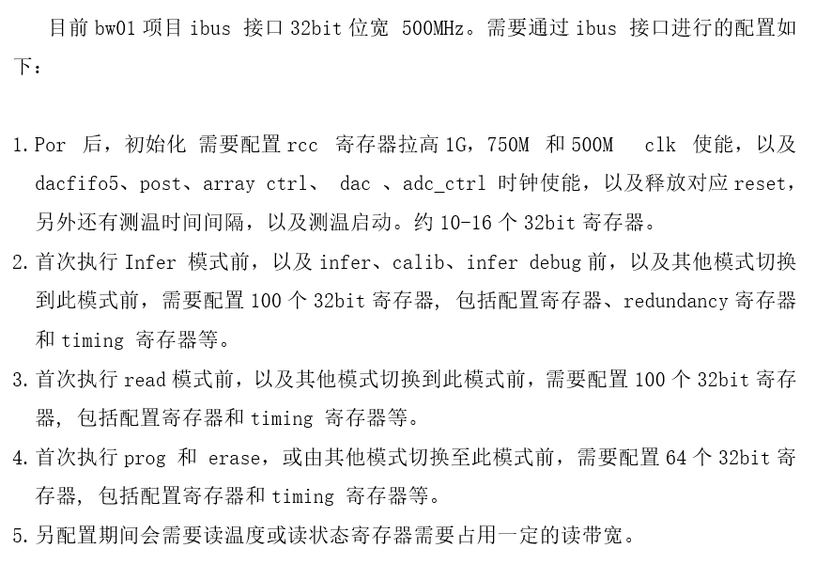
 | rsv | 0x00002DA00 | 0x00002FFFF
 | comp_sram | 0x000030000 | 0x000057FFF | 163840
 | rsv | 0x000058000 | 0x000060000

更新历史
20240802 | V0.1 | initial
20240828 | V0.2 | 更新comon 和pipe pre 中dft 和pvt sensor 相关寄存器
20240913 | V0.3 | 更新pre_process和array_ctrl寄存器

