Home

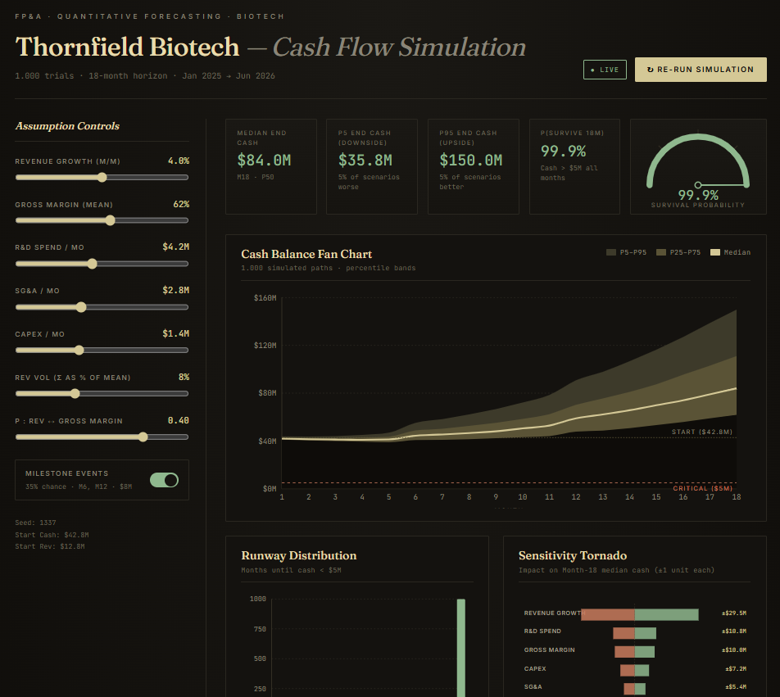
Opus 4.7 for Finance Teams |  |  | Some of the Results:
by Ronen Amos |  |  | All Prompts and Datasets included
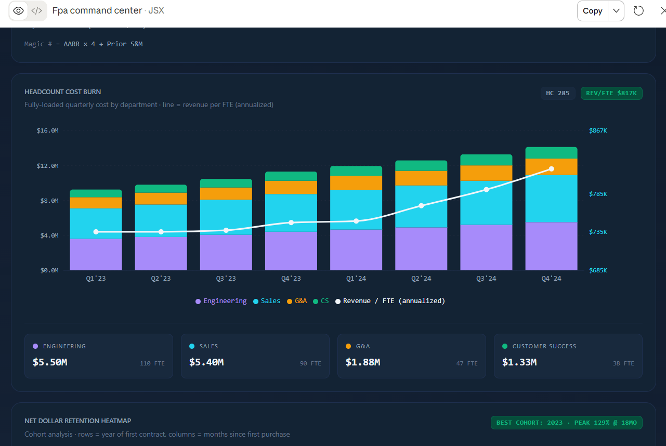

TEST CATALOG
# | Test Name | What It Tests
01 | FP&A Command Center Dashboard | Multi-KPI SaaS dashboard: ARR waterfall, gross margin, headcount burn, Rule of 40, NDR heatmap
02 | 3-Way Model + Monte Carlo Forecast | Linked P&L → Balance Sheet → Cash Flow with Bear/Base/Bull scenarios and stochastic simulation
03 | ASC 606 Revenue Recognition Engine | Multi-element SaaS contracts, variable consideration, contract mods, deferred revenue waterfall
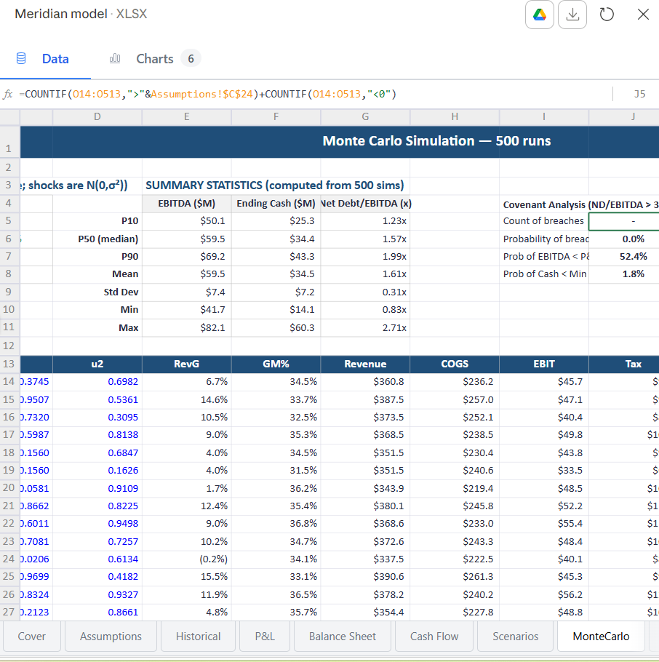
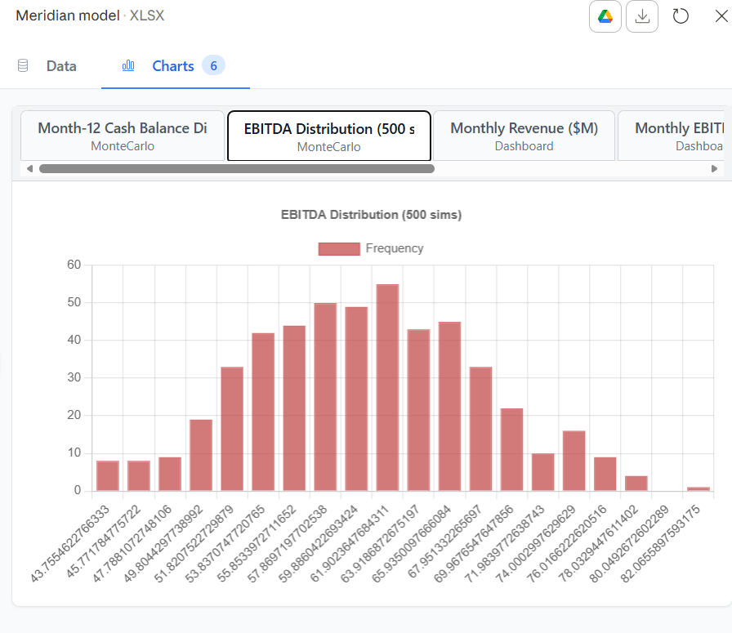
04 | GL ↔ Bank Reconciliation App | Fuzzy-match transactions, flag duplicates/gaps, auto-reconcile with manual override UI
05 | Cash Flow Monte Carlo Engine | 1,000-path stochastic simulation: P10/P50/P90 fan chart, runway probability, sensitivity tornado

01 · Dashboard
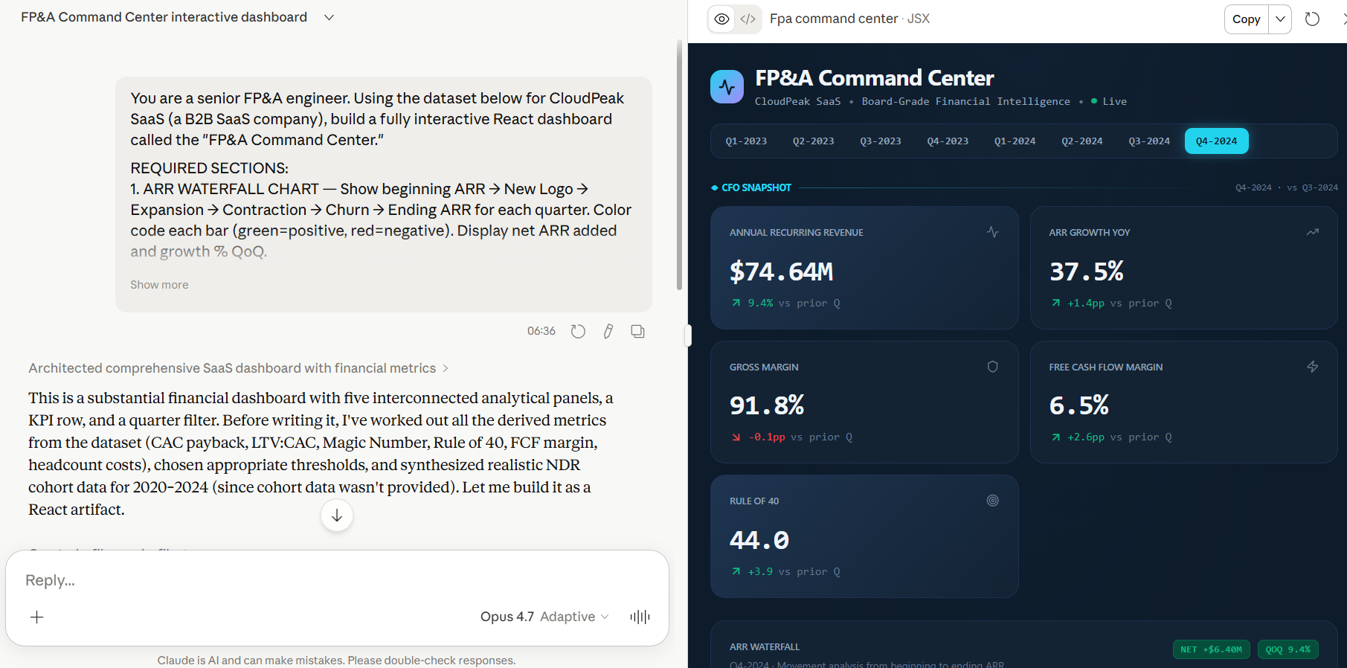
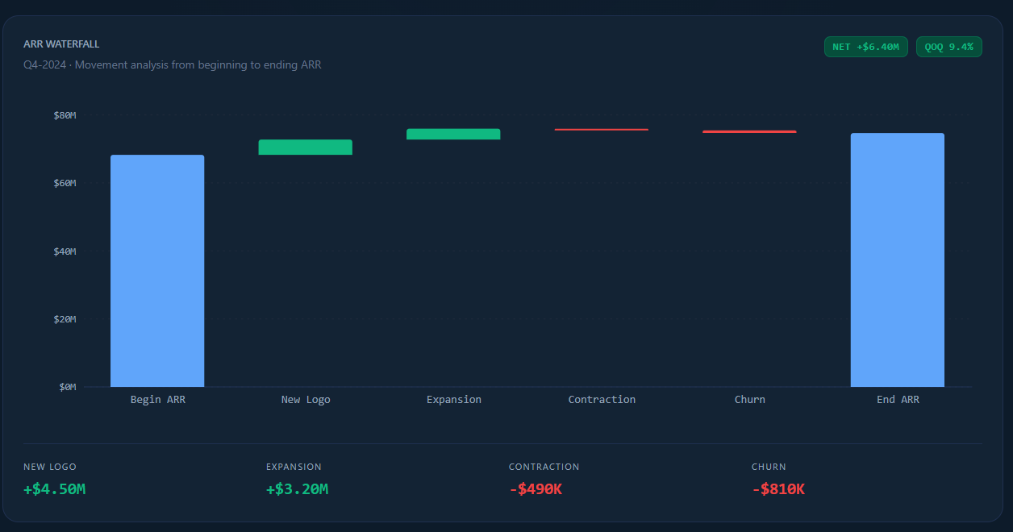
TEST 01 · FP&A COMMAND CENTER DASHBOARD
Complexity: ⭐⭐⭐⭐⭐ | Interactive React App · CloudPeak SaaS — 8 quarters of ARR, unit economics, headcount & FCF data |  |  |  |  |  |  |  | Result →

◆ PROMPT (copy/paste directly into the model)
You are a senior FP&A engineer. Using the dataset below for CloudPeak SaaS (a B2B SaaS company), build a fully interactive React dashboard called the "FP&A Command Center."

REQUIRED SECTIONS:
1. ARR WATERFALL CHART — Show beginning ARR → New Logo → Expansion → Contraction → Churn → Ending ARR for each quarter. Color code each bar (green=positive, red=negative). Display net ARR added and growth % QoQ.

2. UNIT ECONOMICS PANEL — Display for each quarter: CAC Payback Period (months), LTV:CAC ratio, Gross Margin %, Magic Number. Flag in red any metric breaching a threshold (CAC Payback > 18 mo, LTV:CAC < 3x, Gross Margin < 70%).

3. RULE OF 40 GAUGE — Animated gauge chart. Rule of 40 = ARR Growth % YoY + FCF Margin %. Show current score and 8-quarter trend line. Color zones: red (<20), yellow (20–40), green (>40).

4. NDR HEATMAP — Net Dollar Retention by customer cohort (year of first contract). Rows = cohorts (2020–2024), Columns = months since first purchase (0, 6, 12, 18, 24, 30, 36). Color scale: red (<90%) → yellow (100%) → green (>120%).

5. HEADCOUNT COST BURN — Stacked bar showing headcount cost by department (Engineering, Sales, G&A, CS) per quarter. Overlay a line for revenue per FTE.

DESIGN REQUIREMENTS:
• Dark theme (#0D1B2A background), use Inter or system font
• All charts must be interactive with hover tooltips showing exact values
• Include a quarter selector that filters all panels simultaneously
• Add a "CFO Snapshot" KPI row at the top: ARR, ARR Growth, Gross Margin, FCF Margin, Rule of 40 score
• Each metric card should show current value + delta vs prior quarter with directional arrows

◆ DATASET (include this in your prompt or upload as CSV)
Quarter | Beginning ARR ($K) | New Logo ARR ($K) | Expansion ARR ($K) | Contraction ARR ($K) | Churn ARR ($K) | Ending ARR ($K) | Gross Profit ($K) | Total Revenue ($K) | S&M Spend ($K) | New Customers | Total Customers | FCF ($K) | Total Headcount | Eng HC | Sales HC | G&A HC | CS HC | Avg Contract Value ($K)
Q1-2023 | 42800 | 1850 | 980 | -320 | -640 | 44670 | 30850 | 34350 | 8200 | 18 | 312 | -2100 | 187 | 72 | 58 | 32 | 25 | 102
Q2-2023 | 44670 | 2100 | 1240 | -280 | -520 | 47210 | 32800 | 36400 | 8900 | 21 | 331 | -1650 | 198 | 76 | 62 | 34 | 26 | 109
Q3-2023 | 47210 | 2450 | 1560 | -410 | -690 | 50120 | 35200 | 38900 | 9400 | 24 | 352 | -980 | 211 | 81 | 67 | 35 | 28 | 114
Q4-2023 | 50120 | 3200 | 1890 | -350 | -580 | 54280 | 38900 | 42600 | 10800 | 31 | 381 | 420 | 228 | 88 | 72 | 38 | 30 | 121
Q1-2024 | 54280 | 2950 | 2100 | -520 | -810 | 58000 | 41200 | 45100 | 11200 | 28 | 405 | 680 | 241 | 93 | 76 | 40 | 32 | 128
Q2-2024 | 58000 | 3400 | 2450 | -440 | -720 | 62690 | 44800 | 48800 | 12100 | 33 | 436 | 1240 | 254 | 98 | 80 | 42 | 34 | 134
Q3-2024 | 62690 | 3800 | 2780 | -380 | -650 | 68240 | 48600 | 52900 | 12800 | 37 | 470 | 2100 | 268 | 104 | 84 | 44 | 36 | 140
Q4-2024 | 68240 | 4500 | 3200 | -490 | -810 | 74640 | 53400 | 58200 | 14200 | 43 | 511 | 3800 | 285 | 110 | 90 | 47 | 38 | 148

◆ ACCEPTANCE CRITERIA (what a great response looks like)
✓ ARR waterfall correctly computes Ending ARR = Beginning + New + Expansion + Contraction + Churn (negative values handled)
✓ Rule of 40 score accurately computed as YoY ARR Growth % + FCF Margin %; gauge animates on load
✓ NDR heatmap uses cohort logic (not just raw retention); color scale is semantically correct
✓ Quarter selector updates ALL 5 panels simultaneously without page reload
✓ CAC Payback = S&M Spend / (New ARR × Gross Margin %); LTV:CAC = (ACV × GM%) / (Churn Rate × CAC)
✓ CFO Snapshot row shows correct QoQ delta with ▲▼ directional indicators
✓ Revenue per FTE correctly overlaid as secondary axis on headcount chart
✓ No hardcoded chart labels — all driven from the dataset

◆ PRO TIPS (ways to push the model harder)
→ Ask it to add a 'what-if' slider that lets you change churn % and see how it affects ARR in real-time
→ Push it to add an export-to-PNG button for each chart panel
→ Ask for a 12-month forward ARR projection based on trailing 4Q trend
→ Test whether it correctly handles the cohort math in the NDR heatmap vs just using total retention
→ Ask it to add a benchmark overlay (e.g., 'Best-in-class SaaS: Gross Margin 75%+') to each metric

02 · 3-Way Model
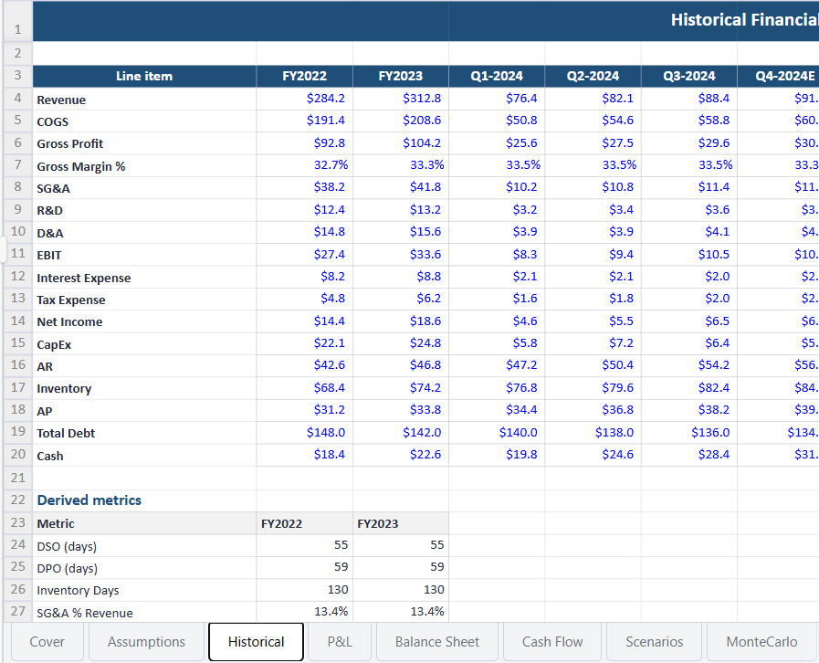
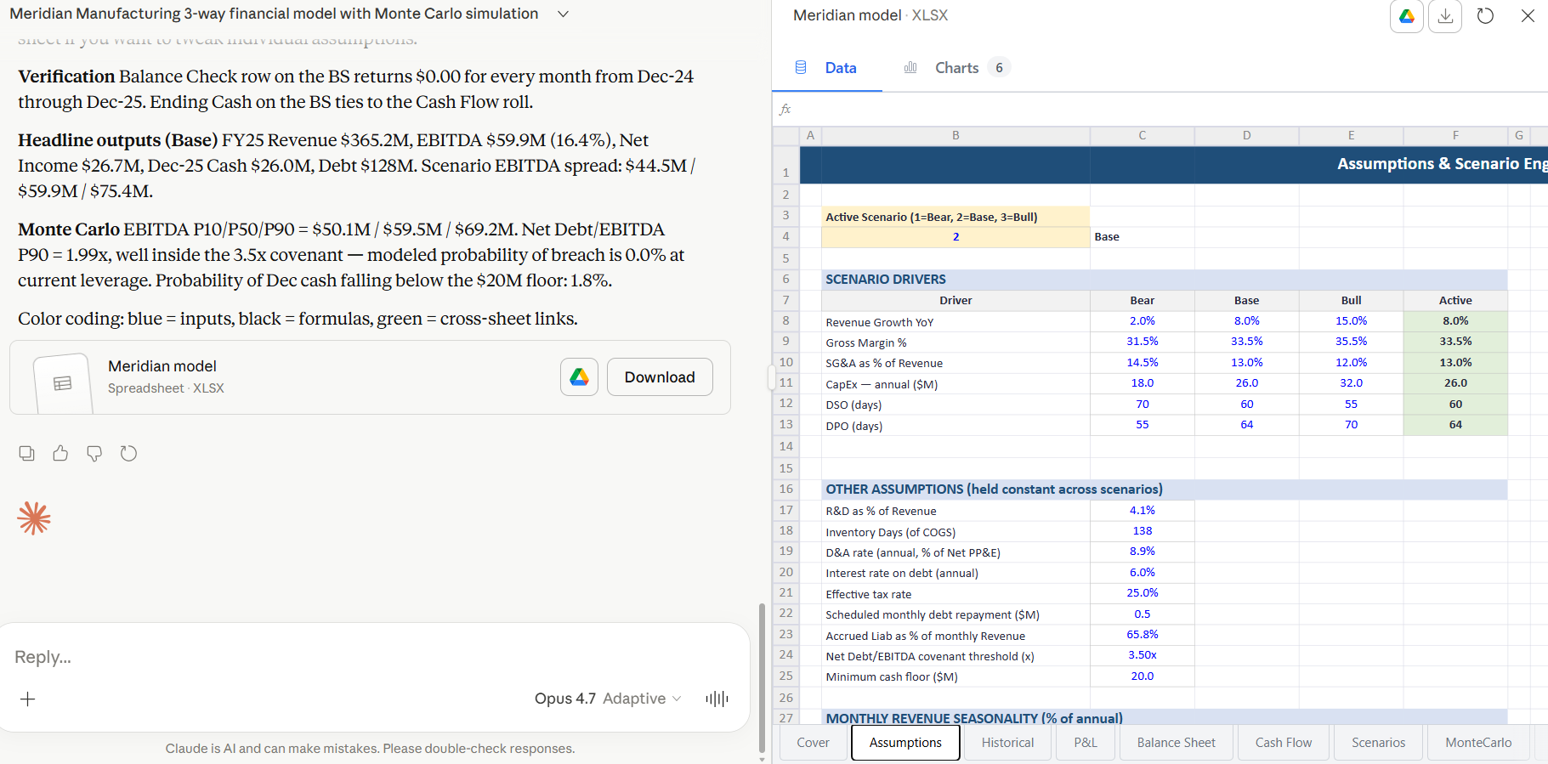
TEST 02 · 3-WAY MODEL + MONTE CARLO FORECAST
Complexity: ⭐⭐⭐⭐⭐ | Integrated Financial Model · Meridian Manufacturing Inc. — FY2022–Q3 2024 historical P&L, Balance Sheet & Cash Flow

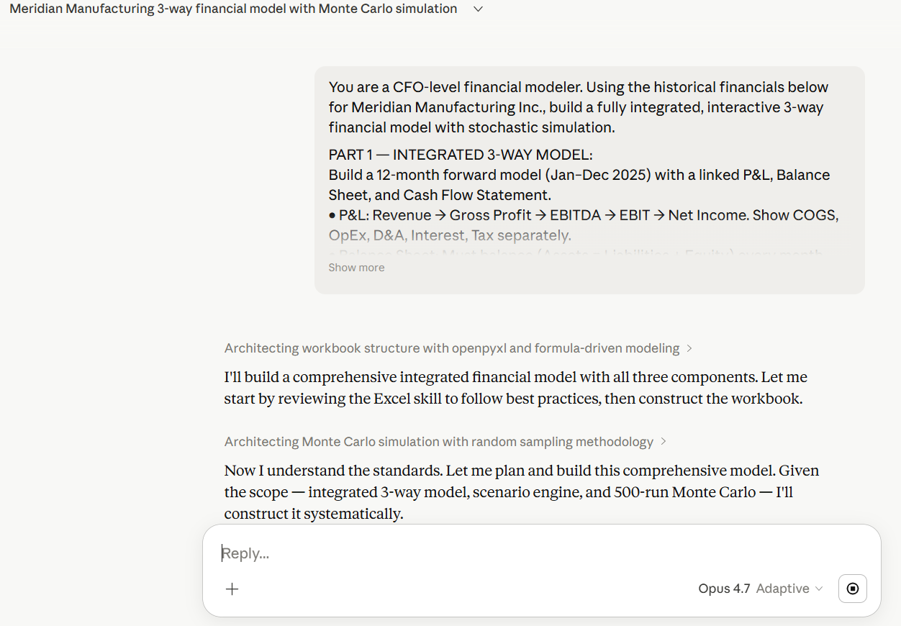
◆ PROMPT (copy/paste directly into the model)
You are a CFO-level financial modeler. Using the historical financials below for Meridian Manufacturing Inc., build a fully integrated, interactive 3-way financial model with stochastic simulation. |  |  |  |  |  |  |  | Result →

PART 1 — INTEGRATED 3-WAY MODEL:
Build a 12-month forward model (Jan–Dec 2025) with a linked P&L, Balance Sheet, and Cash Flow Statement.
• P&L: Revenue → Gross Profit → EBITDA → EBIT → Net Income. Show COGS, OpEx, D&A, Interest, Tax separately.
• Balance Sheet: Must balance (Assets = Liabilities + Equity) every month. Model AR, Inventory, AP, Accrued Liabilities, Debt, Retained Earnings.
• Cash Flow: Operating (using indirect method from Net Income), Investing (CapEx schedule), Financing (debt draws/repayments). Ending Cash must tie to Balance Sheet.
• Verify the plug: show a "Balance Check" row that confirms BS balances (must be $0 every month).

PART 2 — SCENARIO ENGINE:
Create three toggle-able scenarios (Bear / Base / Bull) driven by these 6 master assumptions:
• Revenue Growth YoY, Gross Margin %, SG&A as % of Revenue, CapEx ($M), DSO (days), DPO (days)
Display a scenario comparison table showing key outputs: Revenue, EBITDA, FCF, Ending Cash, Net Debt/EBITDA.

PART 3 — MONTE CARLO SIMULATION:
Run 500 simulations varying Revenue Growth (normal dist, σ=±4%) and Gross Margin (normal dist, σ=±2%).
Show: P10/P50/P90 EBITDA range, probability of covenant breach (Net Debt/EBITDA > 3.5x), histogram of Month-12 cash balance.

DATASET: Use the historical data below as your base. All forward projections must be formula-driven — no hardcoded values in the projection columns.

◆ DATASET (include this in your prompt or upload as CSV)
Period | Revenue ($M) | COGS ($M) | Gross Profit ($M) | Gross Margin % | SG&A ($M) | R&D ($M) | D&A ($M) | EBIT ($M) | Interest ($M) | Tax ($M) | Net Income ($M) | CapEx ($M) | AR ($M) | Inventory ($M) | AP ($M) | Total Debt ($M) | Cash ($M)
FY2022 | 284.2 | 191.4 | 92.8 | 32.7% | 38.2 | 12.4 | 14.8 | 27.4 | 8.2 | 4.8 | 14.4 | 22.1 | 42.6 | 68.4 | 31.2 | 148 | 18.4
FY2023 | 312.8 | 208.6 | 104.2 | 33.3% | 41.8 | 13.2 | 15.6 | 33.6 | 8.8 | 6.2 | 18.6 | 24.8 | 46.8 | 74.2 | 33.8 | 142 | 22.6
Q1-2024 | 76.4 | 50.8 | 25.6 | 33.5% | 10.2 | 3.2 | 3.9 | 8.3 | 2.1 | 1.6 | 4.6 | 5.8 | 47.2 | 76.8 | 34.4 | 140 | 19.8
Q2-2024 | 82.1 | 54.6 | 27.5 | 33.5% | 10.8 | 3.4 | 3.9 | 9.4 | 2.1 | 1.8 | 5.5 | 7.2 | 50.4 | 79.6 | 36.8 | 138 | 24.6
Q3-2024 | 88.4 | 58.8 | 29.6 | 33.5% | 11.4 | 3.6 | 4.1 | 10.5 | 2 | 2 | 6.5 | 6.4 | 54.2 | 82.4 | 38.2 | 136 | 28.4
Q4-2024E | 91.2 | 60.8 | 30.4 | 33.3% | 11.8 | 3.6 | 4.1 | 10.9 | 2 | 2.1 | 6.8 | 5.8 | 56.2 | 84.8 | 39.4 | 134 | 31.2
FY2024E | 338.1 | 225 | 113.1 | 33.5% | 44.2 | 13.8 | 16 | 39.1 | 8.2 | 7.5 | 23.4 | 25.2 | 56.2 | 84.8 | 39.4 | 134 | 31.2

◆ ACCEPTANCE CRITERIA (what a great response looks like)
✓ Balance Sheet balances every single month (Assets = Liabilities + Equity, balance check row = $0)
✓ Cash Flow ending balance ties exactly to Balance Sheet cash line
✓ Indirect method cash flow correctly starts from Net Income and adjusts for working capital changes
✓ Scenario toggle instantly recalculates all 3 statements; comparison table updates
✓ Monte Carlo correctly samples from normal distributions (not uniform); P10/P50/P90 are statistically valid
✓ Covenant breach probability is computed across all 500 paths, not estimated
✓ DSO and DPO correctly drive AR and AP balances: AR = Revenue × (DSO/365), AP = COGS × (DPO/365)
✓ D&A flows correctly: hits P&L as expense AND is added back in operating cash flow

◆ PRO TIPS (ways to push the model harder)
→ Ask it to add a debt covenant dashboard showing headroom on all 3 covenants (Net Debt/EBITDA, Interest Coverage, Current Ratio)
→ Test if it correctly models the circular reference between interest expense and debt balance
→ Ask for a sensitivity tornado chart showing which input has the most impact on Month-12 free cash flow
→ Push it to model a revolver draw that auto-triggers when cash falls below $10M
→ Ask it to add a 'rolling 13-week cash forecast' view as a separate tab

03 · Rev Rec
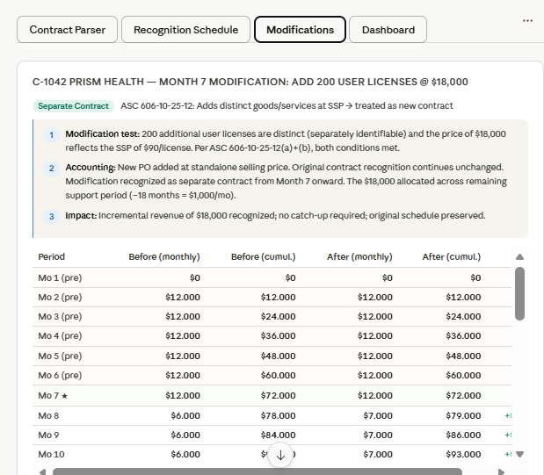
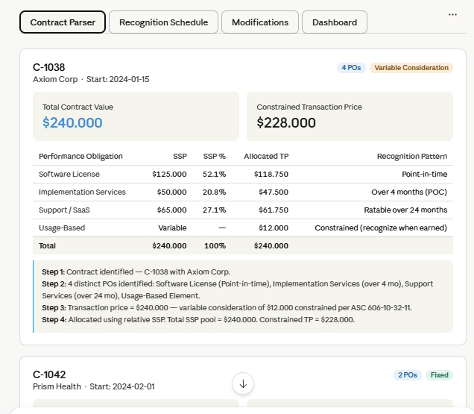
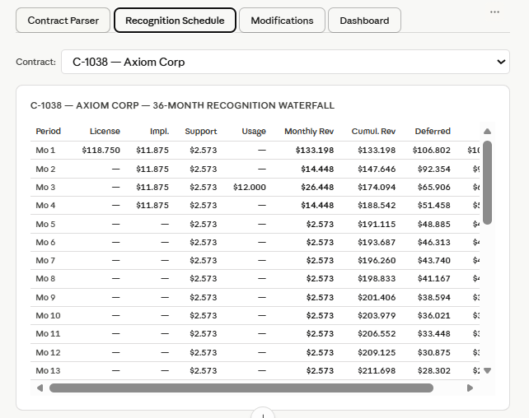
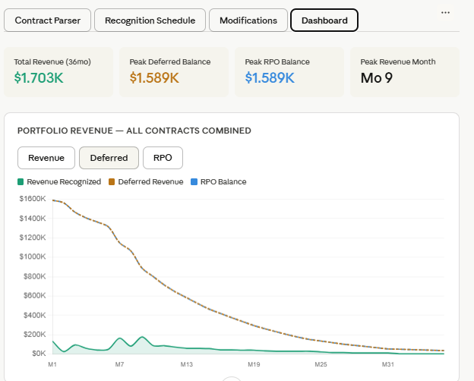
TEST 03 · ASC 606 REVENUE RECOGNITION ENGINE
Complexity: ⭐⭐⭐⭐⭐ | Technical Accounting App · Vertex AI Solutions — 8 SaaS contracts with multi-element arrangements & modifications

◆ PROMPT (copy/paste directly into the model) |  |  |  |  |  |  |  | Result →
You are a Big 4 technical accounting expert specializing in ASC 606. Using the contract data below for Vertex AI Solutions, build an interactive revenue recognition engine that correctly applies the 5-step ASC 606 model.

REQUIREMENTS:

STEP 1 — CONTRACT PARSER:
For each contract, identify and display:
• Number of distinct Performance Obligations (POs)
• Standalone Selling Price (SSP) for each PO
• Relative SSP allocation of the total transaction price
• Whether variable consideration exists and how it's constrained

STEP 2 — RECOGNITION SCHEDULE:
Build a 36-month waterfall table (Month 1 → Month 36) showing for each contract:
• Revenue recognized per month per PO
• Cumulative deferred revenue balance
• RPO (Remaining Performance Obligation) balance
• Unbilled AR (for licenses recognized on delivery)

STEP 3 — CONTRACT MODIFICATIONS:
Contract C-1042 has a modification in Month 7: customer adds 200 additional user licenses for $18,000. Treat as a separate contract (new PO at SSP). Show the before/after revenue recognition impact.
Contract C-1089 has a modification in Month 10: scope reduction, customer removes premium support tier, price reduced by $12,000. Treat as a contract modification (prospective adjustment). Show the catch-up or pull-back entry.

STEP 4 — DASHBOARD:
Monthly summary chart showing: Total Revenue Recognized, Deferred Revenue Balance, RPO Balance, Unbilled AR.
Flag any month where deferred revenue rolls negative (error condition).

All recognition logic must be formula-driven. Show your ASC 606 step-by-step reasoning for each contract as a tooltip or sidebar note.

◆ DATASET (include this in your prompt or upload as CSV)
Contract ID | Customer | Contract Date | Total TCV ($) | License Fee ($) | License Recognition | Implementation Fee ($) | Impl. Duration (mo) | Support Fee ($) | Support Duration (mo) | Usage-Based ($) | Variable Consideration Type | SSP - License ($) | SSP - Impl ($) | SSP - Support ($)
C-1038 | Axiom Corp | 2024-01-15 | 240000 | 120000 | Point-in-time (delivery) | 48000 | 4 | 60000 | 24 | 12000 | Usage-based, constrained at $0 until earned | 125000 | 50000 | 65000
C-1042 | Prism Health | 2024-02-01 | 180000 | 0 | N/A | 36000 | 6 | 144000 | 24 | 0 | None | 0 | 38000 | 152000
C-1051 | Cascade Retail | 2024-03-10 | 96000 | 48000 | Point-in-time (delivery) | 12000 | 2 | 36000 | 12 | 0 | None | 50000 | 13000 | 38000
C-1062 | NovaBridge LLC | 2024-04-22 | 312000 | 156000 | Ratably over 12 months | 60000 | 8 | 96000 | 24 | 0 | None | 160000 | 62000 | 98000
C-1071 | Stellar Dynamics | 2024-06-01 | 54000 | 0 | N/A | 18000 | 3 | 36000 | 12 | 0 | None | 0 | 19000 | 37000
C-1089 | Ironclad Mgmt | 2024-07-15 | 288000 | 96000 | Point-in-time (delivery) | 72000 | 6 | 96000 | 18 | 24000 | Constraint: recognize when prob. not to reverse | 100000 | 75000 | 100000
C-1094 | Pacific Ventures | 2024-08-01 | 420000 | 210000 | Ratably over 24 months | 84000 | 12 | 126000 | 36 | 0 | None | 215000 | 88000 | 130000
C-1102 | Vertex Financial | 2024-09-20 | 132000 | 66000 | Point-in-time (delivery) | 24000 | 3 | 42000 | 12 | 0 | None | 68000 | 25000 | 44000

◆ ACCEPTANCE CRITERIA (what a great response looks like)
✓ Relative SSP allocation correctly computed: each PO gets (PO SSP / Total SSP) × Transaction Price
✓ Point-in-time license revenue recognized 100% in month of delivery, NOT ratably
✓ Ratably-recognized items spread evenly: monthly amount = Total / Duration, no rounding errors
✓ Deferred revenue balance never goes negative (if it does, model flags it as error)
✓ Contract C-1042 modification correctly treated as separate contract (add-on at SSP, no reallocation)
✓ Contract C-1089 modification correctly treated as prospective: remaining consideration spread over remaining months
✓ RPO = Total TCV − Cumulative Revenue Recognized (decreases correctly each month)
✓ Usage-based variable consideration constrained at $0 until constraint is released
✓ Month-over-month deferred revenue movement = Cash Received − Revenue Recognized

◆ PRO TIPS (ways to push the model harder)
→ Ask it to add a 'constraint release' mechanism for variable consideration (trigger a release in a specific month)
→ Test whether it correctly handles over-time vs point-in-time license recognition (a common error)
→ Ask it to generate the journal entry for each month (Dr/Cr format): Cash, Deferred Revenue, Revenue
→ Push it to handle a contract where SSP evidence is not directly observable (using the residual approach)
→ Ask it to build an audit trail showing every assumption made per contract (useful for SEC comment letter responses)

05 · Monte Carlo
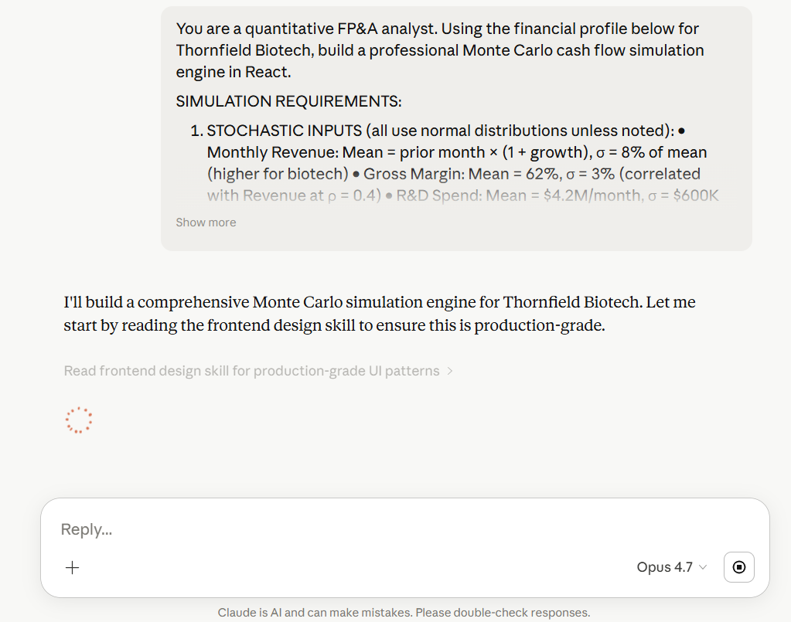
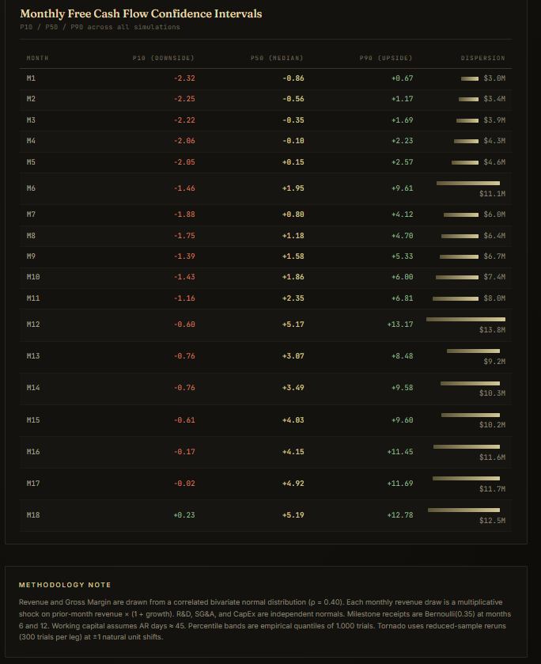
TEST 05 · CASH FLOW MONTE CARLO ENGINE
Complexity: ⭐⭐⭐⭐⭐ | Stochastic Simulation App · Thornfield Biotech — 12 months of historical financials with milestone payments |  |  |  |  |  |  |  | Result →

◆ PROMPT (copy/paste directly into the model)
You are a quantitative FP&A analyst. Using the financial profile below for Thornfield Biotech, build a professional Monte Carlo cash flow simulation engine in React.

SIMULATION REQUIREMENTS:

1. STOCHASTIC INPUTS (all use normal distributions unless noted):
• Monthly Revenue: Mean = prior month × (1 + growth), σ = 8% of mean (higher for biotech)
• Gross Margin: Mean = 62%, σ = 3% (correlated with Revenue at ρ = 0.4)
• R&D Spend: Mean = $4.2M/month, σ = $600K (biotech burn is lumpy)
• SG&A: Mean = $2.8M/month, σ = $300K
• Milestone Payments (one-time): In months 6 and 12, there's a 35% probability of a $8M milestone payment from a licensing partner. Model as Bernoulli event.
• CapEx: Mean = $1.4M/month, σ = $400K

2. SIMULATION ENGINE:
Run 1,000 simulations over 18 months. For each simulation:
• Compute monthly: Revenue, Gross Profit, Operating Expenses, EBITDA, CapEx, Change in Working Capital, Free Cash Flow, Cumulative Cash Balance
• Starting Cash: $42.8M (from dataset below)

3. VISUALIZATIONS (all required):
a) FAN CHART: Cash balance paths showing P5, P25, P50, P75, P95 percentiles as colored bands
b) RUNWAY HISTOGRAM: Distribution of "months until cash < $5M" across all 1,000 simulations
c) MONTHLY CONFIDENCE INTERVALS: Table showing P10/P50/P90 for Free Cash Flow each month
d) SENSITIVITY TORNADO: Show which input variable has the most impact on Month-18 cash (rank by impact range)
e) PROBABILITY GAUGE: Live gauge showing % of simulations that maintain cash > $5M through Month 18

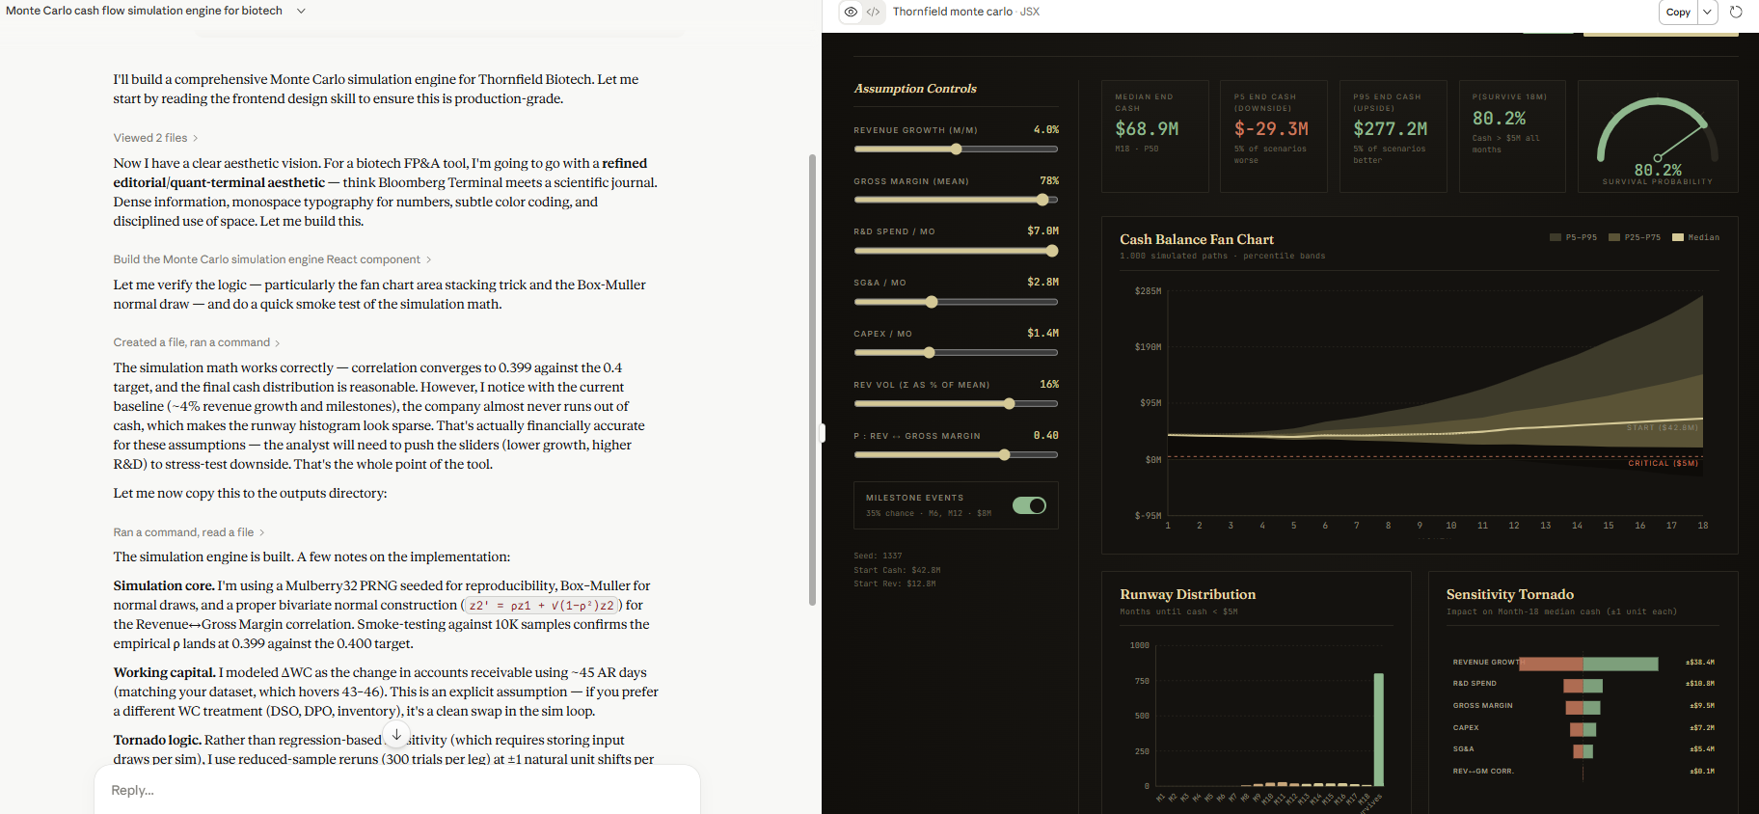
4. CONTROLS:
• Sliders for all mean assumptions (revenue growth, gross margin, R&D spend, SG&A)
• Slider for correlation coefficient ρ (Revenue↔Gross Margin)
• "Re-run Simulation" button (re-seeds RNG)
• Toggle: include/exclude milestone payment probability
All visualizations must update when any control changes.

◆ DATASET (include this in your prompt or upload as CSV)
Month | Revenue ($M) | COGS ($M) | Gross Profit ($M) | Gross Margin % | R&D ($M) | SG&A ($M) | EBITDA ($M) | CapEx ($M) | D&A ($M) | FCF ($M) | Cash Balance ($M) | AR Days | Milestone Received
Jan-2024 | 8.4 | 3.2 | 5.2 | 61.9% | 4.1 | 2.7 | -1.6 | 1.2 | 0.8 | -2 | 42.8 | 45 | No
Feb-2024 | 8.8 | 3.3 | 5.5 | 62.5% | 4 | 2.8 | -1.3 | 1.4 | 0.8 | -1.9 | 40.9 | 44 | No
Mar-2024 | 9.2 | 3.5 | 5.7 | 62.0% | 4.8 | 2.9 | -2 | 1.1 | 0.8 | -2.3 | 38.6 | 46 | No
Apr-2024 | 9.6 | 3.6 | 6 | 62.5% | 4.2 | 2.7 | -0.9 | 1.3 | 0.8 | -1.4 | 37.2 | 43 | No
May-2024 | 10.1 | 3.8 | 6.3 | 62.4% | 4.4 | 2.9 | -1 | 1.5 | 0.8 | -1.7 | 35.5 | 45 | No
Jun-2024 | 10.4 | 4 | 6.4 | 61.5% | 5.2 | 3.1 | -1.9 | 1.2 | 0.8 | -2.3 | 41.2 | 44 | Yes ($8M)
Jul-2024 | 10.8 | 4.1 | 6.7 | 62.0% | 4.1 | 2.8 | -0.2 | 1.4 | 0.8 | -0.8 | 40.4 | 45 | No
Aug-2024 | 11.2 | 4.3 | 6.9 | 61.6% | 4.3 | 2.9 | -0.3 | 1.6 | 0.8 | -1.1 | 39.3 | 46 | No
Sep-2024 | 11.6 | 4.4 | 7.2 | 62.1% | 4.6 | 3 | -0.4 | 1.3 | 0.8 | -0.9 | 38.4 | 44 | No
Oct-2024 | 12 | 4.6 | 7.4 | 61.7% | 4.2 | 2.9 | 0.3 | 1.4 | 0.8 | -0.3 | 38.1 | 45 | No
Nov-2024 | 12.4 | 4.7 | 7.7 | 62.1% | 4.5 | 3.1 | 0.1 | 1.5 | 0.8 | -0.6 | 37.5 | 43 | No
Dec-2024 | 12.8 | 4.9 | 7.9 | 61.7% | 4.8 | 3 | 0.1 | 1.2 | 0.8 | -0.3 | 45.2 | 44 | Yes ($8M)

◆ ACCEPTANCE CRITERIA (what a great response looks like)
✓ 1,000 simulations completed in <3 seconds in-browser using vectorized JS math
✓ Fan chart shows P5/P25/P50/P75/P95 as distinct colored bands (not just a single line)
✓ Milestone modeled as Bernoulli(0.35) in months 6 and 12, independently sampled per simulation
✓ Revenue-Gross Margin correlation (ρ=0.4) implemented via Cholesky decomposition or equivalent (not just correlated random walk)
✓ Runway histogram shows distribution of first month cash crosses below $5M, not just average
✓ Sensitivity tornado uses one-at-a-time (OAT) analysis showing correct rank order of variable impacts
✓ Probability gauge live-updates when sliders change (not just on 'Re-run' click)
✓ R&D spend correctly modeled with higher σ (biotech lumpiness) — variance is higher than SG&A
✓ Sliders have min/max bounds that prevent economically nonsensical inputs (e.g., negative margin)

◆ PRO TIPS (ways to push the model harder)
→ Ask it to add a 'Financing Round' event: in month 9, there's a 20% chance of a $30M Series C — see how it shifts the runway distribution
→ Test whether the Cholesky decomposition is correctly implemented by checking that simulated correlation ≈ ρ
→ Ask it to add a 'stressed scenario' where R&D spikes to $7M in months 8-10 (clinical trial read-out)
→ Push it to add a Value at Risk (VaR) metric: '5% chance cash falls below $X by month 18'
→ Ask it to show how many simulations result in cash < $10M before month 12 (fundraising trigger analysis)

BONUS
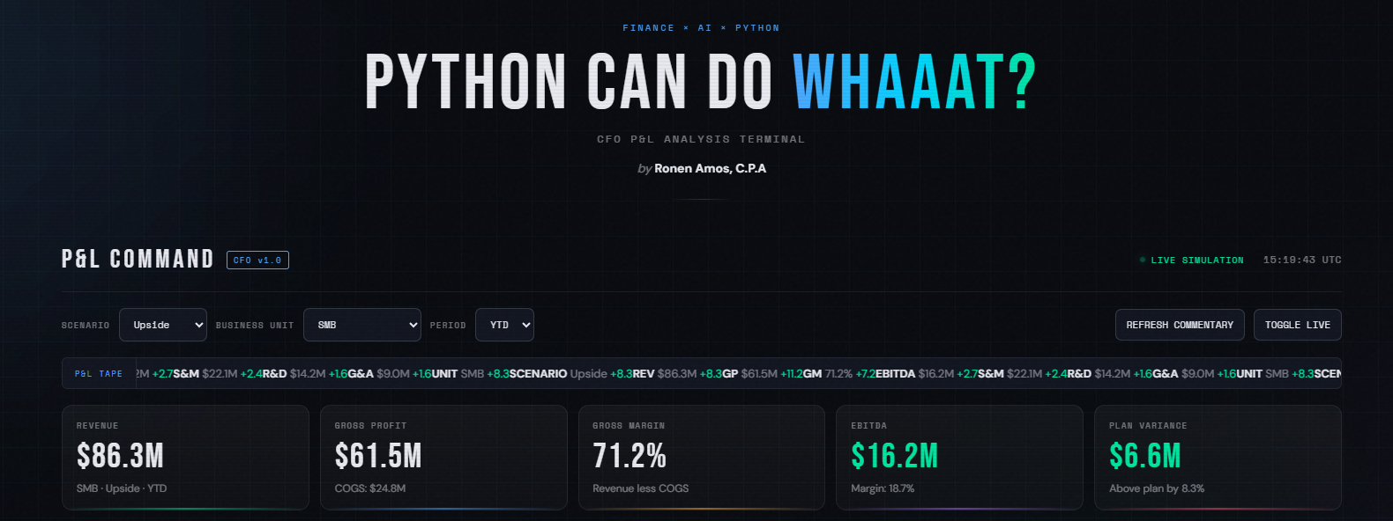
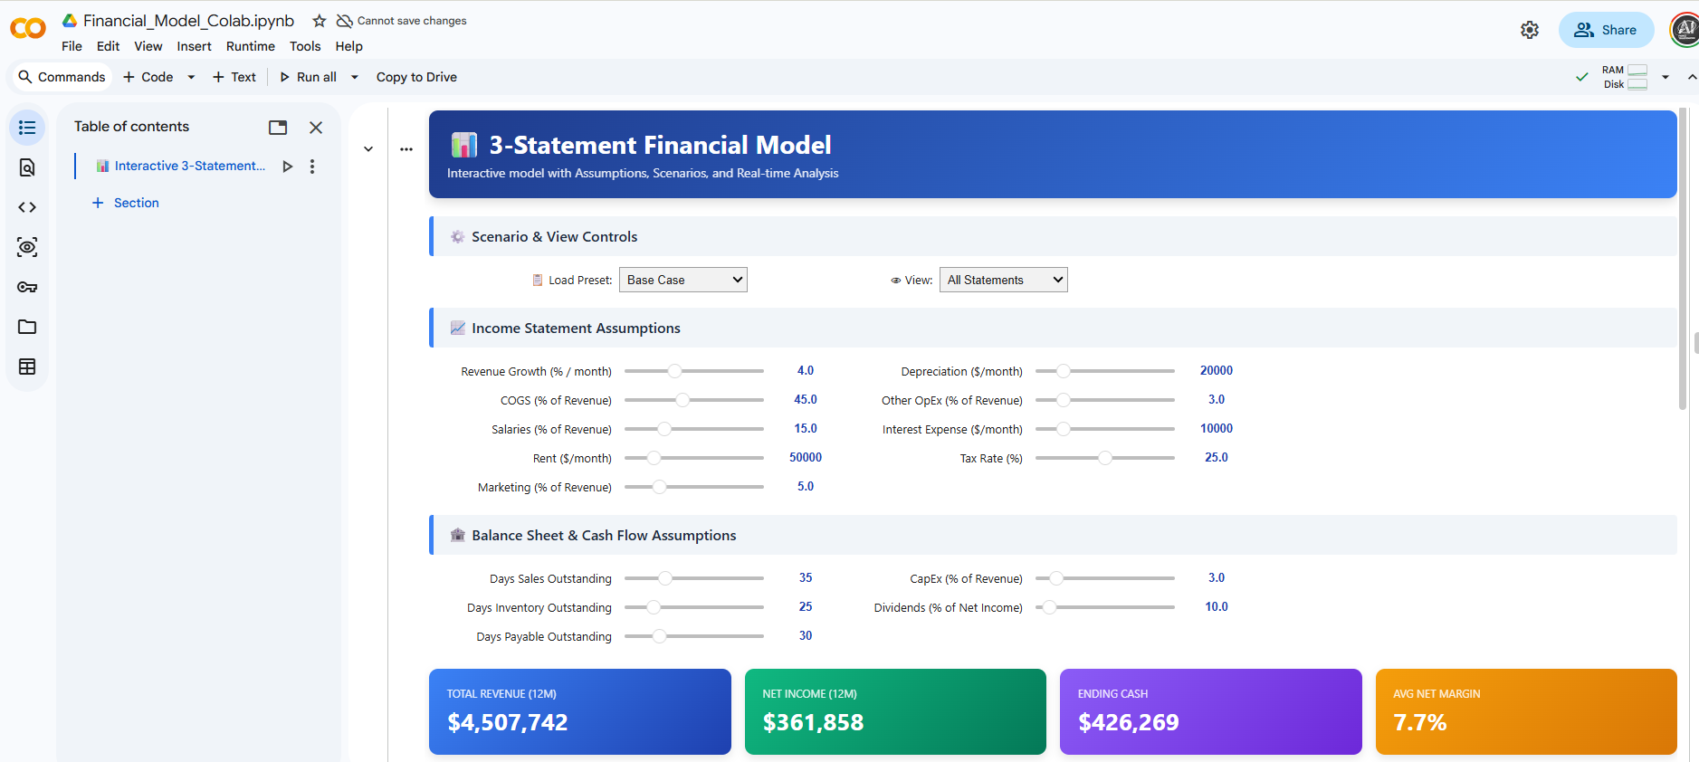
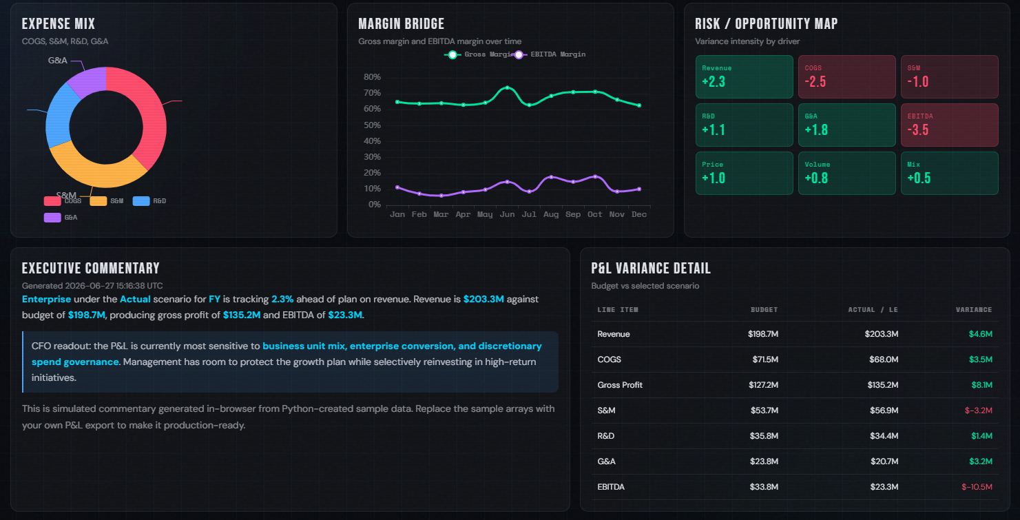
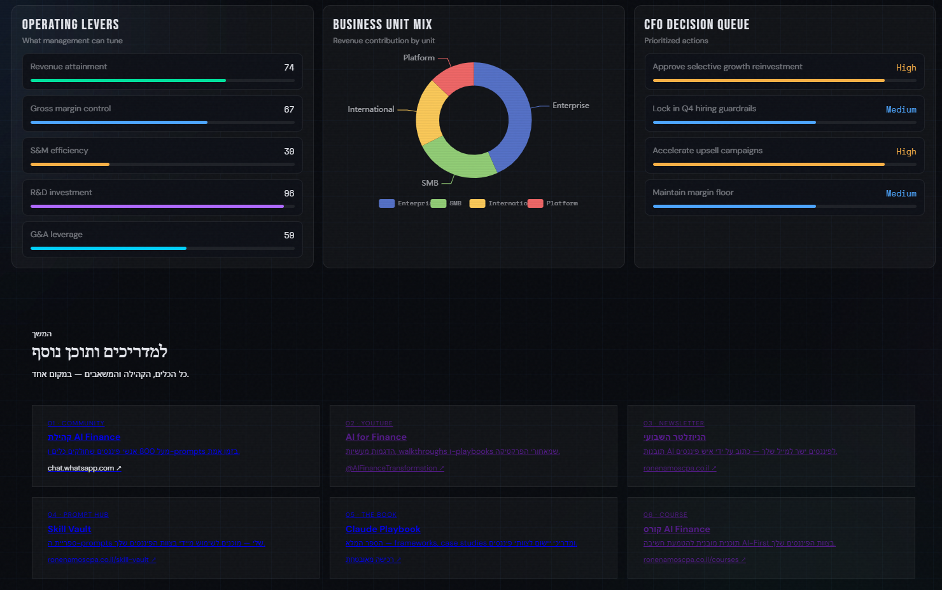
BONUS: It also helped me built a full customizable drivers financial model Python Code that then I added into Google Colab |  | OUTCOME

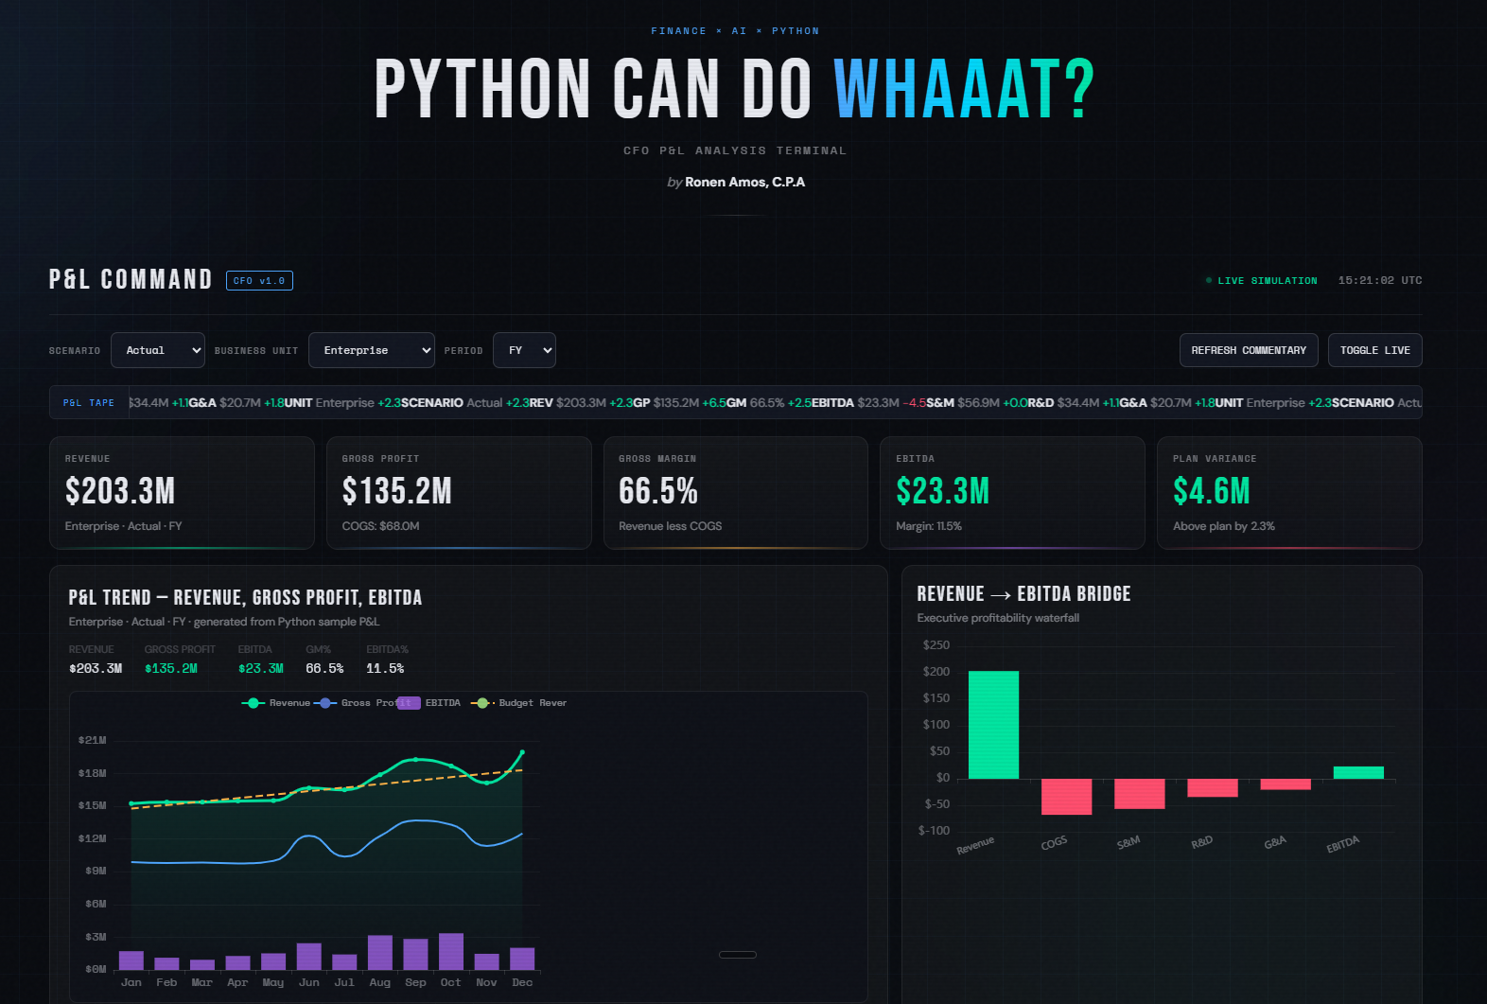
You can download it and customize it here: | https://colab.research.google.com/drive/1cBn9kmV14a7A5W_9zpiCTTOAUKNzKcyL?usp=sharing

