Sheet1
Q.No.1a)
x | y= e ^ x | y = e ^ -x | y = 8 ^ x | y = 8 ^ -x
1 | 2.7182818285 | 0.36787944117 | 8 | 0.125
2 | 7.3890560989 | 0.13533528324 | 64 | 0.015625
3 | 20.085536923 | 0.049787068368 | 512 | 0.001953125
4 | 54.598150033 | 0.018315638889 | 4096 | 0.000244140625
5 | 148.4131591 | 0.0067379469991 | 32768 | 3.0517578125E-05
6 | 403.42879349 | 0.0024787521767 | 262144 | 3.8146972656E-06
7 | 1096.6331584 | 0.00091188196555 | 2097152 | 4.768371582E-07
8 | 2980.957987 | 0.0003354626279 | 16777216 | 5.9604644775E-08
9 | 8103.0839276 | 0.00012340980409 | 134217728 | 7.4505805969E-09
-1 | 0.36787944117 | 2.7182818285 | 0.125 | 8
-2 | 0.13533528324 | 7.3890560989 | 0.015625 | 64
-4 | 0.018315638889 | 54.598150033 | 0.000244140625 | 4096

1b
x | y = 0.9 ^ x | y = 0.6 ^ x | y = 0.3 ^ x | y = 0.1 ^ x
-1 | 1.1111111111 | 1.6666666667 | 3.3333333333 | 10
-2 | 1.2345679012 | 2.7777777778 | 11.111111111 | 100
0 | 1 | 1 | 1 | 1
1 | 0.9 | 0.6 | 0.3 | 0.1
2 | 0.81 | 0.36 | 0.09 | 0.01
2.7 | 0.75241037513 | 0.25177254855 | 0.038746045822 | 0.001995262315
3.6 | 0.68434174676 | 0.15898073533 | 0.01311102112 | 0.00025118864315
4.5 | 0.62243111185 | 0.10038772833 | 0.0044365527158 | 3.1622776602E-05
5.4 | 0.5661213726 | 0.063389416203 | 0.0015012560669 | 3.9810717055E-06
6.3 | 0.51490583039 | 0.040026984904 | 0.00050800022511 | 5.0118723363E-07
7.2 | 0.46832362636 | 0.025274874206 | 0.00017189887482 | 6.3095734448E-08
8.1 | 0.42595559432 | 0.015959714868 | 5.8167736359E-05 | 7.9432823472E-09

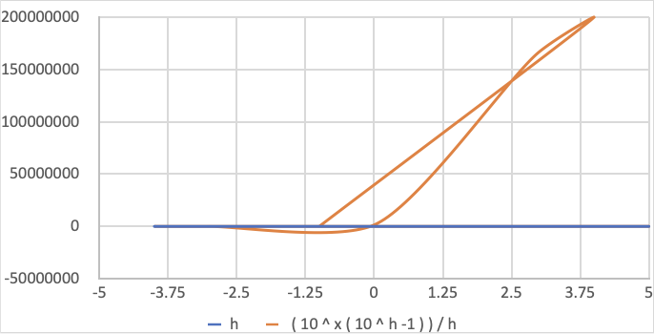
Q.no.2)
x | h | ( 10 ^ x ( 10 ^ h -1 ) ) / h | 10 ^ h -1 | 10 ^ x
-1 | 4 | 249.975 | 9999 | 0.1
4 | 5 | 199998000 | 99999 | 10000
3 | 6 | 166666500 | 999999 | 1000
0 | 7 | 1428571.2857 | 9999999 | 1
-3 | 8 | 12499.999875 | 99999999 | 0.001
-4 | -1 | 0.00009 | -0.9 | 0.0001
-2 | 4 | 24.9975 | 9999 | 0.01
3 | -4 | 249.975 | -0.9999 | 1000
5 | -3 | 33300 | -0.999 | 100000

Q.No.3)

x | f(x) = x^5 | g(x) = 5^x
-3 | -243 | 0.008
-2 | -32 | 0.04
-1 | -1 | 0.2
0 | 0 | 1
1 | 1 | 5
2 | 32 | 25
3 | 243 | 125
4 | 1024 | 625
5 | 3125 | 3125
8 | 32768 | 390625
9 | 59049 | 1953125

x | g(x) = 5^x
-3 | 0.008
-2 | 0.04
-1 | 0.2
0 | 1
1 | 5
2 | 25
3 | 125
4 | 625
5 | 3125
8 | 390625
9 | 1953125

Plot of f(x) and f(-x)
Q.No.4)
x | f(x) | f(-x) | minus of f(x) | f(-x)= -f(x)
-6 | 0.083140966434 | -0.083140966434 | -0.083140966434 | 0
-5 | 0.099667994625 | -0.099667994625 | -0.099667994625 | 0
-4 | 0.12435300177 | -0.12435300177 | -0.12435300177 | 0
-3 | 0.16514041292 | -0.16514041292 | -0.16514041292 | 0
-2 | 0.2449186624 | -0.2449186624 | -0.2449186624 | 0
-1 | 0.46211715726 | -0.46211715726 | -0.46211715726 | 0
1 | -0.46211715726 | 0.46211715726 | 0.46211715726 | 0
2 | -0.2449186624 | 0.2449186624 | 0.2449186624 | 0
3 | -0.16514041292 | 0.16514041292 | 0.16514041292 | 0
4 | -0.12435300177 | 0.12435300177 | 0.12435300177 | 0
4.5 | -0.11065611052 | 0.11065611052 | 0.11065611052 | 0
5 | -0.099667994625 | 0.099667994625 | 0.099667994625 | 0

Q.No.5)
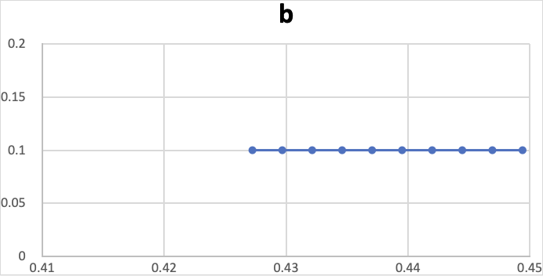
x | a | 1/(1+ae^bx) | b
-4.9 | 2 | 0.44938714614 | 0.1
-4.8 | 2 | 0.44691403507 | 0.1
-4.7 | 2 | 0.44444354833 | 0.1
-4.6 | 2 | 0.44197580508 | 0.1
-4.5 | 2 | 0.43951092392 | 0.1
-4.4 | 2 | 0.4370490229 | 0.1
-4.3 | 2 | 0.43459021949 | 0.1
-4.2 | 2 | 0.43213463054 | 0.1
-4.1 | 2 | 0.42968237229 | 0.1
-4 | 2 | 0.42723356034 | 0.1

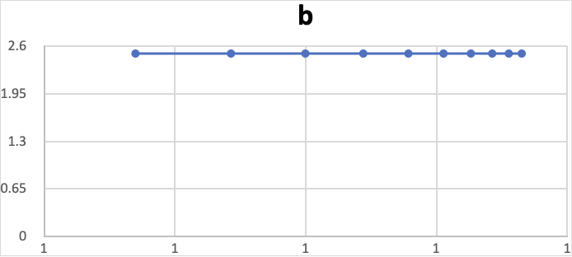
x | a | 1/(1+ae^bx) | b
-4.9 | 2 | 0.99999042986 | 2.5
-4.8 | 2 | 0.99998771173 | 2.5
-4.7 | 2 | 0.9999842216 | 2.5
-4.6 | 2 | 0.99997974022 | 2.5
-4.5 | 2 | 0.99997398608 | 2.5
-4.4 | 2 | 0.99996659771 | 2.5
-4.3 | 2 | 0.99995711102 | 2.5
-4.2 | 2 | 0.99994493013 | 2.5
-4.1 | 2 | 0.99992929 | 2.5
-4 | 2 | 0.99990920838 | 2.5

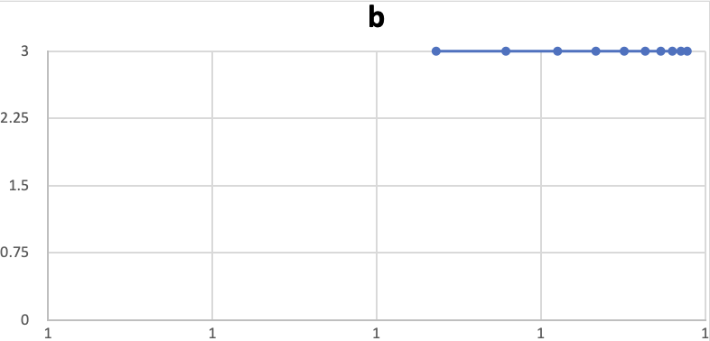
x | a | 1/(1+ae^bx) | b
-4.9 | 2 | 0.99999917415 | 3
-4.8 | 2 | 0.99999888522 | 3
-4.7 | 2 | 0.99999849521 | 3
-4.6 | 2 | 0.99999796874 | 3
-4.5 | 2 | 0.99999725809 | 3
-4.4 | 2 | 0.99999629881 | 3
-4.3 | 2 | 0.99999500392 | 3
-4.2 | 2 | 0.99999325602 | 3
-4.1 | 2 | 0.99999089659 | 3
-4 | 2 | 0.99998771173 | 3

Q.No.5b)

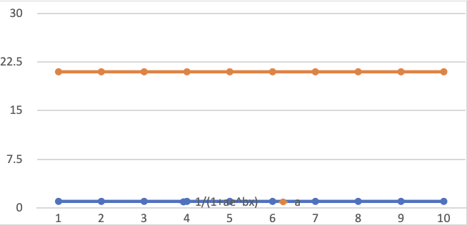
x | b | 1/(1+ae^bx) | a
-4.9 | 1.5 | 1 | 21
-4.8 | 1.5 | 1 | 21
-4.7 | 1.5 | 1 | 21
-4.6 | 1.5 | 1 | 21
-4.5 | 1.5 | 1 | 21
-4.4 | 1.5 | 1 | 21
-4.3 | 1.5 | 1 | 21
-4.2 | 1.5 | 1 | 21
-4.1 | 1.5 | 1 | 21
-4 | 1.5 | 1 | 21

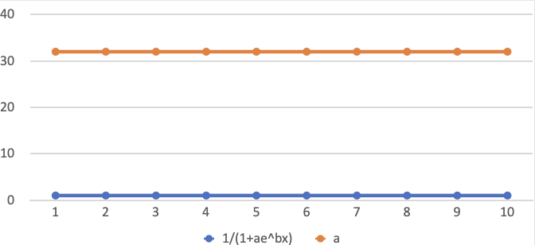
x | b | 1/(1+ae^bx) | a
-4.9 | 1.5 | 1 | 32
-4.8 | 1.5 | 1 | 32
-4.7 | 1.5 | 1 | 32
-4.6 | 1.5 | 1 | 32
-4.5 | 1.5 | 1 | 32
-4.4 | 1.5 | 1 | 32
-4.3 | 1.5 | 1 | 32
-4.2 | 1.5 | 1 | 32
-4.1 | 1.5 | 1 | 32
-4 | 1.5 | 1 | 32

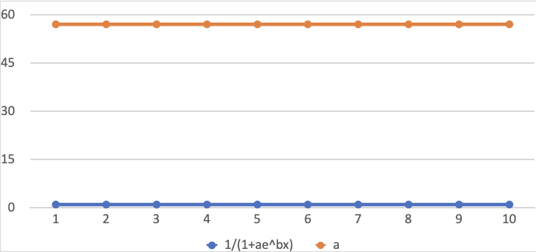
x | b | 1/(1+ae^bx) | a
-4.9 | 1.5 | 1 | 57
-4.8 | 1.5 | 1 | 57
-4.7 | 1.5 | 1 | 57
-4.6 | 1.5 | 1 | 57
-4.5 | 1.5 | 1 | 57
-4.4 | 1.5 | 1 | 57
-4.3 | 1.5 | 1 | 57
-4.2 | 1.5 | 1 | 57
-4.1 | 1.5 | 1 | 57
-4 | 1.5 | 1 | 57

Plot of g(x), g^-1(x)
Q.No.6

x | g(x)=x^6+x^4 | g^-1(x)
6 | 47952 | 2.0854187521E-05
4 | 4352 | 0.00022977941176
2 | 80 | 0.0125
13 | 4855370 | 2.0595752744E-07
17 | 24221090 | 4.1286333522E-08
2 | 80 | 0.0125
4 | 4352 | 0.00022977941176
6 | 47952 | 2.0854187521E-05
7 | 120050 | 8.3298625573E-06
8 | 266240 | 3.7560096154E-06

Charge Stored in Capacitor Over Time (Q(t)) with 90% Capacity Line

 | Q.no.7)
 | a | q | t=- a ln ( 1 – (Q / Q0 ) )
 | 2 | 0.9 | 4.6

