Level2
Requirements:
 | Write a function that, given a string, returns its longest palindromic substring.
 | You can assume that there will only be one longest palindromic substring.

 | Sample Input:
 |  | string = "abaxyzzyxf"

 | Sample Output:
 |  | "xyzzyx"

Solution:
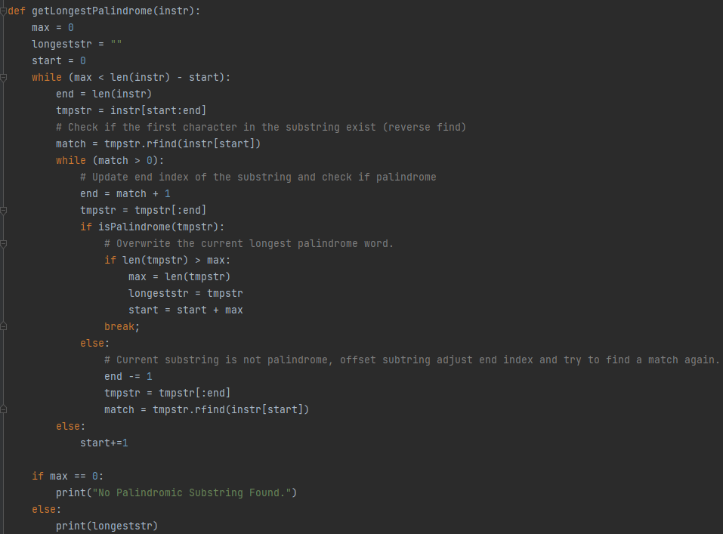
 |  |  |  |  |  |  |  |  |  |  |  |  |  |  |  |  | Time Complexity: O(n^2)
 |  |  |  |  |  |  |  |  |  |  |  |  |  |  |  |  |  | - Quadratic time, due to its nested loop. Even though there is a possibility that the input size in the 1st loop will be reduced when there is a palindrome match,
 |  |  |  |  |  |  |  |  |  |  |  |  |  |  |  |  |  | The maximum possible time complexity will still be O(n^2) for scenarios with no palindrome substring in the input.

 |  |  |  |  |  |  |  |  |  |  |  |  |  |  |  |  | Space Complexity: O(1)
 |  |  |  |  |  |  |  |  |  |  |  |  |  |  |  |  |  | - memory usage is constant

 |  |  |  |  |  |  |  |  |  |  |  |  |  |  |  |  |  | I used Memory_Profiler module to check the space complexity of the function
 |  |  |  |  |  |  |  |  |  |  |  |  |  |  |  |  |  | Reference: https://github.com/pythonprofilers/memory_profiler
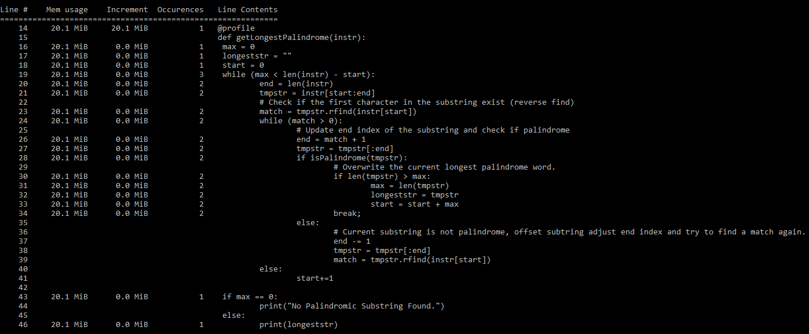

 | General Procedure:
 | Step 1. Loop the input string and create a substring based on the current loop index as its start index
 | Step 2. Check if the current loop character (using the loop index) has a match in the substring created in Step 1, using rfind() [Reverse Find]
 | Step 3. If there is no match, continue to next loop index. Else, overwrite the substring in Step1 and used the matched index in Step 2 as the substring's end index
 | Step 4. Check if the current substring is palindrome.
 |  |  | If true, get the substring's length and check if it is longer than the previously detected palindrome word. Overwrite the longest palindrome word if the current substring is longer.
 |  |  |  | Then, move the start index based on the last character index of the matched palindrome word. Continue the loop and proceed to Step2.

 |  |  | If false, overwrite the current substring by removing its last character and check if there are still further match (Just like what we've done in Step3)
 | Step5. If the current longest palindrome word length is already greater than the remaining characters to be checked in the loop, Then end the loop and return the longest detected palindrome word

 | Example 1: |  |  |  |  |  |  |  |  |  |  |  |  |  |  | Example 2:
 |  |  | Input: |  |  | a | b | a | x | y | z | z | y | x | f |  | Input: |  |  | a | b | d | c | c | d | a | d | e
 |  |  | Index: |  |  | 0 | 1 | 2 | 3 | 4 | 5 | 6 | 7 | 8 | 9 |  | Index: |  |  | 0 | 1 | 2 | 3 | 4 | 5 | 6 | 7 | 8

 |  |  | Loop 1: |  |  |  |  |  |  |  |  |  |  |  |  |  | Loop 1:
 |  |  |  |  | Step1: |  |  |  |  |  |  |  |  |  |  |  |  |  | Step1:
 |  |  |  |  |  |  | start index = 0 |  |  |  |  |  |  |  |  |  |  |  |  |  | start index = 0
 |  |  |  |  |  |  | end index = 10 (input string size) |  |  |  |  |  |  |  |  |  |  |  |  |  | end index = 9 (input string size)
 |  |  |  |  |  |  | max = 0 |  |  |  |  |  |  |  |  |  |  |  |  |  | max = 0
 |  |  |  |  |  |  | longeststr = "" |  |  |  |  |  |  |  |  |  |  |  |  |  | longeststr = ""

 |  |  |  |  |  |  | tmpstr = input[0:10] = "abaxyzzyxf" |  |  |  |  |  |  |  |  |  |  |  |  |  | tmpstr = input[0:] = "abdccdade"

 |  |  |  |  | Step 2: |  |  |  |  |  |  |  |  |  |  |  |  |  | Step 2:
 |  |  |  |  |  |  | match = tmpstr.rfind(input[0]) = 2 |  |  |  |  |  |  |  |  |  |  |  |  |  | match = tmpstr.rfind(input[0]) = 6

 |  |  |  |  | Step 4: |  |  |  |  |  |  |  |  |  |  |  |  |  | Step 4:
 |  |  |  |  |  |  | end index = match + 1 = 2 + 1 = 3 (Since when using string slice, the end index is excluded) |  |  |  |  |  |  |  |  |  |  |  |  |  | end index = match + 1 = 6 + 1 = 7 (Since when using string slice, the end index is excluded)
 |  |  |  |  |  |  | tmpstr = tmpstr[:3] = "aba" |  |  |  |  |  |  |  |  |  |  |  |  |  | tmpstr = tmpstr[:7] = "abdccda"

 |  |  |  |  |  |  | tmpstr = "aba" is a palindrome. |  |  |  |  |  |  |  |  |  |  |  |  |  | tmpstr = "abdccda" is NOT a palindrome.
 |  |  |  |  |  |  | max = len("aba") = 3 |  |  |  |  |  |  |  |  |  |  |  |  |  | end index = end index - 1 = 7 - 1 = 6
 |  |  |  |  |  |  | longeststr = "aba" |  |  |  |  |  |  |  |  |  |  |  |  |  | tmpstr = tmpstr[:6] = "abdccd"
 |  |  |  |  |  |  | start index = start index + max = 0 + 3 = 3 |  |  |  |  |  |  |  |  |  |  |  |  |  | match = tmpstr.rfind(input[0]) = -1

 |  |  |  |  | Step 5: |  |  |  |  |  |  |  |  |  |  |  |  |  |  |  | Since there is no more match, exit the inner loop and increment the start index
 |  |  |  |  |  |  | max = 3 |  |  |  |  |  |  |  |  |  |  |  |  |  | start index = start index + 1 = 0 + 1 = 1
 |  |  |  |  |  |  | start index = 3
 |  |  |  |  |  |  | max < len(input) - start index |  |  |  |  |  |  |  |  |  | Loop 2:
 |  |  |  |  |  |  | 3 < 7, Hence continue to next loop |  |  |  |  |  |  |  |  |  |  |  | Step1:
 |  |  | Loop 2: |  |  |  |  |  |  |  |  |  |  |  |  |  |  |  |  |  | start index = 1
 |  |  |  |  | Step1: |  |  |  |  |  |  |  |  |  |  |  |  |  |  |  | end index = 10 (input string size)
 |  |  |  |  |  |  | start index = 3 |  |  |  |  |  |  |  |  |  |  |  |  |  | max = 0
 |  |  |  |  |  |  | end index = 10 (input string size) |  |  |  |  |  |  |  |  |  |  |  |  |  | longeststr = ""
 |  |  |  |  |  |  | max = 3
 |  |  |  |  |  |  | longeststr = "aba" |  |  |  |  |  |  |  |  |  |  |  |  |  | tmpstr = input[1:10] = "bdccdade"

 |  |  |  |  |  |  | tmpstr = input[3:10] = "xyzzyxf" |  |  |  |  |  |  |  |  |  |  |  | Step 2:
 |  |  |  |  |  |  |  |  |  |  |  |  |  |  |  |  |  |  |  |  | match = tmpstr.rfind(input[1]) = -1
 |  |  |  |  | Step 2:
 |  |  |  |  |  |  | match = tmpstr.rfind(input[3]) = 5 |  |  |  |  |  |  |  |  |  |  |  | Step 3:
 |  |  |  |  |  |  |  |  |  |  |  |  |  |  |  |  |  |  |  |  | Since there is no match, increment the start index by 1
 |  |  |  |  | Step 4: |  |  |  |  |  |  |  |  |  |  |  |  |  |  |  | start index = start index + 1 = 1 + 1 = 2
 |  |  |  |  |  |  | end index = match + 1 = 5 + 1 = 6 (Since when using string slice, the end index is excluded)
 |  |  |  |  |  |  | tmpstr = tmpstr[:6] = "xyzzyx" |  |  |  |  |  |  |  |  |  | Loop 3:
 |  |  |  |  |  |  |  |  |  |  |  |  |  |  |  |  |  |  | Step1:
 |  |  |  |  |  |  | tmpstr = "xyzzyx" is a palindrome. |  |  |  |  |  |  |  |  |  |  |  |  |  | start index = 2
 |  |  |  |  |  |  | max = len("xyzzyx") = 6 |  |  |  |  |  |  |  |  |  |  |  |  |  | end index = 10 (input string size)
 |  |  |  |  |  |  | longeststr = "xyzzyx" |  |  |  |  |  |  |  |  |  |  |  |  |  | max = 0
 |  |  |  |  |  |  | start index = start index + max = 3 + 5 = 8 |  |  |  |  |  |  |  |  |  |  |  |  |  | longeststr = ""

 |  |  |  |  | Step 5: |  |  |  |  |  |  |  |  |  |  |  |  |  |  |  | tmpstr = input[2:10] = "dccdade"
 |  |  |  |  |  |  | max = 6
 |  |  |  |  |  |  | start index = 8 |  |  |  |  |  |  |  |  |  |  |  | Step 2:
 |  |  |  |  |  |  | max < len(input) - start index |  |  |  |  |  |  |  |  |  |  |  |  |  | match = tmpstr.rfind(input[2]) = 5
 |  |  |  |  |  |  | 6 > 2, Hence exit the outer loop
 |  |  |  |  |  |  |  |  |  |  |  |  |  |  |  |  |  |  | Step 4:
 |  |  | Output: "xyzzyx" |  |  |  |  |  |  |  |  |  |  |  |  |  |  |  |  |  | end index = match + 1 = 5 + 1 = 6 (Since when using string slice, the end index is excluded)
 |  |  |  |  |  |  |  |  |  |  |  |  |  |  |  |  |  |  |  |  | tmpstr = tmpstr[:6] = "dccdad"

 |  |  |  |  |  |  |  |  |  |  |  |  |  |  |  |  |  |  |  |  | tmpstr = "dccdad" is NOT a palindrome.
 |  |  |  |  |  |  |  |  |  |  |  |  |  |  |  |  |  |  |  |  | end index = end index - 1 = 6 - 1 = 5
 |  |  |  |  |  |  |  |  |  |  |  |  |  |  |  |  |  |  |  |  | tmpstr = tmpstr[:5] = "dccda"

 |  |  |  |  |  |  |  |  |  |  |  |  |  |  |  |  |  |  |  |  | match = tmpstr.rfind(input[2]) = 3

 |  |  |  |  |  |  |  |  |  |  |  |  |  |  |  |  |  |  |  |  | end index = match + 1 =3 + 1 = 4 (Since when using string slice, the end index is excluded)
 |  |  |  |  |  |  |  |  |  |  |  |  |  |  |  |  |  |  |  |  | tmpstr = tmpstr[:4] = "dccd"

 |  |  |  |  |  |  |  |  |  |  |  |  |  |  |  |  |  |  |  |  | tmpstr = "dccd" is a palindrome.
 |  |  |  |  |  |  |  |  |  |  |  |  |  |  |  |  |  |  |  |  | max = len("xyzzyx") = 4
 |  |  |  |  |  |  |  |  |  |  |  |  |  |  |  |  |  |  |  |  | longeststr = "dccd"
 |  |  |  |  |  |  |  |  |  |  |  |  |  |  |  |  |  |  |  |  | start index = start index + max = 2 + 4 = 6

 |  |  |  |  |  |  |  |  |  |  |  |  |  |  |  |  |  |  | Step 5:
 |  |  |  |  |  |  |  |  |  |  |  |  |  |  |  |  |  |  |  |  | max = 6
 |  |  |  |  |  |  |  |  |  |  |  |  |  |  |  |  |  |  |  |  | start index = 6
 |  |  |  |  |  |  |  |  |  |  |  |  |  |  |  |  |  |  |  |  | max < len(input) - start index
 |  |  |  |  |  |  |  |  |  |  |  |  |  |  |  |  |  |  |  |  | 6 > 3, Hence exit the outer loop

 |  |  |  |  |  |  |  |  |  |  |  |  |  |  |  |  | Output: "dccd"

Level3
Requirements:
 | write a function that returns the minimum number of cuts needed to perform on the string such that each remaining substring is a palindrome.

 | Sample Input:
 |  | string = "noonabbad"

 | Sample Output:
 |  | "2 // noon | abba | d"

Solution:
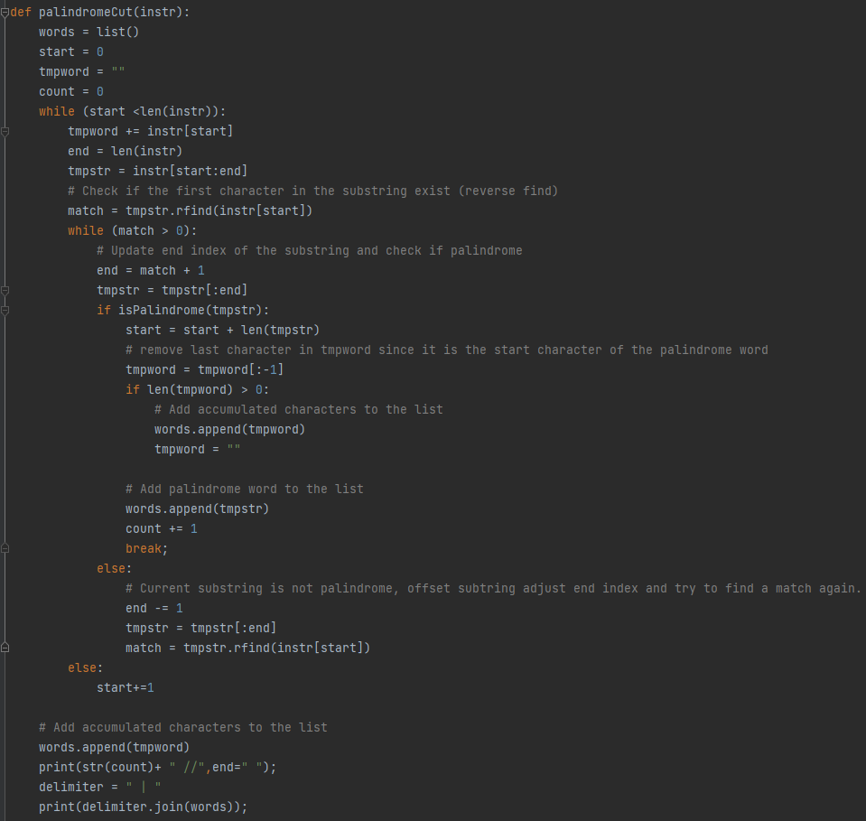
 |  |  |  |  |  |  |  |  |  |  |  |  |  |  | Time Complexity: O(n^2)
 |  |  |  |  |  |  |  |  |  |  |  |  |  |  |  | - Quadratic time, due to its nested loop. Even though there is a possibility that the input size in the 1st loop will be reduced when there is a palindrome match,
 |  |  |  |  |  |  |  |  |  |  |  |  |  |  |  | The maximum possible time complexity will still be O(n^2) for scenarios with no palindrome substring in the input.

 |  |  |  |  |  |  |  |  |  |  |  |  |  |  | Space Complexity: O(1)
 |  |  |  |  |  |  |  |  |  |  |  |  |  |  |  | - memory usage is constant

 |  |  |  |  |  |  |  |  |  |  |  |  |  |  |  | I used Memory_Profiler module to check the space complexity of the function
 |  |  |  |  |  |  |  |  |  |  |  |  |  |  |  | Reference: https://github.com/pythonprofilers/memory_profiler
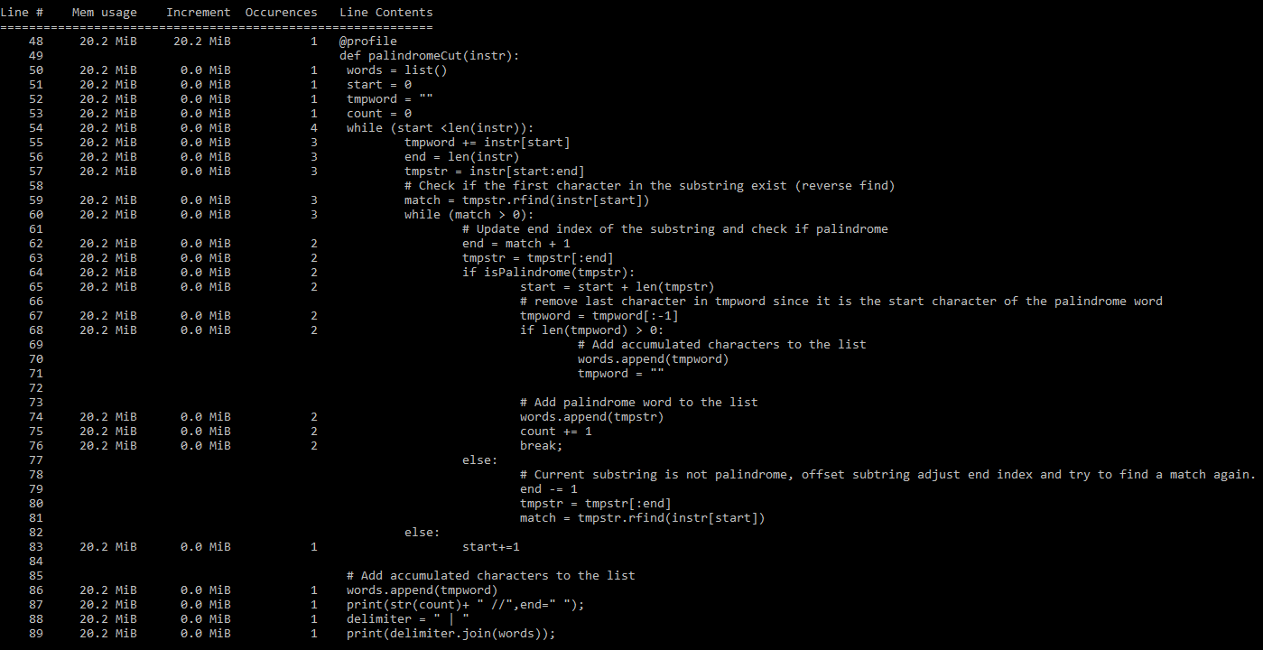

 | General Procedure:
 | Step 1. Create an empty list of string called "words", and a counter (which will count the total number of palindrome words that is possible when the input string is cut)
 | Step 2. Loop the input string and create a substring based on the current loop index as its start index. Save the all the characters that was already been checked in a tempword variable
 | Step 3. Check if the current loop character (using the loop index) has a match in the substring created in Step 2, using rfind() [Reverse Find]
 | Step 4. If there is no match, continue to next loop index. Else, overwrite the substring in Step2 and used the matched index in Step 3 as the substring's end index
 | Step 5. Check if the current substring is palindrome.
 |  |  | If true, remove the last character appended in tmpword since it is the starting character for the current palindrome word. Insert the tmpword to the words list then reset the tmpword to an empty string
 |  |  |  | Then, insert the palindrome word in the words list and increment the counter. Move the start index based on the last character index of the matched palindrome word. Continue the loop and proceed to Step3.

 |  |  | If false, overwrite the current substring by removing its last character and check if there are still further match (Just like what we've done in Step4)
 | Step 6. Once the outer loop ends, Insert the tmpword to the words list.

 | Example 1:
 |  |  | Input: |  |  | n | o | o | n | a | b | b | a | d
 |  |  | Index: |  |  | 0 | 1 | 2 | 3 | 4 | 5 | 6 | 7 | 8

 |  |  | Loop 1:
 |  |  |  |  | Step1:
 |  |  |  |  |  | words = empty list
 |  |  |  |  |  | count = 0
 |  |  |  |  |  | tmpword = ""

 |  |  |  |  | Step2:
 |  |  |  |  |  | start index = 0
 |  |  |  |  |  | end index = 9 (input string size)
 |  |  |  |  |  | tmpword += input[start index] = input[0] = "n"

 |  |  |  |  |  | tmpstr = input[0:9] = "noonabbad"

 |  |  |  |  | Step3:
 |  |  |  |  |  | match = tmpstr.rfind(input[0]) = 3

 |  |  |  |  | Step 5:
 |  |  |  |  |  |  | end index = match + 1 = 3 + 1 = 4 (Since when using string slice, the end index is excluded)
 |  |  |  |  |  |  | tmpstr = tmpstr[:4] = "noon"

 |  |  |  |  |  |  | tmpstr = "noon" is a palindrome.
 |  |  |  |  |  |  | tmpword[:-1] = "" (Remove the last character added since that character is the first character of the palindrome word)
 |  |  |  |  |  |  | Since current tmpword is empty, no need to insert it in to the words list

 |  |  |  |  |  |  | Insert "noon" to words list
 |  |  |  |  |  |  | count += 1 = 1
 |  |  |  |  |  |  | start index = start index + len(tmpstr) = 0 + 4 = 4
 |  |  |  |  |  |  | Break inner loop and continue with the outer loop

 |  |  | Loop 2:
 |  |  |  |  | Step1:
 |  |  |  |  |  | words = ["noon"]
 |  |  |  |  |  | count = 1
 |  |  |  |  |  | tmpword = ""

 |  |  |  |  | Step2:
 |  |  |  |  |  | start index = 4
 |  |  |  |  |  | end index = 9 (input string size)
 |  |  |  |  |  | tmpword += input[start index] = input[4] = "a"

 |  |  |  |  |  | tmpstr = input[4:9] = "abbad"

 |  |  |  |  | Step3:
 |  |  |  |  |  | match = tmpstr.rfind(input[4]) = 3

 |  |  |  |  | Step 5:
 |  |  |  |  |  |  | end index = match + 1 = 3 + 1 = 4 (Since when using string slice, the end index is excluded)
 |  |  |  |  |  |  | tmpstr = tmpstr[:4] = "abba"

 |  |  |  |  |  |  | tmpstr = "abba" is a palindrome.
 |  |  |  |  |  |  | tmpword[:-1] = "" (Remove the last character added since that character is the first character of the palindrome word)
 |  |  |  |  |  |  | Since current tmpword is empty, no need to insert it in to the words list

 |  |  |  |  |  |  | Insert "abba" to words list
 |  |  |  |  |  |  | count += 1 = 2
 |  |  |  |  |  |  | start index = start index + len(tmpstr) = 4 + 4 = 8
 |  |  |  |  |  |  | Break inner loop and continue with the outer loop

 |  |  | Loop 3:
 |  |  |  |  | Step1:
 |  |  |  |  |  | words = ["noon", "abba"]
 |  |  |  |  |  | count = 2
 |  |  |  |  |  | tmpword = ""

 |  |  |  |  | Step2:
 |  |  |  |  |  | start index = 8
 |  |  |  |  |  | end index = 9 (input string size)
 |  |  |  |  |  | tmpword += input[start index] = input[8] = "d"

 |  |  |  |  |  | tmpstr = input[8:9] = "d"

 |  |  |  |  | Step3:
 |  |  |  |  |  | match = tmpstr.rfind(input[8]) = -1

 |  |  |  |  | Step 4:
 |  |  |  |  |  | Since there is no match, increment the start index by 1
 |  |  |  |  |  | start index = start index + 1 = 8 + 1 = 9
 |  |  |  |  |  | Since start index is not less than the input string. Exit outer loop

 |  |  |  |  | Step6:
 |  |  |  |  |  | Insert tmpword to the words list
 |  |  |  |  |  | words = ["noon", "abba", "d"]
 |  |  |  |  |  | count = 2
 |  |  |  |  |  | Join the words list using "| "delimiter and print the output

 |  |  | Output: "2 // noon | abba | d"

