Diet problem solution by LP
 | Wheat | Rice | Corn
Cost_per_o | 0.03 | 0.05 | 0.02
Ounce | 1.5 | 0 | 10.5 | Total
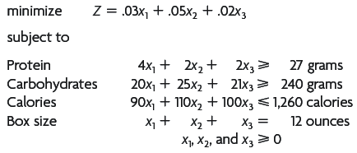
Cost | 0.045 | 0 | 0.21 | 0.255

 |  |  |  | Usase |  | RHS | Leftover
Protein | 4 | 2 | 2 | 27 | >= | 27 | 0
Carb | 20 | 25 | 21 | 250.5 | >= | 240 | 10.5
Calories | 90 | 110 | 100 | 1185 | <= | 1260 | 75
Boxes | 1 | 1 | 1 | 12 | "=" | 12 | 0

