overfitting
0.92880 | 0.92324
0.93243
0.93503 | 0.92813
0.93530
 | 0.00000
0.93617 | 0.92854
0.93621 | 0.92829
0.93701 | 0.92858
0.94008 | 0.93015
0.93331 | 0.92771
0.94723 | 0.92782
0.94049 | 0.92998
0.93268 | 0.92759
0.93093 | 0.92670
0.94767 | 0.92913
0.94453 | 0.92995
0.94028 | 0.92990
0.94462 | 0.92987
0.94249 | 0.92972
0.94094 | 0.92952
 | f2 #2 | public f2 #2
resnet18 - single | 0.92880 | 0.92324

resnet18 - single - pretrain - deep finetune
resnet18 - single - pretrain - deep finetune
resnet18 - single (bug.1) | 0.93243
resnet18 - single (bug.1) | 0.93503 | 0.92813
resnet18 - single | 0.93530

resnet34 - single (bug.1) | 0.93617 | 0.92854
resnet34 - single - 0 (bug.1)
resnet34 - single - 1 (bug.1)
resnet34 - single | 0.93621 | 0.92829
resnet34 - single - mix pool | 0.93701 | 0.92858
resnet34 - single - pretrain - deep finetune | 0.94008 | 0.93015

resnet50 - single (bug.1) | 0.93331 | 0.92771
resnet50 - single - pretrain - deep finetune | 0.94723 | 0.92782
(add drop=0.2, train agu=0.85) | 0.94049 | 0.92998

??? very bad results for inception ... cannot train from scratch unless usoing aux classifiers ????
inception_v2 (googlenet-bn)
inception_v3
inception v4

densenet121 - single (bug.1)
densenet121 - single (bug.1) | 0.93268 | 0.92759
densenet121 - single ( takes too long to train, hence finetune from bug.1 version above) | 0.93093 | 0.92670
densenet121 - single - pretrain - deep finetune | 0.94767 | 0.92913
early stop @ 025 | 0.94453 | 0.92995
early stop @ 020 | 0.94028 | 0.92990
inception_v3- pretrain - deep finetune | 0.94462 | 0.92987
early stop @ 025 | 0.94249 | 0.92972
early stop @ 020 | 0.94094 | 0.92952

progress
daily progress
630970 | Heng CherKeng | 5/9/17 | 0.92411
630970 | Heng CherKeng | 5/10/17 | 0.92423
630970 | Heng CherKeng | 5/10/17 | 0.92442
630970 | Heng CherKeng | 5/12/17 | 0.92463
630970 | Heng CherKeng | 5/22/17 | 0.92713
630970 | Heng CherKeng | 5/22/17 | 0.92718
630970 | Heng CherKeng | 5/23/17 | 0.92719
630970 | Heng CherKeng | 5/23/17 | 0.92727
630970 | Heng CherKeng | 5/24/17 | 0.92761
630970 | Heng CherKeng | 5/24/17 | 0.92771
630970 | Heng CherKeng | 5/25/17 | 0.92779
630970 | Heng CherKeng | 5/28/17 | 0.92813
630970 | Heng CherKeng | 5/28/17 | 0.92854
630970 | Heng CherKeng | 5/28/17 | 0.92872
630970 | Heng CherKeng | 5/29/17 | 0.92924
630970 | Heng CherKeng | 5/30/17 | 0.92929
630970 | Heng CherKeng | 5/31/17 | 0.93015
630970 | Heng CherKeng | 5/31/17 | 0.93044
630970 | Heng CherKeng | 6/1/17 | 0.9318

notes
 | https://github.com/pytorch/vision/blob/master/torchvision/models/__init__.py
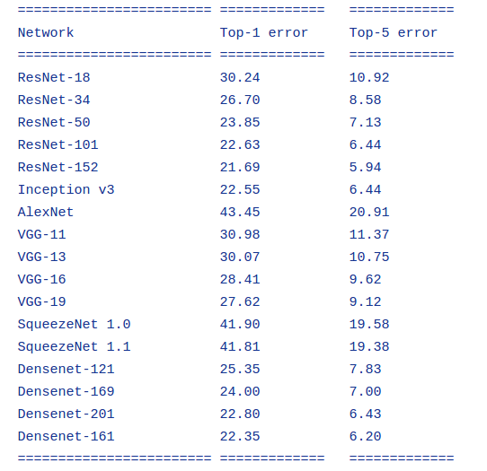
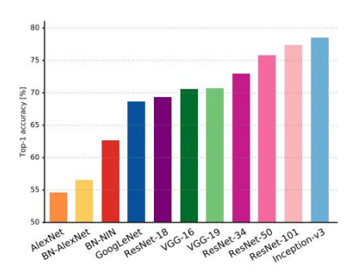

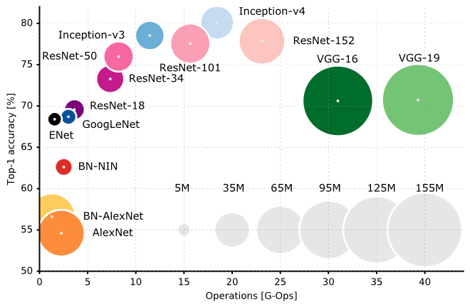

 | http://book.paddlepaddle.org/03.image_classification/
 | https://medium.com/towards-data-science/neural-network-architectures-156e5bad51ba
 | One Hundred Layers Tiramisu | http://forums.fast.ai/t/one-hundred-layers-tiramisu/2266/20
 | inception_v1
 | https://github.com/szagoruyko/wide-residual-networks/tree/master/pretrained

 | https://github.com/lim0606/torch-inception-resnet-v2
 | Wide Residual Networks | https://github.com/xternalz/WideResNet-pytorch
 | resnext | https://github.com/prlz77/ResNeXt.pytorch
 | https://github.com/szagoruyko/imagenet-validation.torch

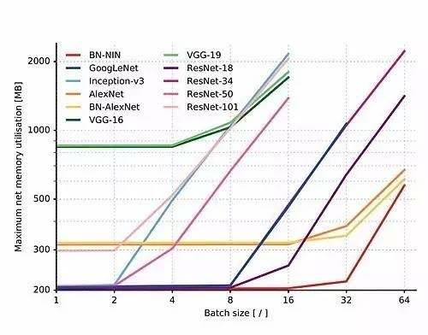
 | FractalNet
 | https://arxiv.org/pdf/1703.06993.pdf |  | SORT
 | http://programtalk.com/vs2/python/10352/tensorpack/examples/Inception/inception-bn.py/
 | https://github.com/pertusa/InceptionBN-21K-for-Caffe

diranet | D
 | D

 | http://slazebni.cs.illinois.edu/spring17/lec04_advanced_cnn.pdf

 | https://github.com/tensorflow/models/tree/master/slim

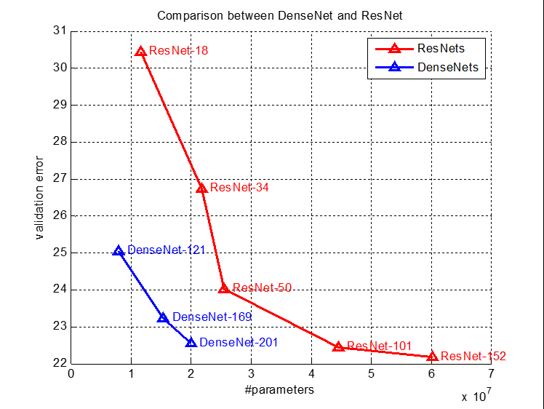

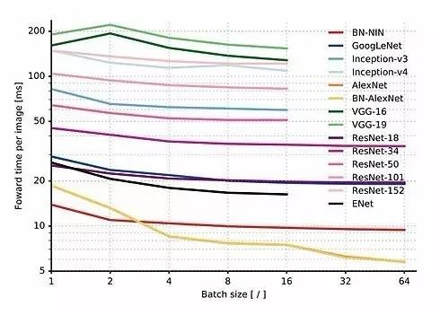

 | http://fastml.com/factorized-convolutional-neural-networks/
 | https://culurciello.github.io/tech/2016/06/20/training-enet.html

 | https://github.com/szagoruyko/functional-zoo

 | https://github.com/Cadene/tensorflow-model-zoo.torch
 | https://github.com/pytorch/vision/pull/159
 | https://github.com/titu1994/Inception-v4

