overfitting
 |  |  | ensemble
0.92880 | 0.92324 | 0.93859 | 0.93180
 |  | 0.94448 | 0.92883
 |  | 0.93937 | 0.93044
 |  | 0.94003 | 0.93014
0.93243 |  | 0.93985 | 0.93079
0.93503 | 0.92813 | 0.93957 | 0.93061
0.93530
 | 0.00000
0.93617 | 0.92854
0.93621 | 0.92829
0.93701 | 0.92858
0.94008 | 0.93015
0.93331 | 0.92771
0.94723 | 0.92782
0.94049 | 0.92998
0.93268 | 0.92759
0.93093 | 0.92670
0.94767 | 0.92913
0.94453 | 0.92995
0.94028 | 0.92990
0.94462 | 0.92987
0.94249 | 0.92972
0.94094 | 0.92952
 | f2 #2 | public f2 #2
resnet18 - single | 0.92880 | 0.92324

resnet18 - single - pretrain - deep finetune
resnet18 - single - pretrain - deep finetune
resnet18 - single (bug.1) | 0.93243
resnet18 - single (bug.1) | 0.93503 | 0.92813
resnet18 - single | 0.93530

resnet34 - single (bug.1) | 0.93617 | 0.92854
resnet34 - single - 0 (bug.1)
resnet34 - single - 1 (bug.1)
resnet34 - single | 0.93621 | 0.92829
resnet34 - single - mix pool | 0.93701 | 0.92858
resnet34 - single - pretrain - deep finetune | 0.94008 | 0.93015

resnet50 - single (bug.1) | 0.93331 | 0.92771
resnet50 - single - pretrain - deep finetune | 0.94723 | 0.92782
(add drop=0.2, train agu=0.85) | 0.94049 | 0.92998

??? very bad results for inception ... cannot train from scratch unless usoing aux classifiers ????
inception_v2 (googlenet-bn)
inception_v3
inception v4

densenet121 - single (bug.1)
densenet121 - single (bug.1) | 0.93268 | 0.92759 | ensemble | 0.93859 | 0.93180
densenet121 - single ( takes too long to train, hence finetune from bug.1 version above) | 0.93093 | 0.92670 |  | 0.94448 | 0.92883
densenet121 - single - pretrain - deep finetune | 0.94767 | 0.92913 |  | 0.93937 | 0.93044
early stop @ 025 | 0.94453 | 0.92995 |  | 0.94003 | 0.93014
early stop @ 020 | 0.94028 | 0.92990 |  | 0.93985 | 0.93079
inception_v3- pretrain - deep finetune | 0.94462 | 0.92987 |  | 0.93957 | 0.93061
early stop @ 025 | 0.94249 | 0.92972
early stop @ 020 | 0.94094 | 0.92952

ensembling (2)
[1] | /root/share/project/pytorch/results/kaggle-forest/__old_2__/pynet-18a-jpg/submissions/average2/results-0.92713.csv |  |  |  |  |  |  |  |  |  |  |  |  |  |  | 1
[2] | /root/share/project/pytorch/results/kaggle-forest/resnet50-256-jpg-1/submissions/average/results-0.92771.csv
[3] | /root/share/project/pytorch/results/kaggle-forest/resnet34-256-jpg-1/submissions/average/results-0.92854.csv |  |  |  |  |  |  |  |  |  |  |  |  |  |  | 1
[4] | /root/share/project/pytorch/results/kaggle-forest/resnet18-256-jpg-1/submissions/average/results-0.92813.csv |  |  |  |  |  |  |  |  |  |  |  |  |  |  | 1
[5] | /root/share/project/pytorch/results/kaggle-forest/resnet34-40479-256-jpg-fixed-0/submissions/average/results-0.92829.csv |  |  |  |  |  |  |  |  |  |  |  |  |  |  | 1
[6] | /root/share/project/pytorch/results/kaggle-forest/resnet34-40479-256-jpg-mix-pool-0/submissions/average/results-0.92858.csv |  |  |  |  |  |  |  |  |  |  |  |  |  |  | 1
[7] | /root/share/project/pytorch/results/kaggle-forest/densenet121-40479-jpg-0/submissions/average/results-0.92670.csv |  |  |  |  |  |  |  |  |  |  |  |  |  |  | 1
[8] | /root/share/project/pytorch/results/kaggle-forest/densenet121-256-jpg-1/submissions/average/results-0.92759.csv |  |  |  |  |  |  |  |  |  |  |  |  |  |  | 1
[9] | /root/share/project/pytorch/results/kaggle-forest/resnet34-pretrain-40479-jpg-0/submissions/average/results-0.93015.csv |  |  |  |  |  |  |  |  |  |  |  |  |  |  | 1
[10] | /root/share/project/pytorch/results/kaggle-forest/resnet50-pretrain-40479-jpg-1/submissions/average/results-0.92998.csv |  |  |  |  |  |  |  |  |  |  |  |  |  |  | 1
[11] | /root/share/project/pytorch/results/kaggle-forest/densenet121-pretrain-40479-jpg-0/submissions/average/results-0.9299.csv |  |  |  |  |  |  |  |  |  |  |  |  |  |  | 1
[12] | /root/share/project/pytorch/results/kaggle-forest/densenet121-pretrain-40479-jpg-0/submissions0/average/results-0.92913.csv
[13] | /root/share/project/pytorch/results/kaggle-forest/inception_v3-pretrain-40479-jpg-1/submissions/average/results-0.92987.csv
[14] | /root/share/project/pytorch/results/kaggle-forest/inception_v3-pretrain-40479-jpg-1/submissions0/average/results-0.92952.csv |  |  |  |  |  |  |  |  |  |  |  |  |  |  | 1

 | *exclude [1]
 | train+valid | LB | overfit |  |  | [1] | [2] | [3] | [4] | [5] | [6] | [7] | [8] | [9] | [10] | [11] | [12] | [13] | [14]
ensemble | 0.93859 | 0.93180 | 0.00679 |  | 11 | 1 | 1 | 1 | 1 | 1 | 1 | 1 | 1 | 1 | 1 | 1
 | 0.94448 | 0.92883 | 0.01565 |  | 5 |  |  |  |  |  | 1 |  |  | 1 | 1 | 1 | 1
 | 0.93937 | 0.93044 | 0.00893 |  | 7 | 1 | 1 |  | 1 |  | 1 |  | 1 | 1 |  |  | 1
 | 0.94003 | 0.93014 | 0.00989 |  | 10 | 1 | 1 | 1 | 1 | 1 | 1 | 1 |  | 2 |  |  | 1
 | 0.93985 | 0.93079 | 0.00906 | inception_v3-pretrain-40479-jpg-1/submissions/average10 | 13 | 1 | 1 | 1 | 1 | 1 | 1 | 1 | 1 | 1 | 1 | 1 |  | 1 | 1
 | 0.93957 | 0.93061 | 0.00895 | inception_v3-pretrain-40479-jpg-1/submissions/average11 | 11 | 1 |  | 1 | 1 | 1 | 1 | 1 | 1 | 1 | 1 | 1 |  |  | 1

 | LB
0.93859 | 0.93180
0.94448 | 0.92883
0.93937 | 0.93044
0.94003 | 0.93014
0.93985 | 0.93079
0.93957 | 0.93061

progress
daily progress
630970 | Heng CherKeng | 5/9/17 | 0.92411
630970 | Heng CherKeng | 5/10/17 | 0.92423
630970 | Heng CherKeng | 5/10/17 | 0.92442
630970 | Heng CherKeng | 5/12/17 | 0.92463
630970 | Heng CherKeng | 5/22/17 | 0.92713
630970 | Heng CherKeng | 5/22/17 | 0.92718
630970 | Heng CherKeng | 5/23/17 | 0.92719
630970 | Heng CherKeng | 5/23/17 | 0.92727
630970 | Heng CherKeng | 5/24/17 | 0.92761
630970 | Heng CherKeng | 5/24/17 | 0.92771
630970 | Heng CherKeng | 5/25/17 | 0.92779
630970 | Heng CherKeng | 5/28/17 | 0.92813
630970 | Heng CherKeng | 5/28/17 | 0.92854
630970 | Heng CherKeng | 5/28/17 | 0.92872
630970 | Heng CherKeng | 5/29/17 | 0.92924
630970 | Heng CherKeng | 5/30/17 | 0.92929
630970 | Heng CherKeng | 5/31/17 | 0.93015
630970 | Heng CherKeng | 5/31/17 | 0.93044
630970 | Heng CherKeng | 6/1/17 | 0.9318

notes
 | https://github.com/pytorch/vision/blob/master/torchvision/models/__init__.py
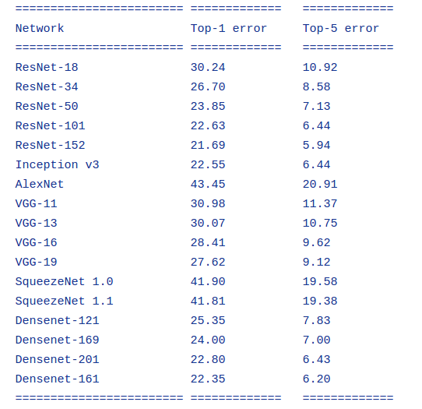
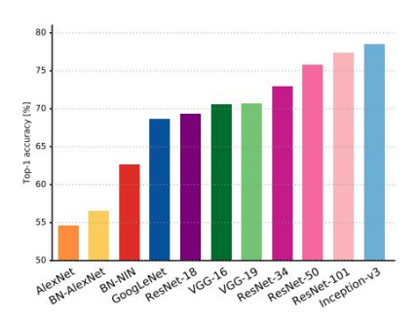

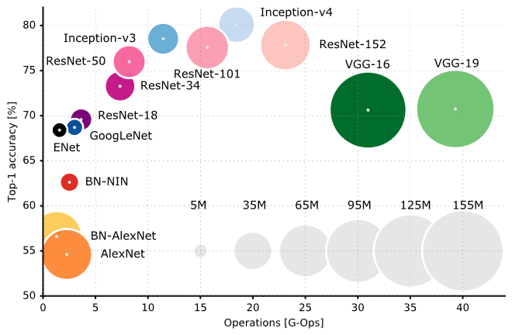

 | http://book.paddlepaddle.org/03.image_classification/
 | https://medium.com/towards-data-science/neural-network-architectures-156e5bad51ba
 | One Hundred Layers Tiramisu | http://forums.fast.ai/t/one-hundred-layers-tiramisu/2266/20
 | inception_v1
 | https://github.com/szagoruyko/wide-residual-networks/tree/master/pretrained

 | https://github.com/lim0606/torch-inception-resnet-v2
 | Wide Residual Networks | https://github.com/xternalz/WideResNet-pytorch
 | resnext | https://github.com/prlz77/ResNeXt.pytorch
 | https://github.com/szagoruyko/imagenet-validation.torch

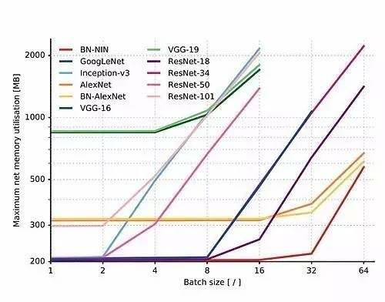
 | FractalNet
 | https://arxiv.org/pdf/1703.06993.pdf |  | SORT
 | http://programtalk.com/vs2/python/10352/tensorpack/examples/Inception/inception-bn.py/
 | https://github.com/pertusa/InceptionBN-21K-for-Caffe

diranet | D
 | D

 | http://slazebni.cs.illinois.edu/spring17/lec04_advanced_cnn.pdf

 | https://github.com/tensorflow/models/tree/master/slim

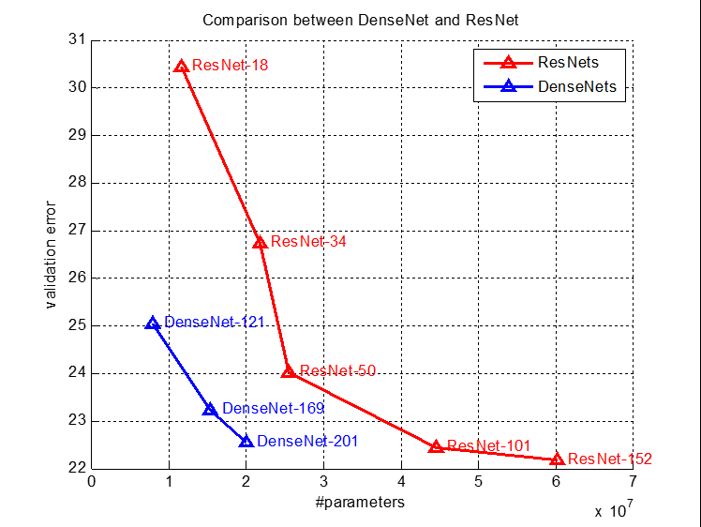

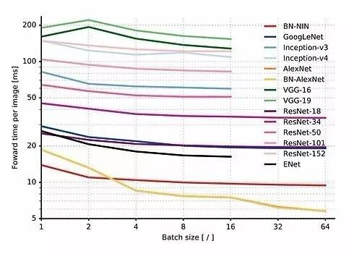

 | http://fastml.com/factorized-convolutional-neural-networks/
 | https://culurciello.github.io/tech/2016/06/20/training-enet.html

 | https://github.com/szagoruyko/functional-zoo

 | https://github.com/Cadene/tensorflow-model-zoo.torch
 | https://github.com/pytorch/vision/pull/159
 | https://github.com/titu1994/Inception-v4

 | https://github.com/Cadene/tensorflow-model-zoo.torch

Sheet1
1.deepsense.io | 0.93286
2.bestfitting | 0.93282
3.ZFTurbo | 0.93251
4.Bruno G. do Amaral | 0.93231
5.Kyle | 0.93210
6.Heng CherKeng | 0.93180
7.Brendan Fortuner | 0.93055
8.MattPotma | 0.93041
9.wilan | 0.93061
10.HDKIM | 0.93079

Sheet2
experiments using using tif
 | train=3000 images, validation =8000 images. (tif and jpg are not aligned)

 | tif + jpg
tif cnn
jpg cnn
 | epoch iter rate | smooth_loss | train_loss (acc) | valid_loss (acc) | min
 | ----------------------------------------------------------------------------------------
 | 1.0 31 0.1000 | 0.358 | 0.246 0.724 | 0.295 0.639 | 0.2 min
 | 2.0 31 0.1000 | 0.190 | 0.174 0.834 | 0.210 0.769 | 0.1 min
 | 3.0 31 0.1000 | 0.170 | 0.167 0.822 | 0.171 0.835 | 0.1 min
 | 4.0 31 0.1000 | 0.169 | 0.186 0.822 | 0.190 0.797 | 0.1 min
 | 5.0 31 0.1000 | 0.162 | 0.142 0.857 | 0.177 0.815 | 0.2 min
 | 6.0 31 0.1000 | 0.157 | 0.166 0.826 | 0.170 0.824 | 0.2 min
fuse cnn
 | 7.0 31 0.1000 | 0.152 | 0.148 0.846 | 0.162 0.844 | 0.2 min
 | 8.0 31 0.1000 | 0.146 | 0.163 0.833 | 0.166 0.835 | 0.2 min
 | 9.0 31 0.1000 | 0.151 | 0.160 0.858 | 0.175 0.818 | 0.2 min
 | 10.0 31 0.1000 | 0.146 | 0.181 0.810 | 0.158 0.842 | 0.2 min
 | 11.0 31 0.0100 | 0.139 | 0.149 0.858 | 0.137 0.871 | 0.2 min
 | 12.0 31 0.0100 | 0.134 | 0.147 0.851 | 0.136 0.872 | 0.2 min
 | 13.0 31 0.0100 | 0.136 | 0.145 0.888 | 0.134 0.874 | 0.2 min
 | 14.0 31 0.0100 | 0.133 | 0.129 0.895 | 0.134 0.874 | 0.2 min

 | jpg only

jpg cnn
 | 1.0 31 0.1000 | 0.342 | 0.220 0.732 | 0.273 0.640 | 0.1 min
 | 2.0 31 0.1000 | 0.197 | 0.197 0.805 | 0.198 0.797 | 0.1 min
 | 3.0 31 0.1000 | 0.184 | 0.220 0.770 | 0.243 0.730 | 0.1 min
 | 4.0 31 0.1000 | 0.171 | 0.170 0.842 | 0.184 0.793 | 0.1 min
 | 5.0 31 0.1000 | 0.170 | 0.179 0.802 | 0.164 0.840 | 0.1 min
 | 6.0 31 0.1000 | 0.161 | 0.180 0.836 | 0.167 0.823 | 0.1 min
 | 7.0 31 0.1000 | 0.156 | 0.184 0.812 | 0.176 0.815 | 0.1 min
 | 8.0 31 0.1000 | 0.161 | 0.179 0.828 | 0.163 0.845 | 0.1 min
 | 9.0 31 0.1000 | 0.164 | 0.189 0.797 | 0.165 0.843 | 0.1 min
 | 10.0 31 0.1000 | 0.155 | 0.147 0.873 | 0.157 0.849 | 0.1 min
fuse cnn
 | 11.0 31 0.0100 | 0.151 | 0.157 0.865 | 0.147 0.858 | 0.1 min
 | 12.0 31 0.0100 | 0.148 | 0.134 0.872 | 0.144 0.862 | 0.1 min
 | 13.0 31 0.0100 | 0.145 | 0.136 0.871 | 0.143 0.866 | 0.1 min
 | 14.0 31 0.0100 | 0.138 | 0.136 0.889 | 0.142 0.867 | 0.1 min
 | 15.0 31 0.0100 | 0.142 | 0.155 0.819 | 0.141 0.866 | 0.1 min
 | 16.0 31 0.0100 | 0.136 | 0.140 0.877 | 0.141 0.868 | 0.1 min
 | 17.0 31 0.0100 | 0.144 | 0.167 0.835 | 0.140 0.869 | 0.1 min
 | 18.0 31 0.0100 | 0.141 | 0.131 0.894 | 0.142 0.868 | 0.1 min
 | 19.0 31 0.0100 | 0.141 | 0.109 0.914 | 0.139 0.870 | 0.1 min

 | tif only

tif cnn
 | 1.0 31 0.1000 | 0.349 | 0.231 0.724 | 0.262 0.714 | 0.1 min
 | 2.0 31 0.1000 | 0.207 | 0.242 0.748 | 0.239 0.728 | 0.1 min
 | 3.0 31 0.1000 | 0.188 | 0.202 0.803 | 0.219 0.761 | 0.1 min
 | 4.0 31 0.1000 | 0.185 | 0.196 0.792 | 0.191 0.812 | 0.1 min
 | 5.0 31 0.1000 | 0.174 | 0.198 0.806 | 0.181 0.822 | 0.1 min
 | 6.0 31 0.1000 | 0.170 | 0.198 0.808 | 0.248 0.664 | 0.1 min
 | 7.0 31 0.1000 | 0.162 | 0.171 0.830 | 0.191 0.818 | 0.1 min
 | 8.0 31 0.1000 | 0.166 | 0.186 0.816 | 0.182 0.812 | 0.1 min
fuse cnn
 | 9.0 31 0.1000 | 0.164 | 0.159 0.831 | 0.181 0.815 | 0.1 min
 | 10.0 31 0.1000 | 0.159 | 0.160 0.844 | 0.223 0.769 | 0.1 min
 | 11.0 31 0.0100 | 0.156 | 0.151 0.850 | 0.151 0.853 | 0.1 min
 | 12.0 31 0.0100 | 0.149 | 0.149 0.844 | 0.147 0.858 | 0.1 min
 | 13.0 31 0.0100 | 0.147 | 0.136 0.871 | 0.146 0.859 | 0.1 min
 | 14.0 31 0.0100 | 0.147 | 0.155 0.856 | 0.145 0.860 | 0.1 min
 | 15.0 31 0.0100 | 0.146 | 0.141 0.851 | 0.143 0.862 | 0.1 min

