Sheet2
https://github.com/pytorch/vision/blob/master/torchvision/models/__init__.py
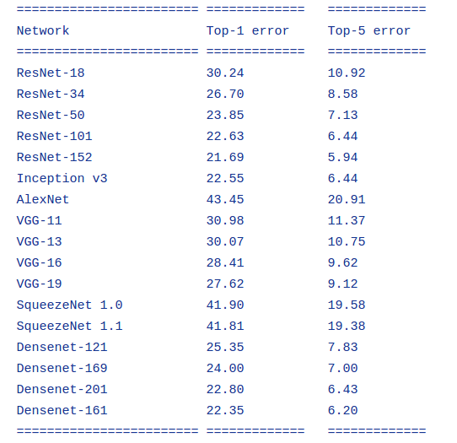
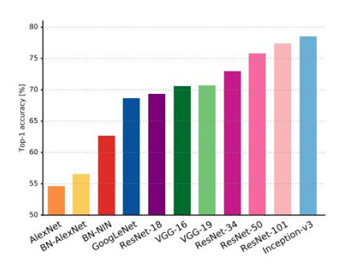

One Hundred Layers Tiramisu | http://forums.fast.ai/t/one-hundred-layers-tiramisu/2266/20
inception_v1

Wide Residual Networks | https://github.com/xternalz/WideResNet-pytorch
resnext | https://github.com/prlz77/ResNeXt.pytorch

FractalNet

http://slazebni.cs.illinois.edu/spring17/lec04_advanced_cnn.pdf

