Table of contents
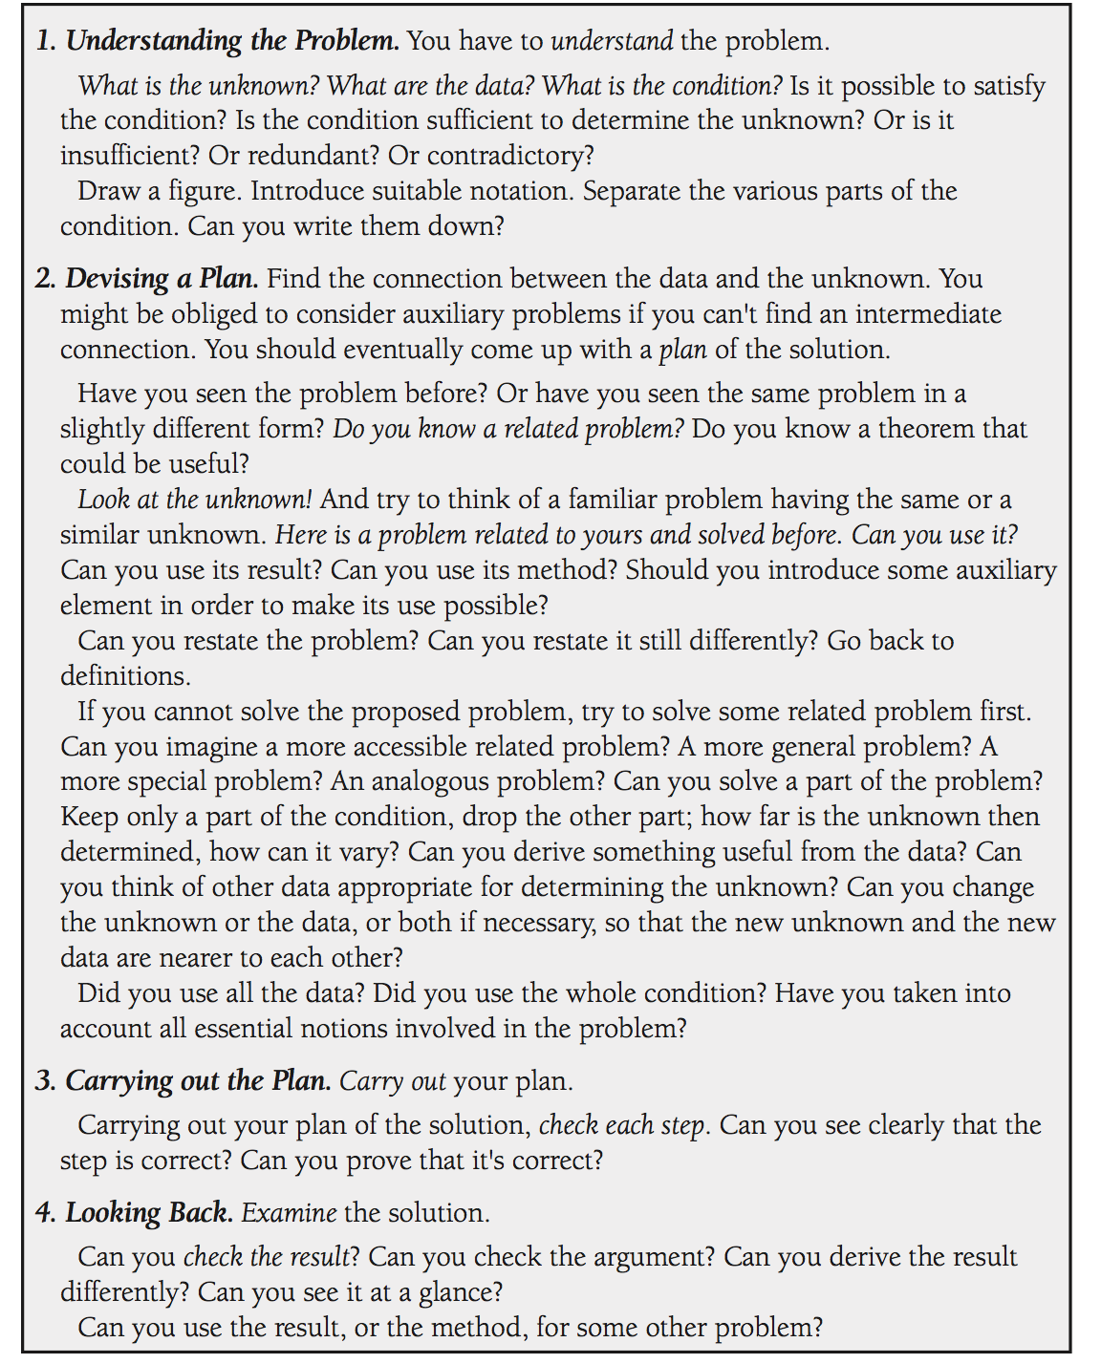
Table of contents | Polya 4 Step plan
array |  | 1. Find as many solutions as possible
backtracking |  | 2. Don't stuck always go ahead
binary-indexed-tree
binary-search-tree
binary-search
bit-manipulation
brainteaser
breadth-first-search
depth-first-search
design
divide-and-conquer
dynamic-programming
geometry
graph
greedy
hash-table
heap
linked-list
map
math
memoization
minimax
queue
random
recursion
rejection-sampling
reservoir-sampling
segment-tree
sort
stack
string
topological-sort
tree
trie
two-pointers
union-find

