White Box Testing
White Box Testing

Decision Table |  |  |  | Test cases to cover all branches
Sr | Condition: if orderAmount > 500 | Condition: if userType == premium | Action: Discount | Test Case ID | Scenario | Input | Expected Result | Negative scenario
1 | TRUE | TRUE | 20% | 1 | If order amount is greater than 500 and type of user is 'premium', then 20% discount should be applied | Order amount = 501 User Type = Premium | 20% discount should be applied | No
2 | TRUE | FALSE | 10% | 2 | If order amount is greater than 500 and type of user is ' not premium', then 10% discount should be applied | Order amount = 501 User Type = Not Premium | 10% discount should be applied | No
3 | FALSE |  | 0% | 3 | If order amount is less than 500, then no discount should be applied | Order amount = 499 | No discount should be applied | Yes
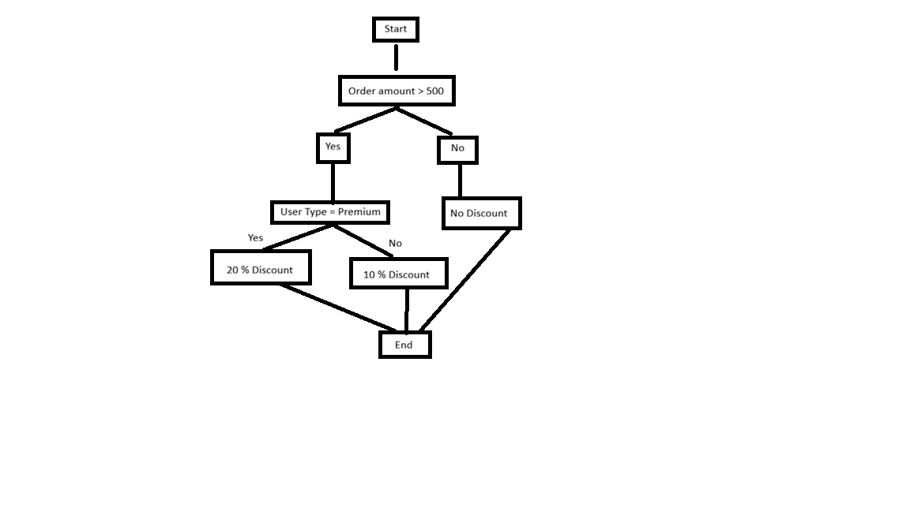

 | Cyclomatic complexity
 | E-N+2P
 | Edges (E) = 10 Nodes (N) = 9 Planes (P) = 1
 | 10-9+2(1) = 3

