6. Additional information
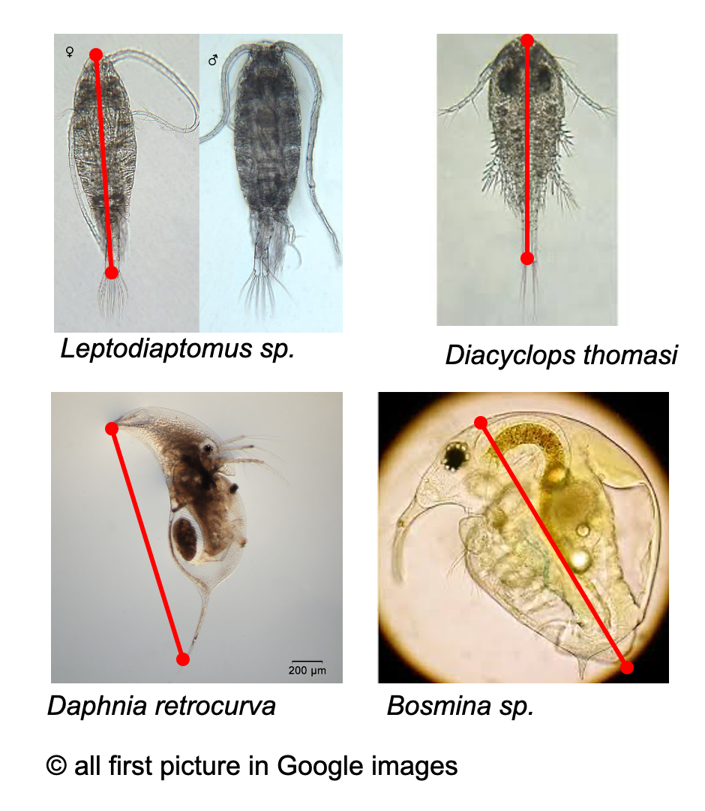
Additional questions

A — Regarding this project
If you measured zooplankton using a microscope, please provide a photo of the dominant taxa and draw on it the measurement you are usually taking.
You can do a Google search to find an image with a representative taxa (see example on the right). Or you can find pictures here and here.
No need to provide measurements for all species, the dominant ones will be enough.
This information will further help to create correction measurements and further homogenise datasets.

B — For potential future projects (yes/no questions, does not engage you for anything)
Question | Answer | Comment
Would you be willing to be added to an email list for potential future data requests? (for other projects that may branch out from this one)
Are there several years of zooplankton size data? |  | Specify start and end year of data e.g., mid-1990s-2005, give the approximate number of sampling per year
Are there 1-2 papers you think can help us learn about the lake you shared data for? |  | Share 1-2 references if you think it may be relevant
Are zooplankton size data available before-after an extreme event / lake perturbation? |  | e.g., dates of available samples and name or reference of the event
Do you have photos of zooplankton individuals, or are willing to take photos of individuals (minimum 150), and be interested in taking part in a follow-up project looking at intricate measurements (spines, antenna, etc.)? |  | Suggested by Dietmar e.g., https://doi.org/10.1016/j.ecolind.2020.106585

