Elibrary Test Sheet
 |  |  | Author: Polarion Software GmbH |  | Project: Elibrary Version: 1.2

Id | Name | Description | Test Type | Step | Test Step Description | Expected Result | Category
Manual Test
POL-1 | Open Book Properties | User should be able to read all properties of a book | Smoke | 1 | Select a book and open property panel | Panel should be visible | Book screen
 |  |  |  | 2 | Browse through all properties | You should see all information which is available for a book
Manual Test
POL-2 | Login to the portal | User must have a login screen to enter his user credentials | Smoke | 1 | Open login screen | 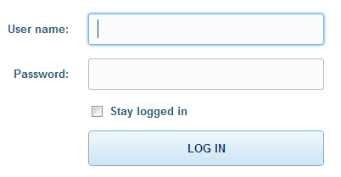 | Login screen
 |  |  |  | 2 | Use user name: admin and password: admin | You should be able to enter these login credentials
 |  |  |  | 3 | Press LOG IN Button | You should be redirected to your Elibrary Home screen
Manual Test
POL-3 | Rich text book summary | User must have a summary for each book he selects and he should see similar books | Basic | 1 | Select a book | You should see title, author and a short summary which can be extended to see a full summary | Book screen, Elibrary portal
 |  |  |  | 2 | Extend short summary | User should see a full rich text book summary
 |  |  |  | 3 | Scroll down and select similar book | User should be able to select similar books
Manual Test
POL-4 | Open Author details | Manual Test | Basic | 1 | Select an author | You should see all details about the author which are available | Book screen, Wikipedia
 |  |  |  | 2 | Click on "more details" | You should see a link to www.wikipedia.org
 |  |  |  | 3 | Click on hyperlink | You should be redirected to an article about the author on wikipedia
Manual Test
POL-5 | Favorite Books | User should be able to mark his favorite books as favorites | Transition | 1 | Select a book | You should see a screen with all book details | Book screen, Elibrary portal
 |  |  |  | 2 | Click on the Favorite icon at the top left of your screen
 |  |  |  | 3 | See your favorite books in your shortcut area at the bottom left | 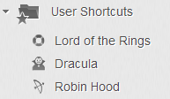
Manual Test
POL-6 | Open E-Library portal | User must be able to search for books in the elibrary portal. He should also be able to select books per category | Basic | 1 | Open Elibrary portal | You should be able to use a search field for books and you should see different books sorted by categories | Elibrary portal
 |  |  |  | 2 | Search for books by keyword 指环王 | You should find 3 Books with title 獎學金 , 雙塔奇謀 , 國王歸來
 |  |  |  | 3 | Browse through category "Horror" and search for Dracula | You should find the book Dracula
Manual Test
POL-7 | Search for book using ISBN < 10 diggits | User must not be able to search for an ISBN number with less then 10 diggits | Basic | 1 | Open search screen |  | Book screen, Elibrary portal
 |  |  |  | 2 | Type ISBN Number with < 10 diggits | You should get an ERROR message "Please use at least 10 numbers"
Manual Test
POL-8 | Search for book using ISBN >= 10 diggits | User must be able to search for an ISBN number with more then 10 diggits | Basic | 1 | Open search screen |  | Book screen, Elibrary portal
 |  |  |  | 2 | Type ISBN Number with >= 10 diggits | You should get the title, author and the cover of your book

